Sheet1
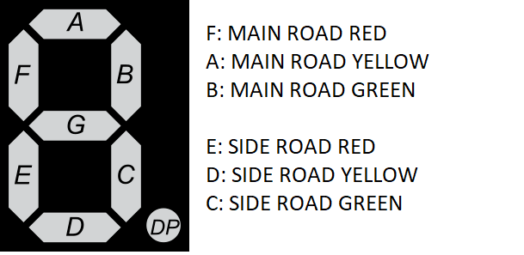
C | B | A | MRED | MYELLOW | MGREEN | SRED | SYELLOW | SGREEN
0 | 0 | 0 | 0 | 0 | 1 | 1 | 0 | 0
0 | 0 | 1 | 0 | 1 | 0 | 1 | 0 | 0
0 | 1 | 0 | 1 | 0 | 0 | 1 | 0 | 0
0 | 1 | 1 | 1 | 0 | 0 | 1 | 1 | 0
1 | 0 | 0 | 1 | 0 | 0 | 0 | 0 | 1
1 | 0 | 1 | 1 | 0 | 0 | 0 | 1 | 0
1 | 1 | 0 | 1 | 0 | 0 | 1 | 0 | 0
1 | 1 | 1 | 1 | 1 | 0 | 1 | 0 | 0

 |  |  |  |  |  |  |  |  |  |  |  | CB
 |  |  |  |  |  |  |  |  |  | MRED | “00” | “01” | “11” | “10”
 |  |  |  |  |  |  |  |  | A | 0 | 0 | 1 | 1 | 1
 |  |  |  |  |  |  |  |  |  | 1 | 0 | 1 | 1 | 1 | P = B + C

 |  |  |  |  |  |  |  |  |  |  |  | CB
 |  |  |  |  |  |  |  |  |  | MYELLOW | “00” | “01” | “11” | “10”
 |  |  |  |  |  |  |  |  | A | 0 | 0 | 0 | 0 | 0
 |  |  |  |  |  |  |  |  |  | 1 | 1 | 0 | 1 | 0 | P = C’B’A + CBA

 |  |  |  |  |  |  |  |  |  | MGREEN | “00” | “01” | “11” | “10”
 |  |  |  |  |  |  |  |  | A | 0 | 1 | 0 | 0 | 0
 |  |  |  |  |  |  |  |  |  | 1 | 0 | 0 | 0 | 0 | P = C’B’A’

 |  |  |  |  |  |  |  |  |  | SRED | “00” | “01” | “11” | “10”
 |  |  |  |  |  |  |  |  | A | 0 | 1 | 1 | 1 | 0
 |  |  |  |  |  |  |  |  |  | 1 | 1 | 1 | 1 | 0 | P = C’ + B

 |  |  |  |  |  |  |  |  |  | SYELLOW | “00” | “01” | “11” | “10”
 |  |  |  |  |  |  |  |  | A | 0 | 0 | 0 | 0 | 0
 |  |  |  |  |  |  |  |  |  | 1 | 0 | 1 | 0 | 1 | P = C’BA + CB’A

 |  |  |  |  |  |  |  |  |  | SGREEN | “00” | “01” | “11” | “10”
 |  |  |  |  |  |  |  |  | A | 0 | 0 | 0 | 0 | 1
 |  |  |  |  |  |  |  |  |  | 1 | 0 | 0 | 0 | 0 | P = CB’A’

