Sephora_raw
Here I only give some examples descripting the process of how we get data

https://www.sephora.com/brand/list.jsp
a.u-hoverRed.u-db.u-p1
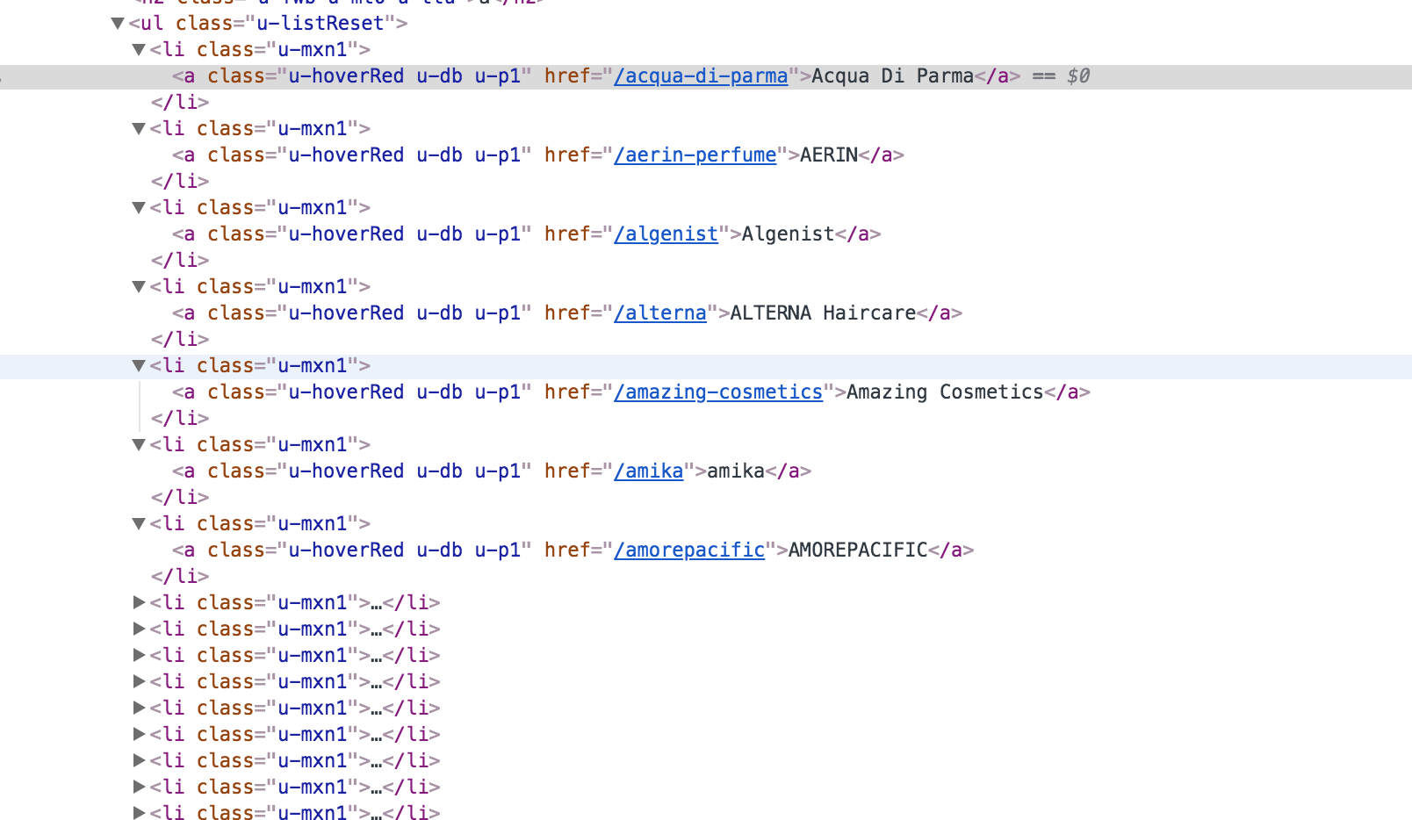

https://www.sephora.com/clinique?products=all&pageSize=-1
a.u-size1of4.SkuItem.SkuItem--135
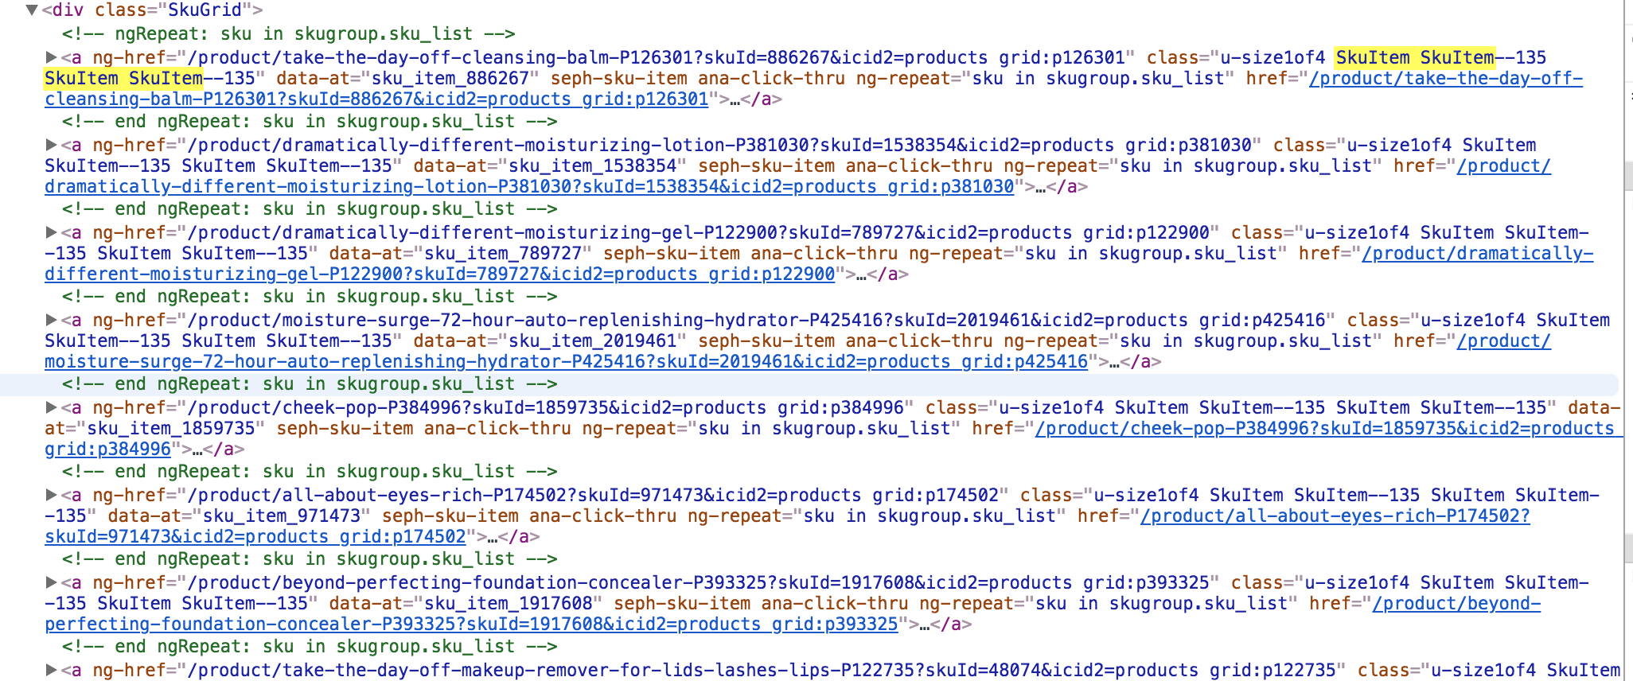

https://www.sephora.com/product/take-the-day-off-cleansing-balm-P126301?skuId=886267&icid2=products%20grid:p126301
find_all('div',{'data-comp':'Price Box'})
find_all('image',{'style':'mask: url(#heroHoverMediaMask)'})
product_image_url[0].get('xlink:href')

belk_raw
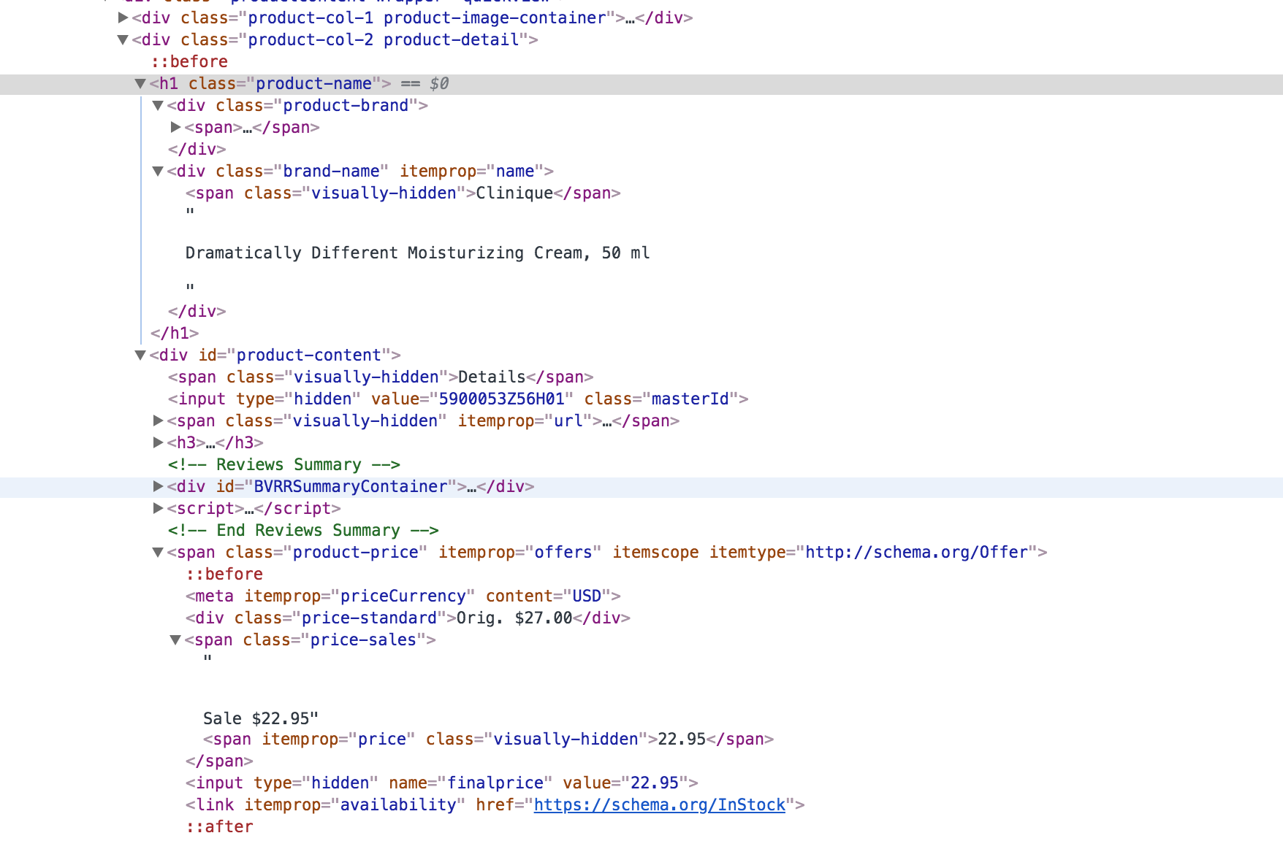
Here I only give some examples descripting the process of how we get data

https://www.belk.com/beauty/
div.refinement.brand
a.refinement-link
href
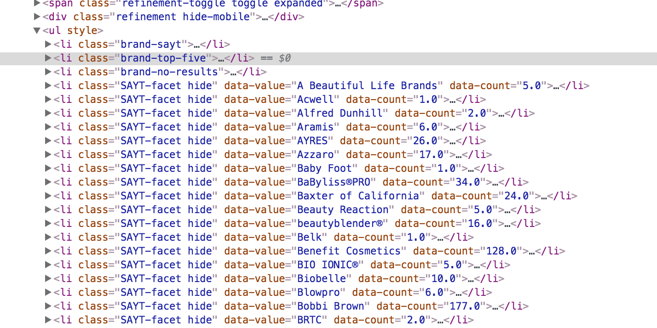

https://www.belk.com/beauty/?prefn1=brand&pmin=0&prefv1=Clinique

https://www.belk.com/beauty/?prefn1=brand&pmin=0&prefv1=Clinique
a.product-link

div.pagination

div.brand-name
span.visually-hidden
div.standardprice
span.price-sales
a.hide-mobile.breadcrumb-element

