Sample Batch Report
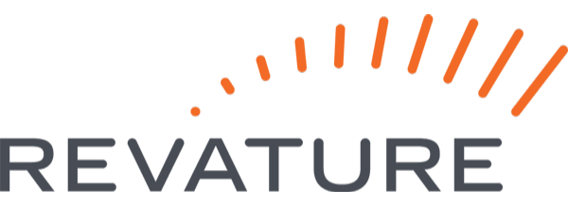 QC Survey Batch Report

Year |  | 2021 |  | Quarter |  |  |  | As of 11/16/2021
Batch |  |  |  | Location

Highlevel View
Week | Total Responses | Satisfaction Rating (5) | Materials Helpful (5) | Well-organized (5) | Questions encouraged (5) | Met expectations (5) | Topic understanding (5) | Pace of Training(-1:1) | One-on-one/Assessment conducted
Week 1 | 24 | 4.33 | 4.54 | 4.38 | 4.42 | 4.21 | 4.13 | 0.04 | 50.0%
Week 2 | 19 | 4.32 | 4.26 | 4.32 | 4.26 | 4.47 | 4.26 | 0.05 | 84.2%
Week 3 | 14 | 4.21 | 4.50 | 4.07 | 4.29 | 4.00 | 3.71 | 0.07 | 85.7%
Week 4 | 16 | 4.00 | 4.19 | 4.13 | 4.19 | 4.13 | 3.94 | 0.06 | 62.5%
Week 5 | 19 | 4.21 | 4.37 | 4.37 | 4.37 | 4.32 | 4.00 | 0.05 | 63.2%
Week 6 | 17 | 4.24 | 4.29 | 4.06 | 4.06 | 4.24 | 3.94 | 0.00 | 70.6%
Week 7 | 16 | 4.44 | 4.50 | 4.25 | 4.50 | 4.56 | 4.13 | 0.13 | 62.5%

Batch Background

Came from RevPro | Previous technical Experience (5) |  | Computer Science | STEM | Non-STEM
50.00% | 3.29 |  | 16 | 5 | 0

Project Feedback

 |  |  | Number of Replies | Clear Expectations | Well Prepared
 |  | Week 8 | 16 | 4.31 | 4.25
 |  | Week 9 | 18 | 4.22 | 4.28

