Layout guidlines
Layout guidelines for PCB built for AWR1843 board

PCB Stackup
The stack up used on the TI EVM board (AWR1843BOOST ) is shown below.

Layer1 | Used for 80 Ghz RF lines and impedance controlled lines. The GND reference is L2 layer separated by the Rogers 4835 4mils Low Pro dielectric.
Layer2 | Solid GND layer
Layer3 | Digital signal routing + GND
Layer4 | Power and signal routing
Layer5 | Solid GND layer
Layer6 | Power and signal routing

RF traces
Impedance control | The TX and RX RF traces need to be 50ohms impedance controlled at 80Ghz frequency with +-10% tolerance.
 | A coplanar wave structure is used on layer 1 (referenced to layer 2) for impedance control
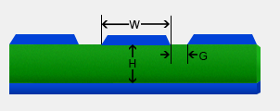
 | W=7.08 mils
 | H = 4mils
 | G= 8mils
 | Dielectric constant = 3.66

TX and RX traces | The TX1/TX2/TX3 traces should be length matched . The traces should be as symmetric as possible, with no sharp bends , to reduce phase mismatch
 | The RX1/RX2/RX3/RX4 traces should be length matched . The traces should be as symmetric as possible, with no sharp bends , to reduce phase mismatch
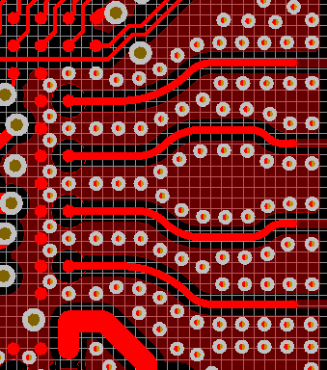
RF trace
GND via fencing.

Ref GND plane | The layer one is referenced to Layer2 GND. There should be continuous GND planes on the Layer 2 below the RF traces. ONLY below the RF balls in the AWR1642 device the L2 layer has a 15.8mil diameter opening. Below this opening the Layer 3 should be solid GND
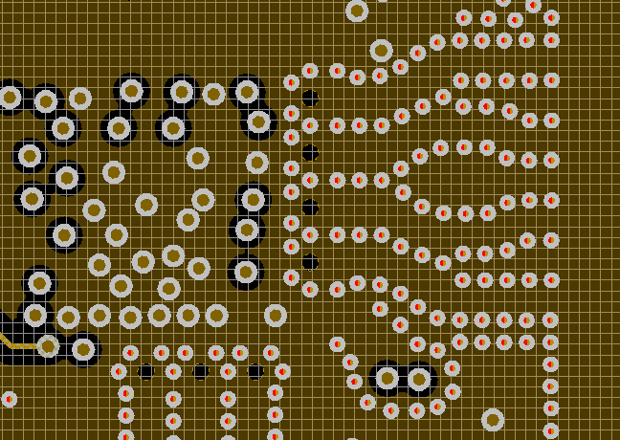
L2 layer opening just below the RF device bal. Diameter is 15.8
mils

Power management
1.8V supply domain | The supply routing from LDO output to the AWR device should have a resistance of <50mohms to reduce IR drop. The Vias on the path should also be accounted for and they should be able to handle >1A current

 | Decap placement | The decaps on the VIN_18BB , VIN_18VCO and VIN_18CLK pins should be as close to the AR device as possible for effective decoupling. The traces to the VIN_18VCO and VIN_18CLK pins are taken from separate vias to reduce the coupling between them
 | The GND vias of the decoupling capacitors should be separate for each supply pin, not connected together . Avoid connecting the to the GND pour on the top or bottom layer, have only the via connection to dedicated GND layers in the PCB.
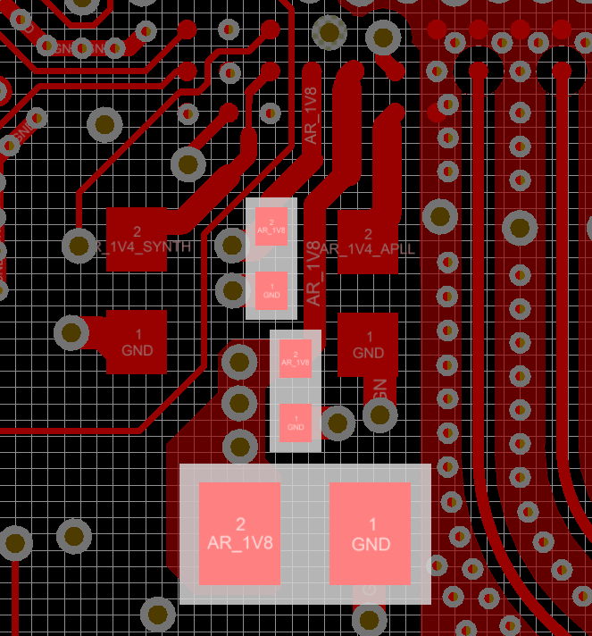
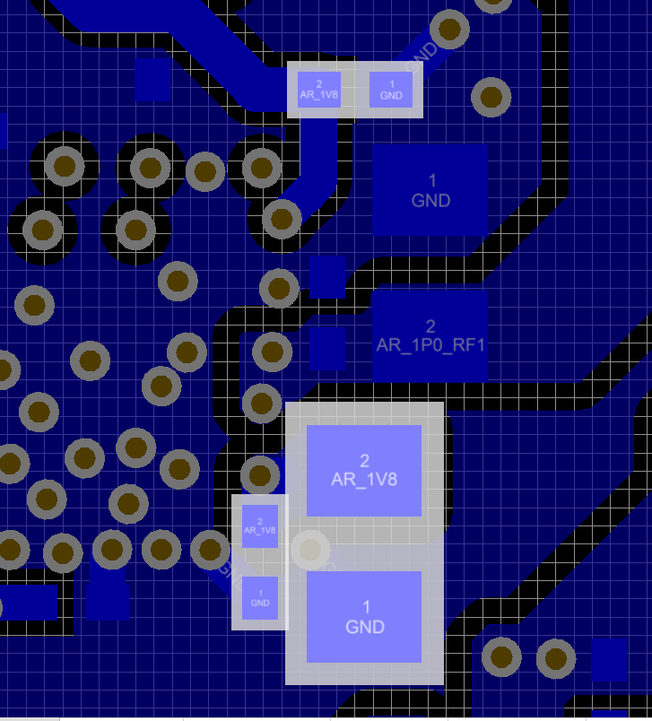
Decap on VIN_18BB

Decap on VIN_18VCO

Decap on VIN_18CLK
All decaps have seperate vias to GND plane and not connected to the GND pour on top layer.

RF1 supply domain | The supply routing from LDO output to the AWR device should have a resistance of <30mohms to reduce IR drop. The Vias on the path should also be accounted for and they should be able to handle >1A current

 | Decap placement | the decaps on the VIN_13RF1 pins should be as close to the AWR device as possible

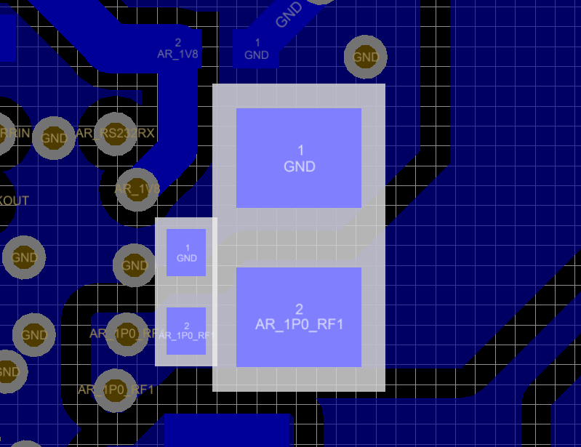

Decap on VIN_13RF1

RF2 supply domain | The supply routing from LDO output to the AWR device should have a resistance of <30mohms to reduce IR drop. The Vias on the path should also be accounted for and they should be able to handle >1A current

 | Decap placement | the decaps on theVIN_13RF2 pins should be as close to the AWR device as possible
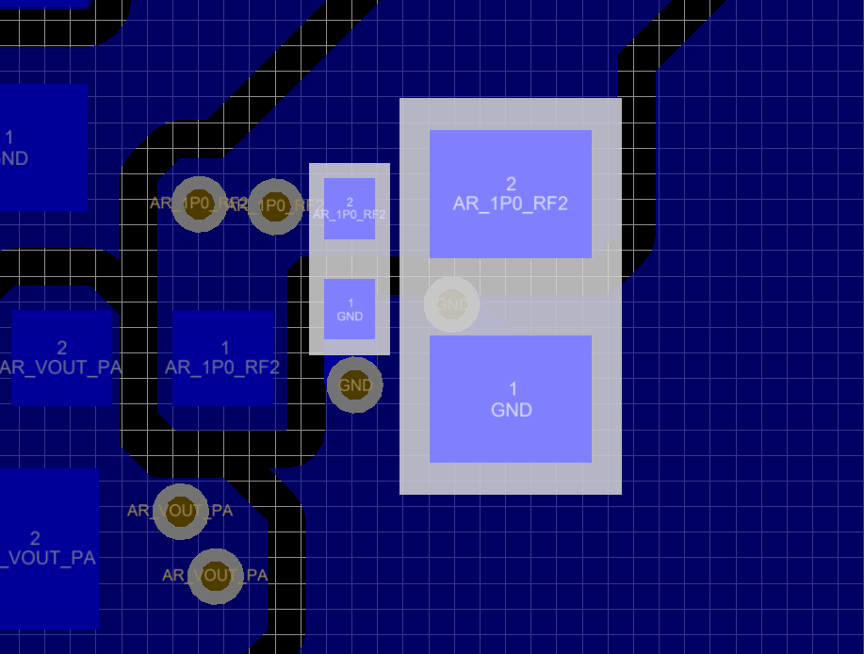

Decap on VIN_13RF2

VOUT_14SYNTH output decap | The output caps should be placed very close to the AWR device to provide LDO stability and effective filtering.
VOUT_14APLL output decap | The GND vias of the decoupling capacitors should be separate for each supply pin, not connected together . Avoid connecting the to the GND pour on the top or bottom layer, have only the via connection to dedicated GND layers in the PCB.
AR_VBGAP
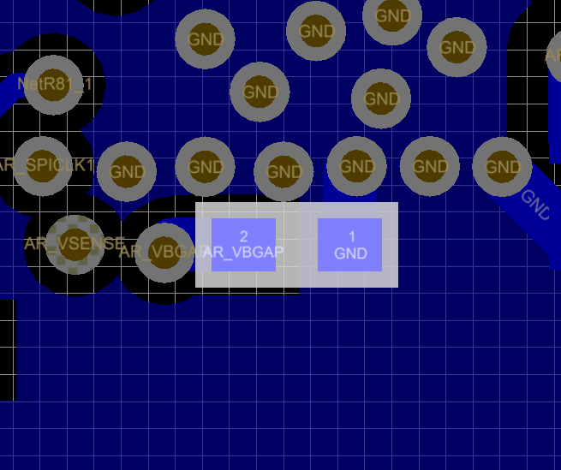
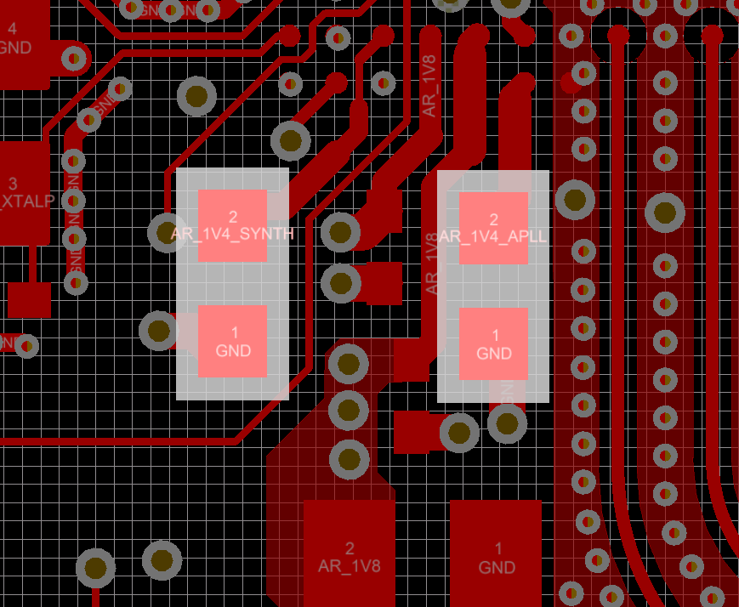

Decap on VOUT_14SYNTH

Decap on VOUT_14APLL
Decap on VBGAP

All decaps have seperate vias to GND plane and not connected to the GND pour on top layer.

40Mhz Clock
The 40Mhz XTAL should be placed as close as possible to the AWR device to reduce the parasitic trace capacitance and avoid noise coupling from other components. The XTAL_P and XTAL_M lines are recommended to be shielded wit h GND trace to avoid coupling

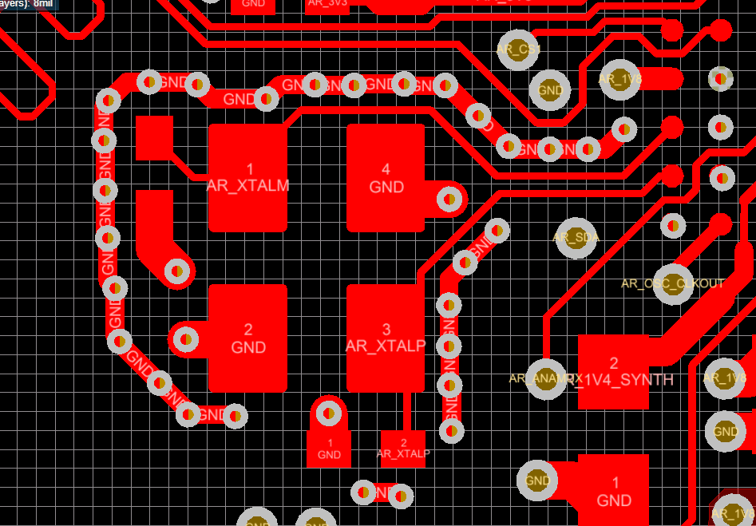

GND shield around the XTALP/XTALM lines

40 MHZ XTAL placement

High speed data lines
AWR1843 has 4 pairs of high speed LVDS lines
The High speed LVDS lines should be 100 ohms differential impedance controlled traces. Avoid vias on the path to reduce impedance discontinuity
The lengths of the all these lines should be tightly matched to each other (<50 mils mismatch between pairs and <10mils mismatch between P and N lines) to reduce delay mismatch and enable proper data communication

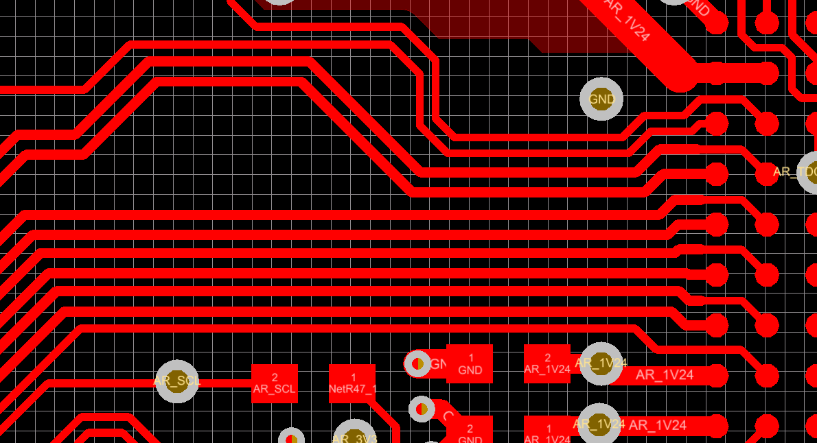

LVDS differential traces.

GND isolation
Sensitive analog circuitry like the XTAL , APPL, Synth, VCO, VCLK BGAP etc. are susceptible to on board noise and hence need to be protected from other noise injectors present on the PCB
The most common point of noise injection happens in the decap grounds. Separating ground return paths of "noisy" decaps from the sensitive decaps of XTAL , Synth, VCO, APLL ,VCLK and BGAP helps preventing noise injection
On the EVM , for example, the Switcher input and output decap grounds are disconnected in Layer 2 using ground cuts (see image below). The AWR device ground currents would be mostly in L2 since the decaps are placed on top. This prevents the switcher ground currents from interacting with the radar device ground currents
There is also a GND cut around the XTAL the prevent the return currents from the switcher interfering with the XTAL GND.
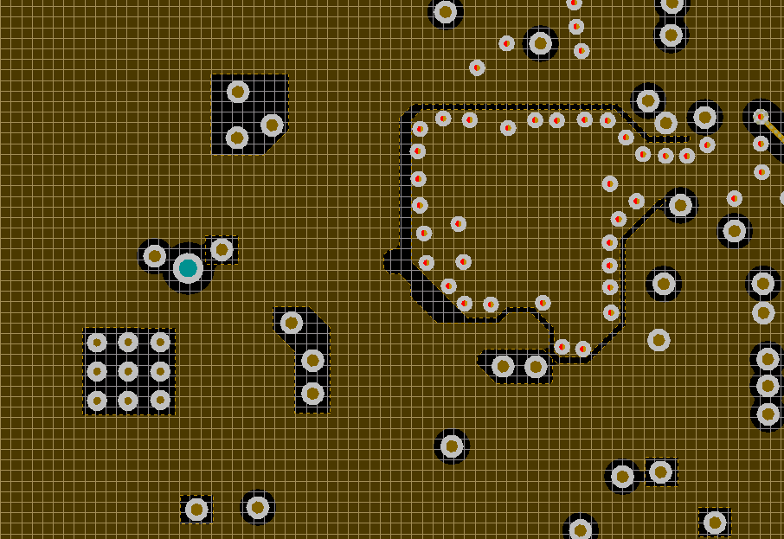
L2 layer GND cut around the XTAL

L2 layer GND cuts for the switcher decaps to restrict the switcher GND current to L5

If there are other components on the PCB that could act as noise aggressors similar care needs to be taken with them as well. One common example is if a switching supply and AWR supply decap/filter are on the same layer, the grounds for the switching supply should be isolated from the decap/filter grounds.

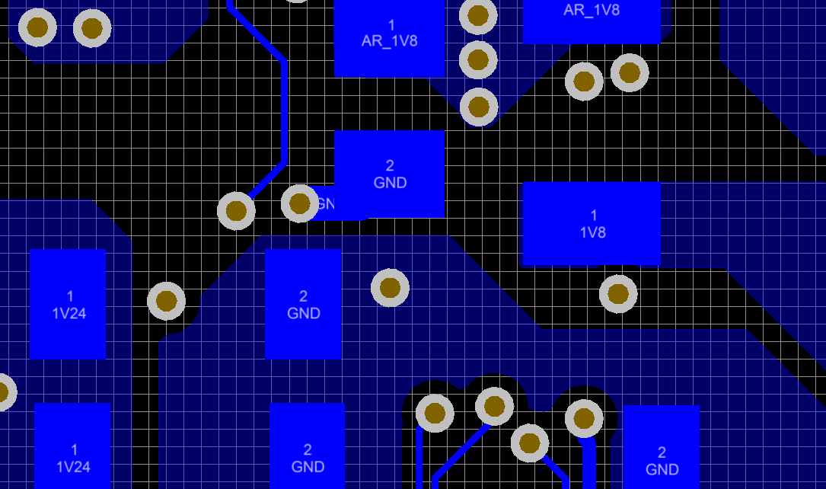

Same layer switching ground and supply filter
isolation

A ground cut can be placed between the AWR device ground and the switching supply for additional isolation. Special care should be taken so that this ground cut does not interfere with any of the return paths for AWR signal traces.

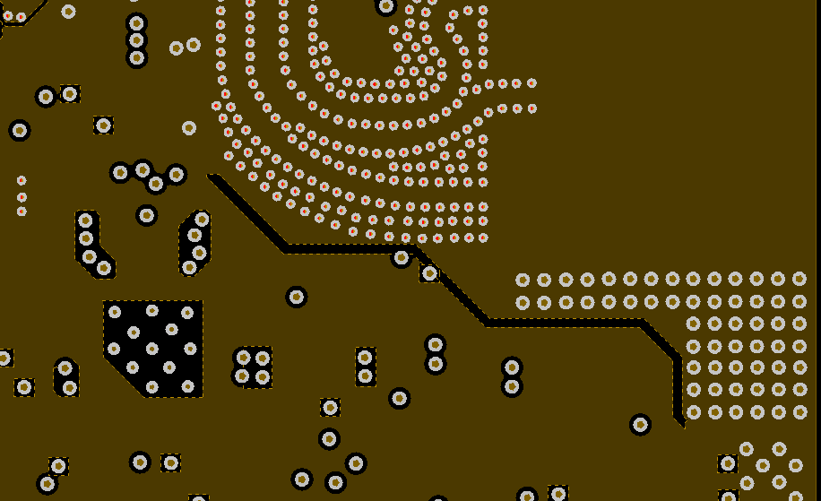
AWR device

Ground cut between AWR device and swtiching supply on AWR device ground layer

Switching supply

External LDO Supply on RF Power Rails

The large current transients on the RF power rails when the transmitters switch on and off between chirps can result in voltage transients on the output of the external supply to the RF power rails, particularly when using an LDO to supply the RF power rails.
This effect can be mitigated by adding an optional LDO bleed resistor on the LDO output to reduce the current/voltage transients, at the expense of increased power consumption during idle periods.
This resistor can be left DNP by default and then adjusted based on use case requirements.
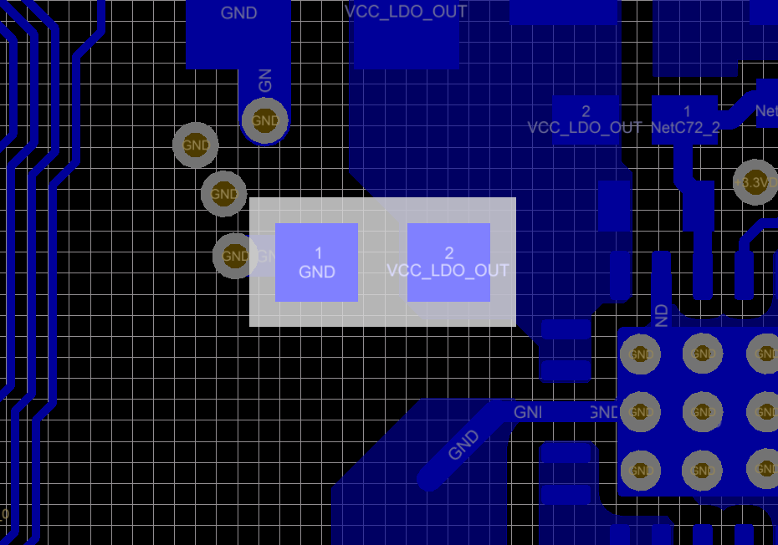

Bleed resistor on 1V LDO output

Digital IO
The SPI interface lines (SPI CLK , MOSI , MISO, SPI_CS, HOST_INTR) should be length matched (<200 mils mismatch) to enable 40Mhz data rate.

The digital interface lines like SPI, UART, should be routed away from the critical analog signals

The Trace and the DMM interface lines (referred to as DP lines in the pinmux) is a parallel bus of 16 data lines and a CLK line. This bus operates at a max speed of 100Mhz. Hence these lines should be length matched to each other within 0.5 inch delta.
Keep the trace length to the trace or DMM connecter < 3 inch to limit the load capacitance on the driver.
Recommended to place 20 ohms series source termination resisters close to signal source IC. I.e. incase of TRACE place it close to AWR1843 device since this would be output from AR device. In case of DMM place it close to DMM data feed connector since these signals would be input to the AR device..

Thermal heat dissipation

The PCB should be designed to dissipate ~2.5W of power from the AR device (assuming 50% duty cycle).
GND layers should be maximized to enable heat dissipation from the PCB
The GND layer should be well connected using lot of though hole vias to transfer the heat from one layer to the other

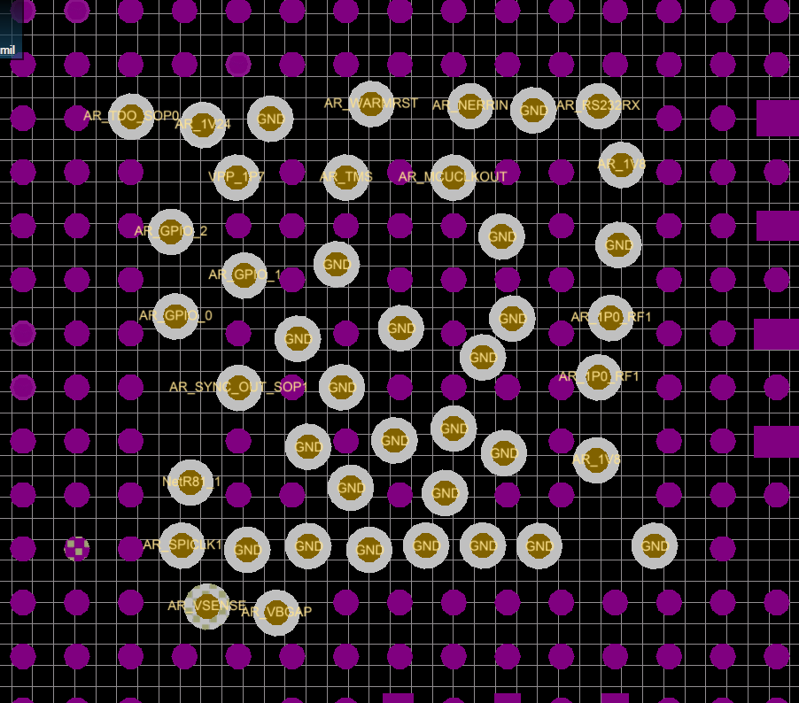

GND vias under the AR device to help heat dissipation. > 17 vias just below the device.

PCB design rules
Its recommended to work with your PCB manufacture to confirm the design rules that they can support for mass production. The rules following on the TI EVM are

Min track width | 4 mils
Min copper spacing | 4 mils
Through hole via dimensions | 12.2 mils drill 22.4 mils pad
Blind via dimensions (L1 - L2) | 5.9 mils drill 13.77 mils pad
Different net via-via spacing (center to center) | 39 mils

mmWave Studio interface
If you would like to interface your board to the mmWave Studio tool and analyze ADC data capture using the TSW1400 please provide the following provisions. For use with the DCA1000 only the J1 connector is required.

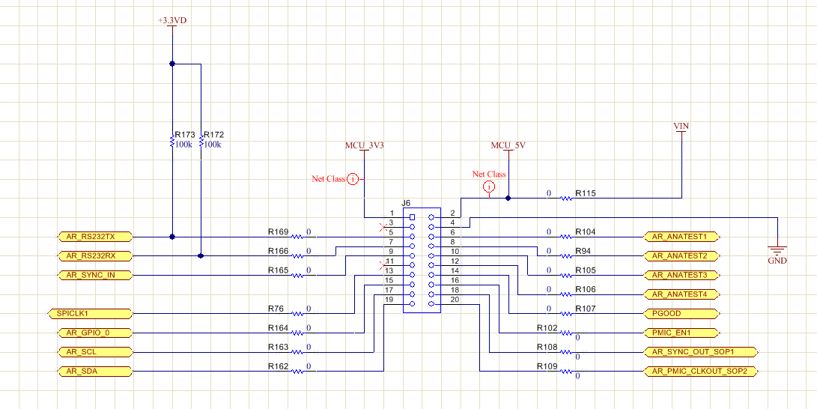
Interface to the J5 & J6 connectors on the MMWAVE-DEVPACK
signals required | Connection | Connection on Dev Pack connector
RS232RX | Connect to RS232RX pin of AWR device | J6 , pin 7
RS232TX | Connect to RS232TX pin of AWR device | J6 , pin 5
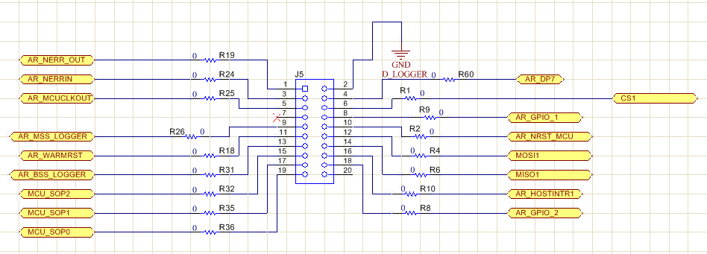
PGOOD 3V3 | Connect to the 3.3VIO supply of the AWR device | J6, pin 14
SOR1 | Connect to PMIC_CLKOUT /SOP2 pin (P13) of AWR device via series 47K resister | J6, pin 15
SOR2 | Connect to SYNC OUT / SOP1 pin of AWR device (P11) via series 47K resister | J5, pin 17
SOR3 | Connect to TDO/SOP0 pin of AWR device (J13) via series 47K resister | J5, pin 19
SPI_CLK | Connect to SPICLK pin of AWR device | J6 , pin 13
SPI_CS | Connect to SPI CS pin of AWR device | J5, pin 6
SPI_MOSI | Connect to SPI MOSI pin of AWR device | J5, pin 12
SPI_MISO | Connect to SPI MISO pin of AWR device | J5, pin 14
HOST INTR | Connect to HOST INTR pin of AWR device | J5, pin 16
nReset | Connect to nReset signal pin of AWR device | J5, pin 10

Interface to the J1 connectors on the MMWAVE_DEVPACK/DCA1000
signals required | Connection | Connection on Dev Pack connector
LVDS_FRCLKP | Connect to LVDS_FRCLKP pin of the AWR device | J1, pin 26
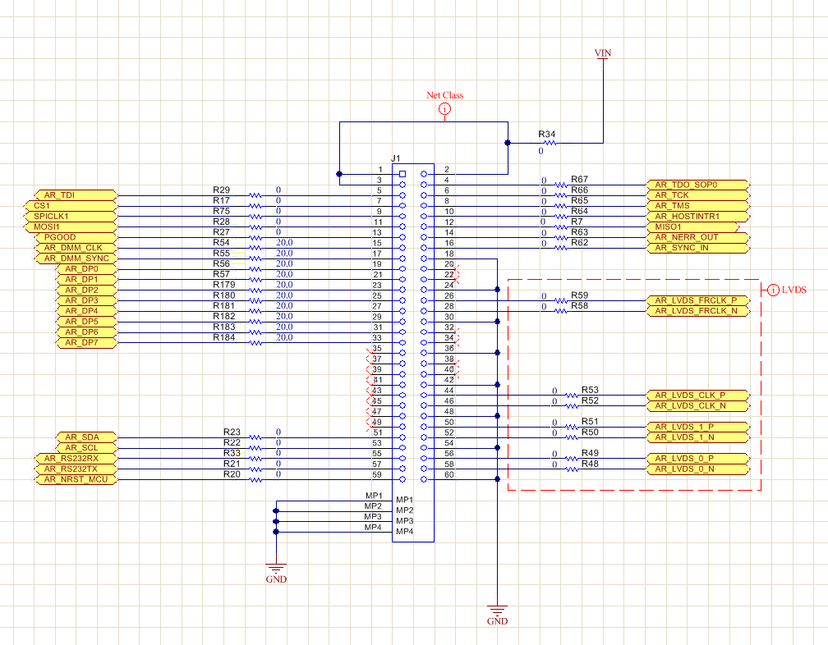
LVDS_FRCLKM | Connect to LVDS_FRCLKM pin of the AWR device | J1, pin 28
LVDS_CLKP | Connect to LVDS_CLKP pin of the AWR device | J1, pin 44
LVDS_CLKM | Connect to LVDS_CLKM pin of the AWR device | J1, pin 46
LVDS_1P | Connect to LVDS_TXP_1 pin of the AWR device | J1, pin 50
LVDS_1M | Connect to LVDS_TXM_1 pin of the AWR device | J1, pin 52
LVDS_0P | Connect to LVDS_TXP_0 pin of the AWR device | J1, pin 56
LVDS_0M | Connect to LVDS_TXM_0 pin of the AWR device | J1, pin 58
CS1 | Connect to SPI_CS_1 of the AWR device | J1, pin 7
SPICLK1 | Connect to SPI_CLK_1 of the AWR device | J1, pin 9
MOSI1 | Connect to MOSI_1 of the AWR device | J1, pin 11
MISO1 | Connect to MISO_1 of the AWR device | J1, pin 12
PGOOD | Connect to IO supply of the AWR device | J1, pin 13
AR_HOSTINTR1 | Connect to SPI_HOST_INTR_1 of the AWR device | J1, pin 10
NRST | Connect to nRESET of the AWR device | J1, pin 59

