change
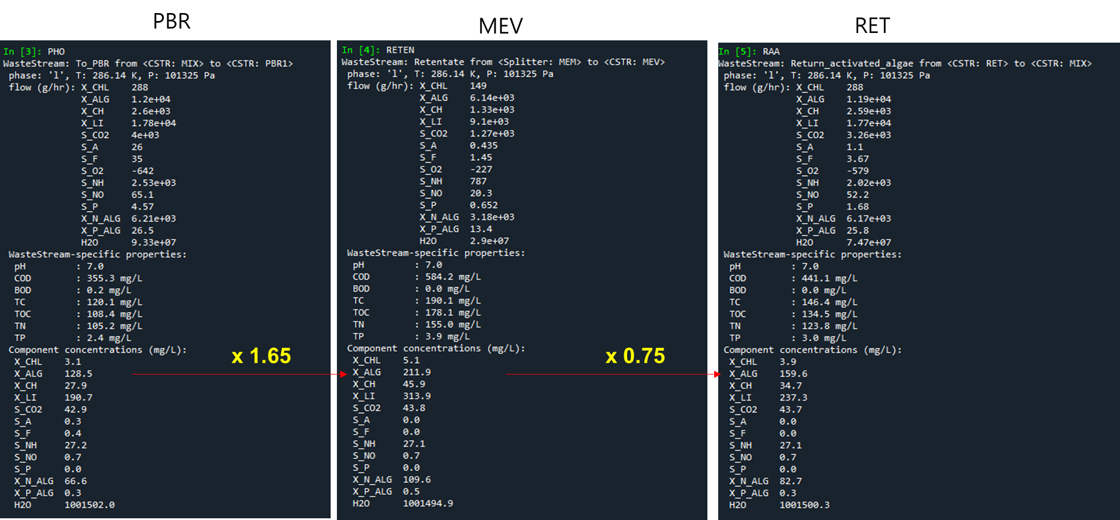
 | at Day0 (2022-03-12 12:00:00 AM)

nh4_inf | 35.80
po4_inf | 0.36
no3_inf | 0.70 |  |  | g TSS/m3 | VSS
tss_ret | 614.58 | g COD/m3 |  | 450.98721625 | 401.37862246
do_postpbr | 0.00

 | X_CHL | X_ALG | X_CH | X_LI | S_CO2 | S_A | S_F | S_O2 | S_NH | S_NO | S_P | X_N_ALG | X_P_ALG
MIX | 1.86 | 372.67 | 16.93 | 69.07 | 30.00 | 5.00 | 5.00 | 5.00 | 35.80 | 0.70 | 0.36 | 2.38 | 0.14
PBR | 1.86 | 372.67 | 16.93 | 69.07 | 30.00 | 5.00 | 5.00 | 5.00 | 35.80 | 0.70 | 0.36 | 2.38 | 0.14
MEV | 3.07 | 614.91 | 27.94 | 113.97 | 30.00 | 5.00 | 5.00 | 5.00 | 35.80 | 0.70 | 0.36 | 3.93 | 0.23
RET | 2.31 | 461.18 | 20.95 | 85.48 | 30.00 | 5.00 | 5.00 | 5.00 | 35.80 | 0.70 | 0.36 | 2.94 | 0.17

 | X_ALG * 0.005 |  |  |  | arbitrary | arbitrary | arbitrary | arbitrary
 | 0.50%

Assumptions
algae (g COD/m3) | algae(g TSS/m3) |  | nitrogen (%) |  | phosphorus(%)
614.58 | 450.98721625 |  | 9.00% |  | 1.70%

 |  | 15% |  | 56% |  | 15%
 |  | total carbohydrate |  | total protein |  | total lipid |  | X_CH_min | X_CH | X_CH(g COD/m3) |  | X_LI_min | X_LI | X_LI(g COD/m3) | X_ALG | X_ALG(g COD/m3)

 | 0 | 67.648082438 |  | 252.5528411 |  | 67.648082438 |  | 47.985039809 | 19.663042629 | 20.954913016 |  | 37.882926165 | 29.765156273 | 85.478020426 | 338.42080708 | 461.18314969

 |  |  |  |  |  |  |  |  |  |  |  |  |  |  |  |  | VSS
 |  | total nitrogen |  | biomass N |  | X_N_ALG | Q_N |  |  | 19.663042629 |  |  |  | 29.765156273 |  | 338.42080708 | 390.96725971
 |  | 40.588849463 |  | 37.64499696 |  | 2.9438525028 | 0.088383261194

 |  | total phosphorus |  | biomass P |  | X_P_ALG | Q_P
 |  | 7.6667826763 |  | 7.4923814499 |  | 0.17440122639 | 0.016378160448

cali period
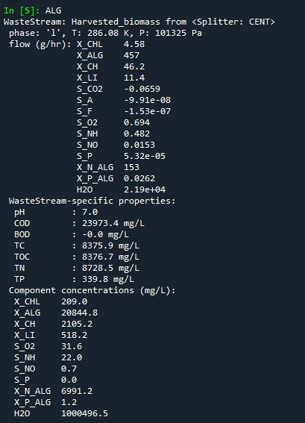
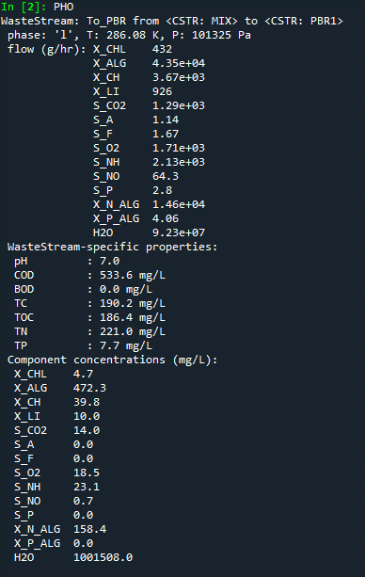
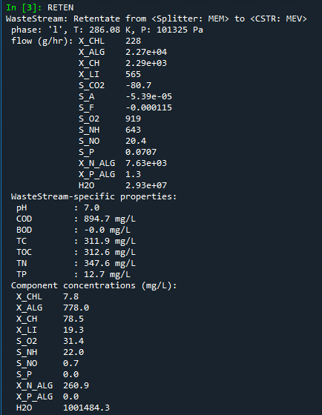
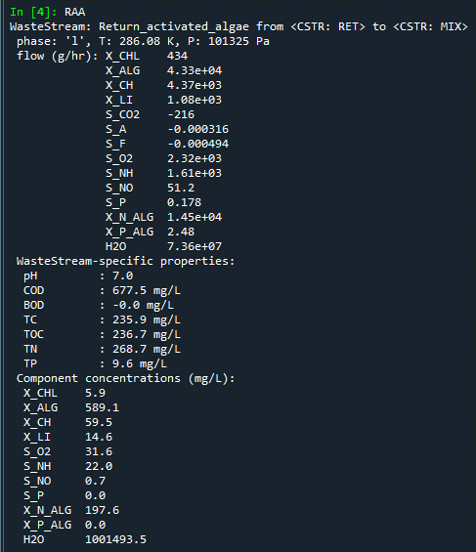
 | at Day5
 |  |  |  |  |  |  |  |  |  |  |  |  |  |  |  |  |  | PBR | MEV | RET
nh4_inf | 35.804091779
po4_inf | 0.35744153756
no3_inf | 0.7 |  |  | g TSS/m3 | VSS
tss_ret | 845.53361404 | g COD/m3 |  | 620.46102132 | 552.21030897
do_postpbr

 | X_CHL | X_ALG | X_CH | X_LI | S_CO2 | S_A | S_F | S_O2 | S_NH | S_NO | S_P | X_N_ALG | X_P_ALG
MIX | 2.53 | 505.97 | 22.99 | 93.78 | 30.00 | 5.00 | 5.00 | 5.00 | 35.804091779 | 0.7 | 0.35744153756 | 3.23 | 0.19
PBR | 2.53 | 505.97 | 22.99 | 93.78 | 30.00 | 5.00 | 5.00 | 5.00 | 35.804091779 | 0.7 | 0.35744153756 | 3.23 | 0.19
X 1.65
MEV | 4.17 | 834.85 | 37.93 | 154.74 | 30.00 | 5.00 | 5.00 | 5.00 | 35.804091779 | 0.7 | 0.35744153756 | 5.33 | 0.32
X 0.76
X 35.4
RET | 3.17 | 634.49 | 28.83 | 117.60 | 30.00 | 5.00 | 5.00 | 5.00 | 35.804091779 | 0.7 | 0.35744153756 | 4.05 | 0.24

 | X_ALG * 0.005 |  |  |  | arbitrary | arbitrary | arbitrary | arbitrary
 | 0.50%

Assumptions
algae (g COD/m3) | algae(g TSS/m3) |  | nitrogen (%) |  | phosphorus(%)
845.53361404 | 620.46102132 |  | 9.00% |  | 1.70%

 |  | 15% |  | 56% |  | 15%
 |  | total carbohydrate |  | total protein |  | total lipid |  | X_CH_min | X_CH | X_CH(g COD/m3) |  | X_LI_min | X_LI | X_LI(g COD/m3) | X_ALG | X_ALG(g COD/m3)

 | 0 | 93.069153198 |  | 347.45817194 |  | 93.069153198 |  | 66.017052668 | 27.05210053 | 28.82943521 |  | 52.118725791 | 40.950427407 | 117.59929759 | 465.5939504 | 634.48842398

 |  |  |  |  |  |  |  |  |  |  |  |  |  |  |  |  | VSS
 |  | total nitrogen |  | biomass N |  | X_N_ALG | Q_N |  |  | 27.05210053 |  |  |  | 40.950427407 |  | 465.5939504 | 537.8865221 |  |  |  | Q_INF | 449.06
 |  | 55.841491919 |  | 51.791386584 |  | 4.0501053348 | 0.088383261194
 |  |  |  |  |  |  |  |  |  |  |  |  |  |  |  |  |  |  |  |  |  | 0.0011716919788 | (used for SCADA yield calc.)

 |  | total phosphorus |  | biomass P |  | X_P_ALG | Q_P
 |  | 10.547837362 |  | 10.307898936 |  | 0.23993842651 | 0.016378160448

