change
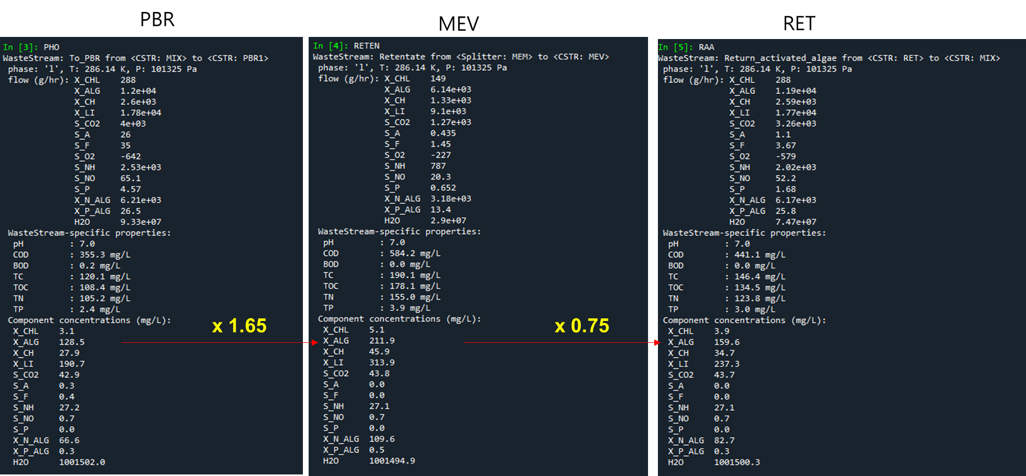
 | at Day0 (2022-03-12 12:00:00 AM)

nh4_inf | 35.80
po4_inf | 0.36
no3_inf | 0.70 |  |  | g TSS/m3 | VSS
tss_ret | 614.58 | g COD/m3 |  | 450.98721625 | 401.37862246
do_postpbr | 0.00

 | X_CHL | X_ALG | X_CH | X_LI | S_CO2 | S_A | S_F | S_O2 | S_NH | S_NO | S_P | X_N_ALG | X_P_ALG
MIX | 1.86 | 372.67 | 16.93 | 69.07 | 30.00 | 5.00 | 5.00 | 5.00 | 35.80 | 0.70 | 0.36 | 2.38 | 0.14
PBR | 1.86 | 372.67 | 16.93 | 69.07 | 30.00 | 5.00 | 5.00 | 5.00 | 35.80 | 0.70 | 0.36 | 2.38 | 0.14
MEV | 3.07 | 614.91 | 27.94 | 113.97 | 30.00 | 5.00 | 5.00 | 5.00 | 35.80 | 0.70 | 0.36 | 3.93 | 0.23
RET | 2.31 | 461.18 | 20.95 | 85.48 | 30.00 | 5.00 | 5.00 | 5.00 | 35.80 | 0.70 | 0.36 | 2.94 | 0.17

 | X_ALG * 0.005 |  |  |  | arbitrary | arbitrary | arbitrary | arbitrary
 | 0.50%

Assumptions
algae (g COD/m3) | algae(g TSS/m3) |  | nitrogen (%) |  | phosphorus(%)
614.58 | 450.98721625 |  | 9.00% |  | 1.70%

 |  | 15% |  | 56% |  | 15%
 |  | total carbohydrate |  | total protein |  | total lipid |  | X_CH_min | X_CH | X_CH(g COD/m3) |  | X_LI_min | X_LI | X_LI(g COD/m3) | X_ALG | X_ALG(g COD/m3)

 | 0 | 67.648082438 |  | 252.5528411 |  | 67.648082438 |  | 47.985039809 | 19.663042629 | 20.954913016 |  | 37.882926165 | 29.765156273 | 85.478020426 | 338.42080708 | 461.18314969

 |  |  |  |  |  |  |  |  |  |  |  |  |  |  |  |  | VSS
 |  | total nitrogen |  | biomass N |  | X_N_ALG | Q_N |  |  | 19.663042629 |  |  |  | 29.765156273 |  | 338.42080708 | 390.96725971
 |  | 40.588849463 |  | 37.64499696 |  | 2.9438525028 | 0.088383261194

 |  | total phosphorus |  | biomass P |  | X_P_ALG | Q_P
 |  | 7.6667826763 |  | 7.4923814499 |  | 0.17440122639 | 0.016378160448

half_vali(25-50)
 | at day 25

nh4_inf | 33.857021582
po4_inf | 0.47520980408
no3_inf | 3.46 |  |  | g TSS/m3 | VSS
tss_ret | 868.63794789 | g COD/m3 |  | 637.41521254 | 567.29953916
do_postpbr | 3.4078198951E-05

 | X_CHL | X_ALG | X_CH | X_LI | S_CO2 | S_A | S_F | S_O2 | S_NH | S_NO | S_P | X_N_ALG | X_P_ALG
MIX | 2.60 | 519.80 | 23.62 | 96.34 | 30.00 | 5.00 | 5.00 | 5.00 | 33.857021582 | 3.46 | 0.47520980408 | 3.32 | 0.20
PBR | 2.60 | 519.80 | 23.62 | 96.34 | 30.00 | 5.00 | 5.00 | 5.00 | 33.857021582 | 3.46 | 0.47520980408 | 3.32 | 0.20
MEV | 4.29 | 857.67 | 38.97 | 158.96 | 30.00 | 5.00 | 5.00 | 5.00 | 33.857021582 | 3.46 | 0.47520980408 | 5.47 | 0.32
RET | 3.26 | 651.83 | 29.62 | 120.81 | 30.00 | 5.00 | 5.00 | 5.00 | 33.857021582 | 3.46 | 0.47520980408 | 4.16 | 0.25

 | X_ALG * 0.005 |  |  |  | arbitrary | arbitrary | arbitrary | arbitrary
 | 0.50%

Assumptions
algae (g COD/m3) | algae(g TSS/m3) |  | nitrogen (%) |  | phosphorus(%)
868.63794789 | 637.41521254 |  | 9.00% |  | 1.70%

 |  | 15% |  | 56% |  | 15%
 |  | total carbohydrate |  | total protein |  | total lipid |  | X_CH_min | X_CH | X_CH(g COD/m3) |  | X_LI_min | X_LI | X_LI(g COD/m3) | X_ALG | X_ALG(g COD/m3)
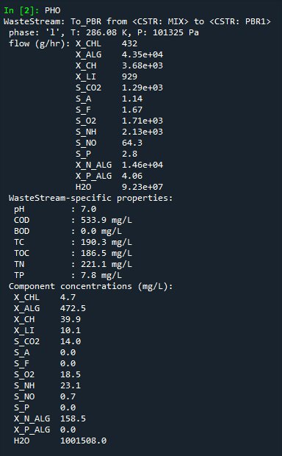
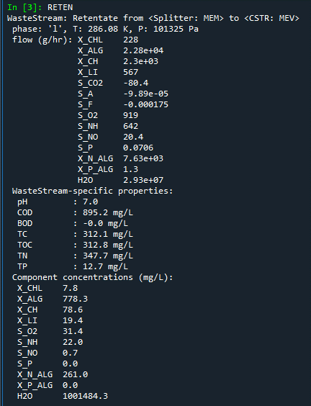
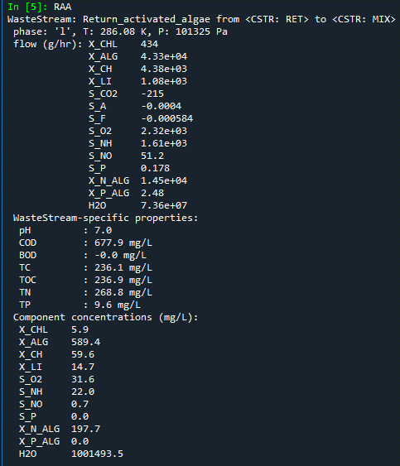
 | 0 | 95.612281882 |  | 356.95251902 |  | 95.612281882 |  | 67.820978615 | 27.791303267 | 29.617203887 |  | 53.542877854 | 42.069404028 | 120.81271618 | 478.31637549 | 651.8259161

 |  |  |  |  |  |  |  |  |  |  |  |  |  |  |  |  | VSS
 |  | total nitrogen |  | biomass N |  | X_N_ALG | Q_N |  |  | 27.791303267 |  |  |  | 42.069404028 |  | 478.31637549 | 552.58435264
 |  | 57.367369129 |  | 53.206594053 |  | 4.1607750755 | 0.088383261194

 |  | total phosphorus |  | biomass P |  | X_P_ALG | Q_P
 |  | 10.836058613 |  | 10.589563833 |  | 0.24649478029 | 0.016378160448

X 1.65
X 0.76

