NG Price
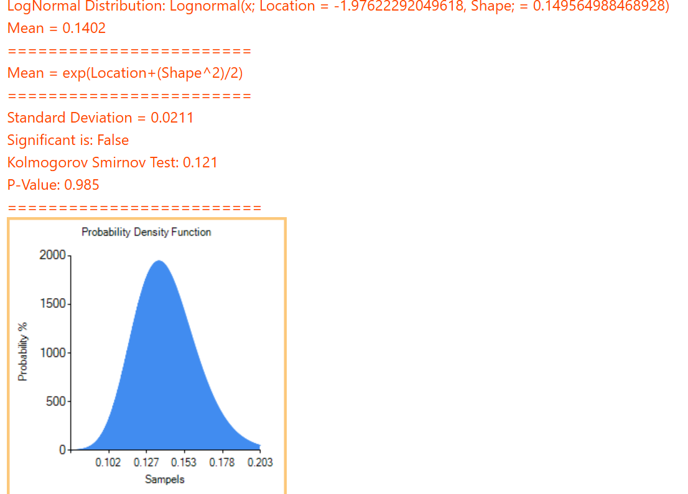
Month | $/kcuf | $/CM | $/kg
Jan | 3.71 | 0.13109540636 | 0.15813679899 | https://www.gov.uk/guidance/gas-meter-readings-and-bill-calculation#:~:text=The%20conversion%20factor%20from%20cubic,cubic%20foot%20=%200.0283%20cubic%20metres
Feb | 3.58 | 0.12650176678 | 0.15259561735 | https://www.cbs.nl/en-gb/our-services/methods/definitions/weight-units-energy#:~:text=Calculating%20weight%20from%20cubic%20metres,gas%3A%20variable%20dependent%20on%20composition.
Mar | 3.39 | 0.11978798587 | 0.14449696727
Apr | 3 | 0.10600706714 | 0.12787342236
May | 2.91 | 0.10282685512 | 0.12403721969
Jun | 2.72 | 0.096113074205 | 0.11593856961
Jul | 2.58 | 0.091166077739 | 0.10997114323
Aug | 2.85 | 0.10070671378 | 0.12147975124
Sep | 3.3 | 0.11660777385 | 0.1406607646
Oct | 3.29 | 0.11625441696 | 0.14023451986
Nov | 3.98 | 0.1406360424 | 0.169645407
Dec | 4.11 | 0.14522968198 | 0.17518658864

