Q3
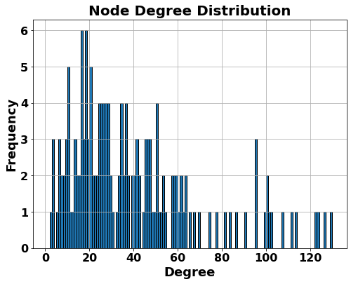

Q4
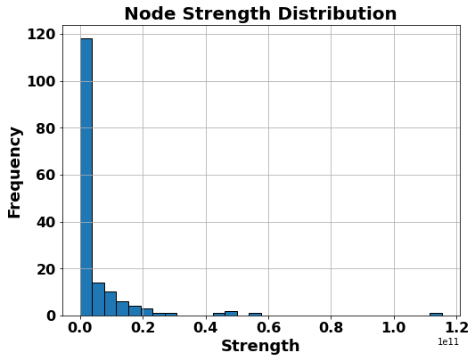

Q5
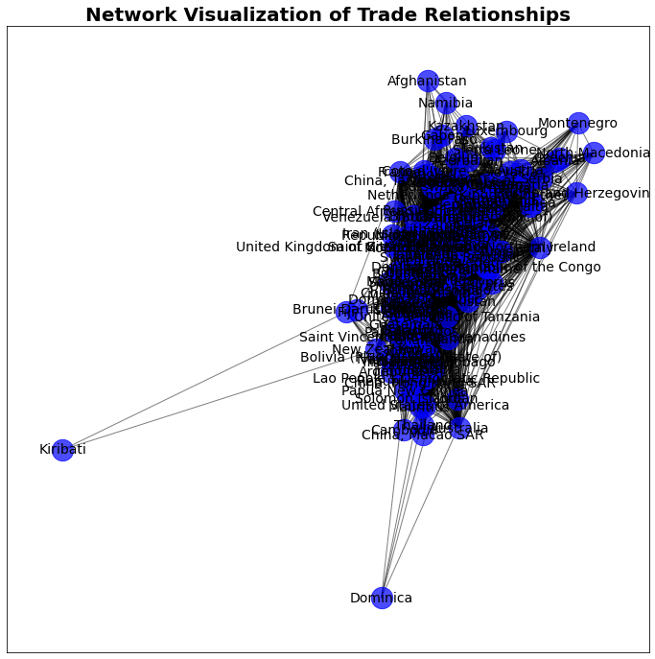
Top 10 countries by clustering:
Algeria | 0.0027774369787
Yemen | 0.0023372682026
Colombia | 0.0012553863187
Venezuela (Bolivarian Republic of) | 0.0012034924518
El Salvador | 0.0011481598429
Nicaragua | 0.0010017931196
Mexico | 0.00099469343403
Costa Rica | 0.0009771214303
Libya | 0.00088486980942
Paraguay | 0.00088277455868

Top 10 countries by betweenness centrality:
Sweden | 0.27808618012
Saudi Arabia | 0.19316770186
Switzerland | 0.18418090062
Nigeria | 0.18026009317
Croatia | 0.17368012422
Finland | 0.16847826087
France | 0.14541925466
Turkiye | 0.13951863354
Bulgaria | 0.12872670807
Thailand | 0.11211180124

