Sheet1
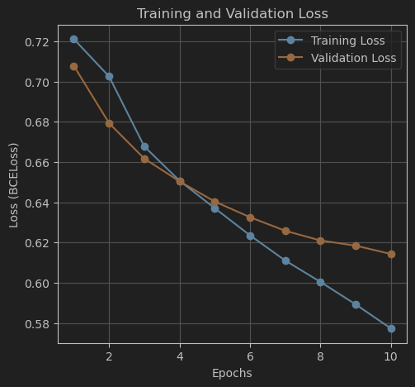
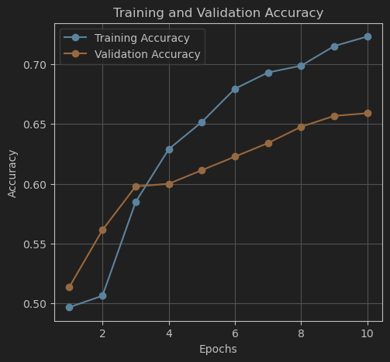
Loss |  |  | Accuracy
Training | Validation | Test | Training | Validation | Test | Training Time
0.5773 | 0.6143 | 0.598 | 0.7233 | 0.6591 | 0.701 | 50.52 sec
0.0665 | 0.9667 | 1.1359 | 1 | 0.5909 | 0.561 | 243.94 seconds
0.1711 | 0.8647 | 0.8428 | 0.9881 | 0.5818 | 0.6 | 133.94 seconds
0.9983 | 1.5662 | 0.1138 | 0.9983 | 0.5932 | 0.58 | 153.84 seconds
0.3577 | 0.6475 | 0.6159 | 0.921 | 0.6477 | 0.658 | 49.81 sec
0.5773 | 0.6143 | 0.598 | 0.7233 | 0.6591 | 0.701 | 50.52 sec
0.4798 | 0.8249 | 0.6074 | 0.7858 | 0.6841 | 0.68

