Sheet1
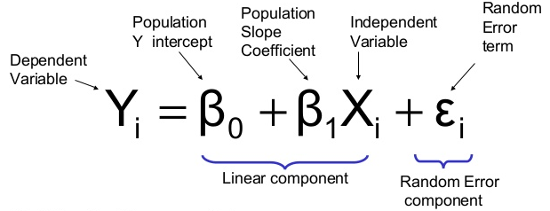
subject | age (x) | glucose level (y) | xy | x^2 | y^2
1 | 43 | 99 | 4257 | 1849 | 9801
2 | 21 | 65 | 1365 | 441 | 4225
3 | 25 | 79 | 1975 | 625 | 6241
4 | 42 | 75 | 3150 | 1764 | 5625
5 | 57 | 87 | 4959 | 3249 | 7569
6 | 59 | 81 | 4779 | 3481 | 6561
∑ | 247 | 486 | 20485 | 11409 | 40022

 |  |  |  |  |  |  | β0 | 65.14
 |  |  |  |  |  |  | β1 | 0.39

SUMMARY OUTPUT

Regression Statistics
Multiple R | 0.52980890189
R Square | 0.28069747252
Adjusted R Square | 0.10087184065
Standard Error | 10.861197655
Observations | 6

ANOVA
 | df | SS | MS | F | Significance F
Regression | 1 | 184.13754197 | 184.13754197 | 1.5609425064 | 0.279644657
Residual | 4 | 471.86245803 | 117.96561451
Total | 5 | 656

 | Coefficients | Standard Error | t Stat | P-value | Lower 95% | Upper 95% | Lower 95.0% | Upper 95.0%
Intercept | 65.141571525 | 13.445258493 | 4.8449475001 | 0.0083700029352 | 27.811549393 | 102.47159366 | 27.811549393 | 102.47159366
X Variable 1 | 0.38522498321 | 0.30833369777 | 1.2493768472 | 0.279644657 | -0.47084660272 | 1.2412965691 | -0.47084660272 | 1.2412965691

