Sheet3
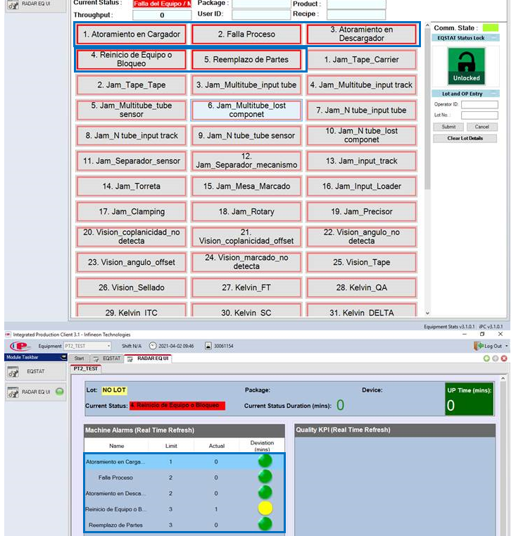

10000041 | '10000041', | OE-7 Al DCB Bonder | Wirebonder_007 | 10000323 | #N/A
10000048 | '10000048', | VLO-300-4_Terminalsoldering oven | Batchfurnace-Vacuum_004 | 10000570 | #N/A
10000323 | '10000323', | VLO-300-6_Chipsoldering oven | Batchfurnace-Vacuum_006 | 10001382 | 10000323
10000570 | '10000570', | VADU-7_Systemsoldering owen | VaDu_007 | 10001927 | 10000570
10000688 | '10000688', | VLO-300-10_Chipsoldering oven | Batchfurnace-Vacuum_010 | 10010887 | #N/A
10000839 | '10000839', | VLO-300-11_Terminal tempering oven | Batchfurnace-Vacuum_011 | 10010888 | #N/A
10000853 | '10000853', | Curing-Cabinet_005 | Batchfurnace_005 | 10010889 | #N/A
10001382 | '10001382', | HK-150_Al Systembonder (40 kHz) | Wirebonder_150 | 10010890 | 10001382
10001926 | '10001926', | HK-174_Cu Framebonder | Wirebonder_174 | 10010891 | #N/A
10001927 | '10001927', | HK-175_Al Framebonder | Wirebonder_175 | 10010892 | 10001927
10010805 | '10010805', | CERACON-499_Heating tower_IHM Hardpottin | ThermoSystem_499_Heat | 10010893 | #N/A
RADAR Machine alarms should be existing in EQ STAT. because the alarms are triggered by EQ stat button.
10010806 | '10010806', | DEK-CONVEYOR-116 | ConveyorSystem_116_Print | 10010894 | #N/A
10010887 | '10010887', | HK-249_Al Framebonder | Wirebonder_249 | 10010895 | 10010887
10010888 | '10010888', | HK-250_Cu Framebonder | Wirebonder_250 | 10011491 | 10010888
10010889 | '10010889', | HK-251_Al Framebonder | Wirebonder_251 | 10011522 | 10010889
10010890 | '10010890', | HK-252_Cu Framebonder | Wirebonder_252 | 10011523 | 10010890
10010891 | '10010891', | HK-253_Al Framebonder | Wirebonder_253 | 10011785 | 10010891
10010892 | '10010892', | HK-254_Al Wirebonder | Wirebonder_254 | 10011786 | 10010892
10010893 | '10010893', | HK-255_Al Wirebonder | Wirebonder_255 | 10011787 | 10010893
10010894 | '10010894', | HK-256_Al Wirebonder | Wirebonder_256 | 10011788 | 10010894
10010895 | '10010895', | Datacon-29_Die bonder | Diebonder_029 | 10012567 | 10010895
10010896 | '10010896', | HK-248_Al Wirebonder | Wirebonder_248 (ZLV) | 10012567 | #N/A
10011050 | '10011050', | TAIFUNCLEANER-10_(Gluing9) | Cleaner-Blower_010 | 10012568 | #N/A
10011051 | '10011051', | TAIFUNCLEANER-11 | Cleaner-Blower_011 | 10012569 | #N/A
10011491 | '10011491', | HK-257_Al Framebonder | Wirebonder_257 | 10012590 | 10011491
10011502 | '10011502', | KIHEVITO-1 Adler Gluing Heating oven | Batchfurnace_011_Glue | 10013888 | #N/A
10011522 | '10011522', | DEK-122_(DC29)_Printer | Printer_122 | 10013889 | 10011522
10011523 | '10011523', | SDCB-LOADER-4_sDCB loader (DEK-113) | Loader_113_SDCB | 10015251 | 10011523
10011549 | '10011549', | SB50 terminál hajlító | Bending_004 | 10015251 | #N/A
10011785 | '10011785', | HK-258_Al Framebonder | Wirebonder_258 | 10015263 | 10011785
10011786 | '10011786', | HK-259_Al Framebonder | Wirebonder_259 | 10015264 | 10011786
10011787 | '10011787', | HK-260_Al Framebonder | Wirebonder_260 | 10015265 | 10011787
10011788 | '10011788', | HK-261_Cu Framebonder | Wirebonder_261 | 10024278 | 10011788
10011921 | '10011921', | SCHERTESZTER-7_Schertester | Tester-Mechanical_007_Shear | 10024279 | #N/A
10012567 | '10012567', | WT6-WT1_Moover | Sorter_001_W6W1 | 10024280 | 10012567
10012568 | '10012568', | SDCB-LOADER-2_sDCB loader (DEK-116) | Loader_116_SDCB | 10024288 | 10012568
10012569 | '10012569', | SDCB-LOADER-1.3_WT6 loader (DC29) | Loader_110_SDCB | 10024700 | 10012569
10012570 | '10012570', | FEDELEZOPRES-5 PIM_Lid presser | Assy-Lid_005_Press | 10025001 | #N/A
10012590 | '10012590', | PLAZMATISZTITO-11_Plasmer | PlasmaSystem_011 | 10025003 | 10012590
10013351 | '10013351', | VADU-37_Systemsoldering owen | VaDu_037 | 10025016 | #N/A
10013878 | '10013878', | RAGASZTO-10_Gluing_(Scheugenpflug) | GluingSystem_010 | 10025055 | #N/A
10013888 | '10013888', | HK-265_Al Framebonder | Wirebonder_265 | 10025542 | 10013888
10013889 | '10013889', | HK-266_Al Framebonder | Wirebonder_266 | 10029787 | 10013889
10015251 | '10015251', | RONTGEN - 21_X-Ray_(MATRIX) | X-Ray_021 | 10032428 | 10015251
10015253 | '10015253', | VADU-109_Chipsoldering oven | VaDu_109 | 10032471 | #N/A
10015262 | '10015262', | RAGASZTOPACK-3_Gluing_combi-2 | Assy-Lid_013_Combi | 10032613 | #N/A
10015263 | '10015263', | Ceracon-560_Heating tower | ThermoSystem_560_Heat | 10032943 | 10015263
10015264 | '10015264', | Ceracon-561_Cooling tower | ThermoSystem_561_Cool | 10033628 | 10015264
10015265 | '10015265', | SZILIKONKIONTO-7_Potting_(Scheugenpflug) | PottingSystem_007 | 10034735 | 10015265
10024266 | '10024266', | GMS-MOSO-2_Solder Jig cleaner | WashingSystem_102_Jig | 10035389 | #N/A
10024278 | '10024278', | DEK-125_(DC34)_Printer | Printer_125 | 10035389 | 10024278
10024279 | '10024279', | HK-271_Al Systembonder | Wirebonder_271 | 10035412 | 10024279
10024280 | '10024280', | HK-272_Al Systembonder | Wirebonder_272 | 10035413 | 10024280
10024288 | '10024288', | DVE-3.3_DCB Tester | Tester-DCB_033_DVE33 | 10044079 | 10024288
10024340 | '10024340', | SPI-106_3D Paste thickness measure | AOI_106 | 10048223 | #N/A
10024341 | '10024341', | SPI-107_3D Paste thickness measure | AOI_107 | 10048224 | #N/A
10024699 | '10024699', | Combi Riveting (MAYER) | Assy-Frame_011_Combi | 10048459 | #N/A
10024700 | '10024700', | RKB-6_PIN insertion | Assy-Pin_006 | 10048520 | 10024700
10025001 | '10025001', | Datacon-33_Die bonder | Diebonder_033 | 10058044 | 10025001
10025003 | '10025003', | DEK-124_(DC-33)_Printer | Printer_124 | 10058244 | 10025003
10025015 | '10025015', | DEK-CONVEYOR-124 | ConveyorSystem_124_Print | 10058272 | #N/A
10025016 | '10025016', | KWK-6_Endtester | Tester-Combi_006_KWK6 | 10098946 | 10025016
10025017 | '10025017', | KWK-6_ISO | Tester-Iso_008_KWK6 | CERACON-103 | #N/A
10025018 | '10025018', | KWK-6_MMCI | Tester-Static_008_KWK6 | CERACON-104 | #N/A
10025019 | '10025019', | KWK-6_Sorter | Sorter_008_KWK6 | CERACON-138 | #N/A
10025020 | '10025020', | KWK-6_Laser | Laser_008_KWK6 | CERACON-139 | #N/A
10025021 | '10025021', | KWK-6_Powerdyn | Tester-Dynamic_008_KWK6 | CERACON-201 | #N/A
10025055 | '10025055', | Plazmatiszt#t# 13_Plasmer | PlasmaSystem_013 | CERACON-248 | 10025055
10025195 | '10025195', | Pinellenorzo 1_PIN checker | Visual-Inspection_013_Pin | CERACON-250 | #N/A
10025196 | '10025196', | Pinellenorzo 2_PIN checker | Visual-Inspection_012_Pin | HFE-MOSO-1 | #N/A
10025298 | '10025298', | Automatic endpress_for Xenon-2 | Assy-Pin_002_Press | RAGASZTO-5 | #N/A
10025505 | '10025505', | DEK-CONVEYOR-122 | ConveyorSystem_122_Print | SDCB-LOADER-1 | #N/A
10025506 | '10025506', | CAVITYINDE-2_Teszter | Tester-Mechanical_112_Cav |  | #N/A
10025542 | '10025542', | DVE-3.4_DCB Tester | Tester-DCB_034_DVE34 |  | 10025542
10025543 | '10025543', | AOI 3D-1_Teszter | AOI_011_3D |  | #N/A
10025547 | '10025547', | AOI 3D-1_Conveyor | ConveyorSystem_011_AOI3D |  | #N/A
10028045 | '10028045', | LEZERJELOLO-2_Laser marker_(Schiller) | Laser_002_DCB |  | #N/A
10028490 | '10028490', | FUJI-01_SMD placer | SMD-Placer_001 |  | #N/A
10029006 | '10029006', | KWK-1 Dynamic Tester | Tester-Dynamic_003_KWK1 |  | #N/A
10029007 | '10029007', | KWK-1 Handling | Handler-Test_003_KWK1 |  | #N/A
10029008 | '10029008', | KWK-1_ISO | Tester-Iso_003_KWK1 |  | #N/A
10029009 | '10029009', | KWK-1_Laser | Laser_003_KWK1 |  | #N/A
10029010 | '10029010', | KWK-1 Static Tester | Tester-Static_003_KWK1 |  | #N/A
10029581 | '10029581', | KWK-2 Dynamic Tester | Tester-Dynamic_004_KWK2 |  | #N/A
10029582 | '10029582', | KWK-2_Handling | Handler-Test_004_KWK2 |  | #N/A
10029583 | '10029583', | KWK-2_ISO | Tester-Iso_004_KWK2 |  | #N/A
10029584 | '10029584', | KWK-2_Laser | Laser_004_KWK2 |  | #N/A
10029586 | '10029586', | KWK-2_Static Tester | Tester-Static_004_KWK2 |  | #N/A
10029787 | '10029787', | VADU-40_Systemsoldering owen_(IND) | VaDu_040 |  | 10029787
10032428 | '10032428', | RONTGEN - 24_X-Ray_(MATRIX) | X-Ray_024 |  | 10032428
10032429 | '10032429', | Lid-Assy_007_Press | Assy-Lid_007_Press |  | #N/A
10032471 | '10032471', | WT6_Tray packer | Sorter_002_W6Ty |  | 10032471
10032472 | '10032472', | TAIFUNCLEANER-14 | Cleaner-Blower_014 |  | #N/A
10032476 | '10032476', | NITROG#NSZEKR#NY-9_Nitrogen cabinet | Cabinet-Nitrogen_009 |  | #N/A
10032477 | '10032477', | NITROG#NSZEKR#NY-10_Nitrogen cabinet | Cabinet-Nitrogen_010 |  | #N/A
10032478 | '10032478', | NITROG#NSZEKR#NY-11_Nitrogen cabinet | Cabinet-Nitrogen_011 |  | #N/A
10032479 | '10032479', | NITROG#NSZEKR#NY-12_Nitrogen cabinet | Cabinet-Nitrogen_012 |  | #N/A
10032613 | '10032613', | Riebesam - 13_Washing | WashingSystem_013 |  | 10032613
10032943 | '10032943', | Datacon-34_Die bonder | Diebonder_034 |  | 10032943
10032949 | '10032949', | FUJI-02_SMD placer | SMD-Placer_002 |  | #N/A
10033628 | '10033628', | Datacon-37_Die bonder | Diebonder_037 |  | 10033628
10033669 | '10033669', | NITROG#NSZEKR#NY-13_Nitrogen cabinet | Cabinet-Nitrogen_013 |  | #N/A
10034422 | '10034422', | KWK-1 Sorter | Sorter_003_KWK1 |  | #N/A
10034732 | '10034732', | DEK-CONVEYOR-125 | ConveyorSystem_125_Print |  | #N/A
10034733 | '10034733', | DEK-CONVEYOR-107 | ConveyorSystem_107_Print |  | #N/A
10034735 | '10034735', | Datacon-38_Die bonder | Diebonder_038 |  | 10034735
10035389 | '10035389', | RONTGEN - 25_X-Ray_(MATRIX) | X-Ray_025 |  | 10035389
10035412 | '10035412', | HK-296_Al Wirebonder | Wirebonder_296 |  | 10035412
10035413 | '10035413', | HK-292_Al Wirebonder | Wirebonder_292 |  | 10035413
10044079 | '10044079', | RKB-7_PIN insertion | Assy-Pin_007 |  | 10044079
10045501 | '10045501', | KWK-2_Sorter | Sorter_004_KWK2 |  | #N/A
10045778 | '10045778', | Combi Riveting 2 (MAYER) | Assy-Frame_012_Combi |  | #N/A
10046481 | '10046481', | NITROGENSZEKRENY-14_Nitrogen cabinet | Cabinet-Nitrogen_014 |  | #N/A
10046918 | '10046918', | JIGMOSO_Solder JIG cleaner | WashingSystem_103_Jig |  | #N/A
10046954 | '10046954', | Számbeütő présgép | PreparationStation_002_TMark |  | #N/A
10047836 | '10047836', | H2S mixer | Mixer_001_H2S |  | #N/A
10047844 | '10047844', | H2S glue | GluingSystem_011_H2S |  | #N/A
10047845 | '10047845', | H2S potter | PottingSystem_009_H2S |  | #N/A
10048223 | '10048223', | HK-301_Al Wirebonder | Wirebonder_301 |  | 10048223
10048224 | '10048224', | HK-302_Al Wirebonder | Wirebonder_302 |  | 10048224
10048459 | '10048459', | Hand screwer | Assy-Screw_002_Hand |  | 10048459
10048520 | '10048520', | HK-303_Al Framebonder | Wirebonder_303 |  | 10048520
10049028 | '10049028', | TIM Pinlehre 2 | Tester-Mechanical_122_PinLr |  | #N/A
10058044 | '10058044', | VADU-49_Systemsoldering owen | VaDu_049 |  | 10058044
10058244 | '10058244', | HK-299_Al Wirebonder | Wirebonder_299 |  | 10058244
10058272 | '10058272', | HK-300_Al Wirebonder | Wirebonder_300 |  | 10058272
10059157 | '10059157', | IHM hűtőszekrény | Cabinet-Cooling_013 |  | #N/A
10060367 | '10060367', | SUPERSWASH-II_Stencil cleaner - 2 | WashingSystem_105_Stenc |  | #N/A
10065052 | '10065052', | WT átadó-kiadagoló | Sorter_010_62-SB |  | #N/A
10065061 | '10065061', | Tester BURN-IN | Tester-BurnIn_008 |  | #N/A
10065062 | '10065062', | FOLIAHEGESZTO-2_Fólia hegesztő | MarkScanPack_012_DCB |  | #N/A
10065063 | '10065063', | FOLIAHEGESZTO-3_Fólia hegesztő | MarkScanPack_013_DCB |  | #N/A
10065649 | '10065649', | SELECTIVESOLDER-3_PCB | SelectiveSoldering_003_PCB |  | #N/A
10066142 | '10066142', | AOI-001-IND | AOI_001 |  | #N/A
10083612 | '10083612', | ASYS-3_Hybrid loader_(VADU-109) | Loader_003_V109 |  | #N/A
10093230 | '10093230', | Mayer Telsonic USS Cella | Ultrasonic-Welding_002_Cell |  | #N/A
10097087 | '10097087', | COOLINGCABINET-1 | Cabinet-Cooling_014 |  | #N/A
10098640 | '10098640', | BurnIn Teszter SiCMOS | Tester-BurnIn_009 |  | #N/A
10098697 | '10098697', | USS welding-3 (Schunk) | Ultrasonic-Welding_003 |  | #N/A
10098698 | '10098698', | REJECT_CONVEYOR(AOI-001) | ConveyorSystem_010_AOI-R |  | #N/A
10098699 | '10098699', | LINKIN_CONVEYOR(AOI-001) | ConveyorSystem_010_AOI-L |  | #N/A
10098700 | '10098700', | DEK-LOADER-125 | Loader_125_DCB |  | #N/A
10098945 | '10098945', | SPI-105_3D Paste thickness measure | AOI_105 |  | #N/A
10098946 | '10098946', | HFE/PREP-MOSO-3 Riebesam 16 | WashingSystem_016 |  | 10098946
10099197 | '10099197', | HFE/PREP-MOSO-4 Riebesam 17 | WashingSystem_017 |  | #N/A
10099202 | '10099202', | BLOWER-CLEANER_012 | Cleaner-Blower_012 |  | #N/A
10099203 | '10099203', | BLOWER-CLEANER_013 | Cleaner-Blower_013 |  | #N/A
10099204 | '10099204', | BLOWER-CLEANER_015 | Cleaner-Blower_015 |  | #N/A
10099205 | '10099205', | BLOWER-CLEANER_016 | Cleaner-Blower_016 |  | #N/A
10099226 | '10099226', | Packing-Station_001 | MarkScanPack_001 |  | #N/A
10099748 | '10099748', | Tester-Mechanical_009_Shear | Tester-Mechanical_009_Shear |  | #N/A
10099917 | '10099917', | HK-323 | Ribbonbonder_323 |  | #N/A
10100029 | '10100029', | Tester-Mechanical_019_Shear | Tester-Mechanical_019_Shear |  | #N/A
10103653 | '10103653', | PlasmaSystem_016_BSPL | PlasmaSystem_016_BSPL |  | #N/A
ADLER1 | 'ADLER1', | Adler-1_Endtest | Tester-Combi_101_Adlr1 |  | #N/A
ADLER2 | 'ADLER2', | Adler-2_Endtest | Tester-Combi_102_Adlr2 |  | #N/A
ASYS-1 | 'ASYS-1', | ASYS-1_Hybrid loader | Loader_001_V104 |  | #N/A
ASYS-2 | 'ASYS-2', | ASYS-2_Hybrid loader_(VADU-107) | Loader_002_V107 |  | #N/A
ATRAKOMANIPULATOR | 'ATRAKOMANIPULATOR', | ATRAKOMANIPULATOR_for linear oven | Loader_123_LOven |  | #N/A
CAVITYINDE | 'CAVITYINDE', | CAVITYINDE_Mechanical tester | Tester-Mechanical_111_Cav |  | #N/A
CERACON-098 | 'CERACON-098', | Ceracon-098_Heating tower | ThermoSystem_098_Heat |  | #N/A
CERACON-103 | 'CERACON-103', | Ceracon-103_Heating tower | ThermoSystem_103_Heat |  | CERACON-103
CERACON-104 | 'CERACON-104', | Ceracon-104_Cooling tower | ThermoSystem_104_Cool |  | CERACON-104
CERACON-138 | 'CERACON-138', | Ceracon-138_Heating tower | ThermoSystem_138_Heat |  | CERACON-138
CERACON-139 | 'CERACON-139', | Ceracon-139_Cooling tower | ThermoSystem_139_Cool |  | CERACON-139
CERACON-200 | 'CERACON-200', | Ceracon-200_Heating tower | ThermoSystem_200_Heat |  | #N/A
CERACON-201 | 'CERACON-201', | Ceracon-201_Cooling tower | ThermoSystem_201_Cool |  | CERACON-201
CERACON-247 | 'CERACON-247', | Ceracon-247_Heating tower | ThermoSystem_247_Heat |  | #N/A
CERACON-248 | 'CERACON-248', | Ceracon-248_Cooling tower | ThermoSystem_248_Cool |  | CERACON-248
CERACON-249 | 'CERACON-249', | Ceracon-249_Heating tower | ThermoSystem_249_Heat |  | #N/A
CERACON-250 | 'CERACON-250', | Ceracon-250_Cooling tower | ThermoSystem_250_Cool |  | CERACON-250
CERACON293 | 'CERACON293', | CERACON-293_Linear oven | ThermoSystem_293_Lin |  | #N/A
CERACON-414 | 'CERACON-414', | CERACON-414_IHM Heating tower | ThermoSystem_414_Heat |  | #N/A
CERACON-416 | 'CERACON-416', | CERACON-416_IHM Cooling tower | ThermoSystem_416_Cool |  | #N/A
CSAVAROZO-1 | 'CSAVAROZO-1', | CSAVAROZO-1_WEBBER Scruing station | Assy-Screw_001 |  | #N/A
DATACON-14 | 'DATACON-14', | Datacon-14_Die bonder | Diebonder_014 |  | #N/A
DATACON-16 | 'DATACON-16', | Datacon-16_Die bonder | Diebonder_016 |  | #N/A
DATACON-20 | 'DATACON-20', | Datacon-20_Die bonder | Diebonder_020 |  | #N/A
DATACON-21 | 'DATACON-21', | Datacon-21_Die bonder | Diebonder_021 |  | #N/A
DATACON-8 | 'DATACON-8', | Datacon-8_Die bonder | Diebonder_008 (ZLV) |  | #N/A
DCB1 | 'DCB1', | DCB1_Tester | Tester-DCB_000 (ZLV) |  | #N/A
DCB2 | 'DCB2', | DCB2_Tester + Handling | Tester-DCB_002_DCB2 |  | #N/A
DEK-106 | 'DEK-106', | DEK-106_(DC38)_Printer | Printer_106 |  | #N/A
DEK-107 | 'DEK-107', | DEK-107_(DC14)_Printer | Printer_107 |  | #N/A
DEK-108 | 'DEK-108', | DEK-108_(DC8)_Printer | Printer_108 (ZLV) |  | #N/A
DEK-110 | 'DEK-110', | DEK-110_(DC16)_Printer | Printer_110 |  | #N/A
DEK-112 | 'DEK-112', | DEK-112_(DC21)_Printer | Printer_112 |  | #N/A
DEK-113 | 'DEK-113', | DEK-113_(DC37)_Printer | Printer_113 |  | #N/A
DEK-116 | 'DEK-116', | DEK-116_(DC20)_Printer | Printer_116 |  | #N/A
DEK-119 | 'DEK-119', | DEK-119_(TIM)_Printer | Printer_119_TIM |  | #N/A
DEK-CONVEYOR-106 | 'DEK-CONVEYOR-106', | DEK-CONVEYOR-106 | ConveyorSystem_106_Print |  | #N/A
DEK-CONVEYOR-108 | 'DEK-CONVEYOR-108', | DEK-CONVEYOR-108 | ConveyorSystem_108_Print (ZLV) |  | #N/A
DEK-CONVEYOR-110 | 'DEK-CONVEYOR-110', | DEK-CONVEYOR-110 | ConveyorSystem_110_Print |  | #N/A
DEK-CONVEYOR-112 | 'DEK-CONVEYOR-112', | DEK-CONVEYOR-112 | ConveyorSystem_112_Print |  | #N/A
DEK-CONVEYOR-113 | 'DEK-CONVEYOR-113', | DEK-CONVEYOR-113 | ConveyorSystem_113_Print |  | #N/A
DEK-LOADER-106 | 'DEK-LOADER-106', | DEK-LOADER-106 | Loader_106_DCB |  | #N/A
DEK-LOADER-107 | 'DEK-LOADER-107', | DEK-LOADER-107 | Loader_107_DCB |  | #N/A
DEK-LOADER-108 | 'DEK-LOADER-108', | DEK-LOADER-108 | Loader_108_DCB (ZLV) |  | #N/A
DEK-LOADER-112 | 'DEK-LOADER-112', | DEK-LOADER-112 | Loader_112_DCB |  | #N/A
DEK-LOADER-113 | 'DEK-LOADER-113', | DEK-LOADER-124_(before:113) | Loader_124_DCB |  | #N/A
DVE-2 | 'DVE-2', | DVE-2_DCB Tester | Tester-DCB_020_DVE2 |  | #N/A
DVE-3 | 'DVE-3', | DVE-3_DCB Tester | Tester-DCB_030_DVE3 |  | #N/A
DVE-3-2 | 'DVE-3-2', | DVE-3.2_DCB Tester | Tester-DCB_032_DVE32 |  | #N/A
FEDELEZOECONO4 | 'FEDELEZOECONO4', | FEDELEZOECONO4_Econo-4 lid presser | Assy-Lid_004_Press |  | #N/A
FEDELEZOPRES-1 | 'FEDELEZOPRES-1', | FEDELEZOPRES-1_Lid presser | Assy-Lid_001_Press |  | #N/A
FEDELEZOPRES-2 | 'FEDELEZOPRES-2', | FEDELEZOPRES-2_Lid presser | Assy-Lid_002_Press |  | #N/A
FEDELEZOPRES-3 | 'FEDELEZOPRES-3', | FEDELEZOPRES-3_Lid presser | Assy-Lid_003_Press |  | #N/A
FEDELPLAZMAZO-1 | 'FEDELPLAZMAZO-1', | FEDELPLAZMAZO-1_Lid plasmer | PlasmaSystem_004_Lid |  | #N/A
FEDELPLAZMAZO-2 | 'FEDELPLAZMAZO-2', | FEDELPLAZMAZO-2_Lid plasmer | PlasmaSystem_005_Lid |  | #N/A
FELAUTOMTORDASZTAL | 'FELAUTOMTORDASZTAL', | FELAUTOMTORDASZTA_DCB braker_(Half autom | Breakbox_002 |  | #N/A
FOLIAHEGESZTO-1 | 'FOLIAHEGESZTO-1', | FOLIAHEGESZTO-1_Fólia hegesztő | MarkScanPack_011_DCB |  | #N/A
FORGATOZSILIP | 'FORGATOZSILIP', | FORGATOZSILIP_Rotate sluice 62 mm | ConveyorSystem_007_Rot |  | #N/A
GMS-MOSO | 'GMS-MOSO', | GMS-MOSO_Solder Jig cleaner | WashingSystem_101_Jig |  | #N/A
HEZEL | 'HEZEL', | HEZEL_DCB tester | Tester-DCB_001_HEZEL |  | #N/A
HFE/PREP-MOSO-1 | 'HFE/PREP-MOSO-1', | HFE/PREP-MOSO-1 Riebesam 7 | WashingSystem_007 (ZLV) |  | #N/A
HFE/PREP-MOSO-2 | 'HFE/PREP-MOSO-2', | HFE/PREP-MOSO-2 Riebesam 9 | WashingSystem_009 |  | #N/A
HFE-MOSO-1 | 'HFE-MOSO-1', | HFE-MOSO-1 MEG 2 | WashingSystem_002 (ZLV) |  | HFE-MOSO-1
HK-105 | 'HK-105', | HK-105_Al Wirebonder | Wirebonder_105 (ZLV) |  | #N/A
HK-107 | 'HK-107', | HK-107_Al Framebonder | Wirebonder_107 |  | #N/A
HK-108 | 'HK-108', | HK-108_Al Framebonder | Wirebonder_108 |  | #N/A
HK-109 | 'HK-109', | HK-109_Al Framebonder | Wirebonder_109 |  | #N/A
HK-110 | 'HK-110', | HK-110_Al Framebonder | Wirebonder_110 |  | #N/A
HK-111 | 'HK-111', | HK-111_Al Framebonder | Wirebonder_111 |  | #N/A
HK-112 | 'HK-112', | HK-112_Al Framebonder | Wirebonder_112 |  | #N/A
HK-113 | 'HK-113', | HK-113_Al Framebonder | Wirebonder_113 |  | #N/A
HK-114 | 'HK-114', | HK-114_Al Framebonder | Wirebonder_114 |  | #N/A
HK-115 | 'HK-115', | HK-115_Al Framebonder | Wirebonder_115 |  | #N/A
HK-116 | 'HK-116', | HK-116_Al Framebonder | Wirebonder_116 |  | #N/A
HK-117 | 'HK-117', | HK-117_Al Framebonder | Wirebonder_117 |  | #N/A
HK-119 | 'HK-119', | HK-119_Al Framebonder | Wirebonder_119 |  | #N/A
HK-120 | 'HK-120', | HK-120_Al Framebonder | Wirebonder_120 |  | #N/A
HK-121 | 'HK-121', | HK-121_Al Framebonder | Wirebonder_121 |  | #N/A
HK-124 | 'HK-124', | HK-124_Al Framebonder | Wirebonder_124 |  | #N/A
HK-125 | 'HK-125', | HK-125_Al Systembonder_(40 kHz) | Wirebonder_125 |  | #N/A
HK-133 | 'HK-133', | HK-133_Al Wirebonder | Wirebonder_133 |  | #N/A
HK-137 | 'HK-137', | HK-137_Al Wirebonder | Wirebonder_137 |  | #N/A
HK-139 | 'HK-139', | HK-139_Al Framebonder | Wirebonder_139 |  | #N/A
HK-140 | 'HK-140', | HK-140_Al Framebonder | Wirebonder_140 |  | #N/A
HK-141 | 'HK-141', | HK-141_Al Framebonder | Wirebonder_141 |  | #N/A
HK-142 | 'HK-142', | HK-142_Al Framebonder | Wirebonder_142 |  | #N/A
HK-146 | 'HK-146', | HK-146_Al Framebonder | Wirebonder_146 |  | #N/A
HK-149 | 'HK-149', | HK-149_Al Framebonder | Wirebonder_149 |  | #N/A
HK-152 | 'HK-152', | HK-152_Al Framebonder | Wirebonder_152 |  | #N/A
HK-153 | 'HK-153', | HK-153_Al Wirebonder | Wirebonder_153 |  | #N/A
HK-154 | 'HK-154', | HK-154_Al Wirebonder | Wirebonder_154 |  | #N/A
HK-155 | 'HK-155', | HK-155_Al Framebonder | Wirebonder_155 |  | #N/A
HK-159 | 'HK-159', | HK-159_Al Framebonder | Wirebonder_159 |  | #N/A
HK-166 | 'HK-166', | HK-166_Al Framebonder | Wirebonder_166 |  | #N/A
HK-167 | 'HK-167', | HK-167_Al Framebonder | Wirebonder_167 |  | #N/A
HK-168 | 'HK-168', | HK-168_Al Wirebonder | Wirebonder_168 |  | #N/A
HK-169 | 'HK-169', | HK-169_Al Framebonder | Wirebonder_169 |  | #N/A
HK-170 | 'HK-170', | HK-170_Al Framebonder | Wirebonder_170 |  | #N/A
HK-171 | 'HK-171', | HK-171_Al Framebonder | Wirebonder_171 |  | #N/A
HK-172 | 'HK-172', | HK-172_Al Wirebonder | Wirebonder_172 |  | #N/A
HK-173 | 'HK-173', | HK-173_Al Wirebonder | Wirebonder_173 |  | #N/A
HK-178 | 'HK-178', | HK-178_Al Wirebonder | Wirebonder_178 |  | #N/A
HK-179 | 'HK-179', | HK-179_Al Wirebonder | Wirebonder_179 |  | #N/A
HK-180 | 'HK-180', | HK-180_Al Wirebonder | Wirebonder_180 |  | #N/A
HK-182 | 'HK-182', | HK-182_Al Wirebonder | Wirebonder_182 |  | #N/A
HK-183 | 'HK-183', | HK-183_Al Wirebonder | Wirebonder_183 |  | #N/A
HK-187 | 'HK-187', | HK-187_Al Wirebonder | Wirebonder_187 |  | #N/A
HK-188 | 'HK-188', | HK-188_Al Wirebonder | Wirebonder_188 |  | #N/A
HK-189 | 'HK-189', | HK-189_Al Wirebonder | Wirebonder_189 |  | #N/A
HK-190 | 'HK-190', | HK-190_Al Wirebonder | Wirebonder_190 |  | #N/A
HK-191 | 'HK-191', | HK-191_Al Wirebonder | Wirebonder_191 |  | #N/A
HK-192 | 'HK-192', | HK-192_Al Wirebonder | Wirebonder_192 |  | #N/A
HK-193 | 'HK-193', | HK-193_Al Wirebonder | Wirebonder_193 |  | #N/A
HK-212 | 'HK-212', | HK-212_Cu Framebonder | Wirebonder_212 |  | #N/A
HK-213 | 'HK-213', | HK-213_Al Wirebonder | Wirebonder_213 |  | #N/A
HK-214 | 'HK-214', | HK-214_Al Wirebonder | Wirebonder_214 |  | #N/A
HK-215 | 'HK-215', | HK-215_Al Wirebonder | Wirebonder_215 |  | #N/A
HK-216 | 'HK-216', | HK-216_Al Wirebonder | Wirebonder_216 |  | #N/A
HK-217 | 'HK-217', | HK-217_Al Framebonder | Wirebonder_217 (ZLV) |  | #N/A
HK-219 | 'HK-219', | HK-219 Alu Keret Bonder | Wirebonder_219 |  | #N/A
HK-222 | 'HK-222', | HK-222_Al Wirebonder | Wirebonder_222 |  | #N/A
HK-223 | 'HK-223', | HK-223_Al Wirebonder | Wirebonder_223 |  | #N/A
HK-226 | 'HK-226', | HK-226_Al Systembonder | Wirebonder_226 |  | #N/A
HK-230 | 'HK-230', | HK-230_Al Wirebonder | Wirebonder_230 |  | #N/A
HK-231 | 'HK-231', | HK-231_Cu Framebonder | Wirebonder_231 |  | #N/A
HK-232 | 'HK-232', | HK-232_Cu Framebond | Wirebonder_232 |  | #N/A
HK-233 | 'HK-233', | HK-233_Al Wirebonder | Wirebonder_233 |  | #N/A
HK-234 | 'HK-234', | HK-234_Al Wirebonder | Wirebonder_234 |  | #N/A
HK-235 | 'HK-235', | HK-235_Al Wirebonder | Wirebonder_235 |  | #N/A
HK-236 | 'HK-236', | HK-236_Al Wirebonder | Wirebonder_236 |  | #N/A
HK-237 | 'HK-237', | HK-237_Al Systembonder | Wirebonder_237 |  | #N/A
HK-238 | 'HK-238', | HK-238_Al Systembonder | Wirebonder_238 |  | #N/A
HK-239 | 'HK-239', | HK-239_Al Systembonder | Wirebonder_239 |  | #N/A
HK-240 | 'HK-240', | HK-240_Al WIREBONDER | Wirebonder_240 |  | #N/A
HK-245 | 'HK-245', | HK-245_Al Wirebonder | Wirebonder_245 |  | #N/A
HK-246 | 'HK-246', | HK-246_Al Wirebonder | Wirebonder_246 |  | #N/A
HK-247 | 'HK-247', | HK-247_Cu Framebonder | Wirebonder_247 |  | #N/A
HMM-1 | 'HMM-1', | HMM-1_Loop Hight Tester | Tester-Mechanical_101_LoopH |  | #N/A
HMM-2 | 'HMM-2', | HMM-2_Loop Hight Tester | Tester-Mechanical_102_LoopH |  | #N/A
HMM-3 | 'HMM-3', | HMM-3_Loop Hight Tester | Tester-Mechanical_103_LoopH |  | #N/A
HMM-4 | 'HMM-4', | HMM-4_Loop Hight Tester | Tester-Mechanical_104_LoopH |  | #N/A
HSPLAZMAZO | 'HSPLAZMAZO', | HSPLAZMAZO plazming and gluing | PlasmaSystem_014_Glue |  | #N/A
HURAS | 'HURAS', | HURAS_RKB Excenter | Assy-Pin_001_Exctr |  | #N/A
IFXTERMHAJLITO | 'IFXTERMHAJLITO', | IFXTERMHAJLITO_IFX34&SB34Terminalbender | Bending_003 |  | #N/A
IHM-BOW-STATION | 'IHM-BOW-STATION', | IHM BOW Station | Tester-Mechanical_113_Bow |  | #N/A
IHM-DIN-TESTCELL | 'IHM-DIN-TESTCELL', | IHM-DIN-TESTCELL_IHM dynamic Tester | Tester-Dynamic_012_IHM |  | #N/A
IHM-ISO-TESTCELL | 'IHM-ISO-TESTCELL', | IHM-ISO-TESTCELL_IHM ISO Tester | Tester-Iso_010_IHM |  | #N/A
IHM-LIFT | 'IHM-LIFT', | IHM-LIFT_IHM clean-grey lift | ConveyorSystem_008_Lift |  | #N/A
IHM-STAT-TESTCELL | 'IHM-STAT-TESTCELL', | IHM-STAT-TESTCELL_IHM Static Tester | Tester-Static_011_IHM |  | #N/A
IHM-WT-FORDITO | 'IHM-WT-FORDITO', | IHM-WT-FORDITO_IHM rotator (Hardpotter) | ConveyorSystem_006_Rot |  | #N/A
INDEHUTOTORONY | 'INDEHUTOTORONY', | INDEHUTOTORONY_INDE Cooling tower | ThermoSystem_101_Cool |  | #N/A
ISOPACKTERMHAJLITO | 'ISOPACKTERMHAJLITO', | ISOPACKTERMHAJLITO_Isopack Terminalbende | Bending_002 |  | #N/A
KEMENYKIONTO | 'KEMENYKIONTO', | KEMENYKIONTO_Hardpotter | PottingSystem_008_Hard |  | #N/A
KERETADAGOLO-1 | 'KERETADAGOLO-1', | KERETADAGOLO-1_Frame manipulator | Ultrasonic-Welding_001_Disp |  | #N/A
KERETPLAZMAZO-RKB | 'KERETPLAZMAZO-RKB', | KERETPLAZMAZO_Frame plazming (RKB) | PlasmaSystem_015_Frame |  | #N/A
KIHEVITO | 'KIHEVITO', | KIHEVITO_V#tsch Heating oven | Batchfurnace_001 |  | #N/A
KIHEVITO2 | 'KIHEVITO2', | KIHEVITO-2_Heating oven | Batchfurnace_012_Glue |  | #N/A
KIHEVITO-3 | 'KIHEVITO-3', | KIHEVITO-3_V#tsch Heating oven | Batchfurnace_002 |  | #N/A
KIHEVITO-4 | 'KIHEVITO-4', | KIHEVITO-4_Heraeus Heating oven | Batchfurnace_000 (ZLV) |  | #N/A
KIHEVITO-5 | 'KIHEVITO-5', | KIHEVITO-5_V#tsch Heating oven | Batchfurnace_003 |  | #N/A
KIHEVITO-6 | 'KIHEVITO-6', | KIHEVITO-6_V#tsch Heating oven | Batchfurnace_004 |  | #N/A
KWK1 | 'KWK1', | KWK-1_Endtester | Tester-Combi_001_KWK1 |  | #N/A
KWK2 | 'KWK2', | KWK-2_Endtester | Tester-Combi_002_KWK2 |  | #N/A
KWK3 | 'KWK3', | KWK-3_Endtester | Tester-Combi_003_KWK3 |  | #N/A
KWK-4 | 'KWK-4', | KWK-4_Endtester | Tester-Combi_004_KWK4 |  | #N/A
KWK-5 | 'KWK-5', | KWK-5_Endtester | Tester-Combi_005_KWK5 |  | #N/A
LEZER-1 | 'LEZER-1', | LEZER-1_Laser welding_(Roweder) | Laser-Welding_001 |  | #N/A
LEZER-2 | 'LEZER-2', | LEZER-2_Laser welding_(Mayer) | Laser-Welding_002 |  | #N/A
LEZERJELOLO-1 | 'LEZERJELOLO-1', | LEZERJELOLO-1_Laser marker_(Mayer) | Laser_001_BSPL |  | #N/A
LINEARISKALYHA | 'LINEARISKALYHA', | LINEARISKALYHA_Linear oven:Ceracon-123 | ThermoSystem_123_Lin |  | #N/A
NANOFOCUS-3 | 'NANOFOCUS-3', | NANOFOCUS-3_Paste thickness measure | AOI_100 (ZLV) |  | #N/A
NITROGENSZEKRENY1 | 'NITROGENSZEKRENY1', | NITROGENSZEKRENY-1_Nitrogen cabinet | Cabinet-Nitrogen_001 |  | #N/A
NITROGENSZEKRENY2 | 'NITROGENSZEKRENY2', | NITROGENSZEKRENY-2_Nitrogen cabinet | Cabinet-Nitrogen_002 |  | #N/A
NITROGENSZEKRENY3 | 'NITROGENSZEKRENY3', | NITROGENSZEKRENY-3_Nitrogen cabinet | Cabinet-Nitrogen_003 |  | #N/A
NITROGENSZEKRENY4 | 'NITROGENSZEKRENY4', | NITROGENSZEKRENY-4_Nitrogen cabinet | Cabinet-Nitrogen_004 |  | #N/A
NITROGENSZEKRENY5 | 'NITROGENSZEKRENY5', | NITROGENSZEKRENY-5_Nitrogen cabinet | Cabinet-Nitrogen_005 |  | #N/A
NITROGENSZEKRENY6 | 'NITROGENSZEKRENY6', | NITROGENSZEKRENY-6_Nitrogen cabinet | Cabinet-Nitrogen_006 |  | #N/A
NITROGENSZEKRENY7 | 'NITROGENSZEKRENY7', | NITROGENSZEKRENY-7_Nitrogen cabinet | Cabinet-Nitrogen_007 |  | #N/A
NITROGENSZEKRENY8 | 'NITROGENSZEKRENY8', | NITROGENSZEKRENY-8_Nitrogen cabinet | Cabinet-Nitrogen_008 |  | #N/A
OE-14 | 'OE-14', | OE-14_Al Systembonder | Wirebonder_014 (ZLV) |  | #N/A
OE-15 | 'OE-15', | OE-15_Al Systembonder | Wirebonder_015 |  | #N/A
OE-18 | 'OE-18', | OE-18 Al DCB Bonder | Wirebonder_018 |  | #N/A
OE-19 | 'OE-19', | OE-19 Al DCB Bonder | Wirebonder_019 |  | #N/A
OE-20 | 'OE-20', | OE-20_Al Systembonder | Wirebonder_020 |  | #N/A
OE-23 | 'OE-23', | OE-23_Al Systembonder | Wirebonder_023 |  | #N/A
OE-31 | 'OE-31', | OE-31 Al DCB Bonder | Wirebonder_031 |  | #N/A
OE-32 | 'OE-32', | OE-32_Al Systembonder | Wirebonder_032 |  | #N/A
OE-33 | 'OE-33', | OE-33_Al Systembonder | Wirebonder_033 |  | #N/A
OE-35 | 'OE-35', | OE-35_Al Systembonder | Wirebonder_035 |  | #N/A
OE-38 | 'OE-38', | OE-38_Al Systembonder | Wirebonder_038 |  | #N/A
OE-45 | 'OE-45', | OE-45_Al Systembonder | Wirebonder_045 |  | #N/A
OE-49 | 'OE-49', | OE-49_Al Systembonder | Wirebonder_049 |  | #N/A
OPIS | 'OPIS', | OPIS_PIN Measuring | Visual-Inspection_015_OPIS |  | #N/A
OPIS-TIM | 'OPIS-TIM', | OPIS-TIM_Measuring | Visual-Inspection_016_OPIST |  | #N/A
PINEGYENGETO1 | 'PINEGYENGETO1', | PINEGYENGETO-1_PIN straighteing automat | Tester-Mechanical_121_Pin |  | #N/A
PLAZMATISZTITO | 'PLAZMATISZTITO', | PLAZMATISZTITO_Plasmer | PlasmaSystem_003 |  | #N/A
PLAZMATISZTITO1 | 'PLAZMATISZTITO1', | PLAZMATISZTITO-1_Plasmer | PlasmaSystem_001 |  | #N/A
PLAZMATISZTITO12 | 'PLAZMATISZTITO12', | PLAZMATISZTITO-12_Plasmer | PlasmaSystem_012 |  | #N/A
PLAZMATISZTITO2 | 'PLAZMATISZTITO2', | PLAZMATISZTITO-2_Plasmer | PlasmaSystem_002 |  | #N/A
QHS | 'QHS', | QHS_Tester | Tester-DCB_003_QHS |  | #N/A
RAGASZTO-1 | 'RAGASZTO-1', | RAGASZTO-1_Gluing _(Adler) | GluingSystem_001 |  | #N/A
RAGASZTO-4 | 'RAGASZTO-4', | RAGASZTO-4_Gluing_(Scheugenpflug) | GluingSystem_004 |  | #N/A
RAGASZTO-5 | 'RAGASZTO-5', | RAGASZTO-5_Gluing _(Adler) | GluingSystem_005 |  | RAGASZTO-5
RAGASZTO-6 | 'RAGASZTO-6', | RAGASZTO-6_Gluing_(Scheugenpflug) | GluingSystem_006 |  | #N/A
RAGASZTO-7 | 'RAGASZTO-7', | RAGASZTO-7_Gluing_(Scheugenpflug) | GluingSystem_007 |  | #N/A
RAGASZTO-8 | 'RAGASZTO-8', | RAGASZTO-8_Gluing_(Scheugenpflug) | GluingSystem_008 |  | #N/A
RAGASZTO-9 | 'RAGASZTO-9', | RAGASZTO-9_Gluing_(Scheugenpflug) | GluingSystem_009 |  | #N/A
RAGASZTOPACK1 | 'RAGASZTOPACK1', | RAGASZTOPACK-1_Gluing (PACK) | Assy-Lid_011_Glue |  | #N/A
RAGASZTOPACK2 | 'RAGASZTOPACK2', | RAGASZTOPACK-2_Gluing_combi-1 | Assy-Lid_012_Combi |  | #N/A
ROBOTMEGFOGO-1 | 'ROBOTMEGFOGO-1', | ROBOTMEGFOGO-1_Robot (FANUC) | Ultrasonic-Welding_001_Robot |  | #N/A
RONTGEN-1 | 'RONTGEN-1', | RONTGEN-1_X-Ray_(Phoenix/GE) | X-Ray_001 (ZLV) |  | #N/A
RONTGEN-13 | 'RONTGEN-13', | RONTGEN-13_X-Ray_(Phoenix/GE) | X-Ray_013 |  | #N/A
RONTGEN-2 | 'RONTGEN-2', | RONTGEN-2_X-Ray_(Phoenix/GE) | X-Ray_002 |  | #N/A
RONTGEN-3 | 'RONTGEN-3', | RONTGEN-3_X-Ray_(Phoenix/GE) | X-Ray_003 (ZLV) |  | #N/A
RONTGEN-4 | 'RONTGEN-4', | RONTGEN-4_X-Ray_(Phoenix/GE) | X-Ray_004 |  | #N/A
RONTGEN-5 | 'RONTGEN-5', | RONTGEN-5_X-Ray_(Phoenix/GE) | X-Ray_005 |  | #N/A
RONTGEN-6 | 'RONTGEN-6', | RONTGEN-6_X-Ray_(Phoenix/GE) | X-Ray_006 |  | #N/A
RONTGEN-7 | 'RONTGEN-7', | RONTGEN-7_X-Ray_(Phoenix/GE) | X-Ray_007 |  | #N/A
RT5 | 'RT5', | RT-5_DCB Tester | Tester-DCB_005_RT5 |  | #N/A
SBI | 'SBI', | SBI_Gate measure | Tester_017_SBI |  | #N/A
SCHERTESZTER-1 | 'SCHERTESZTER-1', | SCHERTESZTER-1_Schertester | Tester-Mechanical_001_Shear |  | #N/A
SCHERTESZTER-2 | 'SCHERTESZTER-2', | SCHERTESZTER-2_Schertester | Tester-Mechanical_002_Shear |  | #N/A
SCHERTESZTER-3 | 'SCHERTESZTER-3', | SCHERTESZTER-3_Schertester | Tester-Mechanical_003_Shear |  | #N/A
SCHERTESZTER-4 | 'SCHERTESZTER-4', | SCHERTESZTER-4_Schertester | Tester-Mechanical_004_Shear |  | #N/A
SCHERTESZTER-5 | 'SCHERTESZTER-5', | SCHERTESZTER-5_Schertester | Tester-Mechanical_005_Shear |  | #N/A
SCHERTESZTER-6 | 'SCHERTESZTER-6', | SCHERTESZTER-6_Schertester | Tester-Mechanical_006_Shear |  | #N/A
SCHERTESZTER-UH | 'SCHERTESZTER-UH', | SCHERTESZTER-UH_Schertester_(USS) | Tester-Mechanical_008_USShr |  | #N/A
SDCB-LOADER-1 | 'SDCB-LOADER-1', | SDCB-LOADER-1.1_WT6 loader (DC16) | Loader_122_SDCB |  | SDCB-LOADER-1
SELECTIVESOLDER-1 | 'SELECTIVESOLDER-1', | SELECTIVESOLDER-1 | SelectiveSoldering_001 |  | #N/A
SELECTIVESOLDER-2 | 'SELECTIVESOLDER-2', | SELECTIVESOLDER-2_PCB | SelectiveSoldering_002_PCB (ZLV) |  | #N/A
SPI | 'SPI', | SPI_TIM_3D Paste thickness measure | AOI_108_TIM |  | #N/A
SUPERSWASHII | 'SUPERSWASHII', | SUPERSWASH-II_Stencil cleaner | WashingSystem_104_Stenc |  | #N/A
SZALLITOLIFT | 'SZALLITOLIFT', | SZALLITOLIFT_Econo line Lift_(Potting) | ConveyorSystem_005_Lift |  | #N/A
SZALLITOSOR | 'SZALLITOSOR', | SZALLITOSOR_Econo line_(Potting, Precap) | ConveyorSystem_004 |  | #N/A
SZALLITOSOR1 | 'SZALLITOSOR1', | SZALLITOSOR-1_Econo line_(Frame Bond) | ConveyorSystem_001 |  | #N/A
SZALLITOSOR2 | 'SZALLITOSOR2', | SZALLITOSOR-2_Econo-2 (Potting) | ConveyorSystem_002 |  | #N/A
SZALLITOSOR-3 | 'SZALLITOSOR-3', | SZALLITOSOR-3_FlexLink (US cell) | ConveyorSystem_003_USCel |  | #N/A
SZEGECSELO-1 | 'SZEGECSELO-1', | SZEGECSELO-1_Riveting_(Revorver) | Assy-Frame_001 |  | #N/A
SZEGECSELO-2 | 'SZEGECSELO-2', | SZEGECSELO-2_Riveting_(Revorver) | Assy-Frame_002 |  | #N/A
SZEGECSELO-3 | 'SZEGECSELO-3', | SZEGECSELO-3_Riveting_(Revorver) | Assy-Frame_003 |  | #N/A
SZEGECSELO-5 | 'SZEGECSELO-5', | SZEGECSELO-5_Riveting_(Revorver) | Assy-Frame_005 |  | #N/A
SZEGECSELO-6 | 'SZEGECSELO-6', | SZEGECSELO-6_Riveting | Assy-Frame_006 |  | #N/A
SZEGECSELO-7 | 'SZEGECSELO-7', | SZEGECSELO-7_Riveting | Assy-Frame_007 |  | #N/A
SZEGECSELO-8 | 'SZEGECSELO-8', | SZEGECSELO-8_Riveting_(Revorver) | Assy-Frame_008 |  | #N/A
SZILIKONKIONTO-1 | 'SZILIKONKIONTO-1', | SZILIKONKIONTO-1_Potting_(Kern&Liebers) | PottingSystem_001 |  | #N/A
SZILIKONKIONTO-2 | 'SZILIKONKIONTO-2', | SZILIKONKIONTO-2_Potting_(Rampf) | PottingSystem_002 |  | #N/A
SZILIKONKIONTO-3 | 'SZILIKONKIONTO-3', | SZILIKONKIONTO-3_Potting_(Kern&Liebers) | PottingSystem_003 |  | #N/A
SZILIKONKIONTO-4 | 'SZILIKONKIONTO-4', | SZILIKONKIONTO-4_Potting_(Scheugenpflug) | PottingSystem_004 |  | #N/A
SZILIKONKIONTO-5 | 'SZILIKONKIONTO-5', | SZILIKONKIONTO-5_Potting_(Scheugenpflug) | PottingSystem_005 |  | #N/A
SZILIKONKIONTO-6 | 'SZILIKONKIONTO-6', | SZILIKONKIONTO-6_Potting_(Scheugenpflug) | PottingSystem_006 |  | #N/A
TAIFUNCLEANER-1 | 'TAIFUNCLEANER-1', | TAIFUNCLEANER-1 | Cleaner-Blower_001 |  | #N/A
TAIFUNCLEANER-2 | 'TAIFUNCLEANER-2', | TAIFUNCLEANER-2 | Cleaner-Blower_002 |  | #N/A
TAIFUNCLEANER-3 | 'TAIFUNCLEANER-3', | TAIFUNCLEANER-3 | Cleaner-Blower_003 |  | #N/A
TAIFUNCLEANER-4 | 'TAIFUNCLEANER-4', | TAIFUNCLEANER-4 | Cleaner-Blower_004 |  | #N/A
TAIFUNCLEANER-5 | 'TAIFUNCLEANER-5', | TAIFUNCLEANER-5 | Cleaner-Blower_005 |  | #N/A
TAIFUNCLEANER-6 | 'TAIFUNCLEANER-6', | TAIFUNCLEANER-6 | Cleaner-Blower_006 |  | #N/A
TAIFUNCLEANER-7 | 'TAIFUNCLEANER-7', | TAIFUNCLEANER-7 | Cleaner-Blower_007 |  | #N/A
TAIFUNCLEANER-8 | 'TAIFUNCLEANER-8', | TAIFUNCLEANER-8 | Cleaner-Blower_008 |  | #N/A
TAIFUNCLEANER-9 | 'TAIFUNCLEANER-9', | TAIFUNCLEANER-9 | Cleaner-Blower_009 |  | #N/A
TERMINALBETOLTO-1 | 'TERMINALBETOLTO-1', | TERMINALBETOLTO-1_Terminal loader press | PreparationStation_001_TLoad |  | #N/A
TERMINALHAJLITO-1 | 'TERMINALHAJLITO-1', | TERMINALHAJLITO-1_Terminal bender | Bending_001 |  | #N/A
TERMMAGASSAGMERO | 'TERMMAGASSAGMERO', | TERMMAGASSAGMERO Terminal heigt mes. | Tester-Mechanical_105_TermH |  | #N/A
TIMGYARTOSOR | 'TIMGYARTOSOR', | TIMGYARTOSOR_TIM product line | ConveyorSystem_009_TIM |  | #N/A
TIMSTENCILMOSO | 'TIMSTENCILMOSO', | TIMSTENCILMOSO_Stencil cleaner_TIM | WashingSystem_106_Stenc |  | #N/A
TORDELOASZTAL1 | 'TORDELOASZTAL1', | TORDELOASZTAL-1_DCB braker | Breakbox_001 |  | #N/A
TORDELOASZTAL2 | 'TORDELOASZTAL2', | TORDELOASZTAL-2_DCB braker | Breakbox_000 (ZLV) |  | #N/A
TORDELOASZTAL3 | 'TORDELOASZTAL3', | TORDELOASZTAL-3_DCB braker | Breakbox_003 |  | #N/A
TORDELOASZTAL4 | 'TORDELOASZTAL4', | TORDELOASZTAL-4_DCB braker_(Half automat | Breakbox_004 |  | #N/A
ULTRAHANGOSHEGESZ | 'ULTRAHANGOSHEGESZ', | ULTRAHANGOSHEGESZ_USS welding_(Schunk) | Ultrasonic-Welding_001 |  | #N/A
ULTRAHANGOSHEGESZ2 | 'ULTRAHANGOSHEGESZ2', | ULTRAHANGOSHEGESZ2_USS welding_(Telsonic | Ultrasonic-Welding_002 |  | #N/A
VADU-1 | 'VADU-1', | VADU-1_Systemsoldering owen | VaDu_001 (ZLV) |  | #N/A
VADU-10 | 'VADU-10', | VADU-10_Systemsoldering owen | VaDu_010 |  | #N/A
VADU-104 | 'VADU-104', | VADU-104_Chipsoldering oven | VaDu_104 |  | #N/A
VADU-107 | 'VADU-107', | VADU-107_Chipsoldering oven | VaDu_107 |  | #N/A
VADU-13 | 'VADU-13', | VADU-13_Systemsoldering owen | VaDu_013 |  | #N/A
VADU-16 | 'VADU-16', | VADU-16_Systemsoldering owen | VaDu_016 |  | #N/A
VADU-17 | 'VADU-17', | VADU-17_Systemsoldering owen | VaDu_017 |  | #N/A
VADU-18 | 'VADU-18', | VADU-18_Systemsoldering owen | VaDu_018 |  | #N/A
VADU-2 | 'VADU-2', | VADU-2_Systemsoldering owen | VaDu_002 |  | #N/A
VADU-20 | 'VADU-20', | VADU-20_Systemsoldering owen | VaDu_020 |  | #N/A
VADU-22 | 'VADU-22', | VADU-22_Systemsoldering owen_(IND) | VaDu_022 |  | #N/A
VADU-23 | 'VADU-23', | VADU-23_Systemsoldering owen | VaDu_023 |  | #N/A
VADU-25 | 'VADU-25', | VADU-25_Systemsoldering owen | VaDu_025 |  | #N/A
VADU-3 | 'VADU-3', | VADU-3_Systemsoldering owen | VaDu_003 |  | #N/A
VADU-4 | 'VADU-4', | VADU-4_Systemsoldering owen | VaDu_004 |  | #N/A
VADU-5 | 'VADU-5', | VADU-5_Systemsoldering owen | VaDu_005 |  | #N/A
VADU-8 | 'VADU-8', | VADU-8_Systemsoldering owen | VaDu_008 |  | #N/A
VADU-9 | 'VADU-9', | VADU-9_Systemsoldering owen | VaDu_009 |  | #N/A
VLO180-3 | 'VLO180-3', | VLO-180-3_Terminal tempering oven | Batchfurnace-Vacuum_000 (ZLV) |  | #N/A
VLO300-1 | 'VLO300-1', | VLO-300-1_Chipsoldering oven | Batchfurnace-Vacuum_001 |  | #N/A
VLO300-12 | 'VLO300-12', | VLO-300-12_Terminalsoldering oven | Batchfurnace-Vacuum_012 |  | #N/A
VLO300-13 | 'VLO300-13', | VLO-300-13_Terminalsoldering oven | Batchfurnace-Vacuum_013 |  | #N/A
VLO300-18 | 'VLO300-18', | VLO-300-18_Terminalsoldering oven | Batchfurnace-Vacuum_018 |  | #N/A
VLO300-19 | 'VLO300-19', | VLO-300-19_Terminalsoldering oven | Batchfurnace-Vacuum_019 |  | #N/A
VLO300-2 | 'VLO300-2', | VLO-300-2_Chipsoldering oven | Batchfurnace-Vacuum_002 |  | #N/A
VLO300-3 | 'VLO300-3', | VLO-300-3_Chipsoldering oven | Batchfurnace-Vacuum_003 |  | #N/A
VLO300-5 | 'VLO300-5', | VLO-300-5_Chipsoldering oven | Batchfurnace-Vacuum_005 |  | #N/A
VLO300-7 | 'VLO300-7', | VLO-300-7_Chipsoldering oven | Batchfurnace-Vacuum_007 |  | #N/A
VLO300-8 | 'VLO300-8', | VLO-300-8_Chipsoldering oven | Batchfurnace-Vacuum_008 |  | #N/A
VLO300-9 | 'VLO300-9', | VLO-300-9_Chipsoldering oven | Batchfurnace-Vacuum_009 |  | #N/A
WBIS2 | 'WBIS2', | WBIS-2_Optical measuring | AOI_002_WBIS |  | #N/A
WBIS3 | 'WBIS3', | WBIS-3_Optical measuring | AOI_003_WBIS |  | #N/A
XENON-1 | 'XENON-1', | RKB-1_PIN insertion | Assy-Pin_000 (ZLV) |  | #N/A
XENON-2 | 'XENON-2', | RKB-2_PIN insertion | Assy-Pin_002 |  | #N/A
XENON-3 | 'XENON-3', | RKB-3_PIN insertion | Assy-Pin_003 |  | #N/A
XENON-4 | 'XENON-4', | RKB-4_PIN insertion | Assy-Pin_004 |  | #N/A
XENON-5 | 'XENON-5', | RKB-5_PIN insertion | Assy-Pin_005 |  | #N/A

Sheet5
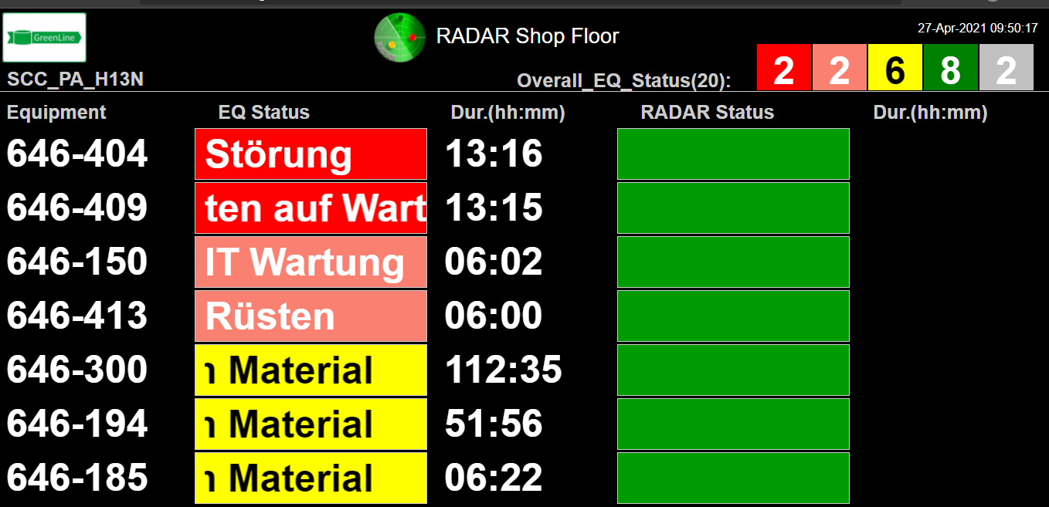
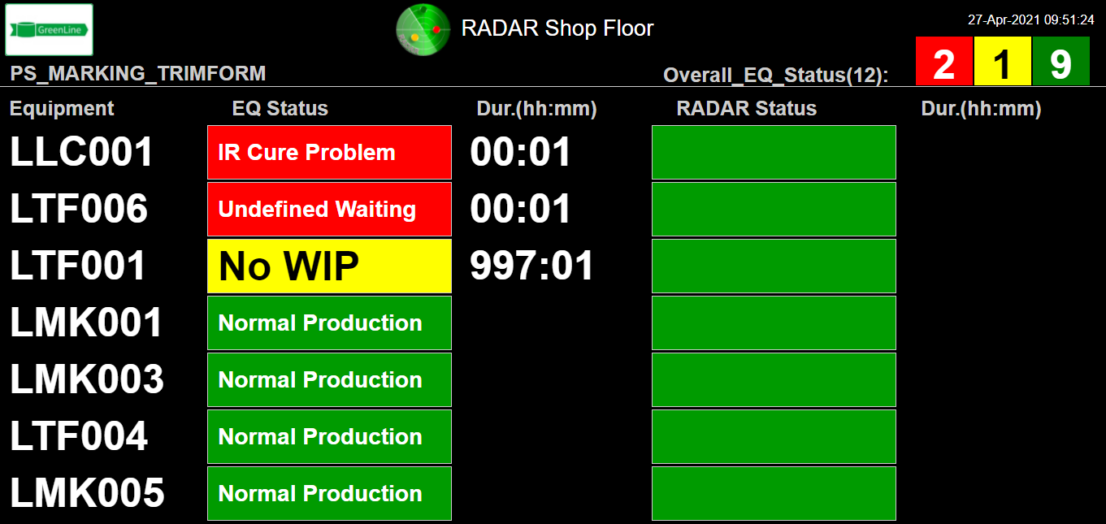
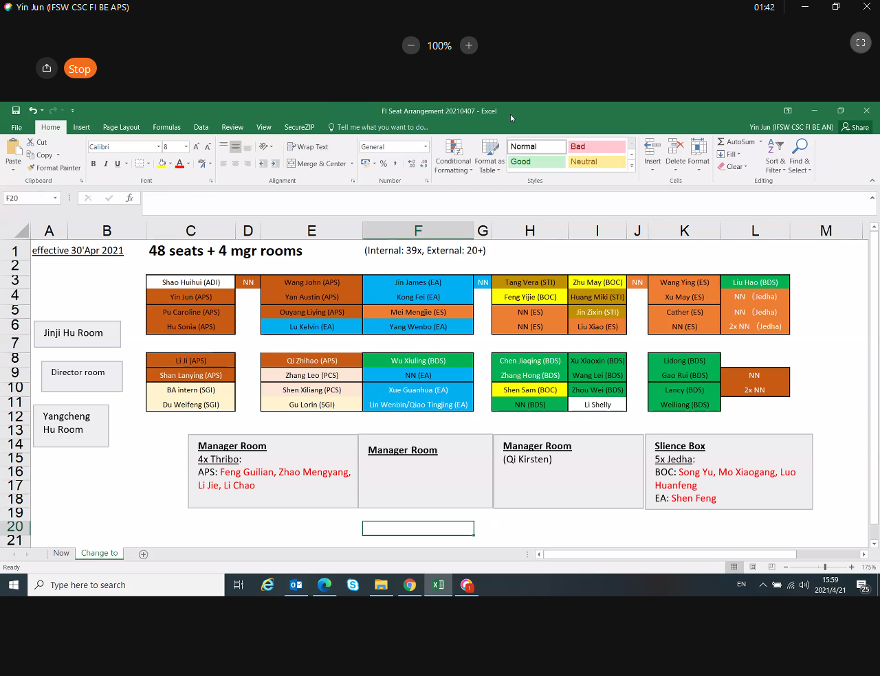
Matthias.Schlueter@infineon.com; | 1584
Viktoria.Arnautovic-Tot@infineon.com; | 1584
Oezkan.Caliskan@infineon.com; | 1584
Ernst.Klassen@infineon.com; | 1584
TimDominik.Bolley@infineon.com; | 1584
Henrik.Zanecki@infineon.com; | 1584
Niels.Oeschler@infineon.com; | 1584
Thorsten.Grunwald@infineon.com; | 1584

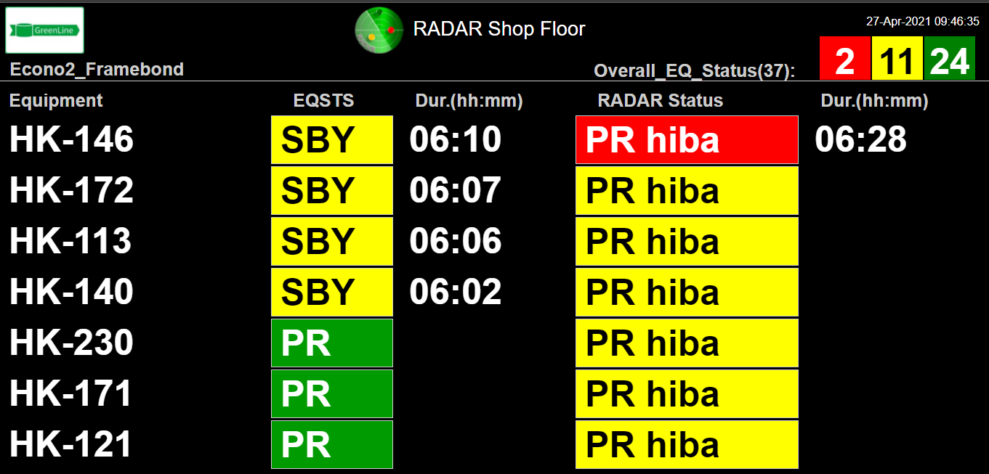

WUX DS | 433
WUX CC | 86
MAL PLA | 2078
MAL PLT | 302
MAL DS | 592
MAL SENS | 296
POB | 377
SIN | 432
RGB | 148
WAR HPS | 278
CEG HPS | 204
CHE | 28
WUX HPS | 40

624785 | '624785', | 2482 | 540 | 5 | 5 | Red | 4/23/21 | 4/23/21 | 4/23/21 | Accumulate Alarm | 0 | Y | 5173
624784 | '624784', | 2482 | 540 | 5 | 1 | Yellow | 4/23/21 | 4/23/21 | 4/23/21 |  | 0 | N | 5173
624765 | '624765', | 2482 | 540 | 5 | 0 | Green | 4/23/21 | 4/23/21 | 4/23/21 | Auto Reset | 0 | N
624739 | '624739', | 2482 | 540 | 5 | 3 | Yellow | 4/23/21 | 4/23/21 | 4/23/21 |  | 0 | N | 5167
624729 | '624729', | 2482 | 540 | 5 | 2 | Yellow | 4/23/21 | 4/23/21 | 4/23/21 |  | 0 | N | 5167
624728 | '624728', | 2482 | 540 | 5 | 1 | Yellow | 4/23/21 | 4/23/21 | 4/23/21 |  | 0 | N | 5167

527167 | '527167',
527142 | '527142',
527136 | '527136',
527135 | '527135',

