measures
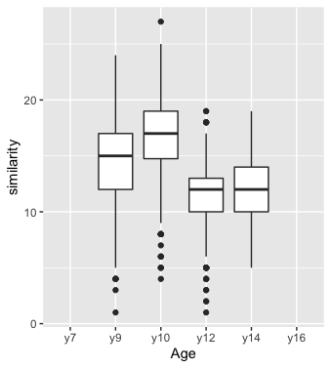
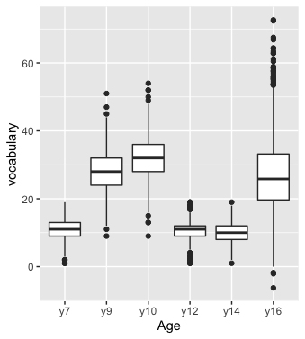
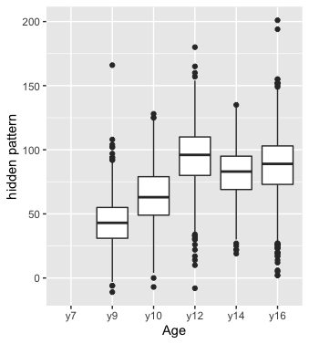
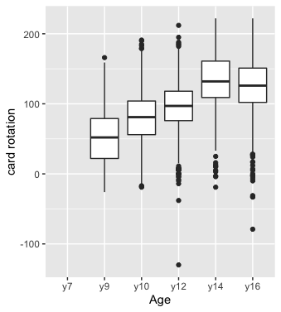
Table: Tests used for Composites at each age
Year 7 Space composite: 2 tests | PMA Spatial Relations [3 27] | WISC-R Blocks (Standardized, [1 19])
Year 9 Space composite: 2 tests | ETS Hidden Patterns [-11 166] | ETS Card Rotations [126 166]
Year 10 Space composite: 2 tests | ETS Hidden Patterns [-7 128] | ETS Card Rotations [-19 191]
Year 12 Space composite: 2 tests | ETS Hidden Patterns [-8 180] | ETS Card Rotations [-130 212]
Year 14 Space composite: 2 tests | ETS Hidden Patterns [19 135] | ETS Card Rotations [-19 222]
Year16 Space composite: 4 tests | Hidden Patterns [2 201], Card Rotations [-79 222], Paper Form Board, lower for Identical Pictures

Year 7 Verbal composite: 2 tests | Verbal Fluency [4 56] | WISC-R Vocabulary (Standardized, [1 19])
Year 9 Verbal composite: 2 tests | WISC-R Similarity [1 24] | WISC-R Vocabulary [9 51]
Year 10 Verbal composite: 2 tests | WISC-R Similarity (Standardized [1 19]) | WISC-R Vocabulary (Standardized [1 19])
Year 12 Verbal composite: 2 tests | WISC-R Similarity (Standardized [1 19]) | WISC-R Vocabulary (Standardized [1 19])
Year 14 Verbal composite: 2 tests | WISC-R Similarity (Standardized [5 19]) | WISC-R Vocabulary (Standardized [1 19])
Year 16 Verbal composite: 4 tests | Things, Word beginnings and endings, Vocabulary*
Note: Vocabulary at yr16 is not the same as the vocabulary tests in the other occasions

