1
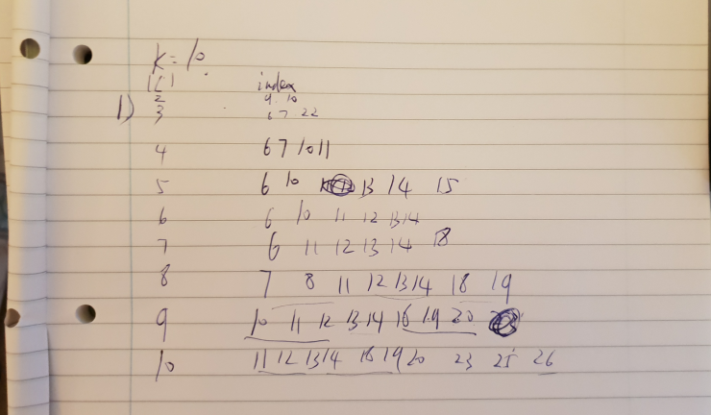
L | GR JS | GA JS | GR TIME | GA TIME | k=10 | n=36
2 | 0.0047489418752 | 0.0021351377551 | 0.03 | 22.394
3 | 0.0047489418752 | 0.0020806766236 | 0.005 | 22.333
4 | 0.0047489418752 | 0.0020113562191 | 0.005 | 24.225
5 | 0.0047489418752 | 0.0020113562191 | 0.002 | 24.648
6 | 0.0047489418752 | 0.0020323813864 |  | 24.923
7 | 0.0047489418752 | 0.0020113562191 |  | 25.567
8 | 0.0047489418752 | 0.0019779202549 |  | 25.801
9 | 0.0047489418752 | 0.0019568950876 |  | 26.039
10 | 0.0047489418752 | 0.0019568950876 |  | 26.395

19

23

52
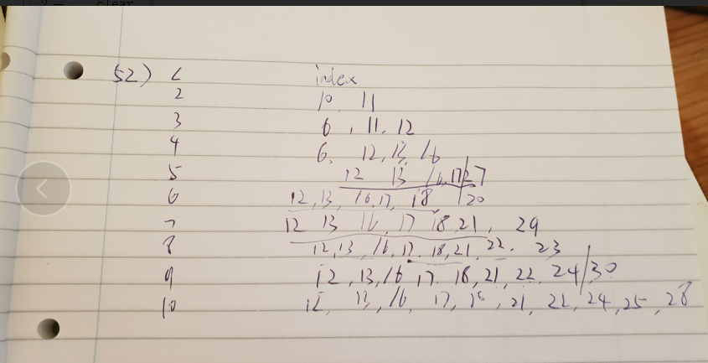
L | GR JS | GA JS | GR TIME | GA TIME | k=10 | n=36
2 |  | 0.0017538531057 |  | 23.58925
3 |  | 0.0016420570068 |  | 24.137125
4 |  | 0.0016229463097 |  | 24.579375
5 |  | 0.0016344867212 |  | 25.125125
6 |  | 0.001612848096 |  | 24.96275
7 |  | 0.001618584407 |  | 25.334375
8 |  | 0.0015791699759 |  | 25.783125
9 |  | 0.0015188197647 |  | 26.28775
10 |  | 0.0015275054944 |  | 26.570875

86
L | GR JS | GA JS | GR TIME | GA TIME | k=10 | n=36
2 |  | 0.002398457297 |  | 24.8615
3 |  | 0.0023297555975 |  | 23.94225
4 |  | 0.0022763990644 |  | 24.661375
5 |  | 0.0022977491391 |  | 24.839125
6 |  | 0.0022938163555 |  | 24.955
7 |  | 0.002256093995 |  | 25.48975
8 |  | 0.0021497399524 |  | 25.934625
9 |  | 0.0021968082443 |  | 26.22875
10 |  | 0.0021415520296 |  | 26.481375

