Station list for extraction
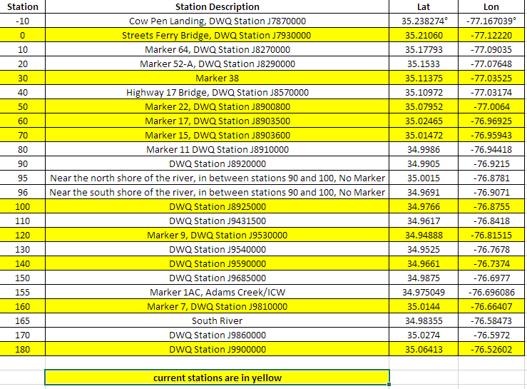
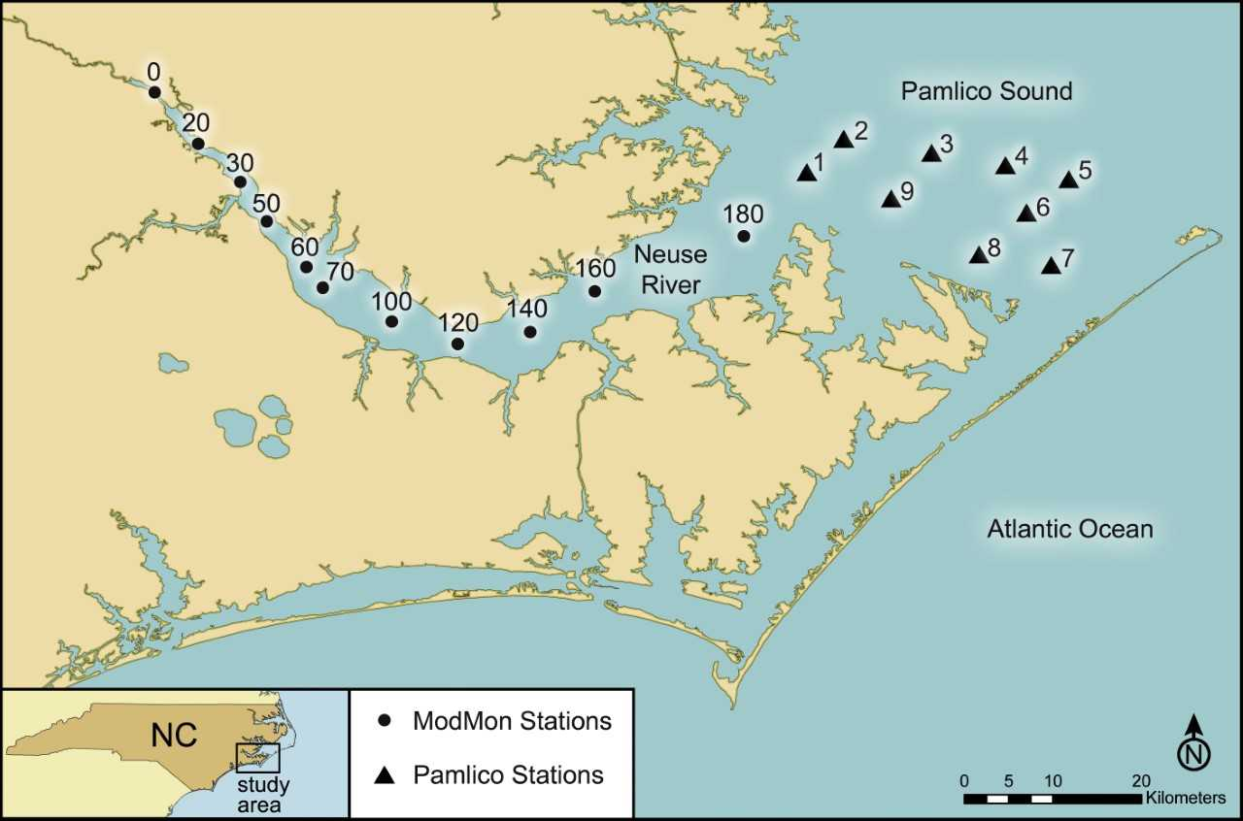
Station | Station Description | Lat | Lon
0 | Streets Ferry Bridge, DWQ Station J7930000 | 35.21060 | -77.12220
10 | Marker 64, DWQ Station J8270000 | 35.17793 | -77.09035
20 | Marker 52-A, DWQ Station J8290000 | 35.1533 | -77.07648
30 | Marker 38 | 35.11375 | -77.03525
40 | Highway 17 Bridge, DWQ Station J8570000 | 35.10972 | -77.03174
50 | Marker 22, DWQ Station J8900800 | 35.07952 | -77.0064
60 | Marker 17, DWQ Station J8903500 | 35.02465 | -76.96925
70 | Marker 15, DWQ Station J8903600 | 35.01472 | -76.95943
80 | Marker 11 DWQ Station J8910000 | 34.9986 | -76.94418
90 | DWQ Station J8920000 | 34.9905 | -76.9215
100 | DWQ Station J8925000 | 34.9766 | -76.8755
110 | DWQ Station J9431500 | 34.9617 | -76.8418
120 | Marker 9, DWQ Station J9530000 | 34.94888 | -76.81515
130 | DWQ Station J9540000 | 34.9525 | -76.7678
140 | DWQ Station J9590000 | 34.9661 | -76.7374
150 | DWQ Station J9685000 | 34.9875 | -76.6977
160 | Marker 7, DWQ Station J9810000 | 35.0144 | -76.66407
170 | DWQ Station J9860000 | 35.0274 | -76.5972
180 | DWQ Station J9900000 | 35.06413 | -76.52602

 | Stations Paerl Lab has monitored most recently and for the longest time frame

 | JavaScript must be enabled.

