Sayfa1
 |  |  |  | Epoch | Train | Validation | Test
Model | Train Image Size | Number of Images in Train Dataset | batch_size |  |  |  | 512*512 (not Augmented) | Same as Train Image (not augmented) | 512*512 (Augmented) | Same as Train Image (Augmented)
resnext50_32x4d' / ImageNet | 32*32 | 300 | 16.4 | 50 | train: 100%|██████████| 19/19 [00:07<00:00, 2.47it/s, dice_loss - 0.4715, iou_score - 0.4178, accuracy - 0.833, fscore - 0.5888] | valid: 100%|██████████| 25/25 [00:02<00:00, 8.63it/s, dice_loss - 0.4704, iou_score - 0.4088, accuracy - 0.8248, fscore - 0.5772] | valid: 100%|██████████| 100/100 [00:04<00:00, 24.58it/s, dice_loss - 0.3288, iou_score - 0.5425, accuracy - 0.8542, fscore - 0.7031] | valid: 100%|██████████| 100/100 [00:06<00:00, 15.45it/s, dice_loss - 0.6307, iou_score - 0.2326, accuracy - 0.7016, fscore - 0.376] | valid: 100%|██████████| 100/100 [00:12<00:00, 8.03it/s, dice_loss - 0.707, iou_score - 0.1808, accuracy - 0.7167, fscore - 0.3023] | valid: 100%|██████████| 100/100 [00:05<00:00, 18.06it/s, dice_loss - 0.4964, iou_score - 0.4014, accuracy - 0.8346, fscore - 0.5607] | 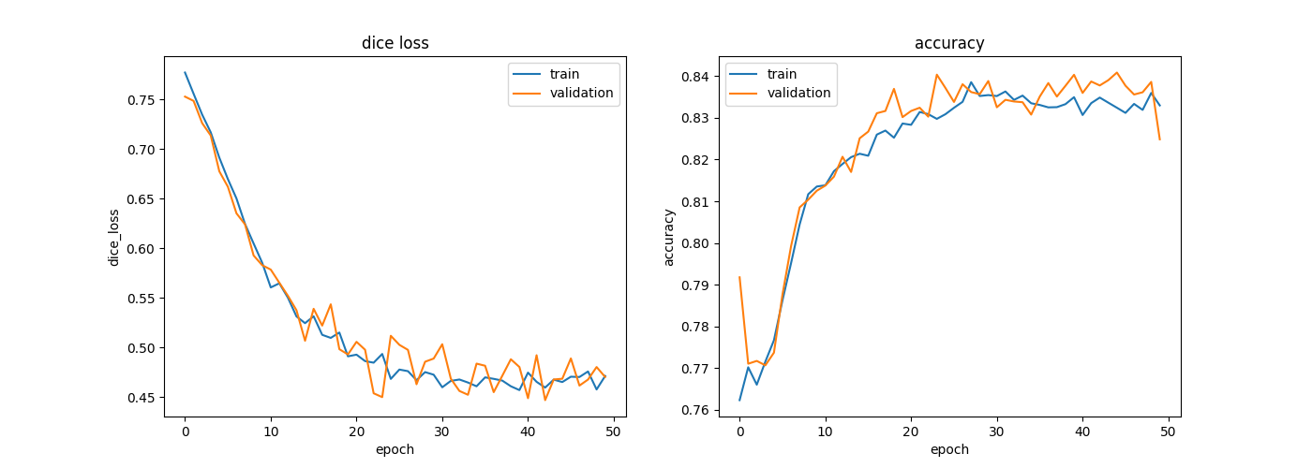
resnext50_32x4d' / ImageNet | 64*64 | 300 | 16.4 | 11 (not good trained model) | train: 100%|██████████| 19/19 [00:07<00:00, 2.55it/s, dice_loss - 0.4421, iou_score - 0.5204, accuracy - 0.8806, fscore - 0.684] | valid: 100%|██████████| 25/25 [00:05<00:00, 4.88it/s, dice_loss - 0.5035, iou_score - 0.3565, accuracy - 0.7819, fscore - 0.5255] | valid: 100%|██████████| 100/100 [00:42<00:00, 2.33it/s, dice_loss - 0.48, iou_score - 0.3797, accuracy - 0.7932, fscore - 0.5496] | valid: 100%|██████████| 100/100 [00:03<00:00, 26.04it/s, dice_loss - 0.1498, iou_score - 0.7887, accuracy - 0.9417, fscore - 0.8818] | .. | .. | 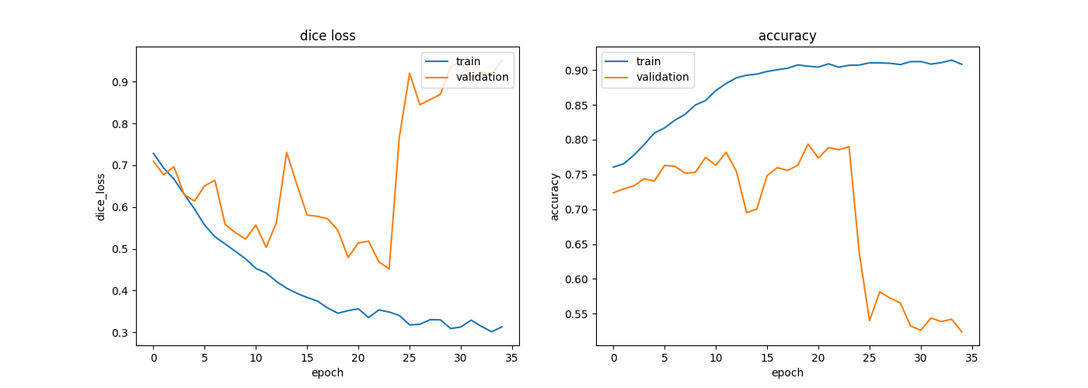
resnext50_32x4d' / ImageNet | 64*64 | 300 | 16.4 | 50 (another run test) | train: 100%|██████████| 19/19 [00:08<00:00, 2.25it/s, dice_loss - 0.3144, iou_score - 0.626, accuracy - 0.9078, fscore - 0.7695] | valid: 100%|██████████| 25/25 [00:02<00:00, 9.15it/s, dice_loss - 0.3022, iou_score - 0.6377, accuracy - 0.9113, fscore - 0.7759] | valid: 100%|██████████| 100/100 [00:06<00:00, 15.55it/s, dice_loss - 0.6307, iou_score - 0.2326, accuracy - 0.7016, fscore - 0.376] | valid: 100%|██████████| 100/100 [00:04<00:00, 23.24it/s, dice_loss - 0.2191, iou_score - 0.6959, accuracy - 0.9108, fscore - 0.8187] | valid: 100%|██████████| 100/100 [00:12<00:00, 7.88it/s, dice_loss - 0.694, iou_score - 0.1901, accuracy - 0.7101, fscore - 0.3156] | valid: 100%|██████████| 100/100 [00:05<00:00, 19.02it/s, dice_loss - 0.4614, iou_score - 0.4596, accuracy - 0.8531, fscore - 0.6097] | 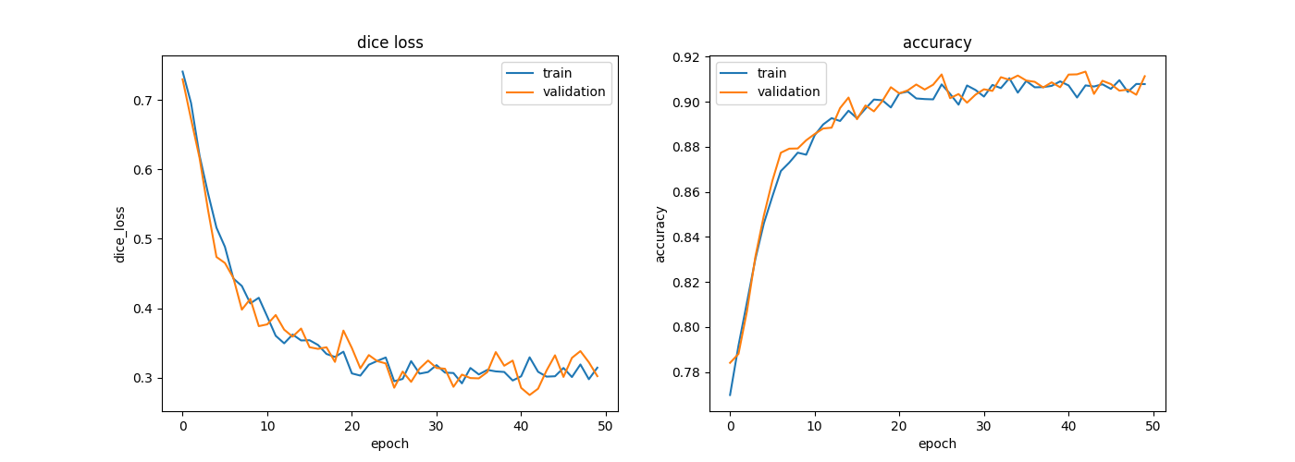
resnext50_32x4d' / ImageNet | 128*128 | 300 | 16.4 | 50 | train: 100%|██████████| 19/19 [00:07<00:00, 2.68it/s, dice_loss - 0.2277, iou_score - 0.7854, accuracy - 0.9533, fscore - 0.8789] | valid: 100%|██████████| 25/25 [00:04<00:00, 5.33it/s, dice_loss - 0.1651, iou_score - 0.7283, accuracy - 0.9215, fscore - 0.8427] | valid: 100%|██████████| 100/100 [00:06<00:00, 15.89it/s, dice_loss - 0.1289, iou_score - 0.7914, accuracy - 0.9419, fscore - 0.883] | valid: 100%|██████████| 100/100 [00:02<00:00, 34.51it/s, dice_loss - 0.1072, iou_score - 0.8324, accuracy - 0.9544, fscore - 0.9085] | valid: 100%|██████████| 100/100 [00:12<00:00, 7.91it/s, dice_loss - 0.2823, iou_score - 0.6087, accuracy - 0.8949, fscore - 0.7501] | valid: 100%|██████████| 100/100 [00:04<00:00, 23.18it/s, dice_loss - 0.2209, iou_score - 0.7188, accuracy - 0.9317, fscore - 0.8222] | 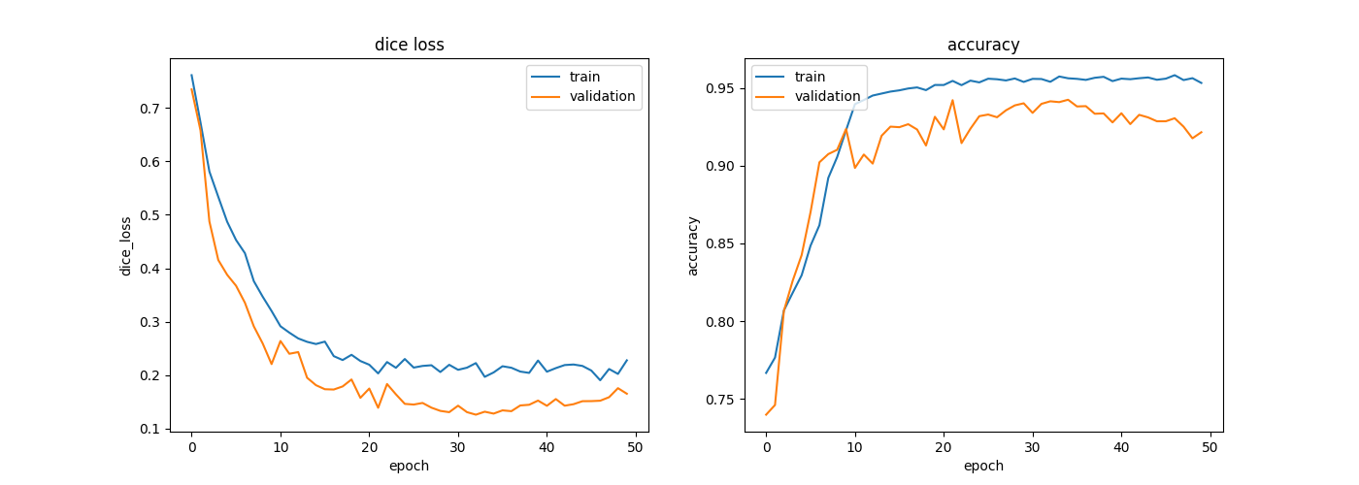
resnext50_32x4d' / ImageNet | 256*256 | 300 | 16.4 | 50 | train: 100%|██████████| 19/19 [00:11<00:00, 1.61it/s, dice_loss - 0.1596, iou_score - 0.8969, accuracy - 0.978, fscore - 0.9456] | valid: 100%|██████████| 25/25 [00:05<00:00, 4.98it/s, dice_loss - 0.1911, iou_score - 0.8945, accuracy - 0.979, fscore - 0.9442] | valid: 100%|██████████| 100/100 [00:06<00:00, 15.67it/s, dice_loss - 0.03818, iou_score - 0.95, accuracy - 0.9872, fscore - 0.9743] | valid: 100%|██████████| 100/100 [00:06<00:00, 16.36it/s, dice_loss - 0.04714, iou_score - 0.9415, accuracy - 0.985, fscore - 0.9698] | valid: 100%|██████████| 100/100 [00:13<00:00, 7.39it/s, dice_loss - 0.1864, iou_score - 0.8951, accuracy - 0.98, fscore - 0.9438] | valid: 100%|██████████| 100/100 [00:06<00:00, 16.26it/s, dice_loss - 0.1842, iou_score - 0.8894, accuracy - 0.979, fscore - 0.9408] | 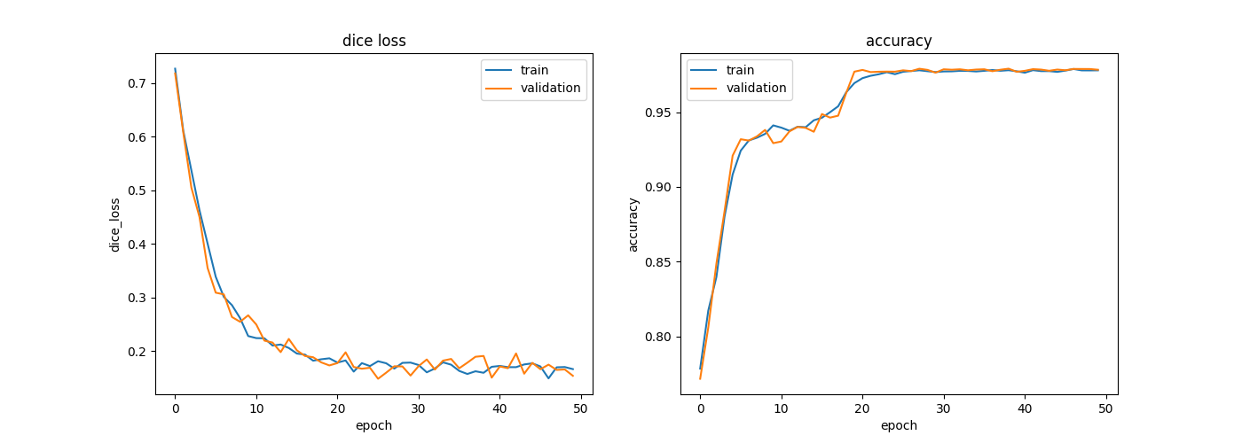
vgg19 | 256*256 | 300 | 16.4 | 50 | train: 100%|██████████| 19/19 [00:12<00:00, 1.48it/s, dice_loss - 0.1545, iou_score - 0.8974, accuracy - 0.978, fscore - 0.9458] | valid: 100%|██████████| 25/25 [00:04<00:00, 5.85it/s, dice_loss - 0.1738, iou_score - 0.8968, accuracy - 0.9793, fscore - 0.9454] | valid: 100%|██████████| 100/100 [00:13<00:00, 7.61it/s, dice_loss - 0.03663, iou_score - 0.9476, accuracy - 0.9865, fscore - 0.973] | valid: 100%|██████████| 100/100 [00:03<00:00, 28.26it/s, dice_loss - 0.04126, iou_score - 0.9491, accuracy - 0.987, fscore - 0.9739] | valid: 100%|██████████| 100/100 [00:16<00:00, 6.00it/s, dice_loss - 0.2123, iou_score - 0.9107, accuracy - 0.9836, fscore - 0.953] | valid: 100%|██████████| 100/100 [00:06<00:00, 16.48it/s, dice_loss - 0.1926, iou_score - 0.8813, accuracy - 0.978, fscore - 0.9359]
vgg19 | 128*128 | 300 | 16.4 | 50 | train: 100%|██████████| 19/19 [00:06<00:00, 2.96it/s, dice_loss - 0.2102, iou_score - 0.8039, accuracy - 0.9566, fscore - 0.8909] | valid: 100%|██████████| 25/25 [00:02<00:00, 9.75it/s, dice_loss - 0.2107, iou_score - 0.8064, accuracy - 0.9583, fscore - 0.8918] | valid: 100%|██████████| 100/100 [00:07<00:00, 13.17it/s, dice_loss - 0.07407, iou_score - 0.8823, accuracy - 0.9685, fscore - 0.9369] | valid: 100%|██████████| 100/100 [00:02<00:00, 40.81it/s, dice_loss - 0.07551, iou_score - 0.8999, accuracy - 0.9738, fscore - 0.9473] | valid: 100%|██████████| 100/100 [00:14<00:00, 6.79it/s, dice_loss - 0.3044, iou_score - 0.6753, accuracy - 0.9073, fscore - 0.7953] | valid: 100%|██████████| 100/100 [00:05<00:00, 19.93it/s, dice_loss - 0.2383, iou_score - 0.7805, accuracy - 0.9557, fscore - 0.8725] | 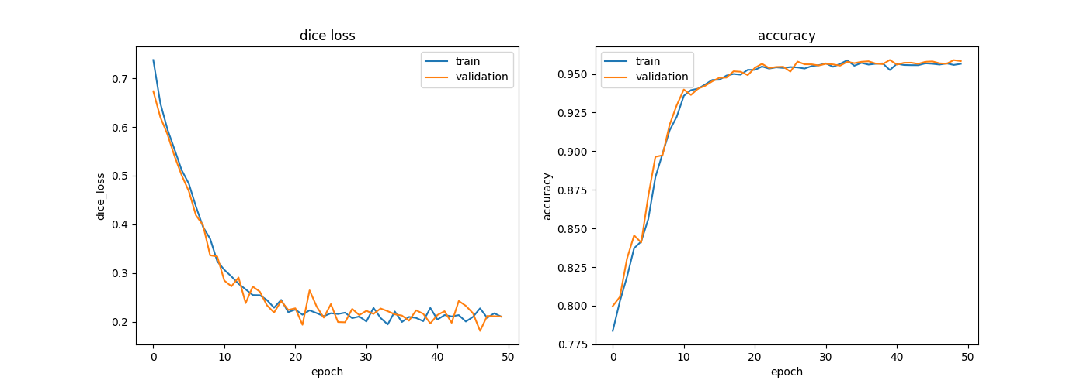
vgg19 | 64*64 | 300 | 16.4 | 50 | train: 100%|██████████| 19/19 [00:05<00:00, 3.33it/s, dice_loss - 0.2851, iou_score - 0.6668, accuracy - 0.9187, fscore - 0.7997] | valid: 100%|██████████| 25/25 [00:03<00:00, 7.33it/s, dice_loss - 0.2772, iou_score - 0.6763, accuracy - 0.9211, fscore - 0.8057] | valid: 100%|██████████| 100/100 [00:09<00:00, 10.91it/s, dice_loss - 0.2334, iou_score - 0.6654, accuracy - 0.9031, fscore - 0.7986] | valid: 100%|██████████| 100/100 [00:02<00:00, 38.97it/s, dice_loss - 0.1447, iou_score - 0.7876, accuracy - 0.941, fscore - 0.8811] | valid: 100%|██████████| 100/100 [00:15<00:00, 6.33it/s, dice_loss - 0.4179, iou_score - 0.5418, accuracy - 0.8713, fscore - 0.6937] | valid: 100%|██████████| 100/100 [00:04<00:00, 24.07it/s, dice_loss - 0.3132, iou_score - 0.6413, accuracy - 0.9187, fscore - 0.773] | 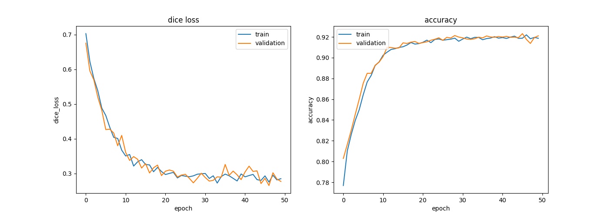
vgg19 | 32*32 | 300 | 16.4 | 50 | train: 100%|██████████| 19/19 [00:05<00:00, 3.45it/s, dice_loss - 0.4439, iou_score - 0.4195, accuracy - 0.8238, fscore - 0.5906] | valid: 100%|██████████| 25/25 [00:03<00:00, 7.58it/s, dice_loss - 0.459, iou_score - 0.4044, accuracy - 0.819, fscore - 0.5731] | valid: 100%|██████████| 100/100 [00:08<00:00, 12.28it/s, dice_loss - 0.4493, iou_score - 0.4111, accuracy - 0.7983, fscore - 0.5819] | valid: 100%|██████████| 100/100 [00:03<00:00, 33.00it/s, dice_loss - 0.3017, iou_score - 0.5734, accuracy - 0.8669, fscore - 0.7286] | valid: 100%|██████████| 100/100 [00:14<00:00, 6.79it/s, dice_loss - 0.5557, iou_score - 0.3174, accuracy - 0.7839, fscore - 0.4784] | valid: 100%|██████████| 100/100 [00:05<00:00, 19.45it/s, dice_loss - 0.4665, iou_score - 0.4072, accuracy - 0.8236, fscore - 0.5643] | 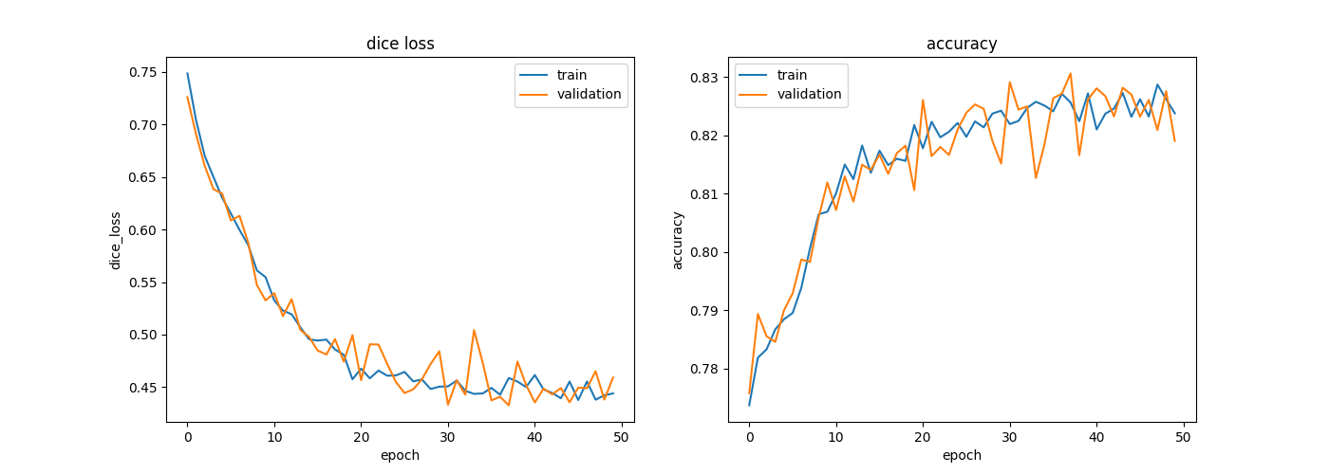
vgg19 | 256*256 | 300 | 8.1 | 50 | train: 100%|██████████| 38/38 [00:14<00:00, 2.60it/s, dice_loss - 0.1622, iou_score - 0.8835, accuracy - 0.9758, fscore - 0.9376] | valid: 100%|██████████| 100/100 [00:04<00:00, 24.10it/s, dice_loss - 0.184, iou_score - 0.8855, accuracy - 0.979, fscore - 0.9383] | valid: 100%|██████████| 100/100 [00:07<00:00, 13.29it/s, dice_loss - 0.0295, iou_score - 0.9489, accuracy - 0.9869, fscore - 0.9738] | valid: 100%|██████████| 100/100 [00:03<00:00, 30.71it/s, dice_loss - 0.02992, iou_score - 0.9553, accuracy - 0.9886, fscore - 0.9771] | valid: 100%|██████████| 100/100 [00:13<00:00, 7.52it/s, dice_loss - 0.2291, iou_score - 0.9004, accuracy - 0.9829, fscore - 0.9471] | valid: 100%|██████████| 100/100 [00:05<00:00, 17.23it/s, dice_loss - 0.1717, iou_score - 0.8926, accuracy - 0.9796, fscore - 0.9425] | 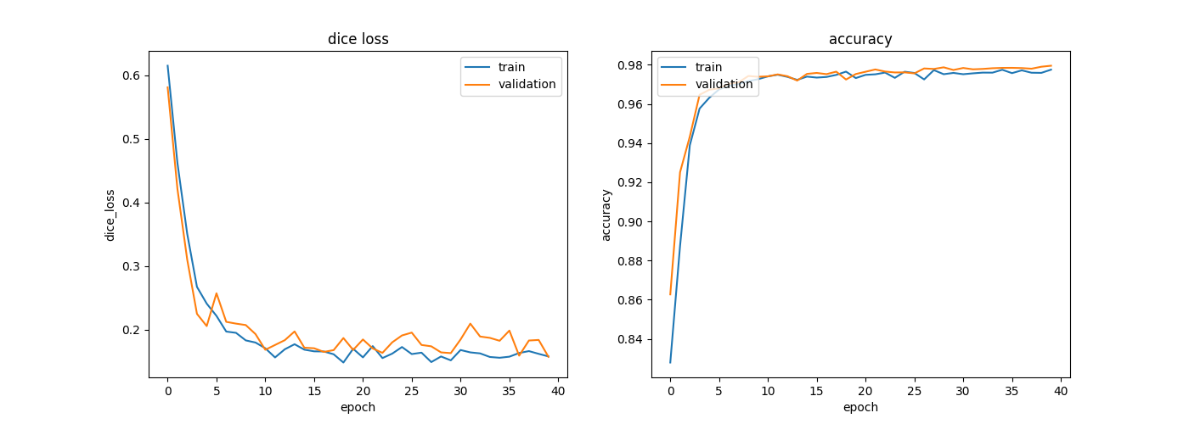
resnext50_32x4d' / ImageNet | 256*256 | 300 | 8.1 | 50 | train: 100%|██████████| 38/38 [00:14<00:00, 2.67it/s, dice_loss - 0.1616, iou_score - 0.8501, accuracy - 0.967, fscore - 0.918] | valid: 100%|██████████| 100/100 [00:04<00:00, 21.42it/s, dice_loss - 0.1693, iou_score - 0.8579, accuracy - 0.9721, fscore - 0.9215] | valid: 100%|██████████| 100/100 [00:06<00:00, 16.36it/s, dice_loss - 0.03034, iou_score - 0.9477, accuracy - 0.9865, fscore - 0.9731] | valid: 100%|██████████| 100/100 [00:03<00:00, 25.35it/s, dice_loss - 0.03433, iou_score - 0.946, accuracy - 0.9861, fscore - 0.9723] | valid: 100%|██████████| 100/100 [00:13<00:00, 7.53it/s, dice_loss - 0.1807, iou_score - 0.8599, accuracy - 0.9725, fscore - 0.9227] | valid: 100%|██████████| 100/100 [00:05<00:00, 16.68it/s, dice_loss - 0.2172, iou_score - 0.8258, accuracy - 0.969, fscore - 0.9002] | 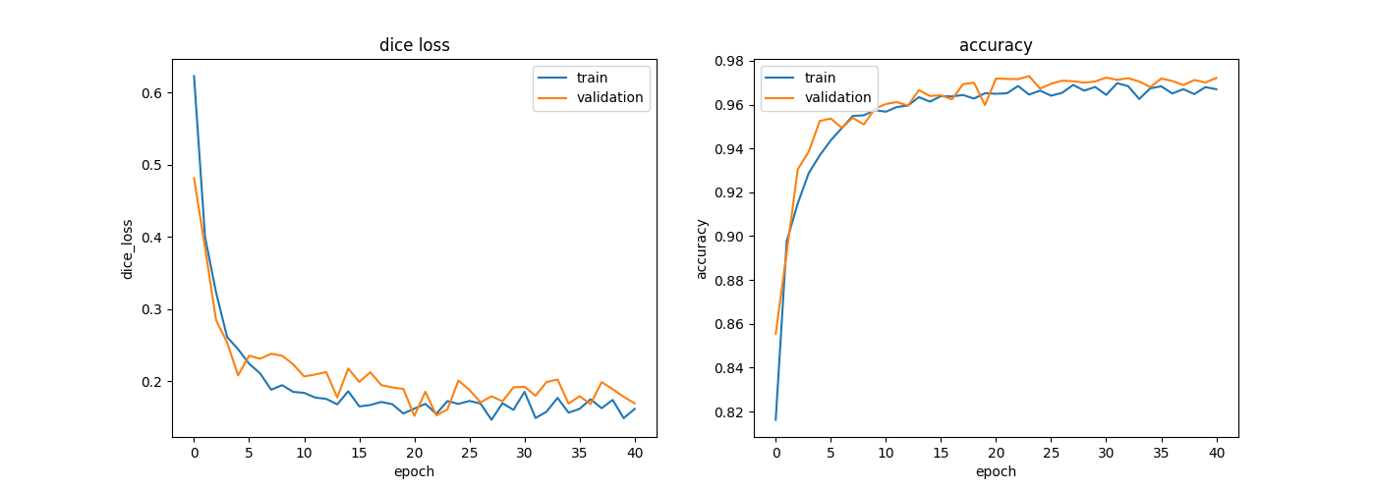
vgg19 | 256*256 | 100 | 16.4 | 50 | train: 100%|██████████| 7/7 [00:06<00:00, 1.16it/s, dice_loss - 0.2067, iou_score - 0.8551, accuracy - 0.9696, fscore - 0.9218] | valid: 100%|██████████| 25/25 [00:04<00:00, 6.19it/s, dice_loss - 0.2256, iou_score - 0.8443, accuracy - 0.9684, fscore - 0.9153] | valid: 100%|██████████| 300/300 [00:23<00:00, 12.94it/s, dice_loss - 0.05771, iou_score - 0.948, accuracy - 0.9867, fscore - 0.9733] | valid: 100%|██████████| 300/300 [00:11<00:00, 26.84it/s, dice_loss - 0.07946, iou_score - 0.9264, accuracy - 0.981, fscore - 0.9618] | valid: 100%|██████████| 300/300 [00:38<00:00, 7.78it/s, dice_loss - 0.198, iou_score - 0.8798, accuracy - 0.9756, fscore - 0.9351] | valid: 100%|██████████| 300/300 [00:20<00:00, 14.54it/s, dice_loss - 0.2315, iou_score - 0.8429, accuracy - 0.971, fscore - 0.9125] | 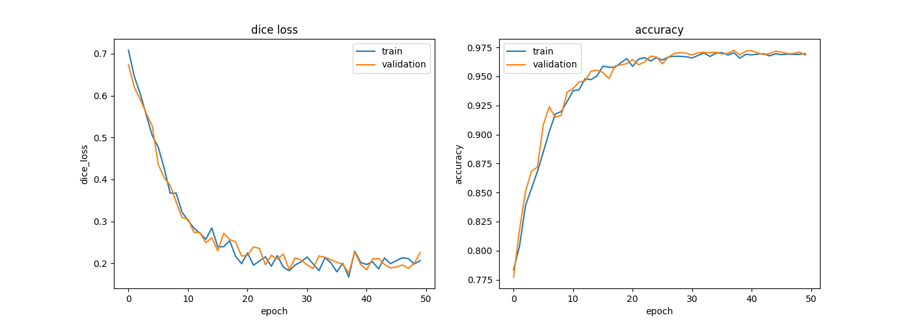
resnext50_32x4d' / ImageNet | 256*256 | 100 | 16.4 | 50 | train: 100%|██████████| 7/7 [00:05<00:00, 1.34it/s, dice_loss - 0.2055, iou_score - 0.8623, accuracy - 0.9699, fscore - 0.926] | valid: 100%|██████████| 25/25 [00:04<00:00, 5.49it/s, dice_loss - 0.2334, iou_score - 0.8572, accuracy - 0.9709, fscore - 0.923] | valid: 100%|██████████| 300/300 [00:20<00:00, 14.98it/s, dice_loss - 0.07924, iou_score - 0.9328, accuracy - 0.9827, fscore - 0.9651] | valid: 100%|██████████| 300/300 [02:32<00:00, 1.97it/s, dice_loss - 0.1002, iou_score - 0.9078, accuracy - 0.9761, fscore - 0.9516] | valid: 100%|██████████| 300/300 [00:38<00:00, 7.80it/s, dice_loss - 0.2179, iou_score - 0.8773, accuracy - 0.9734, fscore - 0.9341] | valid: 100%|██████████| 300/300 [00:19<00:00, 15.29it/s, dice_loss - 0.2461, iou_score - 0.8458, accuracy - 0.9712, fscore - 0.9151] | 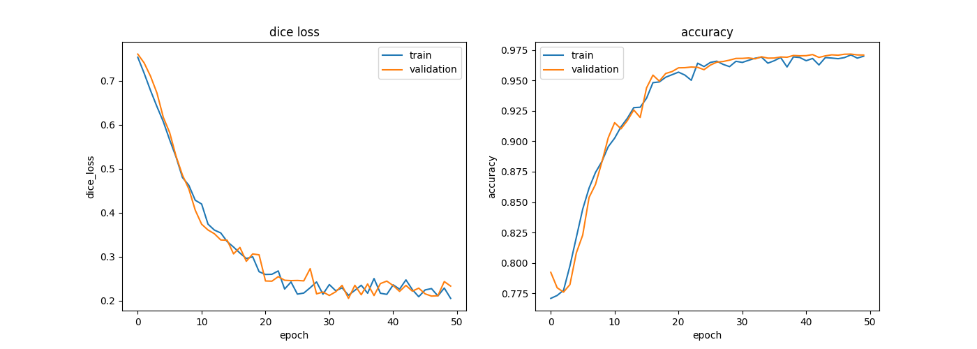
resnext50_32x4d' / ImageNet | 256*256 | 50 | 16.4 | 50 | train: 100%|██████████| 4/4 [00:02<00:00, 1.62it/s, dice_loss - 0.3317, iou_score - 0.6111, accuracy - 0.9008, fscore - 0.7574] | valid: 100%|██████████| 25/25 [00:03<00:00, 7.19it/s, dice_loss - 0.3202, iou_score - 0.6304, accuracy - 0.9032, fscore - 0.769] | valid: 100%|██████████| 300/300 [00:19<00:00, 15.35it/s, dice_loss - 0.1718, iou_score - 0.8447, accuracy - 0.9586, fscore - 0.9152] | valid: 100%|██████████| 300/300 [00:12<00:00, 24.78it/s, dice_loss - 0.1939, iou_score - 0.8273, accuracy - 0.9543, fscore - 0.9053] | valid: 100%|██████████| 300/300 [00:42<00:00, 7.02it/s, dice_loss - 0.3438, iou_score - 0.5883, accuracy - 0.8885, fscore - 0.7283] | valid: 100%|██████████| 300/300 [00:18<00:00, 16.48it/s, dice_loss - 0.3333, iou_score - 0.6314, accuracy - 0.9044, fscore - 0.7529] | 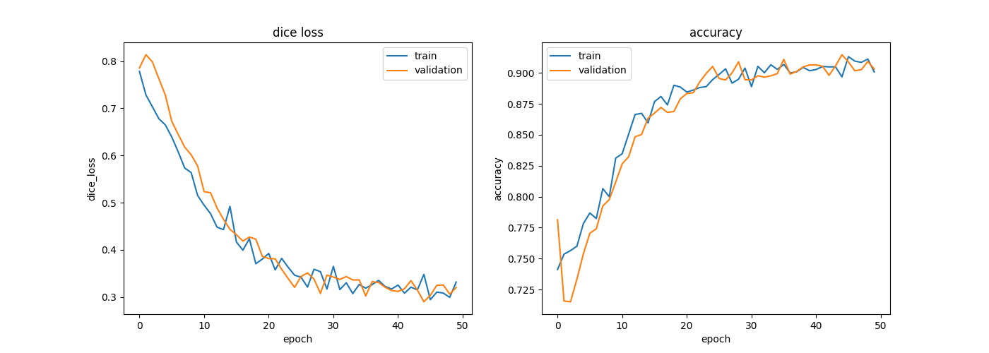
vgg19 | 256*256 | 50 | 16.4 | 50 | train: 100%|██████████| 4/4 [00:03<00:00, 1.16it/s, dice_loss - 0.2908, iou_score - 0.7175, accuracy - 0.9283, fscore - 0.8342] | valid: 100%|██████████| 25/25 [00:03<00:00, 6.67it/s, dice_loss - 0.3052, iou_score - 0.6789, accuracy - 0.918, fscore - 0.8052] | valid: 100%|██████████| 300/300 [00:41<00:00, 7.28it/s, dice_loss - 0.3271, iou_score - 0.6623, accuracy - 0.9155, fscore - 0.7813] | valid: 100%|██████████| 300/300 [00:14<00:00, 20.90it/s, dice_loss - 0.1937, iou_score - 0.8677, accuracy - 0.9658, fscore - 0.9291] | valid: 100%|██████████| 300/300 [00:41<00:00, 7.31it/s, dice_loss - 0.3225, iou_score - 0.6669, accuracy - 0.9164, fscore - 0.7854] | valid: 100%|██████████| 300/300 [00:21<00:00, 14.05it/s, dice_loss - 0.3083, iou_score - 0.7019, accuracy - 0.9261, fscore - 0.8063] | 