3月对账单
酷维
起止时间：2017年3月01日至2017年3月31日
项 目 | 酷维
上月未结算金额 | 0
本月销售额 | 44650.2
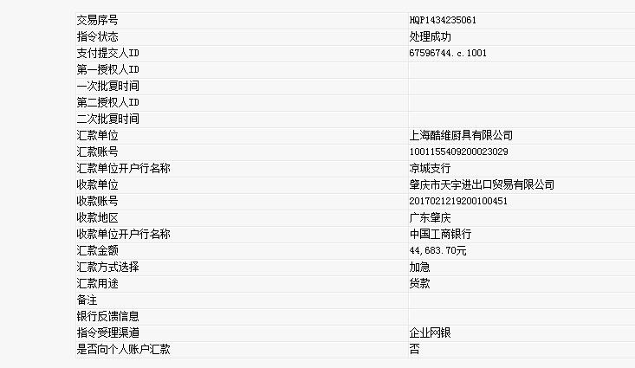
运费 | 33.5
本期结算金额 | 44683.7

已核对无误

