4月对账单
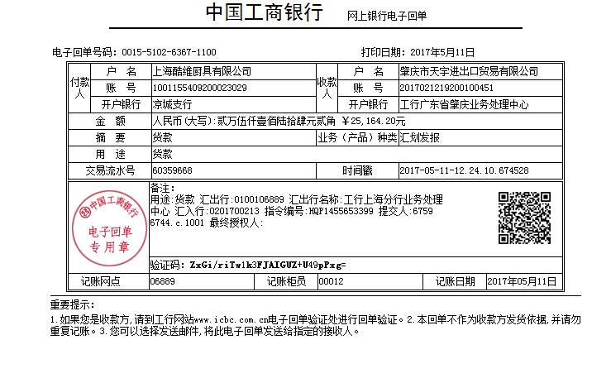
酷维
起止时间：2017年4月01日至2017年4月30日
项 目 | 酷维
上月未结算金额 | 0
本月销售额 | 27990.7
运费 | 46
第一季度返利金额 | 2872.5
本期结算金额 | 25164.2

已核对，打款金额：25164.2元

