5月对账单
酷维
起止时间：2017年5月01日至2017年5月31日
项 目 |  | 酷维
上月未结算金额 |  | 0
本月销售额 |  | 31170.2
运费 |  | 11.5
本期结算金额 |  | 31181.7

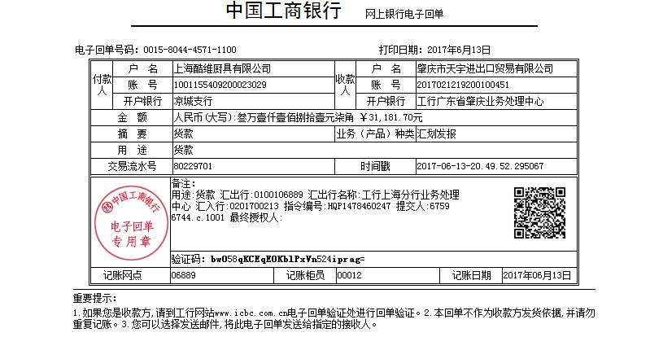
 | 已核对无误

