Foglio1
JPADCAD time results | Results obtained with: Intel Core i7-4710HQ CPU @2.50 GHz, RAM 8.00 GB
reference aircraft: A320neo

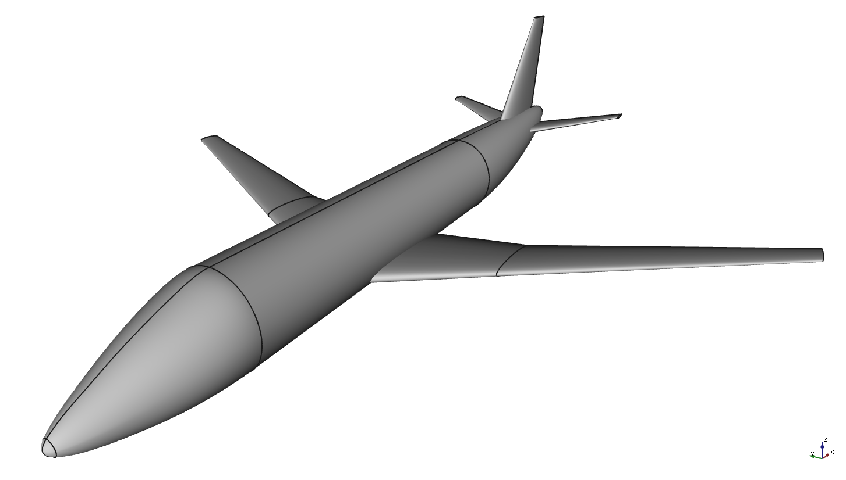

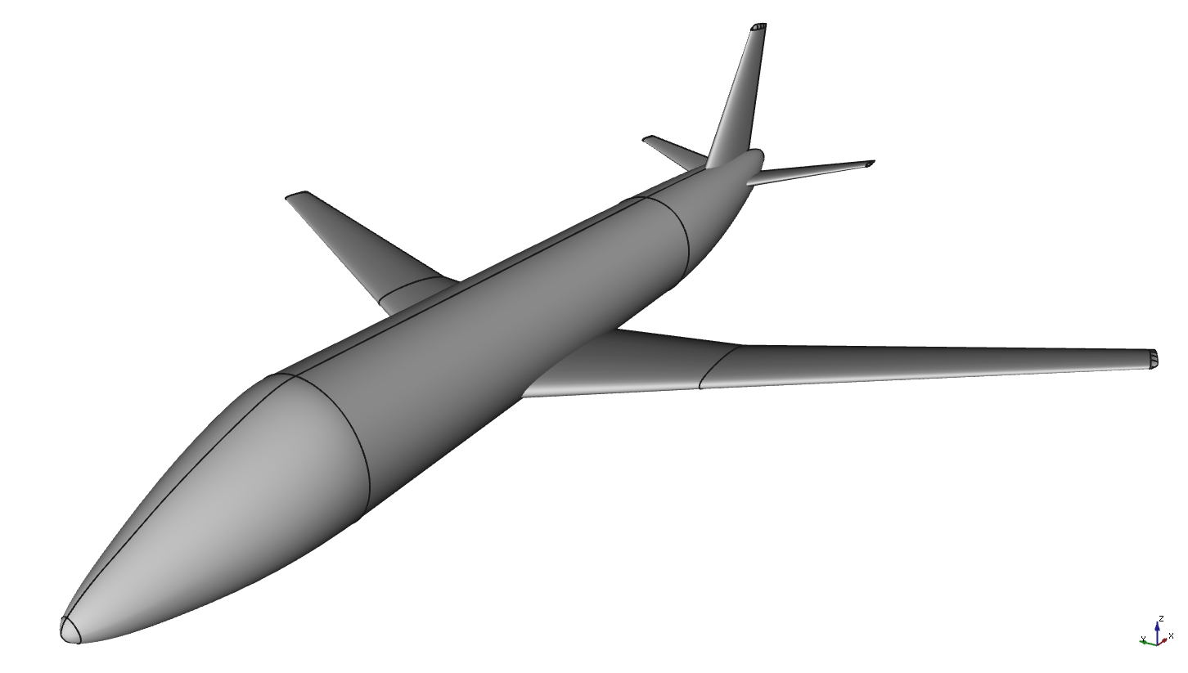
TIMES PER SINGLE COMPONENT | ELAPSED TIME | # SOLIDS | # SHELLS | # FACES | # WIRES | # EDGES | # VERTICES
FUSELAGE | 248 ms | 1 | 1 | 10 | 10 | 40 | 80 | A320neo (Wc+B+Hc+Vc) [1] | A320neo (Ww+B+Hr+Vr) [2] | A320neo (Wr+B+Hr+Vr) [3]
WING (2 PANELS), CUTOFF TIP | 192 ms | 1 | 1 | 10 | 10 | 36 | 72
WING (2 PANELS), WINGLET | 309 ms | 1 | 1 | 14 | 14 | 52 | 104
WING (2 PANELS), ROUNDED TIP | 391 ms | 1 | 1 | 30 | 30 | 132 | 264
HTAIL (1 PANEL), CUTOFF TIP | 143 ms | 1 | 1 | 6 | 6 | 20 | 40
HTAIL (1 PANEL), ROUNDED TIP | 314 ms | 1 | 1 | 26 | 26 | 116 | 232
VTAIL (1 PANEL), CUTOFF TIP | 138 ms | 1 | 1 | 4 | 4 | 12 | 24
VTAIL (1 PANEL), ROUNDED TIP | 316 ms | 1 | 1 | 14 | 14 | 60 | 120
BELLY FAIRING | 263 ms | 1 | 1 | 10 | 10 | 32 | 64

ENGINE (TURBOFAN, GE-90 TEMPLATE) * | 10518 | 4 | 4 | 114 | 117 | 1706 | 3412
ENGINE (TURBOPROP, PW100 TEMPLATE, NACELLE + BLADES) ** | 9846 | 7 | 7 | 113 | 120 | 2462 | 4924

* data for single engine, fan included
** data for single engine, six blades


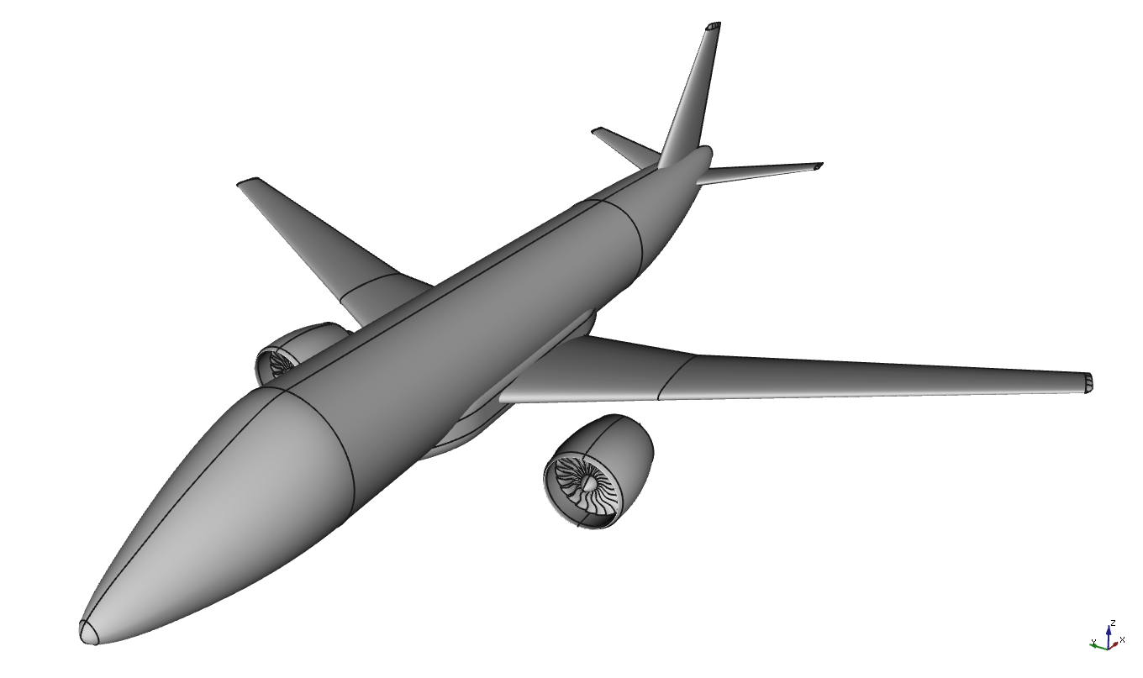
WHOLE AIRCRAFT (DIFFERENT CONFIGURATIONS) | ELAPSED TIME | # SOLIDS | # SHELLS | # FACES | # WIRES | # EDGES | # VERTICES
A320neo (Wc+B+Hc+Vc) [1] | 381 ms | 4 | 4 | 30 | 30 | 108 | 216 | A320neo (Wr+B+Hr+Vr+F) [4] | A320neo (Wr+B+Hr+Vr+F+Et) [5]
A320neo (Ww+B+Hr+Vr) [2] | 841 ms | 4 | 4 | 64 | 64 | 268 | 536
A320neo (Wr+B+Hr+Vr) [3] | 892 ms | 4 | 4 | 80 | 80 | 348 | 696
A320neo (Wr+B+Hr+Vr+F) [4] | 1003 ms | 5 | 5 | 90 | 90 | 380 | 760
A320neo (Wr+B+Hr+Vr+F+E) [5] | 8783 ms | 13 | 13 | 318 | 324 | 3792 | 7584

[1] wing cutoff, htail cutoff, vtail cutoff
[2] wing winglet, htail rounded, vtail rounded
[3] wing rounded, htail rounded, vtail rounded
[4] wing rounded, htail rounded, vtail rounded, belly fairing
[5] wing rounded, htail rounded, vtail rounded, belly fairing, engines

