Sheet1
Demand Paging: |  |  |  | Prepaging:
Algo | FIFO | LRU | Clock | Algo | FIFO | LRU | Clock
1 | 186782 | 185335 | 186913 | 1 | 100919 | 100993 | 100939
2 | 146735 | 138786 | 147253 | 2 | 99350 | 99765 | 99580
4 | 127234 | 116020 | 128419 | 4 | 106402 | 110011 | 109862
8 | 123208 | 104467 | 124787 | 8 | 125474 | 126255 | 125922
16 | 134352 | 99676 | 139807 | 16 | 190579 | 192158 | 192158

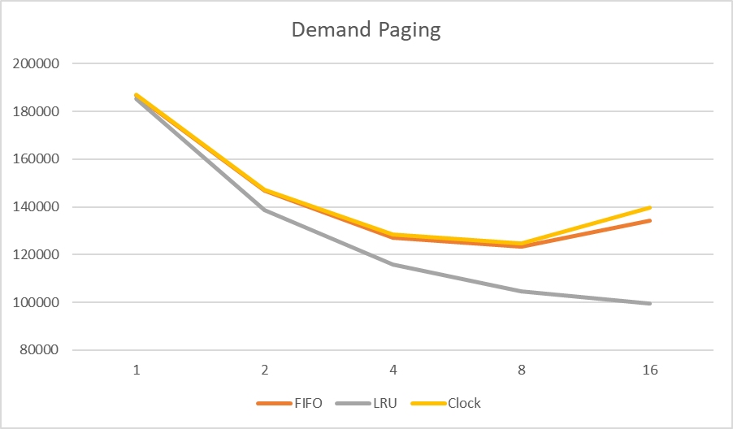
Prepaging

