Charts 2
Employee | Week 1 | Week 2 | Week 3 | Week 4 | Proficiency | Objectives:
Hank Washington | 4.2 | 3.7 | 3.9 | 3.8 | 78% | Create a Column chart
Xing Hua Long | 4.0 | 4.1 | 4.0 | 4.3 | 82% | Change the Chart Type to Combo Type
Aaron Ray, Jr. | 4.1 | 3.9 | 3.5 | 3.7 | 76% | Configure the columns to display the proper type
Linda Graebner | 4.6 | 4.4 | 4.7 | 4.1 | 89% | Reconfigure the combo chart to use the last column in a secundary axis
Kyong Chen | 3.3 | 3.6 | 3.4 | 3.7 | 70%
Katerina Wilson | 3.7 | 3.7 | 4.1 | 4.7 | 81%
Tony Jackson | 3.5 | 3.7 | 4.1 | 4.0 | 77%

Chart 4

Ice Cream Sales vs Temperature |  |  | Objectives:
 |  |  | Create Scater plot
 |  |  | Add Axe titels
 | Temperature °C | Ice Cream Sales | Add titel
 | 14.2° | $215.00 | Add trend line
 | 16.4° | $325.00
 | 11.9° | $185.00
 | 15.2° | $332.00
 | 18.5° | $406.00
 | 22.1° | $522.00
 | 19.4° | $412.00
 | 25.1° | $614.00
 | 23.4° | $544.00
 | 18.1° | $421.00
 | 22.6° | $445.00
 | 17.2° | $408.00

Chart 6
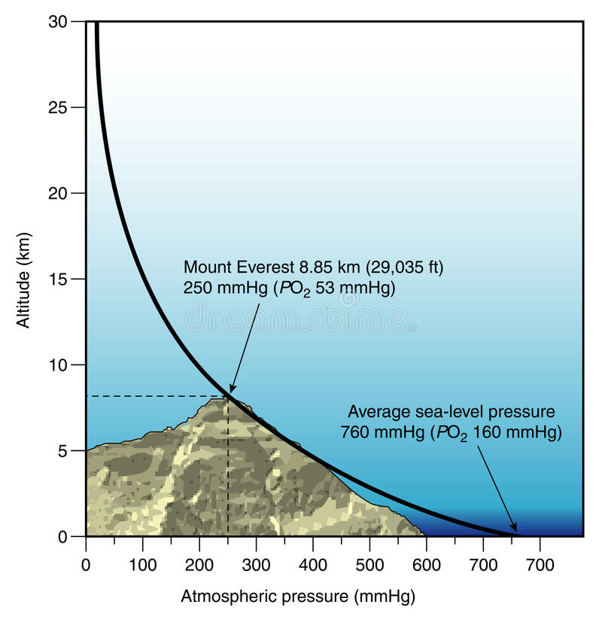
Atmospheric Pressure as a function of Altitude |  |  | Objectives:
 |  |  | Create Scater plot
 | Altitude (km) | Pressure (mb) | Show the exponential data as linear
 | 0 | 1013.25
 | 0.5 | 954.61
 | 1 | 898.76
 | 1.5 | 845.59
 | 2 | 795.01
 | 2.5 | 746.91
 | 3 | 701.21
 | 3.5 | 657.8
 | 4 | 616.6
 | 4.5 | 577.52
 | 5 | 540.48
 | 5.5 | 505.39
 | 6 | 472.17
 | 6.5 | 440.75
 | 7 | 411.05
 | 7.5 | 382.99
 | 8 | 356.51
 | 8.5 | 331.54
 | 9 | 308
 | 9.5 | 285.84
 | 10 | 264.99
 | 11 | 226.99
 | 12 | 193.99
 | 13 | 165.79
 | 14 | 141.7
 | 15 | 121.11
 | 16 | 103.52
 | 17 | 88.49
 | 18 | 75.65
 | 19 | 64.67
 | 20 | 55.29
 | 25 | 25.49
 | 30 | 11.97
 | 35 | 5.75
 | 40 | 2.87
 | 50 | 0.8

