Cover


 | 源数据标准数据集说明书
 |  | （SDTM）

 | 方案编号：XXXX-XXXX-XXX-XXX

版本：V3.4.1 日期：

Version
版本信息：
序号 | 版本号 | 版本日期 | 制作者 | 版本更新信息
1 | 1.0 | 2019-12-09
2 | 2.0 | 2020-07-07 |  | 为了Define v2.1, TOC里面新增如下几列：SubClass(N), ParentClass(N), StandardOID, IsNonStandard, HasNoData
3 | 2.0 | 2021-03-04 |  | 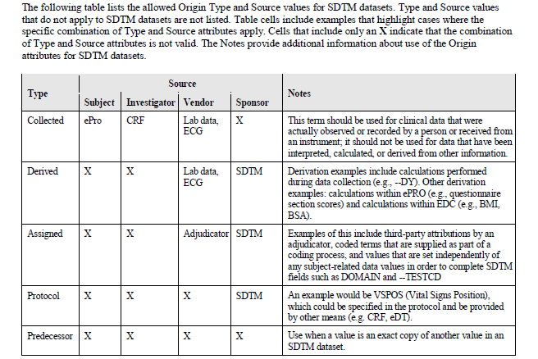 为了Define v2.1, 各个Domain里面新增1列Source.
4 | 3.0 | 2023-08-02 |  | 基于SDTMIG V3.3以及Define V2.1进行了下列更新： 1. 英文数据集名，数据集结构，变量名，变量属性，Controlled Terms等来源于SDTMIG的部分，与IG确认保持一致。 2. 中文数据集名，数据集结构和变量名基于英文数据和变量进行中文翻译核对，保持各Domain之间中文的一致性。 3. Define V2.1相关的Origin和Source列，已基于CDISC Define-XML Specification进行更新，为预设值（Default Value）。注意使用过程中，请基于项目实际情况进行更新。 新增内容： 1. 新增R列“HR Notes”和T列“HR Core”，用于定义Sponsor层面需注意的规则和要求统一执行的变量标记，后续版本将进行更新。 2. 新增APRP domain；基于部门层面统一，新增 DM(ARMNRS) 、CM(CMDECOD) 、MH(MHDECOD) 变量的Controlled Terms；基于FDA递交要求和CDISC Conformance Rule，新增SE，MH domain的部分变量。 3. Domain后新增一行“进入supp的变量”，用于提示进入SUPP--的变量，请基于项目实际情况进行添加。 4. Domain中在O列“Flag_SuppIDVar”，新增SUPPIDVar的标记，作为Default设置，注意根据实际项目情况更新。 特别说明： 1. HR Core的优先级高于CDISC Core，作为部门标准。 2. 当CDSIC core和 HR core为 Exp或Req时，Flag(N列)为K。 3. 当CDSIC core为Perm时，Flag(N列)沿用上一版本，注意根据实际项目情况更新。
5 | 3.1 | 2023-11-01 |  | 1. 基于SDTM Std. Spec-3.0版本 的comments 进行了更新，更新内容详见 spec-sdtm-studyname_v3.0_使用过程中意见收集； 2. 基于CDISC标准化小组讨论的重复筛选受试者在SDTM数据集中的规则，新增DC domain，其他domain添加SUBJID变量，未更新TOC中默认的Structure/StructureCN，请基于实际项目情况进行更新；
6 | 3.2 | 2024-07-25 |  | 1. 基于SDTM Std. Spec-3.1版本 的comments 进行了更新，更新内容详见 spec-sdtm-studyname_v3.1_使用过程中意见收集； 2. 基于SDTMIG V3.3和CDISC标准化小组讨论的规则，对"Special Purpose", "Interventions", "Events", "Trial Design", "Relationship"涉及的HR Notes和HR Core进行了更新； 3. 基于生成Define的最低标准，更新"Method OID", "ValueList OID"和"Comment OID"列统一OID的命名；与SDTM Std. Spec的OID一致，新增Define相关的Metadata中英文文件如下： comments-studyname_v1.0.xlsx computation-methods-studyname_v1.0.xlsx sdtm-header-studyname_v1.0.xlsx valuelevel-studyname_v1.0.xlsx 4. 删除旧版本M列中的Derivation/Common信息；
7 | 3.3.0 | 2024-10-30 |  | 1. 基于SDTM Std. Spec-3.2版本 的comments 进行了更新，更新内容详见 spec-sdtm-studyname_v3.2_使用过程中意见收集； 2. 基于SDTMIG V3.3和CDISC标准化小组讨论的规则，对"Findings"涉及的HR Notes和HR Core进行了更新； 3. 删除上个版本的M列"Derivation/Common"和Y列"Programming Note"，保留X列"Study Derivation"填写Derivation Rules；
8 | 3.4.0 | 2025-01-24 |  | 1. 基于SDTMIG V3.4添加了新增域/变量，保持了域/变量的中英文Label，HR Core/Notes等之间的一致性； 2. 基于SDTM Std. Spec V3.3.0使用过程中的收集意见，更新了相关Notes，Origin，Source，保持了SDTM Std. Spec V3.4.0与之前Spec版本的一致性； 3. 删除旧版本M列（Flag）中的"K" "D" 的信息，保留"S"，项目中需保留的变量在X列（<StudyNumber>）中进行标记，Compound/TA层面可自行标记M列进行统一；
 | 3.4.1 | 2025-05-12 |  | 1.基于SDTM Std. Spec-V3.3.1版本的comments进行了更新，更新内容详见sdtm_std_spec_意见收集； 2.基于CDISC标准化小组的讨论规则形成部门共识，对相应的HR Notes和HR Core进行了更新；

