Sensor Data Contents
# | Sensor & Source | values[0] | values[1] | values[2] | values[3] | values[4] | values[5] | values[6] | values[7]
1 | ACCELEROMETER | X | Y | Z | - | - | - | - | - | 3F
 | sm + wr | float | float | float | - | - | - | - | -
2 | GRAVITY | X | Y | Z | - | - | - | - | - | 3F | ORIENTATION
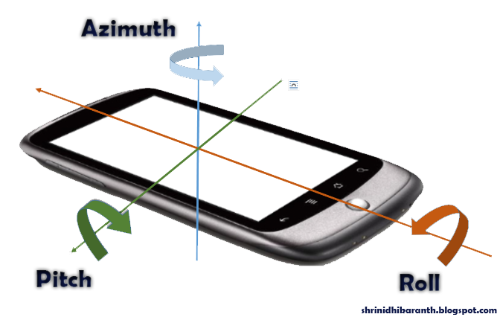
 | sm + wr | float | float | float | - | - | - | - | -
3 | LINEAR_ACCELERATION | X | Y | Z | - | - | - | - | - | 3F
 | sm + wr | float | float | float | - | - | - | - | -
4 | MAGNETIC | X | Y | Z | - | - | - | - | - | 3F
 | sm + wr | float | float | float | - | - | - | - | -
5 | ROTATION_VECTOR | X | Y | Z | W | - | - | - | - | 4F
 | sm + wr | float | float | float | float | - | - | - | -
6 | ORIENTATION | Azimuth | Pitch | Roll | - | - | - | - | - | 3F
 | sm + wr | float | float | float | - | - | - | - | -
7 | GYROSCOPE | X | Y | Z | - | - | - | - | - | 3F
 | sm + wr | float | float | float | - | - | - | - | -
8 | LIGHT | Level | - | - | - | - | - | - | - | F
 | sm + wr | float | - | - | - | - | - | - | -
9 | PROXIMITY | Proximity | - | - | - | - | - | - | - | F
 | sm + wr | float | - | - | - | - | - | - | -
10 | PRESSURE | Pressure | - | - | - | - | - | - | - | F
 | sm + wr | float | - | - | - | - | - | - | -
11 | ULTRAVIOLET | UV index | - | - | - | - | - | - | - | F
 | wr | float | - | - | - | - | - | - | -
12 | TEMPERATURE | Temperature | - | - | - | - | - | - | - | F
 | wr + sm(or AMBIENT_TEMPERATURE) | float | - | - | - | - | - | - | -
13 | HUMIDITY | Humidity | - | - | - | - | - | - | - | F
 | wr + sm (RELATIVE_HUMIDITY) | float | - | - | - | - | - | - | -
14 | HRM | Beats per minute | - | - | - | - | - | - | - | I
 | sm + wr | int | - | - | - | - | - | - | -
15 | HRM_LED_GREEN | HRM green light value | - | - | - | - | - | - | - | I
 | wr | int | - | - | - | - | - | - | -
16 | HRM_LED_IR | HRM IR light value | - | - | - | - | - | - | - | I
 | wr | int | - | - | - | - | - | - | -
17 | HRM_LED_RED | HRM red light value | - | - | - | - | - | - | - | I
 | wr | int | - | - | - | - | - | - | -
18 | GYROSCOPE_UNCALIBRATED | X | Y | Z | Drift around X axis | Drift around Y axis | Drift around Z axis | - | - | 6F
 | sm + wr | float | float | float | float | float | float | - | -
19 | GEOMAGNETIC_UNCALIBRATED | X | Y | Z | X-axis bias | Y-axis bias | Z axis bias | - | - | 6F
 | sm + wr | float | float | float | float | float | float | - | -
20 | GYROSCOPE_ROTATION_VECTOR | X | Y | Z | W | - | - | - | - | 4F
 | wr + sm(GAME_ROTATION_VECTOR) | float | float | float | float | - | - | - | -
21 | GEOMAGNETIC_ROTATION_VECTOR | X | Y | Z | W | - | - | - | - | 4F
 | sm + wr | float | float | float | float | - | - | - | -
22 | SIGNIFICANT_MOTION | Significant motion detected | - | - | - | - | - | - | - | F
 | sm + wr | float | - | - | - | - | - | - | -
23 | HUMAN_PEDOMETER | Number of steps | # of walking steps | # of running steps | moving distance | calories burned | last speed | last stepping freq. | last pedestrian state | 8I
 | wr + sm (STEP_COUNTER) | int | int | int | int | int | int | int | int
24 | HUMAN_SLEEP_MONITOR | User's sleep state |  |  |  |  |  |  | - | I
 | wr | int |  |  |  |  |  |  | -
25 | HUMAN_SLEEP_DETECTOR | - | - | - | - | - | - | - | -
 | wr | - | - | - | - | - | - | - | -
26 | HUMAN_STRESS_MONITOR | - | - | - | - | - | - | - | -
 | wr | - | - | - | - | - | - | - | -
27 | TYPE_STEP_DETECTOR | Step |not|detected | - | - | - | - | - | - | -
 | sm | float | - | - | - | - | - | - | -

 | NOTE: sm = SMARTPHONE
 | wr = WEARABLE

