Clear and Snowy
http://www.xuru.org/rt/PR.asp

DRAWING equations
Clear and clowdy
 | DEG | Type |  | C1 | ln | C2 | DEG | c1 | x2 | c2 | x | c3 | TOTAL
 | 135 | 800 |  | -61.82 | 6.6846117277 | 134.42 | -278.822697 | -8.249289925 | 640000 | 13208.61119 | 800 | 5287208.395 | 135
 | 90 | 803 |  | -60.82 | 6.6883547139 | 135.42 | -271.3657337 | -8.249289925 | 644809 | 13208.61119 | 803 | 5287208.395 | 90
 | 42 | 804 |  | -59.82 | 6.6895992692 | 136.42 | -263.75182828 | -8.249289925 | 646416 | 13208.61119 | 804 | 5287208.395 | 42

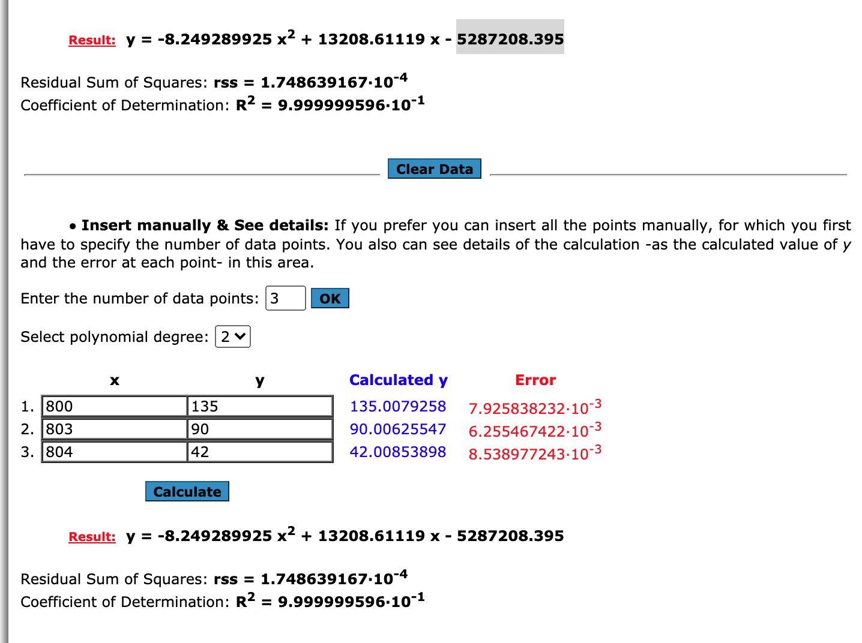

 | Group 800: Clear
 | ID | Main | Description | Icon
 | 800 | Clear | clear sky | 01d
 |  |  |  | 01n
 | Group 80x: Clouds
 | ID | Main | Description | Icon
 | 801 | Clouds | few clouds: 11-25% | 02d
 |  |  |  | 02n
 | 802 | Clouds | scattered clouds: 25-50% | 03d
 |  |  |  | 03n
 | 803 | Clouds | broken clouds: 51-84% | 04d
 |  |  |  | 04n
 | 804 | Clouds | overcast clouds: 85-100% | 04d
 |  |  |  | 04n

Atmosphere
http://www.xuru.org/rt/PR.asp

DRAWING equations
Athmosphere
 | DEG | Type |  |  | c1 | x2 | c2 | x | c3 | TOTAL
 | 40 | 701 |  |  | -1.57E-03 | 491401 | 1.82322848 | 701 | -465.3239501 | 40
 | 36 | 711 |  |  | -1.57E-03 | 505521 | 1.82322848 | 711 | -465.3239501 | 36
 | 31 | 721 |  |  | -1.57E-03 | 519841 | 1.82322848 | 721 | -465.3239501 | 32
 | 27 | 731 |  |  | -1.57E-03 | 534361 | 1.82322848 | 731 | -465.3239501 | 27
 | 22 | 741 |  |  | -1.57E-03 | 549081 | 1.82322848 | 741 | -465.3239501 | 22
 | 18 | 751 |  |  | -1.57E-03 | 564001 | 1.82322848 | 751 | -465.3239501 | 17
 | 13 | 761 |  |  | -1.57E-03 | 579121 | 1.82322848 | 761 | -465.3239501 | 11
 | 9 | 762 |  |  | -1.57E-03 | 580644 | 1.82322848 | 762 | -465.3239501 | 11
 | 4 | 771 |  |  | -1.57E-03 | 594441 | 1.82322848 | 771 | -465.3239501 | 5
 | 0 | 781 |  |  | -1.57E-03 | 609961 | 1.82322848 | 781 | -465.3239501 | -1

 | 4.4444444444

 | 40 | 701 | 40
 | 36 | 711 | 36
 | 31 | 721 | 31
 | 27 | 731 | 27
 | 22 | 741 | 22
 | 18 | 751 | 18
 | 13 | 761 | 13
 | 9 | 762 | 9
 | 4 | 771 | 4
 | 0 | 781 | 0

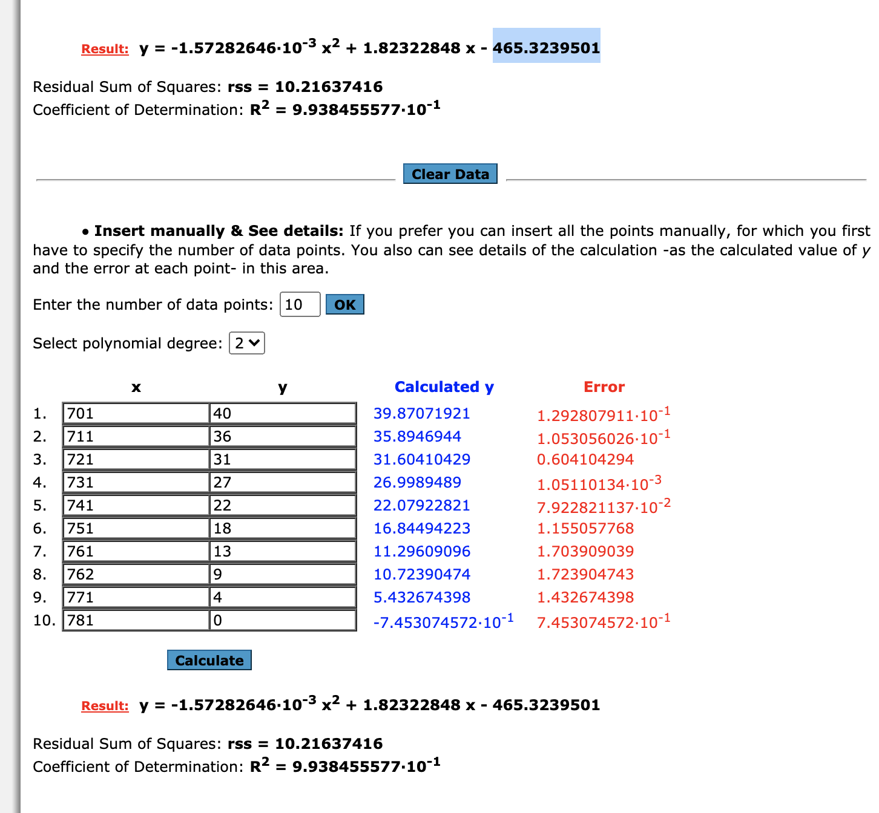

 | Group 7xx: Atmosphere
 | ID | Main | Description | Icon
 | 701 | Mist | mist | 50d
 | 711 | Smoke | Smoke | 50d
 | 721 | Haze | Haze | 50d
 | 731 | Dust | sand/ dust whirls | 50d
 | 741 | Fog | fog | 50d
 | 751 | Sand | sand | 50d
 | 761 | Dust | dust | 50d
 | 762 | Ash | volcanic ash | 50d
 | 771 | Squall | squalls | 50d
 | 781 | Tornado | tornado | 50d

Drizzle
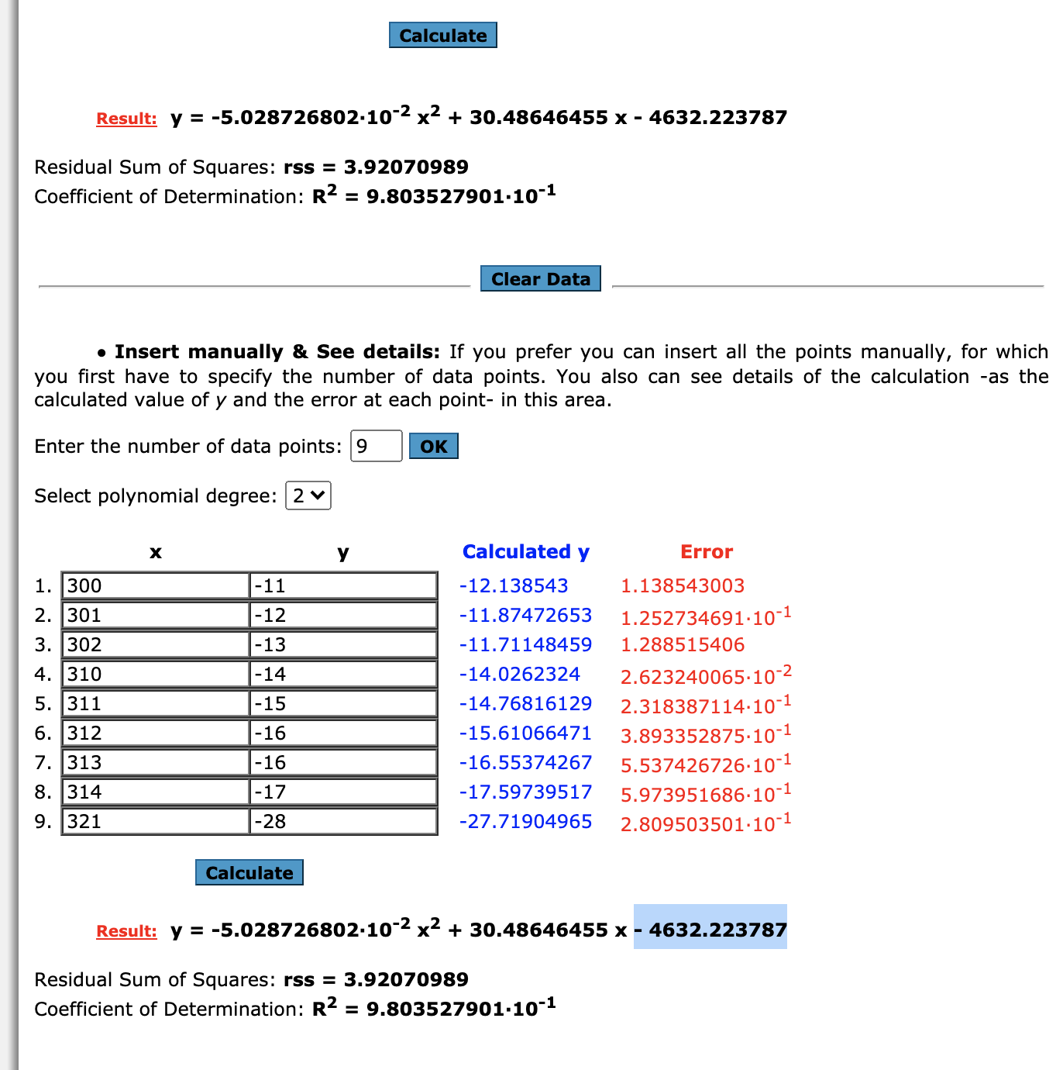
http://www.xuru.org/rt/PR.asp

DRAWING equations
Thunderstorme
 | DEG | Type |  | c1 | x2 | c2 | x | c3 | TOTAL
 | -11.0 | 300 |  | -5.03E-02 | 90000 | 30.48646455 | 300 | -4632.223787 | -12.14
 | -11.8 | 301 | 4.8% | -5.03E-02 | 90601 | 30.48646455 | 301 | -4632.223787 | -11.87
 | -12.8 | 302 | 4.8% | -5.03E-02 | 91204 | 30.48646455 | 302 | -4632.223787 | -11.71
 | -13.8 | 310 | 38.1% | -5.03E-02 | 96100 | 30.48646455 | 310 | -4632.223787 | -14.03
 | -14.7 | 311 | 4.8% | -5.03E-02 | 96721 | 30.48646455 | 311 | -4632.223787 | -14.77
 | -15.5 | 312 | 4.8% | -5.03E-02 | 97344 | 30.48646455 | 312 | -4632.223787 | -15.61
 | -16.4 | 313 | 4.8% | -5.03E-02 | 97969 | 30.48646455 | 313 | -4632.223787 | -16.55
 | -17.3 | 314 | 4.8% | -5.03E-02 | 98596 | 30.48646455 | 314 | -4632.223787 | -17.60
 | -28.0 | 321 | 33.3% | -5.03E-02 | 103041 | 30.48646455 | 321 | -4632.223787 | -27.72

 | -17.0 | 21
 | factor | -0.80952380952

 | 4.4444444444

 |  | 300 | -11
 |  | 301 | -12
 |  | 302 | -13
 |  | 310 | -14
 |  | 311 | -15
 |  | 312 | -16
 |  | 313 | -16
 |  | 314 | -17
 |  | 321 | -28
 |  |  | 0

 |  |  |  |  |  |  |  |  | Rain

Rain
http://www.xuru.org/rt/PR.asp

DRAWING equations
Thunderstorme
 | DEG | Type |  | c1 | x2 | c2 | x | c3 | TOTAL
 | -29.0 | 500 |  | 1.11E-02 | 250000 | -12.52634698 | 500 | 3454.698266 | -28.15
-3.0% | -29.9 | 501 | 3.2% | 1.11E-02 | 251001 | -12.52634698 | 501 | 3454.698266 | -29.55
-3.1% | -30.9 | 502 | 3.2% | 1.11E-02 | 252004 | -12.52634698 | 502 | 3454.698266 | -30.92
-3.2% | -31.9 | 503 | 3.2% | 1.11E-02 | 253009 | -12.52634698 | 503 | 3454.698266 | -32.27
-3.3% | -32.9 | 504 | 3.2% | 1.11E-02 | 254016 | -12.52634698 | 504 | 3454.698266 | -33.59
-24.0% | -40.4 | 511 | 22.6% | 1.11E-02 | 261121 | -12.52634698 | 511 | 3454.698266 | -42.26
-37.8% | -52.1 | 520 | 29.0% | 1.11E-02 | 270400 | -12.52634698 | 520 | 3454.698266 | -51.80
-5.4% | -53.8 | 521 | 3.2% | 1.11E-02 | 271441 | -12.52634698 | 521 | 3454.698266 | -52.75
-5.6% | -55.5 | 522 | 3.2% | 1.11E-02 | 272484 | -12.52634698 | 522 | 3454.698266 | -53.68
-14.5% | -60.0 | 531 | 29.0% | 1.11E-02 | 281961 | -12.52634698 | 531 | 3454.698266 | -61.02

 | 31.0 | 31
 | factor | 1.00000

 | 4.4444444444

 |  | 500 | -29
 |  | 501 | -30
 |  | 502 | -31
 |  | 503 | -32
 |  | 504 | -33
 |  | 511 | -40
 |  | 520 | -52
 |  | 521 | -54
 |  | 522 | -55
 |  | 531 | -60

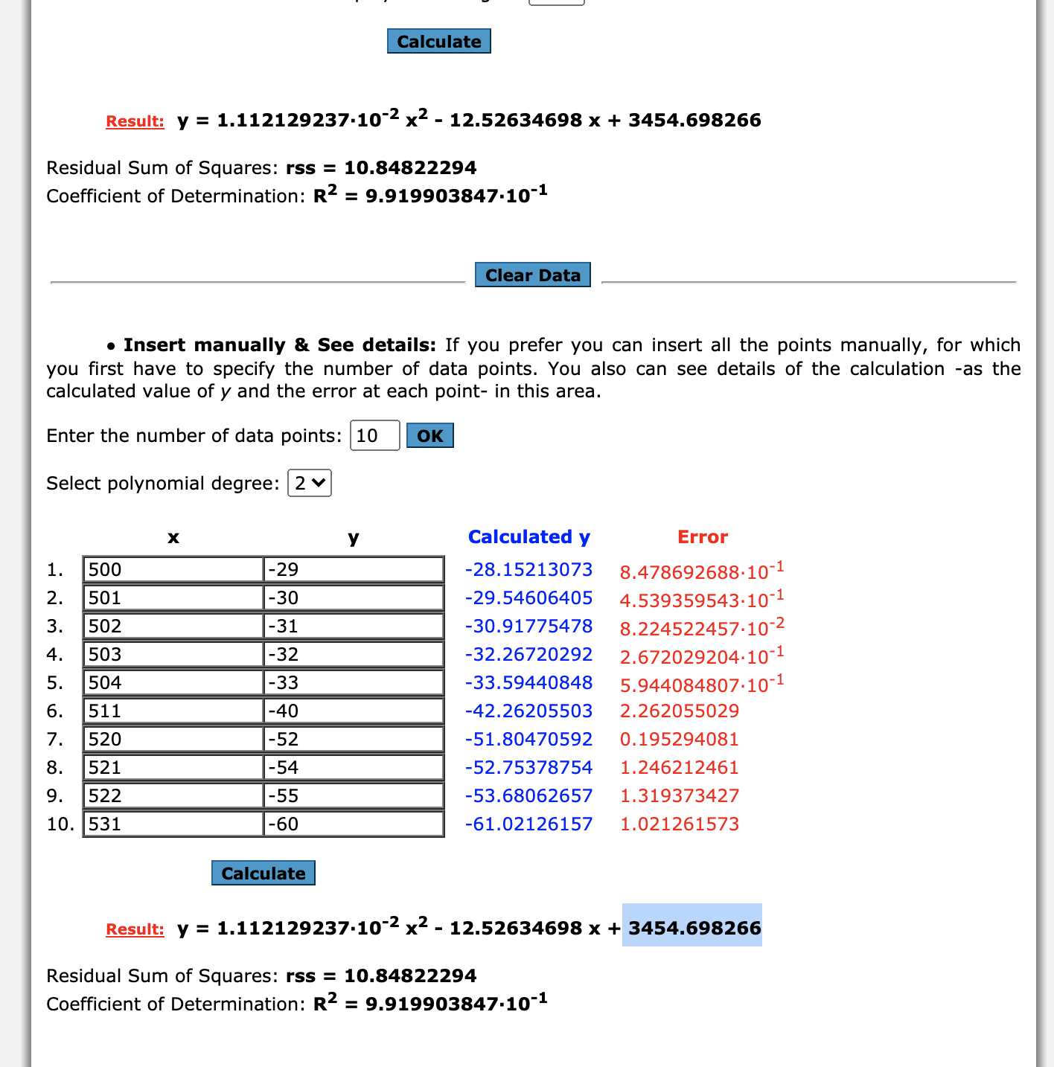
 |  |  |  |  |  |  |  |  | Rain

Thunderstorme
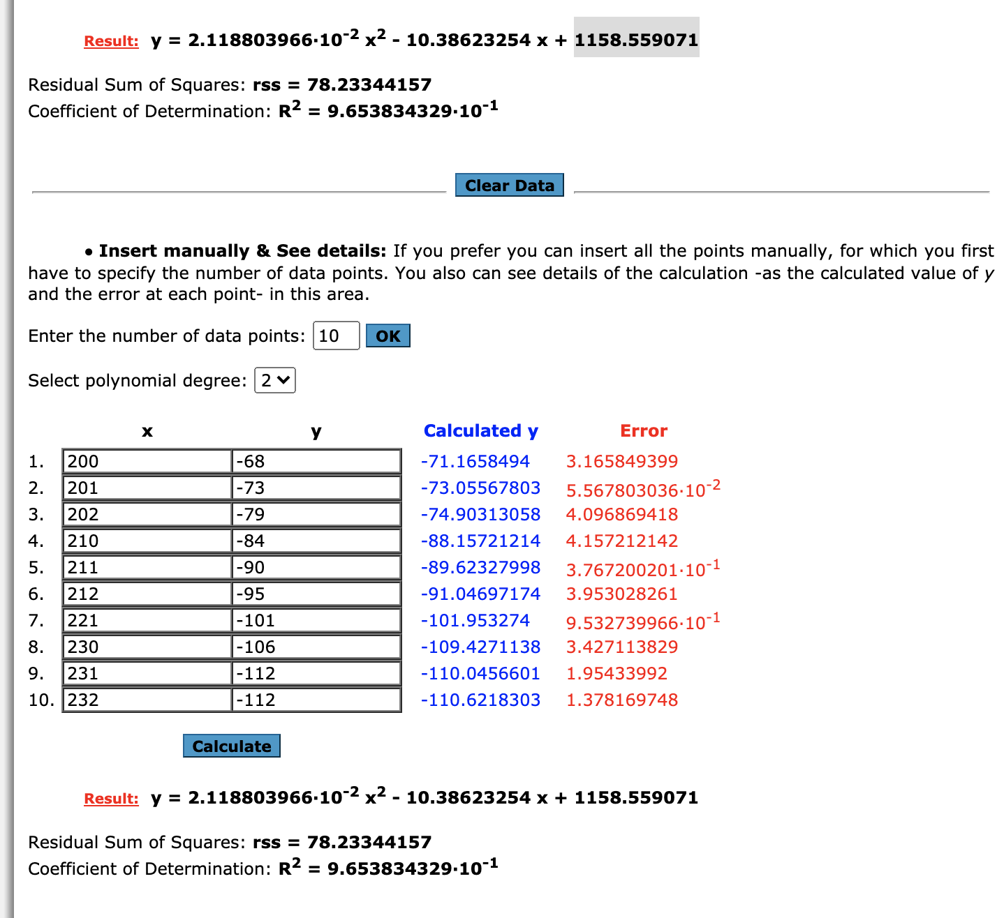
http://www.xuru.org/rt/PR.asp

DRAWING equations
Thunderstorme
 | DEG | Type |  | c1 | x2 | c2 | x | c3 | TOTAL
 | -60.0 | 200 |  | 2.08E-02 | 40000 | -10.08168264 | 200 | 1121.535281 | -63.03
 | -65.2 | 201 | 3.1% | 2.08E-02 | 40401 | -10.08168264 | 201 | 1121.535281 | -64.77
 | -70.1 | 202 | -0.5% | 2.08E-02 | 40804 | -10.08168264 | 202 | 1121.535281 | -66.47
 | -74.9 | 210 | -4.7% | 2.08E-02 | 44100 | -10.08168264 | 210 | 1121.535281 | -78.59
 | -79.9 | 211 | -0.5% | 2.08E-02 | 44521 | -10.08168264 | 211 | 1121.535281 | -79.91
 | -84.8 | 212 | -0.5% | 2.08E-02 | 44944 | -10.08168264 | 212 | 1121.535281 | -81.20
 | -89.6 | 221 | -4.2% | 2.08E-02 | 48841 | -10.08168264 | 221 | 1121.535281 | -90.90
 | -94.4 | 230 | -4.1% | 2.08E-02 | 52900 | -10.08168264 | 230 | 1121.535281 | -97.23
 | -99.4 | 231 | -0.4% | 2.12E-02 | 53361 | -10.38623254 | 231 | 1158.559071 | -110.05
 | -100.0 | 232 | -3.2% | 2.12E-02 | 53824 | -10.38623254 | 232 | 1158.559071 | -110.62

 | 160.0 | 32
 | factor | 5

 | 4.4444444444

 |  | 200 | -60
 |  | 201 | -65
 |  | 202 | -70
 |  | 210 | -75
 |  | 211 | -80
 |  | 212 | -85
 |  | 221 | -90
 |  | 230 | -94
 |  | 231 | -99
 |  | 232 | -100

 |  |  |  |  |  |  |  |  | Rain

Snow
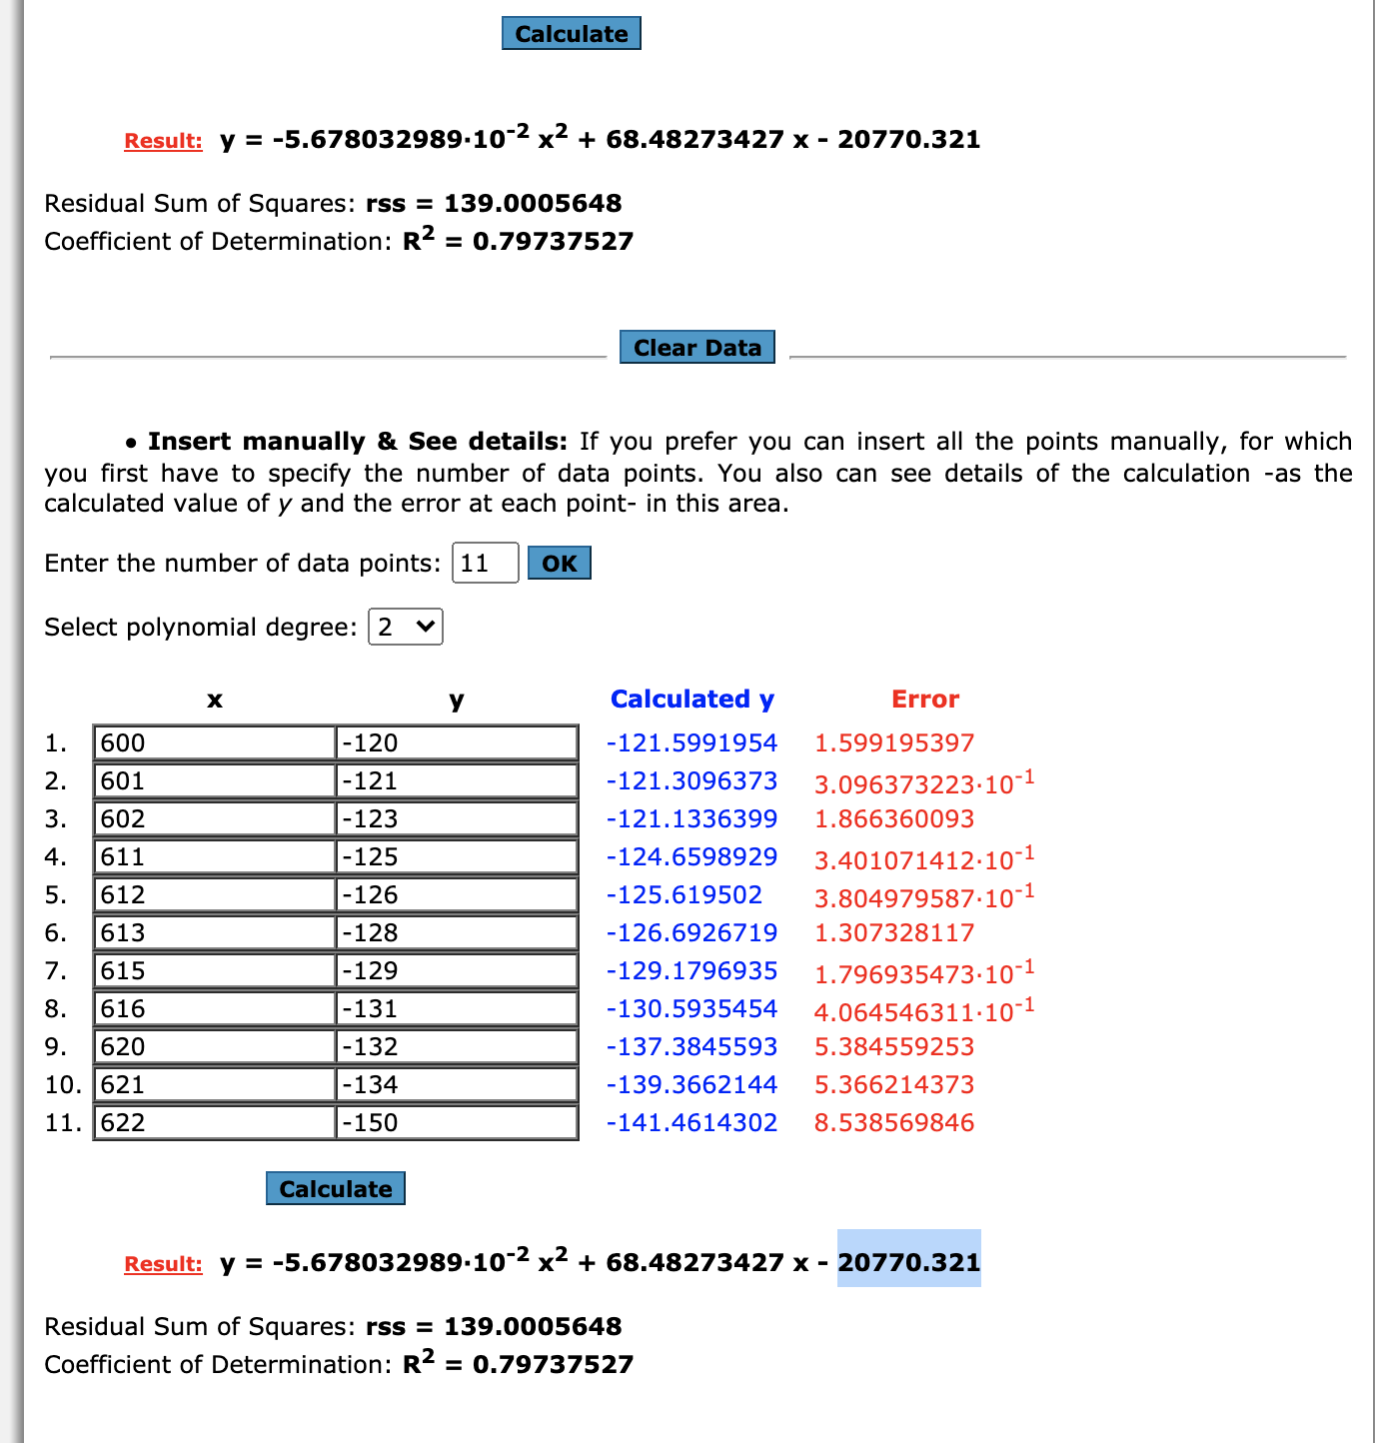
http://www.xuru.org/rt/PR.asp

DRAWING equations
Thunderstorme
 | DEG | Type |  | c1 | x2 | c2 | x | c3 | TOTAL
 | -120.0 | 600 |  | -5.68E-02 | 360000 | 68.48273427 | 600 | -20,770 | -121.60
-4.8% | -121.4 | 601 | 4.5% | -5.68E-02 | 361201 | 68.48273427 | 601 | -20,770 | -121.31
-4.8% | -122.9 | 602 | 4.5% | -5.68E-02 | 362404 | 68.48273427 | 602 | -20,770 | -121.13
-6.4% | -124.8 | 611 | 40.9% | -5.68E-02 | 373321 | 68.48273427 | 611 | -20,770 | -124.66
-4.8% | -126.2 | 612 | 4.5% | -5.68E-02 | 374544 | 68.48273427 | 612 | -20,770 | -125.62
-4.8% | -127.6 | 613 | 4.5% | -5.68E-02 | 375769 | 68.48273427 | 613 | -20,770 | -126.69
-5.0% | -129.1 | 615 | 9.1% | -5.68E-02 | 378225 | 68.48273427 | 615 | -20,770 | -129.18
-4.8% | -130.5 | 616 | 4.5% | -5.68E-02 | 379456 | 68.48273427 | 616 | -20,770 | -130.59
-5.4% | -132.1 | 620 | 18.2% | -5.68E-02 | 384400 | 68.48273427 | 620 | -20,770 | -137.38
-4.8% | -133.6 | 621 | 4.5% | -5.68E-02 | 385641 | 68.48273427 | 621 | -20,770 | -139.37
 | -150.0 | 622 | 4.5% | -5.68E-02 | 386884 | 68.48273427 | 622 | -20,770 | -141.46

 | 30.0 | 22
 | factor | 1.36364

 | 4.4444444444

 |  | 600 | -120
 |  | 601 | -121
 |  | 602 | -123
 |  | 611 | -125
 |  | 612 | -126
 |  | 613 | -128
 |  | 615 | -129
 |  | 616 | -131
 |  | 620 | -132
 |  | 621 | -134
 |  | 622 | -150

 |  |  |  |  |  |  |  |  | Rain

