Sheet1
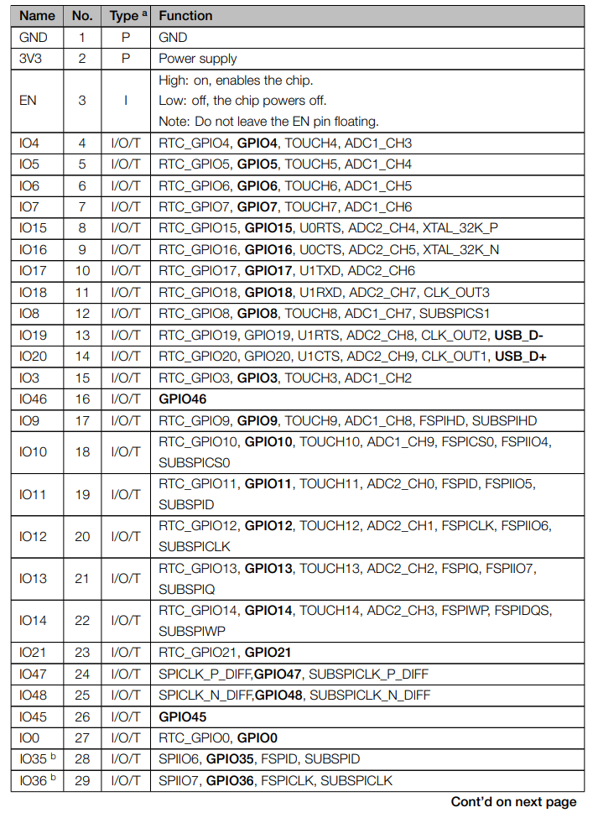
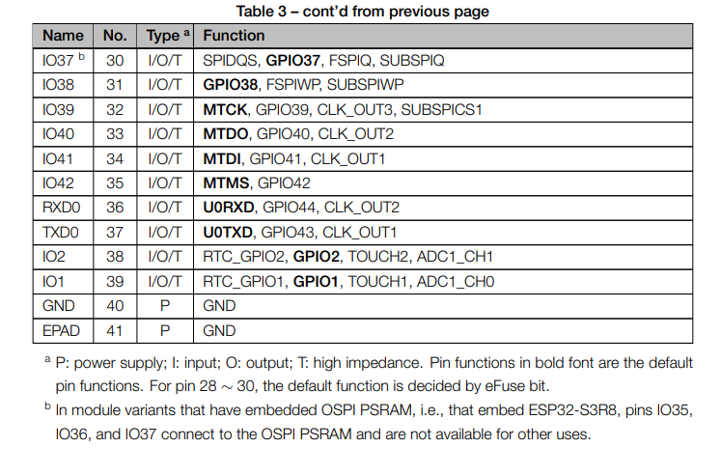
Function | GPIO
7080G RX | 47
7080G TX | 21
7080G PWR | 4
LED Green | 15
LED Red | 16
PIR digital values (0,1) | 10
Microphone ADC | 9
Vin Current | 5
Jumper Pin additional Sensor | 1
Jumper ADC PIN additinal analog Sensor | 2
Modem On (instead of blue LED1) | 36
Battery Voltage | 6
Charging (instead of orange LED3) | 48
Fully Charged (instead of blue LED2 ) | 35

