Arkusz1
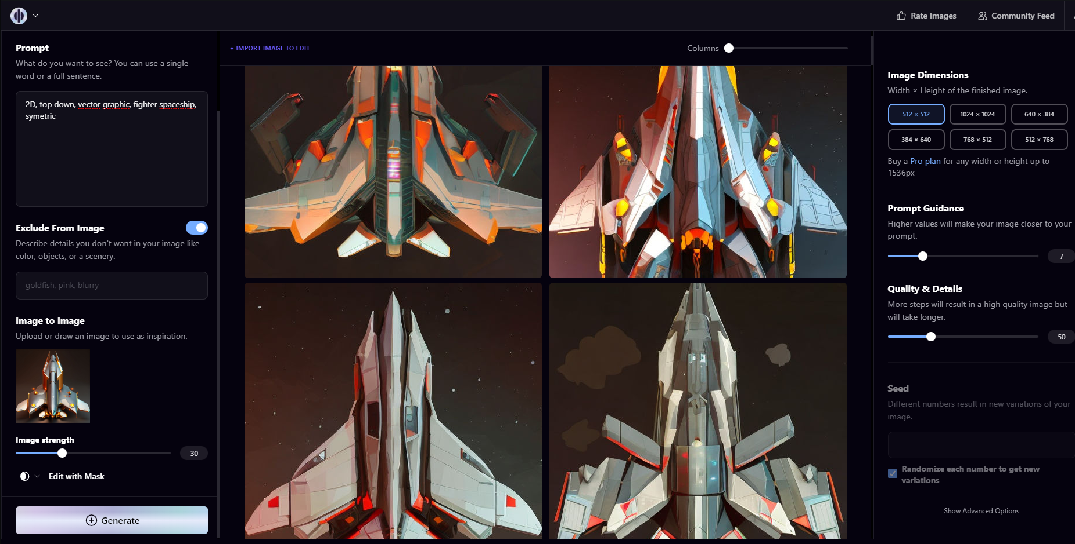

bullet0,cosmic,geometric 2D, simple shapes, triangular, symmetric, sharp edges, game asset, vector graphic, solid color background,

shadows, gradient background

bullet,geometric, 2D, simple shapes, triangular, symmetric, sharp edges, game asset, vector graphic, solid color background

