Source
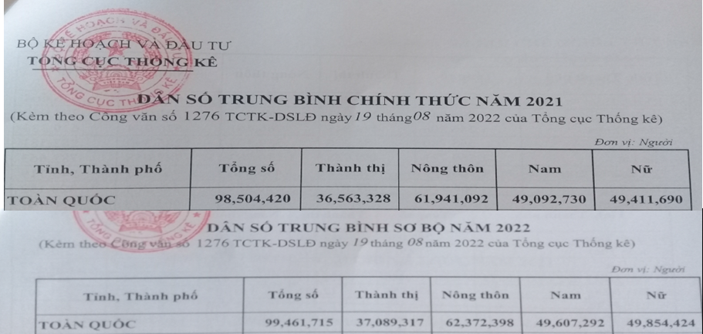
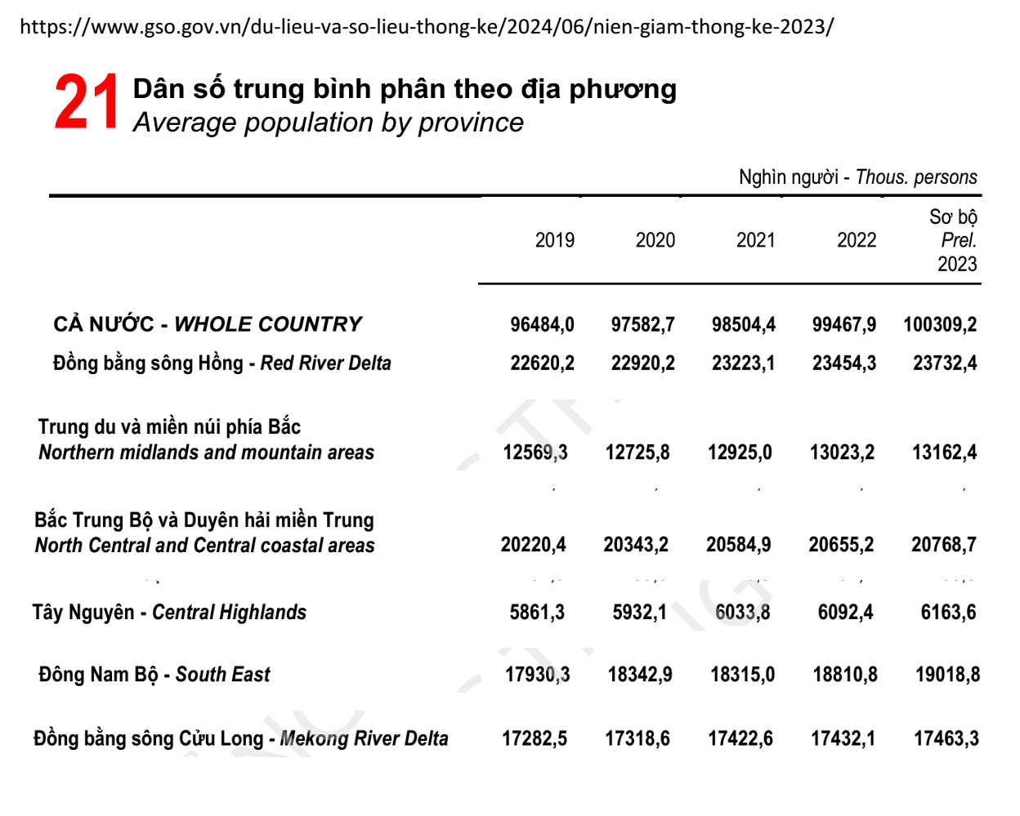
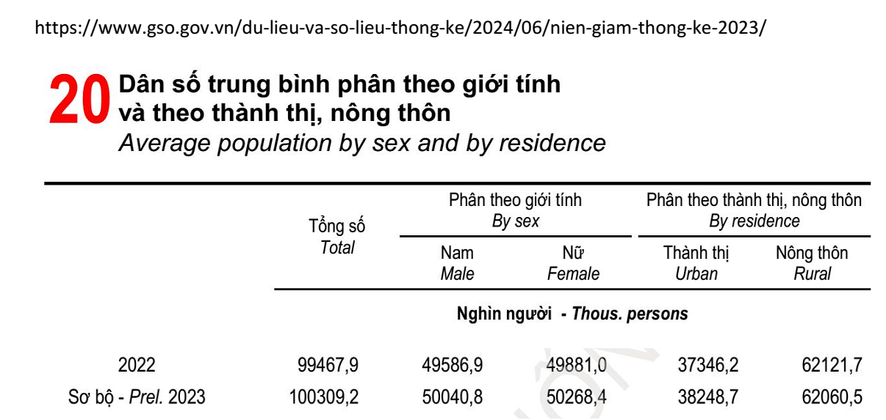
Average population by sex and by residence by Items, Year and Sex, residence

 |  | Total | Male | Female | Urban | Rural
Total - Thous. pers. | 1990 | 66016.7 | 32202.8 | 33813.9 | 12880.3 | 53136.4
 | 1991 | 67242.4 | 32814.3 | 34428.1 | 13227.5 | 54014.9
 | 1992 | 68450.1 | 33424.2 | 35025.9 | 13587.6 | 54862.5
 | 1993 | 69644.5 | 34028.3 | 35616.2 | 13961.2 | 55683.3
 | 1994 | 70824.5 | 34633.2 | 36191.3 | 14425.6 | 56398.9
 | 1995 | 71995.5 | 35237.4 | 36758.1 | 14938.1 | 57057.4
 | 1996 | 73156.7 | 35857.3 | 37299.4 | 15419.9 | 57736.8
 | 1997 | 74306.9 | 36473.1 | 37833.8 | 16835.4 | 57471.5
 | 1998 | 75456.3 | 37089.7 | 38366.6 | 17464.6 | 57991.7
 | 1999 | 76596.7 | 37662.1 | 38934.6 | 18081.6 | 58515.1
 | 2000 | 77630.9 | 38165.3 | 39465.6 | 18725.4 | 58905.5
 | 2001 | 78620.5 | 38656.4 | 39964.1 | 19299.1 | 59321.4
 | 2002 | 79537.7 | 39112.2 | 40425.5 | 19873.2 | 59664.5
 | 2003 | 80467.4 | 39535 | 40932.4 | 20725 | 59742.4
 | 2004 | 81436.4 | 40042 | 41394.4 | 21601.2 | 59835.2
 | 2005 | 82392.1 | 40521.5 | 41870.6 | 22332 | 60060.1
 | 2006 | 83311.2 | 40999 | 42312.2 | 23045.8 | 60265.4
 | 2007 | 84218.5 | 41447.3 | 42771.2 | 23746.3 | 60472.2
 | 2008 | 85118.7 | 41956.1 | 43162.6 | 24673.1 | 60445.6
 | 2009 | 86025 | 42523.4 | 43501.6 | 25584.7 | 60440.3
 | 2010 | 86947.4 | 42993.5 | 43953.9 | 26515.9 | 60431.5
 | 2011 | 87860.4 | 43446.8 | 44413.6 | 27719.3 | 60141.1
 | 2012 | 88809.3 | 43908.2 | 44901.1 | 28269.2 | 60540.1
 | 2013 | 89759.5 | 44364.9 | 45394.6 | 28874.9 | 60884.6
 | 2014 | 90728.9 | 44758.1 | 45970.8 | 30035.4 | 60693.5
 | 2015 | 91709.8 | 45224 | 46485.8 | 31067.5 | 60642.3
 | 2016 | 92692.2 | 45753.4 | 46938.8 | 31926.3 | 60765.9
 | 2017 | 93671.6 | 46266.3 | 47411.3 | 32823.1 | 60854.5
 | 2018 | 94666.0 | 46785.2 | 47880.8 | 33830.0 | 60836.0
http://www.gso.gov.vn/default_en.aspx?tabid=774
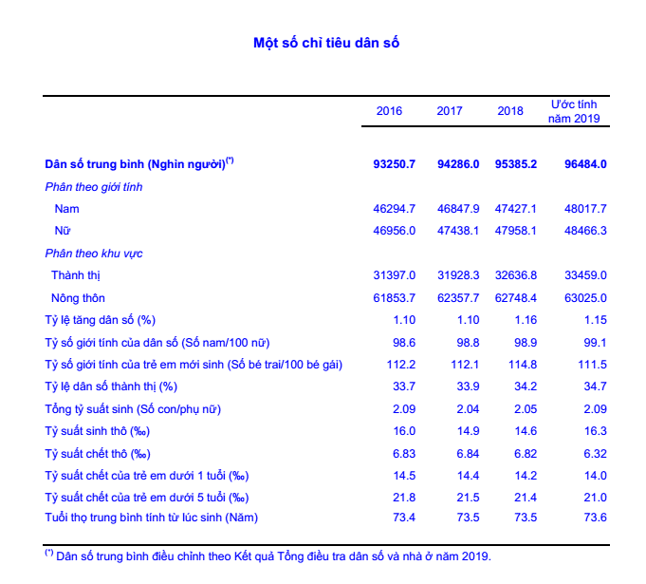

http://www.gso.gov.vn/Default.aspx?tabid=621&ItemID=19454

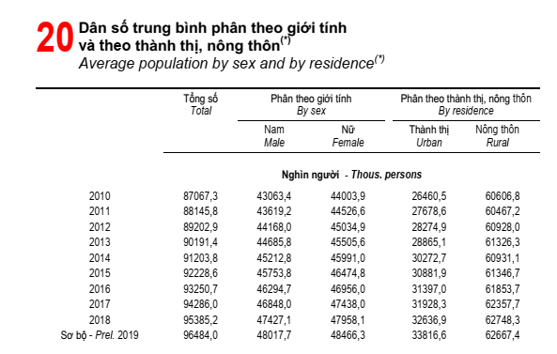

http://www.gso.gov.vn/default.aspx?tabid=512&idmid=5&ItemID=19689

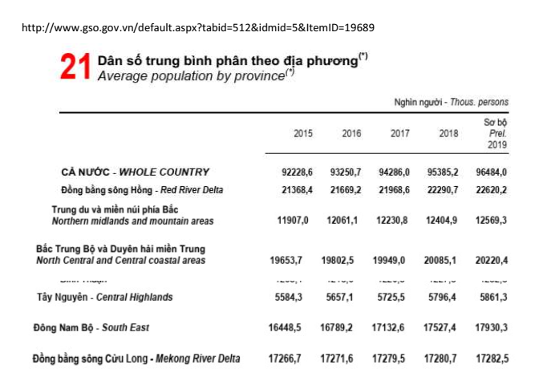

http://www.gso.gov.vn

https://www.gso.gov.vn/bai-top/2022/08/nien-giam-thong-ke-2021-2/

