プロ図
user

⑥ | ①

Salesforce

⑤ | ②
HEROKU
JAVAー Spring Framework

④ | ③

㏈

DB
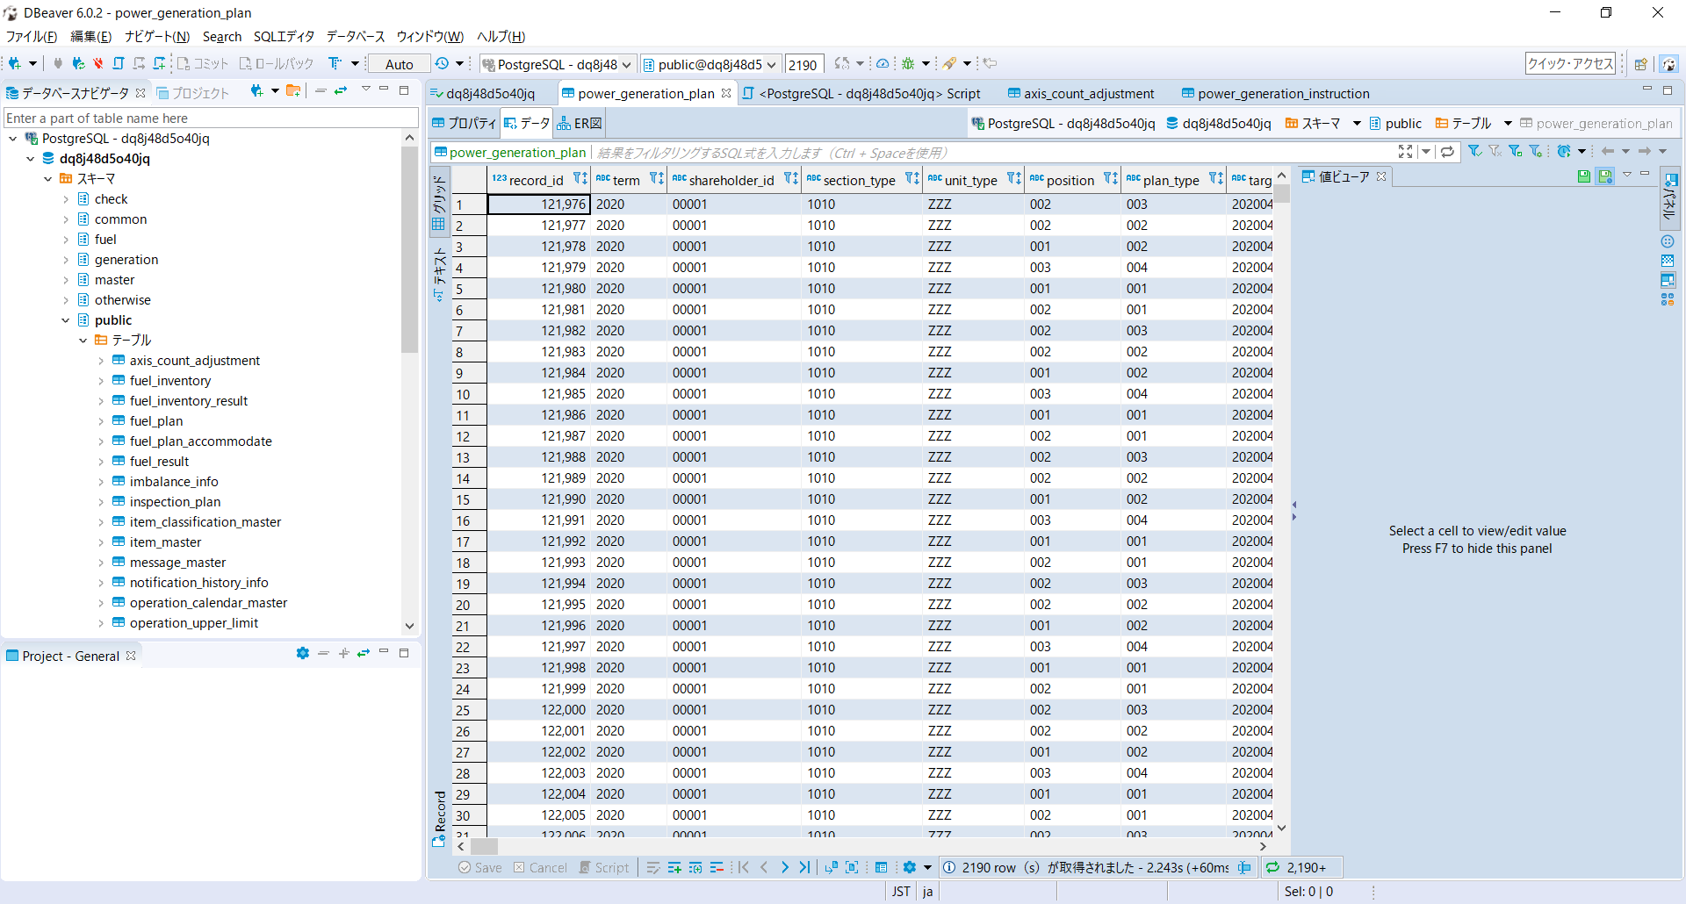
Postgre SQL

Thymeleaf
<!DOCTYPE HTML>
<html xmlns:th="http://www.thymeleaf.org">
<head>
<meta charset="UTF-8" />
<title>Person List</title>
<link rel="stylesheet" type="text/css" th:href="@{/css/style.css}"/>
</head>
<body>
<h1>Person List</h1>
<a href="addPerson">Add Person</a>
<br/><br/>
<div>
<table border="1">
<tr>
<th>First Name</th>
<th>Last Name</th>
</tr>
<tr th:each ="person : ${persons}">
<td th:utext="${person.firstName}">...</td>
<td th:utext="${person.lastName}">...</td>
</tr>
</table>
</div>
</body>
</html>
https://o7planning.org/vi/12345/thymeleaf
Thymeleaf
khai bao

khai bao bien
th:each

if else | <h2 th:utext="${user} ? ${user.userName} : 'You are not logged in' }"></h2>
Elvis
 |  | Biến trạng thái (State variable) l
<someHtmlTag th:each="item, iState : ${items}">
.....
</someHtmlTag>
<!-- OR: -->
<th:block th:each="item, iState : ${items}">
.....
</th:block>
vong lap |  | Property | Mô tả
 |  | index | Chỉ số hiện tại của phép lặp (iteration), bắt đầu với số 0.
 |  | count | Số phần tử đã được xử lý cho tới hiện tại.
 |  | size | Tổng số phần tử trong danh sách.
 |  | even/odd | Kiểm tra xem chỉ số (index) hiện tại của phép lặp (iteration) là chẵn hay lẻ.
 |  | first | Kiểm tra xem lần lặp hiện tại là lần lặp đầu tiên hay không?
 |  | last | Kiểm tra xem lần lặp hiện tại là lần lặp cuối hay không?

@RequestMapping("/loop-list-example")
public String loopListExample(Model model) {
Person tom = new Person(1L, "Tom", "tom@waltdisney.com");
Person jerry = new Person(2L, "Jerry", "jerry@waltdisney.com");
Person donald = new Person(3L, "Donald", "donald@waltdisney.com");
List<Person> list = new ArrayList<Person>();
list.add(tom);
list.add(jerry);
list.add(donald);
model.addAttribute("people", list);
return "loop-list-example";
}
<tr th:each="person, state : ${people}"
class="row" th:classappend="${state.odd} ? 'odd-row' : 'even-row'">
<td th:utext="${state.count}">No</td>
<td th:utext="${person.fullName}">Full Name</td>
<td th:utext="${person.email}">Email</td>
</tr>
Ví dụ với th:each và List:
(Java Spring)

th:if, th:unless
<!-- th:switch/th:case with default case: -->
<div th:switch="${user.role}">
<p th:case="'admin'">User is an administrator</p>
<p th:case="${roles.manager}">User is a manager</p>
<p th:case="'staff'">User is a staff</p>
<p th:case="*">User is some other thing</p>
</div>

<span th:utext="${#request.requestURL}"></span>

 | th:class
 | th:class sẽ tạo ra thuộc tính class (hoặc thay thế cho thuộc tính class có sẵn) trong quá trình Thymeleaf Engine tạo ra (generate)

 | th:classappend
 | Sử dụng th:classappend nếu bạn muốn nối thêm (append) giá trị vào cho thuộc tính class.

 | th:style
 | th:style sẽ tạo ra thuộc tính style (hoặc thay thế cho thuộc tính style có sẵn) trong quá trình Thymeleaf Engine tạo ra HTML.

 | th:styleappend
 | Sử dụng th:styleappend nếu bạn muốn nối thêm (append) giá trị vào cho thuộc tính style.

