Terms of Use
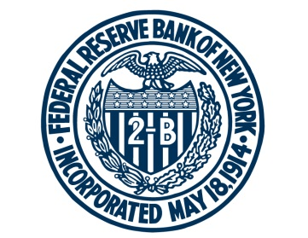 FEDERAL RESERVE BANK of NEW YORK

This spreadsheet contains updated estimates of the baseline model described in "Measuring the Natural Rate of Interest," by Thomas Laubach and John C. Williams, published in the Review of Economics and Statistics, November 2003.
Data updated: May 16, 2023

For any questions, please contact Research Publications at:
research.publications@ny.frb.org

Terms of Use:
https://www.newyorkfed.org/privacy/termsofuse.html

Note: Download this data from the New York Fed’s public website at
https://www.newyorkfed.org/research/policy/rstar/overview.

