Temperature Climatologies
Kelowna_Intl_AP | Past (TMY) | TMY Year | BCCAQv2 Past | BCCAQv2 Past | 2020s Future |  | 2020s Change |  | 2050s Future |  | 2050s Change |  | 2080s Future |  | 2080s Change
 |  |  | (1971-2000) | (1998-2014) | Average | 10th%-90th% | Average | 10th%-90th% | Average | 10th%-90th% | Average | 10th%-90th% | Average | 10th%-90th% | Average | 10th%-90th%
January Tmean (°C) | -1.3 | 2002 | -3.6 | -2.8 | -0.4 | (-1.2 to 0.4) | 0.9 | (0.1 to 1.7) | 0.5 | (-0.2 to 1) | 1.8 | (1.1 to 2.4) | 3 | (2.4 to 3.8) | 4.3 | (3.7 to 5.1)
February Tmean (°C) | -0.8 | 2000 | -0.8 | -0.2 | -0.3 | (-0.7 to 0.3) | 0.6 | (0.2 to 1.2) | 0.9 | (0.3 to 1.5) | 1.7 | (1.2 to 2.3) | 3.1 | (2.8 to 3.8) | 4 | (3.6 to 4.6)
March Tmean (°C) | 3.7 | 2001 | 3.1 | 3.7 | 4.5 | (3.9 to 4.9) | 0.8 | (0.2 to 1.2) | 6 | (5.2 to 6.9) | 2.3 | (1.5 to 3.1) | 8.2 | (6.9 to 9.6) | 4.5 | (3.2 to 5.9)
April Tmean (°C) | 8 | 2007 | 8 | 8.9 | 9 | (9 to 9) | 1 | (0 to 1) | 10 | (10 to 11) | 2 | (1 to 3) | 12 | (11 to 13) | 4 | (3 to 5)
May Tmean (°C) | 12.9 | 2001 | 12.7 | 13.3 | 13.6 | (12.9 to 14.4) | 0.7 | (0 to 1.5) | 14.9 | (14.3 to 15.5) | 2 | (1.4 to 2.6) | 16.7 | (15.1 to 17.9) | 3.8 | (2.2 to 4.9)
June Tmean (°C) | 17.5 | 2006 | 16.5 | 17.1 | 18.4 | (17.9 to 19.1) | 0.9 | (0.3 to 1.6) | 20.1 | (19.1 to 21.3) | 2.6 | (1.5 to 3.8) | 22.4 | (20.5 to 24.2) | 4.8 | (3 to 6.6)
July Tmean (°C) | 21.4 | 2006 | 19.5 | 20.2 | 22.3 | (21.7 to 22.9) | 0.9 | (0.3 to 1.6) | 24.7 | (23 to 26.6) | 3.3 | (1.6 to 5.2) | 27.3 | (24.2 to 30.1) | 5.9 | (2.8 to 8.7)
August Tmean (°C) | 19.6 | 2001 | 18.8 | 20 | 20.4 | (19.9 to 20.9) | 0.8 | (0.3 to 1.4) | 22.7 | (21 to 23.8) | 3.1 | (1.4 to 4.2) | 25.7 | (23.1 to 27.9) | 6.1 | (3.5 to 8.3)
September Tmean (°C) | 14 | 2006 | 14 | 14.6 | 14.9 | (14.2 to 15.9) | 0.9 | (0.2 to 2) | 16.7 | (15.1 to 18.4) | 2.7 | (1.1 to 4.5) | 19.3 | (16.6 to 22.1) | 5.3 | (2.7 to 8.1)
October Tmean (°C) | 6.8 | 2007 | 7.7 | 8.3 | 7.5 | (7 to 8.2) | 0.7 | (0.2 to 1.4) | 9 | (7.7 to 10.4) | 2.1 | (0.9 to 3.6) | 10.7 | (9.2 to 12.4) | 3.9 | (2.3 to 5.6)
November Tmean (°C) | 2.4 | 2004 | 1.6 | 1.9 | 3.2 | (2.8 to 3.7) | 0.8 | (0.4 to 1.3) | 4.7 | (3.9 to 5.4) | 2.3 | (1.5 to 3) | 6.3 | (5.6 to 7) | 3.9 | (3.2 to 4.6)
December Tmean (°C) | -2.2 | 2006 | -2.4 | -1.9 | -1 | (-1.7 to -0.3) | 1.2 | (0.5 to 1.9) | 0.4 | (-0.1 to 1) | 2.6 | (2.1 to 3.2) | 2.3 | (1.7 to 3.2) | 4.5 | (3.9 to 5.4)
Winter Tmean (°C) | -1.5 | NA | -2.3 | -1.7 | -0.5 | (-1 to -0.2) | 0.9 | (0.5 to 1.3) | 0.6 | (0.2 to 1.1) | 2.1 | (1.6 to 2.5) | 2.8 | (2.4 to 3.4) | 4.3 | (3.9 to 4.9)
Spring Tmean (°C) | 8 | NA | 7.9 | 8.7 | 9 | (9 to 9) | 1 | (0 to 1) | 10 | (10 to 11) | 2 | (2 to 3) | 12 | (11 to 14) | 4 | (3 to 5)
Summer Tmean (°C) | 19.5 | NA | 18.3 | 19.1 | 20.4 | (19.9 to 21.1) | 0.9 | (0.4 to 1.6) | 22.5 | (21 to 23.8) | 3 | (1.5 to 4.2) | 25.1 | (22.6 to 27.3) | 5.6 | (3.1 to 7.8)
Fall Tmean (°C) | 7.7 | NA | 7.7 | 8.3 | 8.5 | (8.1 to 9.2) | 0.8 | (0.4 to 1.4) | 10.1 | (9 to 11.5) | 2.4 | (1.3 to 3.8) | 12.1 | (10.5 to 13.8) | 4.3 | (2.8 to 6)
Annual Tmean (°C) | 8.6 | NA | 7.9 | 8.6 | 9.4 | (9.2 to 9.8) | 0.8 | (0.6 to 1.2) | 11 | (10.2 to 11.9) | 2.4 | (1.6 to 3.3) | 13.2 | (11.8 to 14.5) | 4.6 | (3.2 to 5.9)

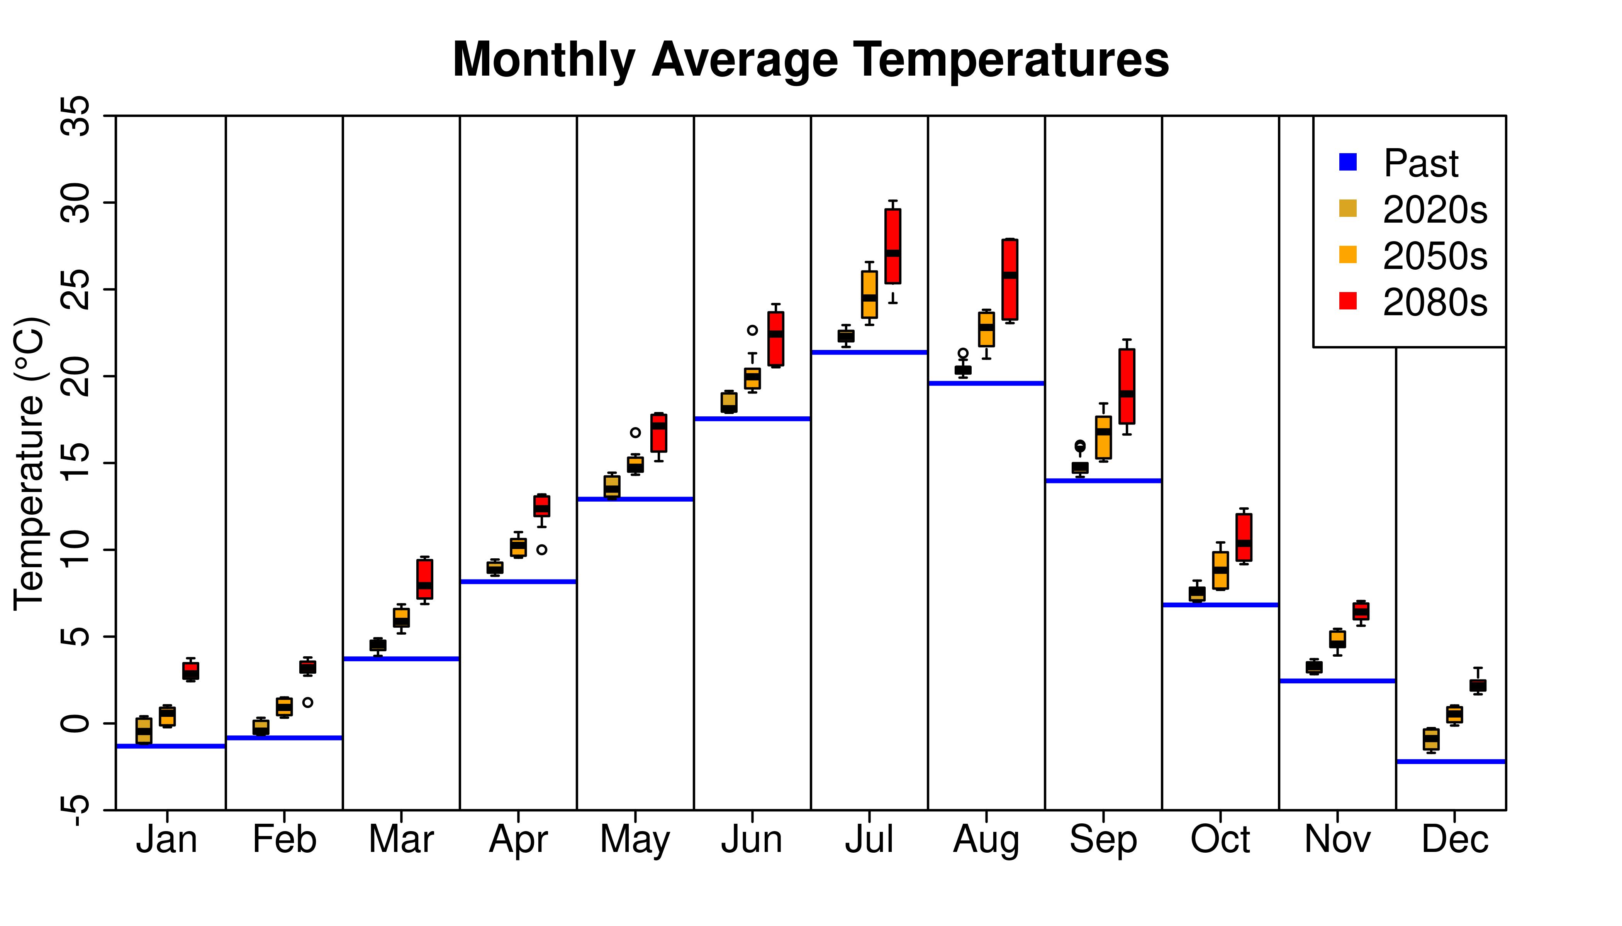
 |  |  |  |  |  | Plot Description
 |  |  |  |  |  | The plot to the left displays temperature climatologies
 |  |  |  |  |  | from the above table. The blue 'Past' lines correspond to
 |  |  |  |  |  | the 'Past (TMY)' column. The boxplots are computed from
 |  |  |  |  |  | the ensemble of future projections for the 2020s, 2050s,
 |  |  |  |  |  | and 2080s that is summarized in the 'Future' columns.

