Overview
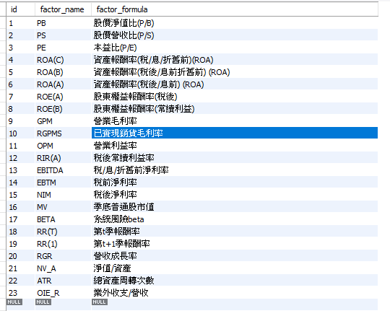
 | factor_name | factor_name_abbr | factor_formula
收盤價(元) | Close | CLOSE | CLOSE
市值(百萬元) | Market_Cap_Million | CAP | CAP
本益比-TSE | PE_Ratio_TSE | PE_TSE | PE_TSE
本益比-TEJ | PE_Ratio_TEJ | PE | PE
股價淨值比-TSE | PB_Ratio_TSE | PB_TSE | PB_TSE
股價淨值比-TEJ | PB_Ratio_TEJ | PB | PB
股價營收比-TEJ | PS_Ratio_TEJ | PS | PS
股利殖利率-TSE | Dividend_Yield | DY | DY
CAPM_Beta 一月 | CAPM_Beta_1_Months | BETA_1M | BETA_1M
CAPM_Beta 三月 | CAPM_Beta_3_Months | BETA_3M | BETA_3M
CAPM_Beta 六月 | CAPM_Beta_6_Months | BETA_6M | BETA_6M
CAPM_Beta 一年 | CAPM_Beta_1_Year | BETA_1Y | BETA_1Y
每股淨值(B) | Book_Value_Per_Share | BVPS | BVPS
每股盈餘 | Earnings_Per_Share | EPS | EPS
ROA(C)稅前息前折舊前 | ROA_PreTax | ROA_C | ROA_C
ROA(B)稅後息前折舊前 | ROA_AfterTax | ROA_B | ROA_B
ROA(A)稅後息前 | ROA_AfterTax_Pre_Interest | ROA_A | ROA_A
ROA－綜合損益 | ROA_Comprehensive_Income | ROA | ROA
營業毛利率 | Gross_Profit_Margin | GPM | GPM
已實現銷貨毛利 | Realized_Gross_Profit | RGPMS | RGPMS
營業利益率 | Operating_Profit_Margin | OPM | OPM
常續利益率－稅後 | Recurring_Earnings_Margin_After_Tax | RIR_A | RIR_A
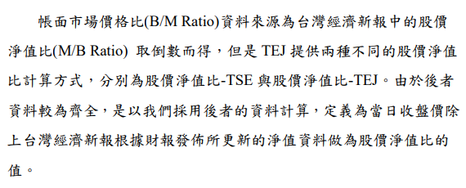
稅前息前折舊前淨利率 | Pre_Tax_Net_Profit_Margin | EBITDA | EBITDA
稅前淨利率 | Pre_Tax_Net_Profit_Rate | EBTM | EBTM
稅後淨利率 | After_Tax_Net_Profit_Rate | NIM | NIM
季底普通股市值 | End_of_Quarter_Market_Value_of_Ordinary_Shares | MV | MV
營收成長率 | Revenue_Growth_Rate | RGR | RGR
淨值/資產 | Equity_Asset_Ratio | NV_A | NV_A
總資產週轉次數 | Total_Asset_Turnover | ATR | ATR
業外收支/營收 | Non_Operating_Incomeand_Expenditure_to_Revenue | OIE_R | OIE_R
ROE(A)－稅後 | ROE_AfterTax_Pre_Interest | ROE_A | ROE_A
ROE(B)－常續利益 | ROE_Sustainable_Income | ROE_B | ROE_B
ROE－綜合損益 | ROE_Comprehensive_Income | ROE | ROE
研究發展費 | Research_Development_Expenses | RD | RD

