Sheet1
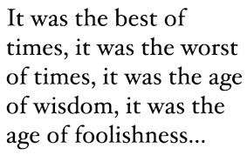
Character | Real Name | First Appearance | Year
Iron Man | Tony Stark | Tales of Suspense #39 | 1963
Captain America | Steve Rogers | Captain America Comics #1 | 1941
Thor | Thor Odinson | Journey into Mystery #83 | 1962
Hulk | Bruce Banner | The Incredible Hulk #1 | 1962
Black Widow | Natasha Romanoff | Tales of Suspense #52 | 1964
Hawkeye | Clint Barton | Tales of Suspense #57 | 1964
Scarlet Witch | Wanda Maximoff | The X-Men #4 | 1964
Vision | Vision | The Avengers #57 | 1968
Black Panther | T'Challa | Fantastic Four #52 | 1966
Doctor Strange | Stephen Strange | Strange Tales #110 | 1963

