All points
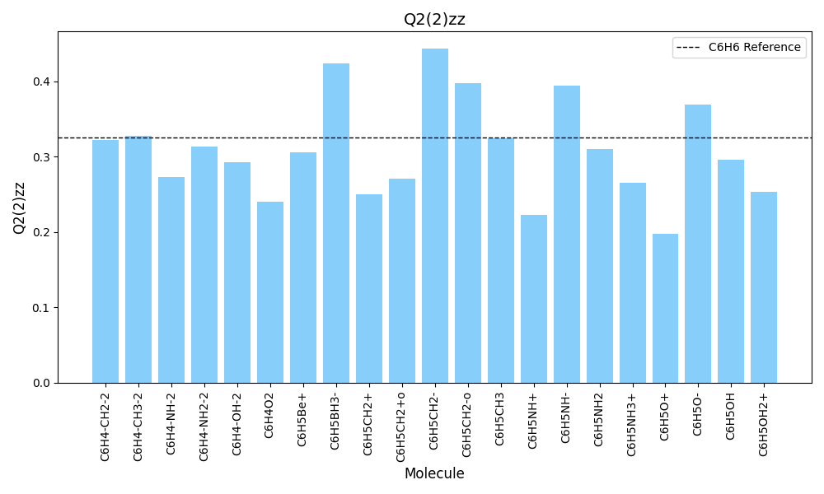
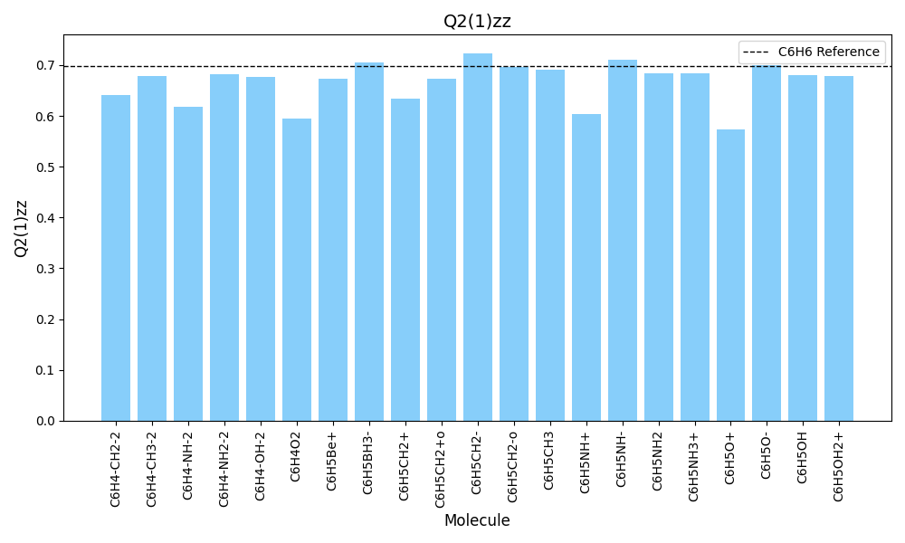
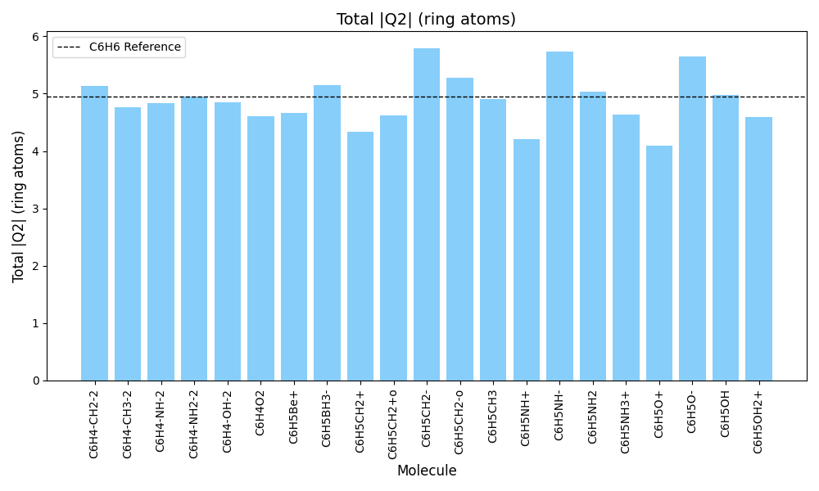
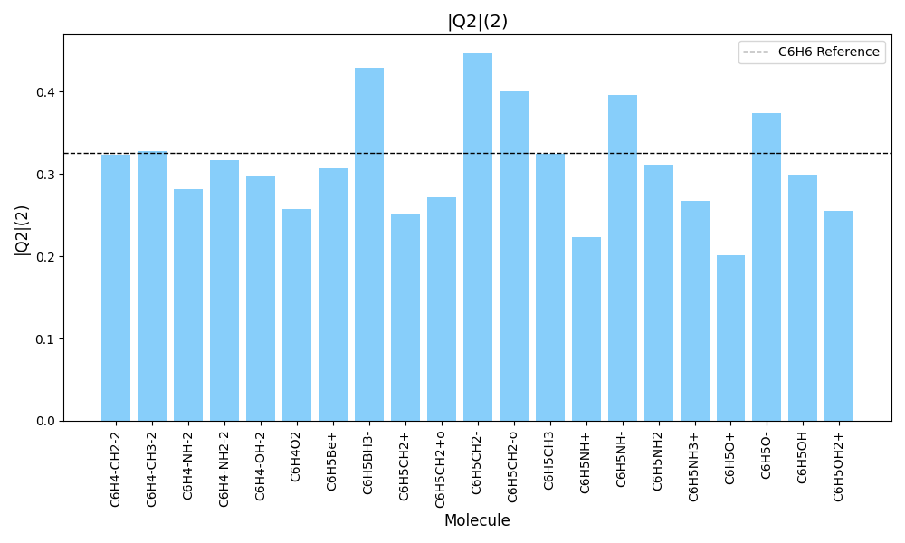
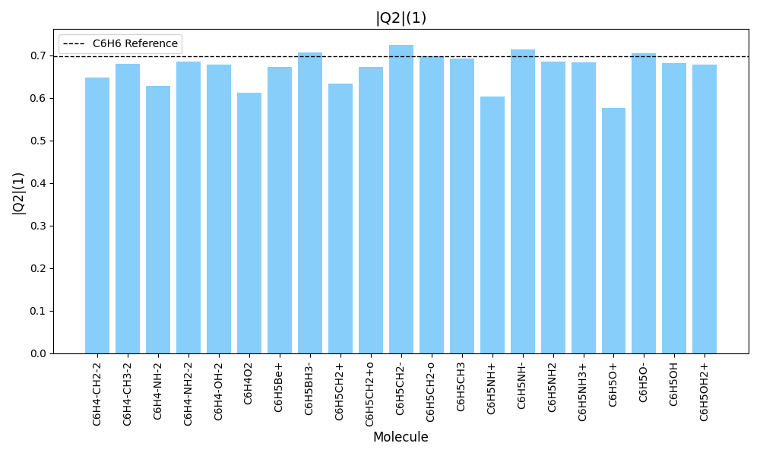
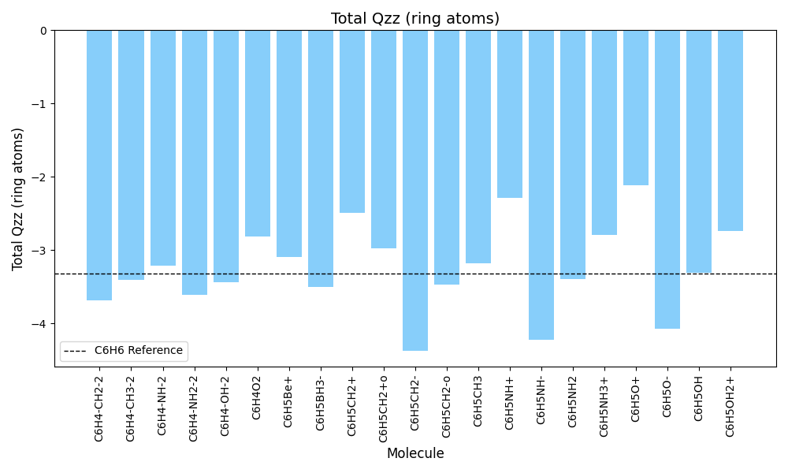
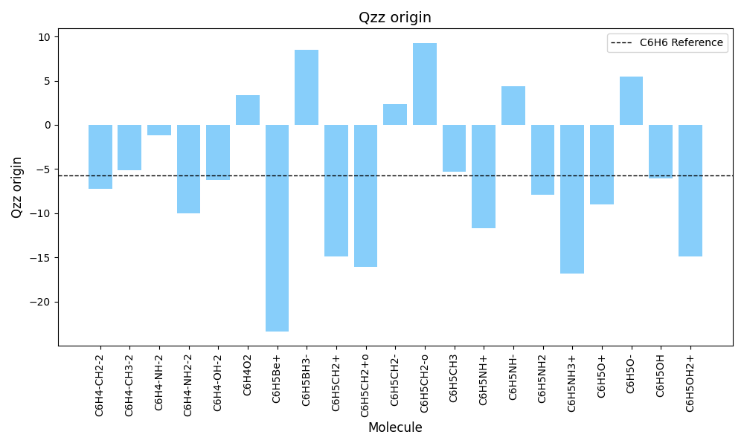
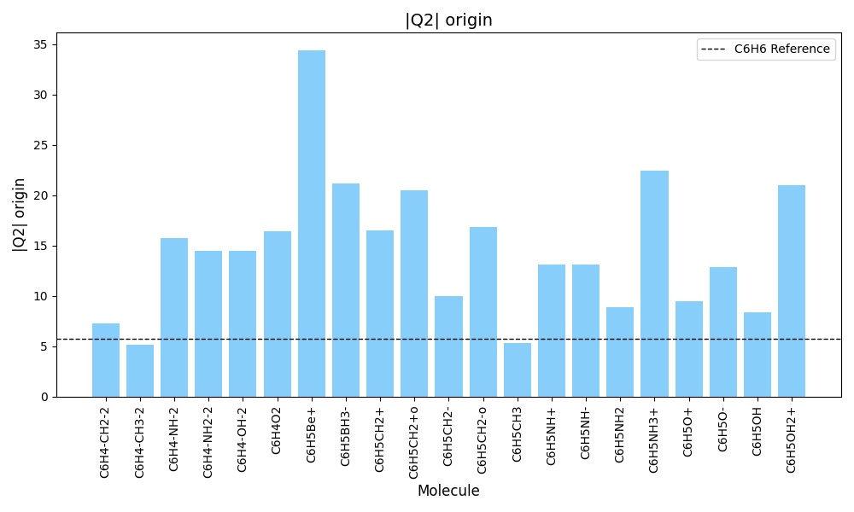
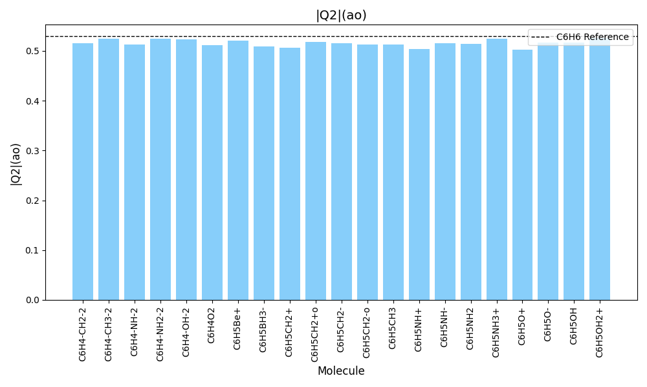
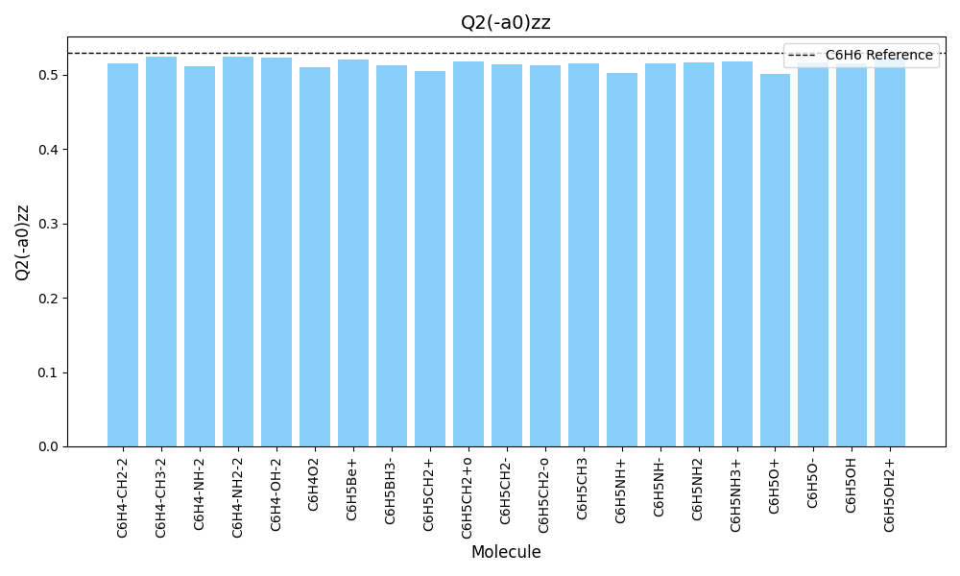
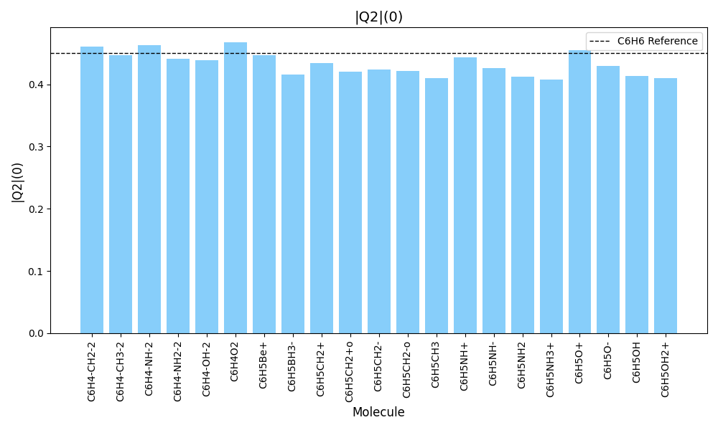


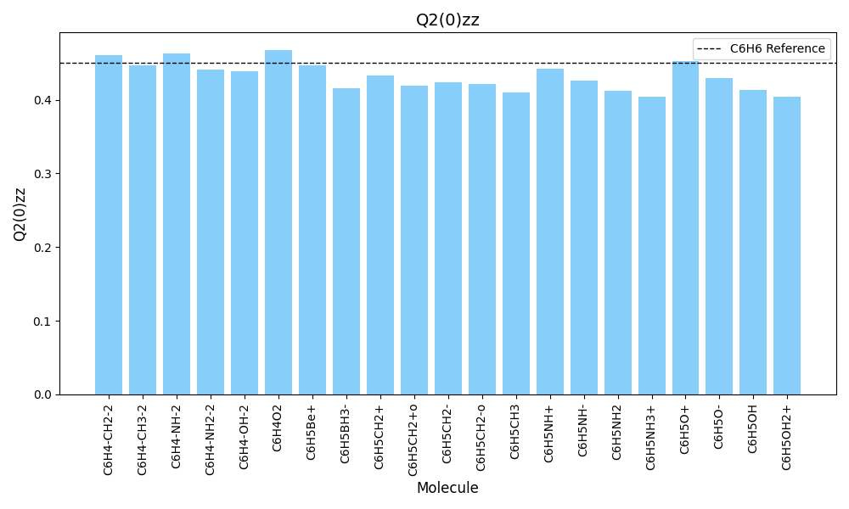
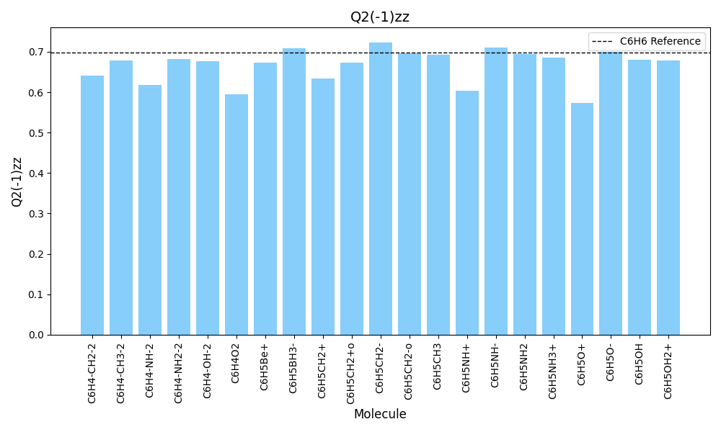
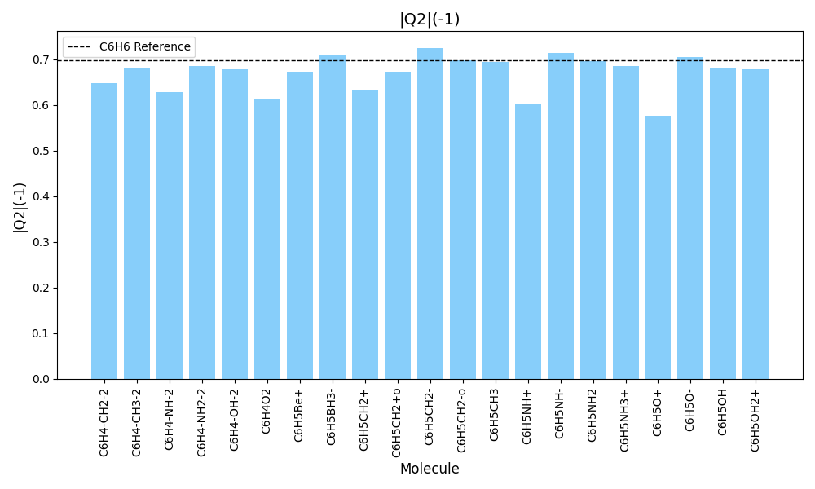
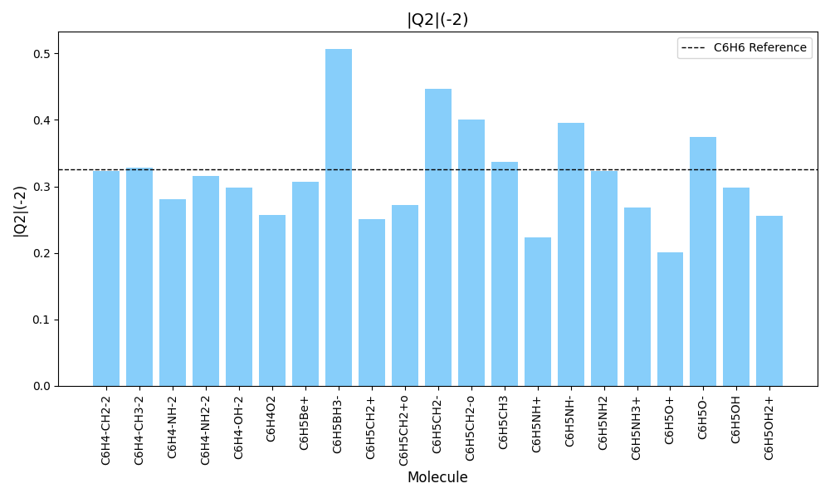
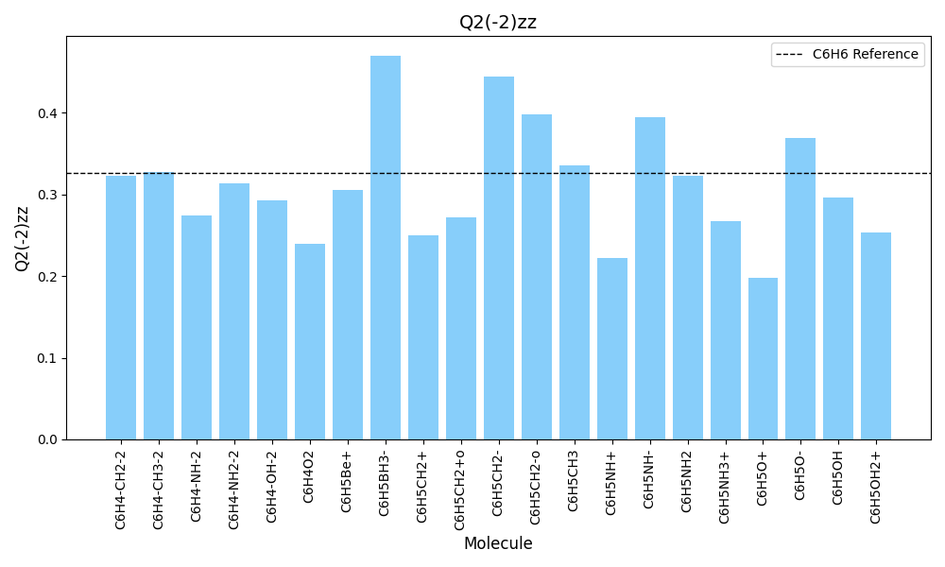
Absolut Data

Molecule | Total |Q2| (ring atoms) | Total Qzz (ring atoms) | |Q2| origin | Qzz origin | |Q2|(2) | Q2(2)zz | |Q2|(1) | Q2(1)zz | |Q2|(ao) | Q2(ao)zz | |Q2|(0) | Q2(0)zz | |Q2|(-a0) | Q2(-a0)zz | |Q2|(-1) | Q2(-1)zz | |Q2|(-2) | Q2(-2)zz
C6H4(CH2)2 | 5.132782 | -3.689454 | 7.25101 | -7.211825 | 0.323033 | 0.322737 | 0.648164 | 0.640747 | 0.51549 | 0.514978 | 0.460312 | 0.459946 | 0.51549 | 0.514978 | 0.648164 | 0.640747 | 0.323033 | 0.322737
C6H4(CH3)2 | 4.761496 | -3.40088 | 5.17812 | -5.12619 | 0.327587 | 0.327563 | 0.679467 | 0.678623 | 0.524724 | 0.52472 | 0.447118 | 0.447064 | 0.524724 | 0.52472 | 0.679467 | 0.678623 | 0.327587 | 0.327563
C6H4(NH)2 | 4.830432 | -3.213974 | 15.773535 | -1.166329 | 0.280982 | 0.273657 | 0.628672 | 0.617123 | 0.512893 | 0.511962 | 0.462817 | 0.462628 | 0.512893 | 0.511962 | 0.628672 | 0.617123 | 0.280982 | 0.273657
C6H4(NH2)2 | 4.949578 | -3.612568 | 14.46661 | -10.032377 | 0.316194 | 0.313499 | 0.684595 | 0.682634 | 0.524656 | 0.52458 | 0.441409 | 0.441408 | 0.524656 | 0.52458 | 0.684595 | 0.682634 | 0.316194 | 0.313499
C6H4(OH)2 | 4.845386 | -3.440688 | 14.501651 | -6.247729 | 0.297928 | 0.292357 | 0.67862 | 0.676627 | 0.523624 | 0.523424 | 0.438501 | 0.438332 | 0.523624 | 0.523424 | 0.67862 | 0.676627 | 0.297928 | 0.292357
C6H4O2 | 4.60109 | -2.813568 | 16.392566 | 3.385922 | 0.256996 | 0.239859 | 0.611616 | 0.595217 | 0.511705 | 0.510225 | 0.467859 | 0.467793 | 0.511705 | 0.510225 | 0.611616 | 0.595217 | 0.256996 | 0.239859
C6H5CH2+ | 4.332082 | -2.490886 | 16.520525 | -14.888493 | 0.250399 | 0.250348 | 0.633393 | 0.633275 | 0.506174 | 0.505451 | 0.433869 | 0.432646 | 0.506174 | 0.505451 | 0.633393 | 0.633275 | 0.250399 | 0.250348
C6H5CH2- | 5.795248 | -4.370199 | 9.963437 | 2.35024 | 0.446826 | 0.444057 | 0.725337 | 0.723539 | 0.514882 | 0.514392 | 0.42328 | 0.423272 | 0.514882 | 0.514392 | 0.725337 | 0.723539 | 0.446826 | 0.444057
C6H5CH3 | 4.907934 | -3.174753 | 5.340284 | -5.335627 | 0.32456 | 0.324318 | 0.692541 | 0.691589 | 0.512334 | 0.511369 | 0.410409 | 0.409523 | 0.51628 | 0.515167 | 0.693582 | 0.69301 | 0.336813 | 0.335215
C6H5NH+ | 4.210518 | -2.285256 | 13.102096 | -11.686589 | 0.223166 | 0.222534 | 0.603605 | 0.60288 | 0.503623 | 0.502737 | 0.443463 | 0.442231 | 0.503623 | 0.502737 | 0.603605 | 0.60288 | 0.223166 | 0.222534
C6H5NH- | 5.726995 | -4.219801 | 13.089626 | 4.332871 | 0.395668 | 0.394354 | 0.714029 | 0.710375 | 0.515757 | 0.515286 | 0.426343 | 0.426315 | 0.515757 | 0.515286 | 0.714029 | 0.710375 | 0.395668 | 0.394354
C6H5NH2 | 5.033884 | -3.398025 | 8.908242 | -7.888824 | 0.311671 | 0.310777 | 0.685493 | 0.683327 | 0.514104 | 0.512957 | 0.412333 | 0.411643 | 0.517163 | 0.516022 | 0.696152 | 0.694163 | 0.323467 | 0.322638
C6H5O+ | 4.09933 | -2.111578 | 9.508024 | -8.963807 | 0.201286 | 0.198277 | 0.576484 | 0.573736 | 0.501928 | 0.50062 | 0.454273 | 0.452956 | 0.501928 | 0.50062 | 0.576484 | 0.573736 | 0.201286 | 0.198277
C6H5O- | 5.641936 | -4.077745 | 12.836347 | 5.426658 | 0.37418 | 0.369522 | 0.705218 | 0.700111 | 0.516823 | 0.516344 | 0.429078 | 0.429055 | 0.516823 | 0.516344 | 0.705218 | 0.700111 | 0.37418 | 0.369522
C6H5OH | 4.982682 | -3.308481 | 8.353116 | -6.08014 | 0.298701 | 0.295765 | 0.682754 | 0.680106 | 0.516969 | 0.515734 | 0.413738 | 0.412711 | 0.516969 | 0.515734 | 0.682754 | 0.680106 | 0.298701 | 0.295765
C6H6 | 4.945862 | -3.315912 | 5.741993 | -5.741993 | 0.32598 | 0.32598 | 0.698149 | 0.698149 | 0.529574 | 0.529574 | 0.450522 | 0.450522 | 0.529574 | 0.529574 | 0.698149 | 0.698149 | 0.32598 | 0.32598

Normalized Data (%)

Molecule | Total |Q2| (ring atoms) | Total Qzz (ring atoms) | |Q2| origin | Qzz origin | |Q2|(2) | Q2(2)zz | |Q2|(1) | Q2(1)zz | |Q2|(ao) | Q2(ao)zz | |Q2|(0) | Q2(0)zz | |Q2|(-a0) | Q2(-a0)zz | |Q2|(-1) | Q2(-1)zz | |Q2|(-2) | Q2(-2)zz
C6H4(CH2)2 | 103.78 | 111.27 | 126.28 | 125.60 | 99.10 | 99.01 | 92.84 | 91.78 | 97.34 | 97.24 | 102.17 | 102.09 | 97.34 | 97.24 | 92.84 | 91.78 | 99.10 | 99.01
C6H4(CH3)2 | 96.27 | 102.56 | 90.18 | 89.28 | 100.49 | 100.49 | 97.32 | 97.20 | 99.08 | 99.08 | 99.24 | 99.23 | 99.08 | 99.08 | 97.32 | 97.20 | 100.49 | 100.49
C6H4(NH)2 | 97.67 | 96.93 | 274.70 | 20.31 | 86.20 | 83.95 | 90.05 | 88.39 | 96.85 | 96.67 | 102.73 | 102.69 | 96.85 | 96.67 | 90.05 | 88.39 | 86.20 | 83.95
C6H4(NH2)2 | 100.08 | 108.95 | 251.94 | 174.72 | 97.00 | 96.17 | 98.06 | 97.78 | 99.07 | 99.06 | 97.98 | 97.98 | 99.07 | 99.06 | 98.06 | 97.78 | 97.00 | 96.17
C6H4(OH)2 | 97.97 | 103.76 | 252.55 | 108.81 | 91.39 | 89.69 | 97.20 | 96.92 | 98.88 | 98.84 | 97.33 | 97.29 | 98.88 | 98.84 | 97.20 | 96.92 | 91.39 | 89.69
C6H4O2 | 93.03 | 84.85 | 285.49 | -58.97 | 78.84 | 73.58 | 87.61 | 85.26 | 96.63 | 96.35 | 103.85 | 103.83 | 96.63 | 96.35 | 87.61 | 85.26 | 78.84 | 73.58
C6H5CH2+ | 87.59 | 75.12 | 287.71 | 259.29 | 76.81 | 76.80 | 90.72 | 90.71 | 95.58 | 95.44 | 96.30 | 96.03 | 95.58 | 95.44 | 90.72 | 90.71 | 76.81 | 76.80
C6H5CH2- | 117.17 | 131.79 | 173.52 | -40.93 | 137.07 | 136.22 | 103.89 | 103.64 | 97.23 | 97.13 | 93.95 | 93.95 | 97.23 | 97.13 | 103.89 | 103.64 | 137.07 | 136.22
C6H5CH3 | 99.23 | 95.74 | 93.00 | 92.92 | 99.56 | 99.49 | 99.20 | 99.06 | 96.74 | 96.56 | 91.10 | 90.90 | 97.49 | 97.28 | 99.35 | 99.26 | 103.32 | 102.83
C6H5NH+ | 85.13 | 68.92 | 228.18 | 203.53 | 68.46 | 68.27 | 86.46 | 86.35 | 95.10 | 94.93 | 98.43 | 98.16 | 95.10 | 94.93 | 86.46 | 86.35 | 68.46 | 68.27
C6H5NH- | 115.79 | 127.26 | 227.96 | -75.46 | 121.38 | 120.97 | 102.27 | 101.75 | 97.39 | 97.30 | 94.63 | 94.63 | 97.39 | 97.30 | 102.27 | 101.75 | 121.38 | 120.97
C6H5NH2 | 101.78 | 102.48 | 155.14 | 137.39 | 95.61 | 95.34 | 98.19 | 97.88 | 97.08 | 96.86 | 91.52 | 91.37 | 97.66 | 97.44 | 99.71 | 99.43 | 99.23 | 98.97
C6H5O+ | 82.88 | 63.68 | 165.59 | 156.11 | 61.75 | 60.82 | 82.57 | 82.18 | 94.78 | 94.53 | 100.83 | 100.54 | 94.78 | 94.53 | 82.57 | 82.18 | 61.75 | 60.82
C6H5O- | 114.07 | 122.98 | 223.55 | -94.51 | 114.79 | 113.36 | 101.01 | 100.28 | 97.59 | 97.50 | 95.24 | 95.24 | 97.59 | 97.50 | 101.01 | 100.28 | 114.79 | 113.36
C6H5OH | 100.74 | 99.78 | 145.47 | 105.89 | 91.63 | 90.73 | 97.79 | 97.42 | 97.62 | 97.39 | 91.84 | 91.61 | 97.62 | 97.39 | 97.79 | 97.42 | 91.63 | 90.73
C6H6 | 100.00 | 100.00 | 100.00 | 100.00 | 100.00 | 100.00 | 100.00 | 100.00 | 100.00 | 100.00 | 100.00 | 100.00 | 100.00 | 100.00 | 100.00 | 100.00 | 100.00 | 100.00

Comparisons (HOMA and AI(vib))
 |  |  |  | GDMA2 Normalized
 | X | HOMA | AI(vib) | Total |Q2| (ring atoms) | Total Qzz (ring atoms) | Q2(1)zz
monosubsti. | H | 0.998 | 0.925 | 1.00 | 1.00 | 1.00
 | CH3 | 0.997 | 0.907 | 1.00 | 0.95 | 0.96
 | CH-2 | 0.702 | 0.587 | 1.24 | 1.33 | 1.02
 | CH+2 | 0.743 | 0.709 | 0.82 | 0.70 | 0.87
 | NH2 | 0.992 | 0.895 | 1.04 | 1.01 | 0.96
 | NH- | 0.724 | 0.593 | 1.22 | 1.28 | 0.99
 | NH+ | 0.448 | 0.437 | 0.78 | 0.63 | 0.82
 | OH | 0.997 | 0.917 | 1.02 | 0.98 | 0.95
 | O− | 0.736 | 0.537 | 1.20 | 1.23 | 0.97
 | O+ | -0.100 | -0.076 | 0.75 | 0.56 | 0.77
disub. | (CH3)2 | 0.997 | 0.890 | 0.96 | 1.02 | 0.94
 | (CH2)2 | 0.006 | 0.085 | 1.03 | 1.08 | 0.88
 | (NH2)2 | 0.995 | 0.871 | 1.01 | 1.08 | 0.95
 | (NH)2 | -0.309 | -0.200 | 0.94 | 0.92 | 0.84
 | (OH)2 | 0.997 | 0.910 | 0.98 | 1.03 | 0.94
 | O2 | -0.808 | -0.684 | 0.87 | 0.79 | 0.80

Comparisons (BVI)
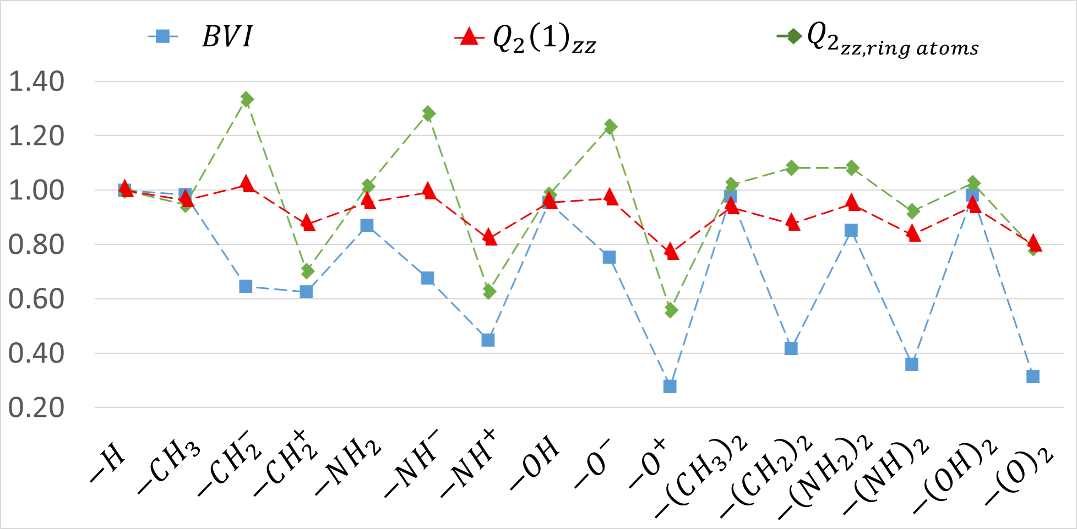
 | X | BVI | Total Qzz (ring atoms) | Q2(1)zz
monosubsti. | H | 1.000 | 1.00 | 1.00
 | CH3 | 0.982 | 0.95 | 0.96
 | CH-2 | 0.646 | 1.33 | 1.02
 | CH+2 | 0.625 | 0.70 | 0.87
 | NH2 | 0.869 | 1.01 | 0.96
 | NH- | 0.675 | 1.28 | 0.99
 | NH+ | 0.448 | 0.63 | 0.82
 | OH | 0.955 | 0.98 | 0.95
 | O− | 0.753 | 1.23 | 0.97
 | O+ | 0.278 | 0.56 | 0.77
disub. | (CH3)2 | 0.976 | 1.02 | 0.94
 | (CH2)2 | 0.418 | 1.08 | 0.88
 | (NH2)2 | 0.851 | 1.08 | 0.95
 | (NH)2 | 0.359 | 0.92 | 0.84
 | (OH)2 | 0.981 | 1.03 | 0.94
 | O2 | 0.314 | 0.79 | 0.80

Comparisons (Iring and MCI)
 |  |  |  |  |  |  |  |  |  | GDMA2 Normalized
 | X | BVI | Iring Norm | Iring | MCI | MCI Norm | Q2(1)zz |  | X | Total |Q2| (ring atoms) | Total Qzz (ring atoms) | |Q2| origin | Qzz origin | |Q2|(1) | Q2(1)zz
monosubsti. | H | 1.000 | 0.048 | 1.000 | 0.072 | 1.000 | 1.00 | monosubsti. | H | 1.00 | 1.00 | 1.00 | 1.00 | 1.00 | 1.00
 | CH3 | 0.982 | 0.046 | 0.950 | 0.068 | 0.947 | 0.96 |  | CH3 | 1.00 | 0.95 | 0.93 | 0.93 | 0.98 | 0.96
 | CH-2 | 0.646 | 0.023 | 0.480 | 0.031 | 0.427 | 1.02 |  | CH-2 | 1.24 | 1.33 | 1.74 | -0.41 | 1.03 | 1.02
 | CH+2 | 0.625 | 0.023 | 0.470 | 0.026 | 0.365 | 0.87 |  | CH+2 | 0.82 | 0.70 | 2.88 | 2.59 | 0.89 | 0.87
 | NH2 | 0.869 | 0.040 | 0.843 | 0.060 | 0.831 | 0.96 |  | NH2 | 1.04 | 1.01 | 1.55 | 1.37 | 0.98 | 0.96
 | NH- | 0.675 | 0.025 | 0.514 | 0.034 | 0.469 | 0.99 |  | NH- | 1.22 | 1.28 | 2.28 | -0.75 | 1.02 | 0.99
 | NH+ | 0.448 | 0.013 | 0.276 | 0.010 | 0.144 | 0.82 |  | NH+ | 0.78 | 0.63 | 2.28 | 2.04 | 0.83 | 0.82
 | OH | 0.955 | 0.042 | 0.875 | 0.062 | 0.868 | 0.95 |  | OH | 1.02 | 0.98 | 1.45 | 1.06 | 0.98 | 0.95
 | O− | 0.753 | 0.027 | 0.568 | 0.038 | 0.529 | 0.97 |  | O− | 1.20 | 1.23 | 2.24 | -0.95 | 1.00 | 0.97
 | O+ | 0.278 | 0.007 | 0.146 | 0.000 | 0.001 | 0.77 |  | O+ | 0.75 | 0.56 | 1.66 | 1.56 | 0.79 | 0.77
disub. | (CH3)2 | 0.976 | 0.043 | 0.906 | 0.064 | 0.898 | 0.94 | disub. | (CH3)2 | 0.96 | 1.02 | 0.90 | 0.89 | 0.94 | 0.94
 | (CH2)2 | 0.418 | 0.009 | 0.188 | 0.010 | 0.139 | 0.88 |  | (CH2)2 | 1.03 | 1.08 | 1.26 | 1.26 | 0.91 | 0.88
 | (NH2)2 | 0.851 | 0.036 | 0.756 | 0.053 | 0.741 | 0.95 |  | (NH2)2 | 1.01 | 1.08 | 2.52 | 1.75 | 0.97 | 0.95
 | (NH)2 | 0.359 | 0.007 | 0.138 | 0.007 | 0.096 | 0.84 |  | (NH)2 | 0.94 | 0.92 | 2.75 | 0.20 | 0.90 | 0.84
 | (OH)2 | 0.981 | 0.038 | 0.787 | 0.056 | 0.781 | 0.94 |  | (OH)2 | 0.98 | 1.03 | 2.53 | 1.09 | 0.96 | 0.94
 | O2 | 0.314 | 0.005 | 0.102 | 0.005 | 0.066 | 0.80 |  | O2 | 0.87 | 0.79 | 2.85 | -0.59 | 0.90 | 0.80

Comparisons (NICS)
 |  |  |  |  |  |  |  | GDMA2 Normalized
 | X | NICS(0) normalized | NICS(1) normalized | NICS(1)zz normalized | Q2(1)zz |  | X | Total |Q2| (ring atoms) | Total Qzz (ring atoms) | |Q2| origin | Qzz origin | |Q2|(1) | Q2(1)zz
monosubsti. | H | 1.000 | 1.000 | 1.000 | 1.00 | monosubsti. | H | 1.00 | 1.00 | 1.00 | 1.00 | 1.00 | 1.00
 | CH3 | 0.992 | 0.985 | 0.962 | 0.96 |  | CH3 | 1.00 | 0.95 | 0.93 | 0.93 | 0.98 | 0.96
 | CH-2 | -0.222 | 0.074 | 0.111 | 1.02 |  | CH-2 | 1.24 | 1.33 | 1.74 | -0.41 | 1.03 | 1.02
 | CH+2 | 0.162 | 0.581 | 0.502 | 0.87 |  | CH+2 | 0.82 | 0.70 | 2.88 | 2.59 | 0.89 | 0.87
 | NH2 | 0.968 | 0.869 | 0.839 | 0.96 |  | NH2 | 1.04 | 1.01 | 1.55 | 1.37 | 0.98 | 0.96
 | NH- | 0.219 | 0.359 | 0.390 | 0.99 |  | NH- | 1.22 | 1.28 | 2.28 | -0.75 | 1.02 | 0.99
 | NH+ | -0.591 | 0.179 | 0.142 | 0.82 |  | NH+ | 0.78 | 0.63 | 2.28 | 2.04 | 0.83 | 0.82
 | OH | 1.115 | 0.945 | 0.907 | 0.95 |  | OH | 1.02 | 0.98 | 1.45 | 1.06 | 0.98 | 0.95
 | O− | 0.497 | 0.566 | 0.606 | 0.97 |  | O− | 1.20 | 1.23 | 2.24 | -0.95 | 1.00 | 0.97
 | O+ | -1.754 | -0.391 | -0.312 | 0.77 |  | O+ | 0.75 | 0.56 | 1.66 | 1.56 | 0.79 | 0.77
disub. | (CH3)2 | 0.987 | 0.956 | 0.911 | 0.94 | disub. | (CH3)2 | 0.96 | 1.02 | 0.90 | 0.89 | 0.94 | 0.94
 | (CH2)2 | -0.332 | 0.137 | 0.045 | 0.88 |  | (CH2)2 | 1.03 | 1.08 | 1.26 | 1.26 | 0.91 | 0.88
 | (NH2)2 | 1.028 | 0.825 | 0.755 | 0.95 |  | (NH2)2 | 1.01 | 1.08 | 2.52 | 1.75 | 0.97 | 0.95
 | (NH)2 | -0.528 | 0.089 | 0.024 | 0.84 |  | (NH)2 | 0.94 | 0.92 | 2.75 | 0.20 | 0.90 | 0.84
 | (OH)2 | 1.244 | 0.912 | 0.831 | 0.94 |  | (OH)2 | 0.98 | 1.03 | 2.53 | 1.09 | 0.96 | 0.94
 | O2 | -1.122 | -0.137 | -0.107 | 0.80 |  | O2 | 0.87 | 0.79 | 2.85 | -0.59 | 0.90 | 0.80

