Para
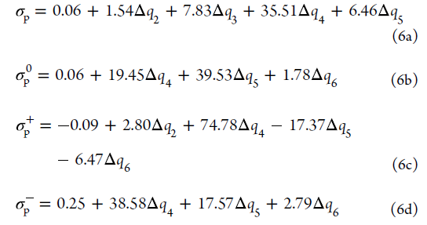
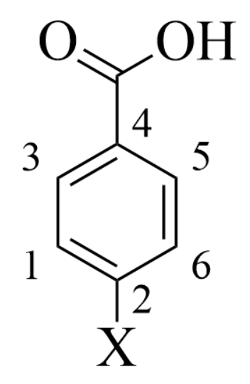
-X | CARBON CHARGES [e] |  |  |  |  |  | VARIATION OF CARBON CHARGES [e] |  |  |  |  |  | HAMMETT CONSTANTS
 | Hirshfeld |  |  |  |  |  | Hirshfeld
 | q1 | q2 | q3 | q4 | q5 | q6 | Δq1 | Δq2 | Δq3 | Δq4 | Δq5 | Δq6 | σp | σp0 | σp+ | σp-
–H | -0.031845 | -0.021461 | -0.017574 | -0.014437 | -0.023121 | -0.033286 | 0.000000 | 0.000000 | 0.000000 | 0.000000 | 0.000000 | 0.000000 | 0.06 | 0.06 | -0.09 | 0.25
–CH3 | -0.039489 | 0.023490 | -0.018094 | -0.020362 | -0.023768 | -0.040791 | -0.007644 | 0.044951 | -0.000520 | -0.005925 | -0.000647 | -0.007505 | -0.09 | -0.09 | -0.35 | -0.01
–OH | -0.060471 | 0.097137 | -0.013042 | -0.029709 | -0.016844 | -0.050034 | -0.028626 | 0.118598 | 0.004532 | -0.015272 | 0.006277 | -0.016748 | -0.22 | -0.02 | -0.90 | -0.28
–O+ | -0.101395 | 0.076918 | -0.049208 | -0.0902 | -0.054198 | -0.103068 | -0.069550 | 0.098379 | -0.031634 | -0.075763 | -0.031077 | -0.069782 | -2.93 | -2.77 | -4.49 | -3.41
–O- | -0.101395 | 0.076918 | -0.049208 | -0.0902 | -0.054198 | -0.103068 | -0.069550 | 0.098379 | -0.031634 | -0.075763 | -0.031077 | -0.069782 | -2.93 | -2.77 | -4.49 | -3.41
–NH2 | -0.059531 | 0.071036 | -0.015241 | -0.037176 | -0.020764 | -0.061290 | -0.027686 | 0.092497 | 0.002333 | -0.022739 | 0.002357 | -0.028004 | -0.57 | -0.34 | -1.39 | -0.66
–NH+ | 0.094718 | 0.108853 | 0.015908 | 0.126816 | 0.012548 | 0.072465 | 0.126563 | 0.130314 | 0.033482 | 0.141253 | 0.035669 | 0.105751 | 5.77 | 4.41 | 9.53 | 6.62
–NH- | -0.093668 | 0.038425 | -0.051104 | -0.097019 | -0.054846 | -0.105135 | -0.061823 | 0.059886 | -0.033530 | -0.082582 | -0.031725 | -0.071849 | -3.25 | -2.93 | -5.08 | -3.69
–CH2+ | 0.05966 | 0.026368 | 0.01231 | 0.094815 | 0.007431 | 0.059924 | 0.091505 | 0.047829 | 0.029884 | 0.109252 | 0.030552 | 0.093210 | 4.44 | 3.56 | 7.08 | 5.26
–CH2- | -0.095847 | -0.020556 | -0.053533 | -0.102646 | -0.058368 | -0.097478 | -0.064002 | 0.011289 | -0.021688 | -0.070801 | -0.026523 | -0.065633 | -2.78 | -2.48 | -4.47 | -3.13

Meta
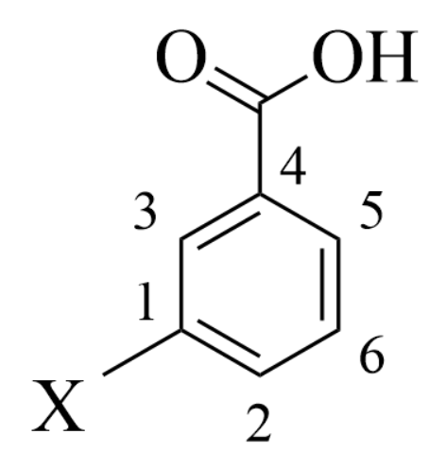
-X | CARBON CHARGES [e] |  |  |  |  |  | VARIATION OF CARBON CHARGES [e] |  |  |  |  |  | HAMMETT CONSTANTS |  |  |  | -X
 | Hirshfeld |  |  |  |  |  | Hirshfeld
 | q1 | q2 | q3 | q4 | q5 | q6 | Δq1 | Δq2 | Δq3 | Δq4 | Δq5 | Δq6 | σm | σm0 | σpR | σpI
–H | -0.031845 | -0.021461 | -0.017574 | -0.014437 | -0.023121 | -0.033286 | 0.000000 | 0.000000 | 0.000000 | 0.000000 | 0.000000 | 0.000000 | 0.03 | 0.05 | -0.01 | 0.07 | –H
–CH3 | 0.013208 | -0.028708 | -0.025419 | -0.015567 | -0.029412 | -0.034535 | 0.045053 | -0.007247 | -0.007845 | -0.001130 | -0.006291 | -0.001249 | -0.02 | -0.02 | -0.15 | 0.06 | –CH3
–OH | 0.086588 | -0.050848 | -0.034596 | -0.009832 | -0.040488 | -0.030396 | 0.118433 | -0.029387 | -0.017022 | 0.004605 | -0.017367 | 0.002890 | 0.14 | 0.14 | -0.59 | 0.37 | –OH
–O+ | 0.197873 | 0.100724 | 0.108696 | 0.026167 | 0.158459 | 0.022249 | 0.229718 | 0.122185 | 0.126270 | 0.040604 | 0.181580 | 0.055535 | 3.80 | 3.59 | -5.12 | 2.19 | –O+
–O- | 0.056361 | -0.097024 | -0.083491 | -0.047863 | -0.115432 | -0.076266 | 0.088206 | -0.075563 | -0.065917 | -0.033426 | -0.092311 | -0.042980 | -2.09 | -2.17 | -1.38 | -1.54 | –O-
–NH2 | 0.059826 | -0.048020 | -0.045108 | -0.014116 | -0.046862 | -0.032929 | 0.091671 | -0.026559 | -0.027534 | 0.000321 | -0.023741 | 0.000357 | -0.11 | -0.09 | -0.75 | 0.18 | –NH2
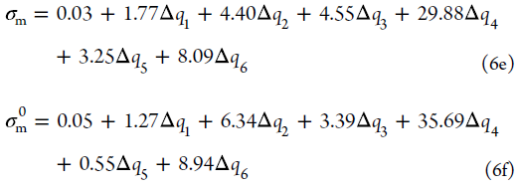
–NH+ | 0.109845 | 0.096831 | 0.082857 | 0.023407 | 0.12803 | 0.015887 | 0.141690 | 0.118292 | 0.100431 | 0.037844 | 0.151151 | 0.049173 | 3.28 | 3.19 | 3.69 | 2.08 | –NH+
–NH- | 0.022939 | -0.09074 | -0.088657 | -0.049252 | -0.126573 | -0.077277 | 0.054784 | -0.069279 | -0.071083 | -0.034815 | -0.103452 | -0.043991 | -2.23 | -2.25 | -1.70 | -1.55 | –NH-
–CH2+ | 0.026005 | 0.062804 | 0.069796 | 0.017732 | 0.093954 | 0.010045 | 0.057850 | 0.084265 | 0.087370 | 0.032169 | 0.117075 | 0.043331 | 2.59 | 2.55 | 2.75 | 1.70 | –CH2+
–CH2- | -0.030433 | -0.098991 | -0.075735 | -0.050379 | -0.140041 | -0.0802 | 0.001412 | -0.077530 | -0.058161 | -0.035942 | -0.116920 | -0.046914 | -2.41 | -2.40 | -1.13 | -1.65 | –CH2-
–(OH)2 | 0.070646 | -0.045986 | -0.035892 | -0.023655 | 0.08947 | -0.05903 | 0.102491 | -0.024525 | -0.018318 | -0.009218 | 0.112591 | -0.025744 | -0.10 | -0.53 |  |  | –(OH)2
–O2 | 0.162883 | -0.012285 | -0.001098 | 0.009502 | 0.16586 | -0.008829 | 0.194728 | 0.019560 | 0.030747 | 0.041347 | 0.197705 | 0.023016 | 2.66 | 2.32 |  |  | –O2
–(NH2)2 | 0.035908 | -0.037317 | -0.050594 | -0.042561 | 0.065527 | -0.057009 | 0.067753 | -0.015856 | -0.033020 | -0.028124 | 0.088648 | -0.023723 | -0.81 | -1.24 |  |  | –(NH2)2
–(NH)2 | 0.085959 | -0.022063 | -0.007282 | 0.007468 | 0.087726 | -0.018815 | 0.117804 | -0.000602 | 0.010292 | 0.021905 | 0.110847 | 0.014471 | 1.41 | 1.20 |  |  | –(NH)2
–(CH3)2 | 0.006032 | -0.028505 | -0.033229 | -0.021113 | 0.025023 | -0.041333 | 0.037877 | -0.007044 | -0.015655 | -0.006676 | 0.048144 | -0.008047 | -0.11 | -0.28 |  |  | –(CH3)2
–(CH2)2 | 0.000433 | -0.040033 | -0.002961 | -0.010122 | -0.00445 | -0.028005 | 0.032278 | -0.018572 | 0.014613 | 0.004315 | 0.018671 | 0.005281 | 0.30 | 0.23 |  |  | –(CH2)2

