Data
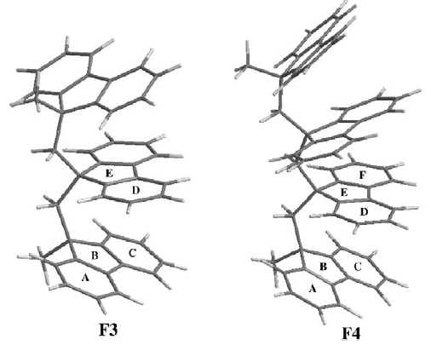
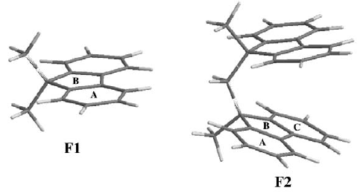
 |  | Non-normalized |  |  |  |  |  |  |  |  |  |  |  |  |  |  |  |  |  | Normalized
 |  | Q2-based |  |  |  |  |  |  |  |  |  | Literature |  |  |  |  |  |  |  | Q2-based |  |  |  |  |  |  |  |  |  | Literature |  |  |  |  |  | mean
System | Ring | |Q2|_(ring atoms) | Q2_(zz,ring atoms) | |Q2|(0) | Q2(0)zz | |Q2|(1) | Q2(1)zz | |Q2|(-1) | Q2(-1)zz | |Q2_(origin) | |Q2|_(zz,origin) | PDI | FLU | HOMA | NICS(0) | NICS(1) | NICS(-1) | System | Ring | |Q2|_(ring atoms) | Q2_(zz,ring atoms) | |Q2|(0) | Q2(0)zz | |Q2|(1) | Q2(1)zz | |Q2|(-1) | Q2(-1)zz | |Q2_(origin) | |Q2|_(zz,origin) | PDI | FLU | HOM | NICS(0) | NICS(1) | NICS(-1) | System | Ring | |Q2|_(ring atoms) | Q2_(zz,ring atoms) | |Q2|(0) | Q2(0)zz | |Q2|(1) | Q2(1)zz | |Q2|(-1) | Q2(-1)zz | PDI | FLU | HOM | NICS(0) | NICS(1) | NICS(-1)
Bz | - | 5.414 | -3.963 | 0.489 | 0.489 | 0.764 | 0.764 | 0.764 | 0.764 | 5.352 | -5.352 |  |  |  |  |  |  | Bz | - | 1.000 | 1.000 | 1.000 | 1.000 | 1.000 | 1.000 | 1.000 | 1.000 | 1.000 | 1.000 |  |  |  |  |  |  | F1 | 6MR | 0.969 | 0.908 | 0.957 | 0.953 | 0.865 | 0.841 | 0.865 | 0.841 | 0.093 | 0.001 | 0.956 | -8.670 | -10.340 | -10.340
F1 | A1 | 5.247 | -3.600 | 0.468 | 0.466 | 0.661 | 0.641 | 0.661 | 0.644 | 8.518 | -8.511 | 0.093 | 0.001 | 0.956 | -8.67 | -10.34 | -10.34 | F1 | A1 | 0.969 | 0.908 | 0.957 | 0.953 | 0.865 | 0.838 | 0.865 | 0.843 | 1.592 | 1.590 | 0.093 | 0.001 | 0.956 | -8.67 | -10.34 | -10.34 |  | 5MR | 0.744 | 0.402 | 0.804 | 0.791 | 0.674 | 0.479 | 0.673 | 0.489 |  | 0.055 | -1.421 | 1.450 | -1.980 | -1.980
 | B15 | 4.026 | -1.595 | 0.393 | 0.387 | 0.515 | 0.366 | 0.515 | 0.374 |  |  |  | 0.055 | -1.421 | 1.45 | -1.98 | -1.98 |  | B15 | 0.744 | 0.402 | 0.804 | 0.791 | 0.674 | 0.479 | 0.673 | 0.489 |  |  |  | 0.055 | -1.421 | 1.45 | -1.98 | -1.98 | F2 | 6MR | 0.929 | 0.712 | 0.955 | 0.798 | 0.804 | 0.617 | 0.803 | 0.647 | 0.092 | 0.002 | 0.964 | -9.205 | -10.995 | -0.215
 | C1 | 5.246 | -3.599 | 0.468 | 0.466 | 0.661 | 0.644 | 0.661 | 0.640 |  |  |  |  |  |  |  |  |  | C1 | 0.969 | 0.908 | 0.957 | 0.953 | 0.865 | 0.843 | 0.865 | 0.838 |  |  |  |  |  |  |  |  |  | 5MR | 0.720 | 0.301 | 0.803 | 0.661 | 0.649 | 0.551 | 0.648 | 0.372 | - | 0.055 | -1.453 | 0.620 | -2.840 | -3.080
F2 | A1 | 4.872 | -3.120 | 0.467 | 0.464 | 0.590 | 0.569 | 0.654 | 0.627 | 15.131778 | -14.272736 | 0.092 | 0.002 | 0.966 | -8.95 | -10.7 | 10.61 | F2 | A1 | 0.900 | 0.787 | 0.954 | 0.948 | 0.773 | 0.745 | 0.855 | 0.821 | 1.414 | 1.333 | 0.092 | 0.002 | 0.966 | -8.95 | -10.70 | 10.61 | F3 | 6MR | 0.923 | 0.727 | 0.954 | 0.817 | 0.665 | 0.513 | 0.797 | 0.649 | 0.091
 | B15 | 3.896 | -1.316 | 0.393 | 0.387 | 0.503 | 0.448 | 0.488 | 0.342 |  |  | - | 0.055 | -1.453 | 0.62 | -2.84 | -3.08 |  | B15 | 0.720 | 0.332 | 0.803 | 0.791 | 0.658 | 0.586 | 0.639 | 0.448 |  |  |  | 0.055 | -1.453 | 0.62 | -2.84 | -3.08 |  | 5MR | 0.714 | 0.303 | 0.803 | 0.677 | 0.519 | 0.393 | 0.633 | 0.343
 | C1 | 5.184 | -3.522 | 0.468 | 0.465 | 0.556 | 0.485 | 0.656 | 0.632 |  |  | 0.092 | 0.002 | 0.963 | -9.46 | -11.29 | -11.04 |  | C1 | 0.957 | 0.889 | 0.956 | 0.951 | 0.728 | 0.634 | 0.858 | 0.827 |  |  | 0.092 | 0.002 | 0.963 | -9.46 | -11.29 | -11.04 | F4 | 6MR | 0.919 | 0.736 | 0.954 | 0.833 | 0.671 | 0.530 | 0.807 | 0.662
 | D2 | 5.184 | -2.729 | 0.468 | 0.319 | 0.656 | 0.432 | 0.556 | 0.225 |  |  |  |  |  |  |  |  |  | D2 | 0.957 | 0.689 | 0.956 | 0.652 | 0.858 | 0.565 | 0.728 | 0.294 |  |  |  |  |  |  |  |  |  | 5MR | 0.713 | 0.305 | 0.803 | 0.688 | 0.531 | 0.421 | 0.644 | 0.371
 | E25 | 3.895 | -1.066 | 0.393 | 0.259 | 0.489 | 0.394 | 0.503 | 0.226 |  |  |  |  |  |  |  |  |  | E25 | 0.719 | 0.269 | 0.804 | 0.530 | 0.640 | 0.515 | 0.658 | 0.296
 | F2 | 4.871 | -1.921 | 0.467 | 0.313 | 0.653 | 0.400 | 0.590 | 0.495 |  |  |  |  |  |  |  |  |  | F2 | 0.900 | 0.485 | 0.954 | 0.640 | 0.855 | 0.523 | 0.772 | 0.648 |  |  |  |  |  |  |  |  | Total | 6MR | 0.935 | 0.771 | 0.955 | 0.850 | 0.751 | 0.625 | 0.818 | 0.700
F3 | A1 | 4.860 | -3.086 | 0.466 | 0.462 | 0.565 | 0.540 | 0.652 | 0.622 | 20.749341 | -15.639583 | 0.091 | 0.002 | 0.966 | -9.08 | -10.82 | -10.72 | F3 | A1 | 0.898 | 0.779 | 0.953 | 0.945 | 0.739 | 0.706 | 0.853 | 0.814 | 1.292 | 0.974 | 0.091 | 0.002 | 0.966 | -9.08 | -10.82 | -10.72 |  | 5MR | 0.723 | 0.328 | 0.804 | 0.704 | 0.593 | 0.461 | 0.650 | 0.394
 | B15 | 3.880 | -1.305 | 0.393 | 0.387 | 0.498 | 0.440 | 0.482 | 0.328 |  |  |  | 0.056 | -1.46 | 0.26 | -3.64 | -3.17 |  | B15 | 0.717 | 0.329 | 0.803 | 0.791 | 0.652 | 0.576 | 0.631 | 0.430 |  |  |  | 0.056 | -1.460 | 0.26 | -3.64 | -3.17
 | C1 | 5.182 | -3.531 | 0.468 | 0.466 | 0.539 | 0.461 | 0.655 | 0.635 |  |  | 0.092 | 0.002 | 0.963 | -9.71 | -11.53 | -11.28 |  | C1 | 0.957 | 0.891 | 0.956 | 0.952 | 0.705 | 0.603 | 0.858 | 0.831 |  |  | 0.092 | 0.002 | 0.963 | -9.71 | -11.53 | -11.28
 | D2 | 5.075 | -2.807 | 0.467 | 0.331 | 0.498 | 0.340 | 0.536 | 0.193 |  |  | 0.09 | 0.002 | 0.967 | -9.73 | -11.32 | -11.54 |  | D2 | 0.937 | 0.708 | 0.955 | 0.677 | 0.651 | 0.445 | 0.701 | 0.252 |  |  | 0.090 | 0.002 | 0.967 | -9.73 | -11.32 | -11.54
 | E25 | 3.852 | -1.096 | 0.393 | 0.276 | 0.295 | 0.160 | 0.485 | 0.195 |  |  |  | 0.055 | -1.459 | 0.1 | -3.7 | -3.65 |  | E25 | 0.712 | 0.277 | 0.803 | 0.564 | 0.386 | 0.209 | 0.635 | 0.256 |  |  |  | 0.055 | -1.459 | 0.10 | -3.70 | -3.65
 | F2 | 4.879 | -2.096 | 0.466 | 0.339 | 0.432 | 0.226 | 0.594 | 0.533 |  |  |  |  |  |  |  |  |  | F2 | 0.901 | 0.529 | 0.954 | 0.693 | 0.565 | 0.296 | 0.777 | 0.697
F4 | A1 | 4.848 | -3.059 | 0.466 | 0.463 | 0.559 | 0.532 | 0.652 | 0.624 | 25.716727 | -14.864131 | 0.091 | 0.002 | 0.967 | -9.43 | -11.26 | -10.99 | F4 | A1 | 0.895 | 0.772 | 0.953 | 0.946 | 0.731 | 0.696 | 0.854 | 0.816 | 1.201 | 0.694 | 0.091 | 0.002 | 0.967 | -9.43 | -11.26 | -10.99
 | B15 | 3.876 | -1.283 | 0.393 | 0.387 | 0.507 | 0.455 | 0.486 | 0.338 |  |  |  | 0.056 | -1.468 | 0.06 | -3.83 | -3.32 |  | B15 | 0.716 | 0.324 | 0.803 | 0.791 | 0.664 | 0.596 | 0.636 | 0.442 |  |  |  | 0.056 | -1.468 | 0.06 | -3.83 | -3.32
 | C1 | 5.158 | -3.493 | 0.467 | 0.465 | 0.556 | 0.490 | 0.655 | 0.631 |  |  | 0.091 | 0.002 | 0.963 | -9.83 | -11.68 | -11.39 |  | C1 | 0.953 | 0.882 | 0.956 | 0.950 | 0.727 | 0.642 | 0.858 | 0.826 |  |  | 0.091 | 0.002 | 0.963 | -9.83 | -11.68 | -11.39
 | D2 | 5.160 | -2.885 | 0.467 | 0.346 | 0.446 | 0.291 | 0.560 | 0.219 |  |  | 0.09 | 0.002 | 0.964 | -10.59 | -12.44 | -12.3 |  | D2 | 0.953 | 0.728 | 0.955 | 0.708 | 0.584 | 0.380 | 0.732 | 0.287 |  |  | 0.090 | 0.002 | 0.964 | -10.59 | -12.44 | -12.30
 | E25 | 3.842 | -1.130 | 0.393 | 0.286 | 0.304 | 0.189 | 0.498 | 0.229 |  |  |  | 0.055 | -1.46 | -0.27 | -4.24 | -3.89 |  | E25 | 0.710 | 0.285 | 0.803 | 0.586 | 0.398 | 0.247 | 0.651 | 0.300 |  |  |  | 0.055 | -1.460 | -0.27 | -4.24 | -3.89
 | F2 | 4.740 | -2.235 | 0.466 | 0.356 | 0.491 | 0.308 | 0.599 | 0.549 |  |  | 0.09 | 0.002 | 0.97 | -9.72 | -11.66 | -11.32 |  | F2 | 0.875 | 0.564 | 0.953 | 0.727 | 0.642 | 0.403 | 0.783 | 0.718 |  |  | 0.090 | 0.002 | 0.970 | -9.72 | -11.66 | -11.32

Data-Per ring (WITH FIGURES)
NORMALIZED

 | Q2-based
Ring | |Q2|_(ring atoms) | Q2_(zz,ring atoms) | |Q2|(0) | Q2(0)zz | |Q2|(1) | Q2(1)zz | |Q2|(-1) | Q2(-1)zz
F1 - A1 | 0.969 | 0.908 | 0.957 | 0.953 | 0.865 | 0.838 | 0.865 | 0.843
F2 - A1 | 0.900 | 0.787 | 0.954 | 0.948 | 0.773 | 0.745 | 0.855 | 0.821
F3 - A1 | 0.898 | 0.779 | 0.953 | 0.945 | 0.739 | 0.706 | 0.853 | 0.814
F4 - A1 | 0.895 | 0.772 | 0.953 | 0.946 | 0.731 | 0.696 | 0.854 | 0.816

 | Q2-based
Ring | |Q2|_(ring atoms) | Q2_(zz,ring atoms) | |Q2|(0) | Q2(0)zz | |Q2|(1) | Q2(1)zz | |Q2|(-1) | Q2(-1)zz
F1- B15 | 0.744 | 0.402 | 0.804 | 0.791 | 0.674 | 0.479 | 0.673 | 0.489
F2 - B15 | 0.720 | 0.332 | 0.803 | 0.791 | 0.658 | 0.586 | 0.639 | 0.448
F3 - B15 | 0.717 | 0.329 | 0.803 | 0.791 | 0.652 | 0.576 | 0.631 | 0.430
F4 - B15 | 0.716 | 0.324 | 0.803 | 0.791 | 0.664 | 0.596 | 0.636 | 0.442

 | Q2-based
Ring | |Q2|_(ring atoms) | Q2_(zz,ring atoms) | |Q2|(0) | Q2(0)zz | |Q2|(1) | Q2(1)zz | |Q2|(-1) | Q2(-1)zz
F1- C1 | 0.969 | 0.908 | 0.957 | 0.953 | 0.865 | 0.843 | 0.865 | 0.838
F2 - C1 | 0.957 | 0.889 | 0.956 | 0.951 | 0.728 | 0.634 | 0.858 | 0.827
F3 - C1 | 0.957 | 0.891 | 0.956 | 0.952 | 0.705 | 0.603 | 0.858 | 0.831

F4 - C1 | 0.953 | 0.882 | 0.956 | 0.950 | 0.727 | 0.642 | 0.858 | 0.826

 | Q2-based
Ring | |Q2|_(ring atoms) | Q2_(zz,ring atoms) | |Q2|(0) | Q2(0)zz | |Q2|(1) | Q2(1)zz | |Q2|(-1) | Q2(-1)zz
F2 - D2 | 0.957 | 0.689 | 0.956 | 0.652 | 0.858 | 0.565 | 0.728 | 0.294
F3 - D2 | 0.937 | 0.708 | 0.955 | 0.677 | 0.651 | 0.445 | 0.701 | 0.252
F4 - D2 | 0.953 | 0.728 | 0.955 | 0.708 | 0.584 | 0.380 | 0.732 | 0.287

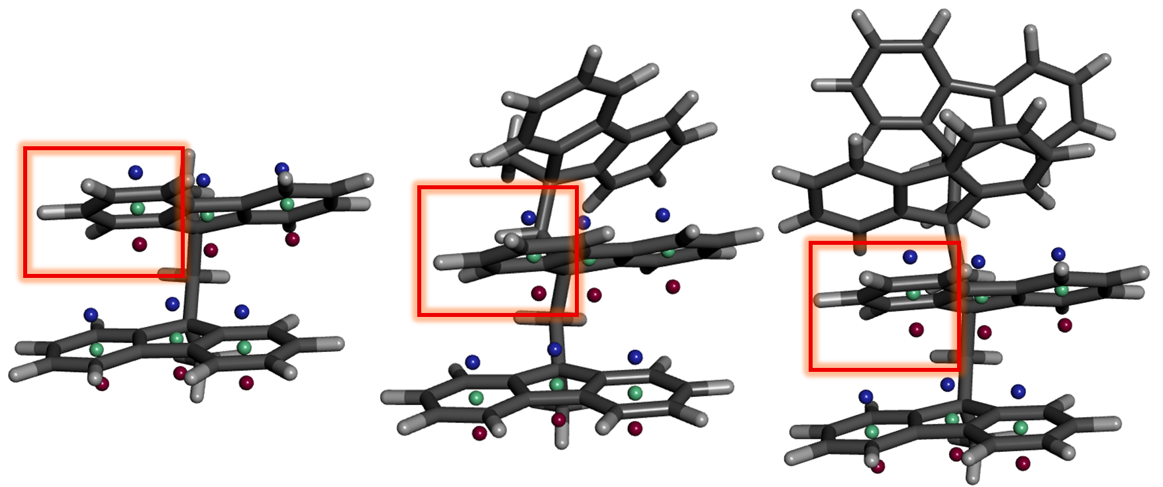

 | Q2-based
Ring | |Q2|_(ring atoms) | Q2_(zz,ring atoms) | |Q2|(0) | Q2(0)zz | |Q2|(1) | Q2(1)zz | |Q2|(-1) | Q2(-1)zz
F2 - E25 | 0.719 | 0.269 | 0.804 | 0.530 | 0.640 | 0.515 | 0.658 | 0.296
F3 - E25 | 0.712 | 0.277 | 0.803 | 0.564 | 0.386 | 0.209 | 0.635 | 0.256
F4 - E25 | 0.710 | 0.285 | 0.803 | 0.586 | 0.398 | 0.247 | 0.651 | 0.300

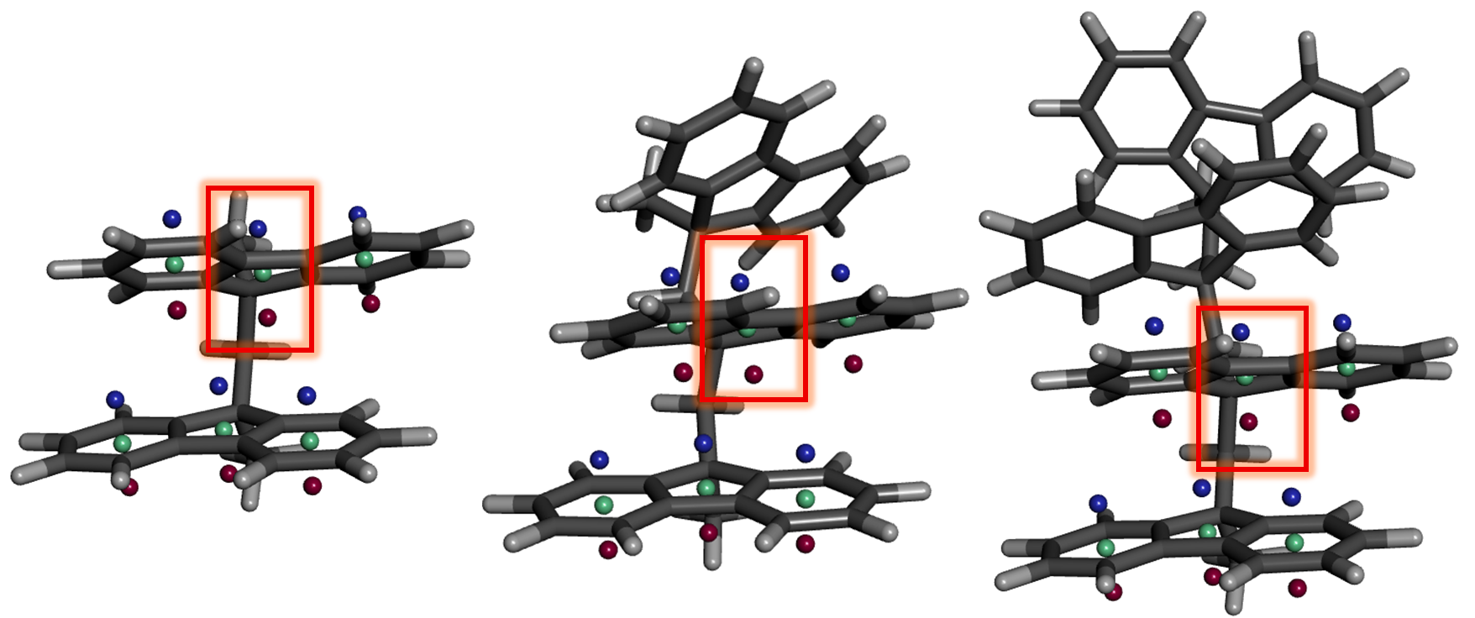

 | Q2-based
System | |Q2|_(ring atoms) | Q2_(zz,ring atoms) | |Q2|(0) | Q2(0)zz | |Q2|(1) | Q2(1)zz | |Q2|(-1) | Q2(-1)zz
F2 - F2 | 0.900 | 0.485 | 0.954 | 0.640 | 0.855 | 0.523 | 0.772 | 0.648
F3 - F2 | 0.901 | 0.529 | 0.954 | 0.693 | 0.565 | 0.296 | 0.777 | 0.697
F4 - F2 | 0.875 | 0.564 | 0.953 | 0.727 | 0.642 | 0.403 | 0.783 | 0.718
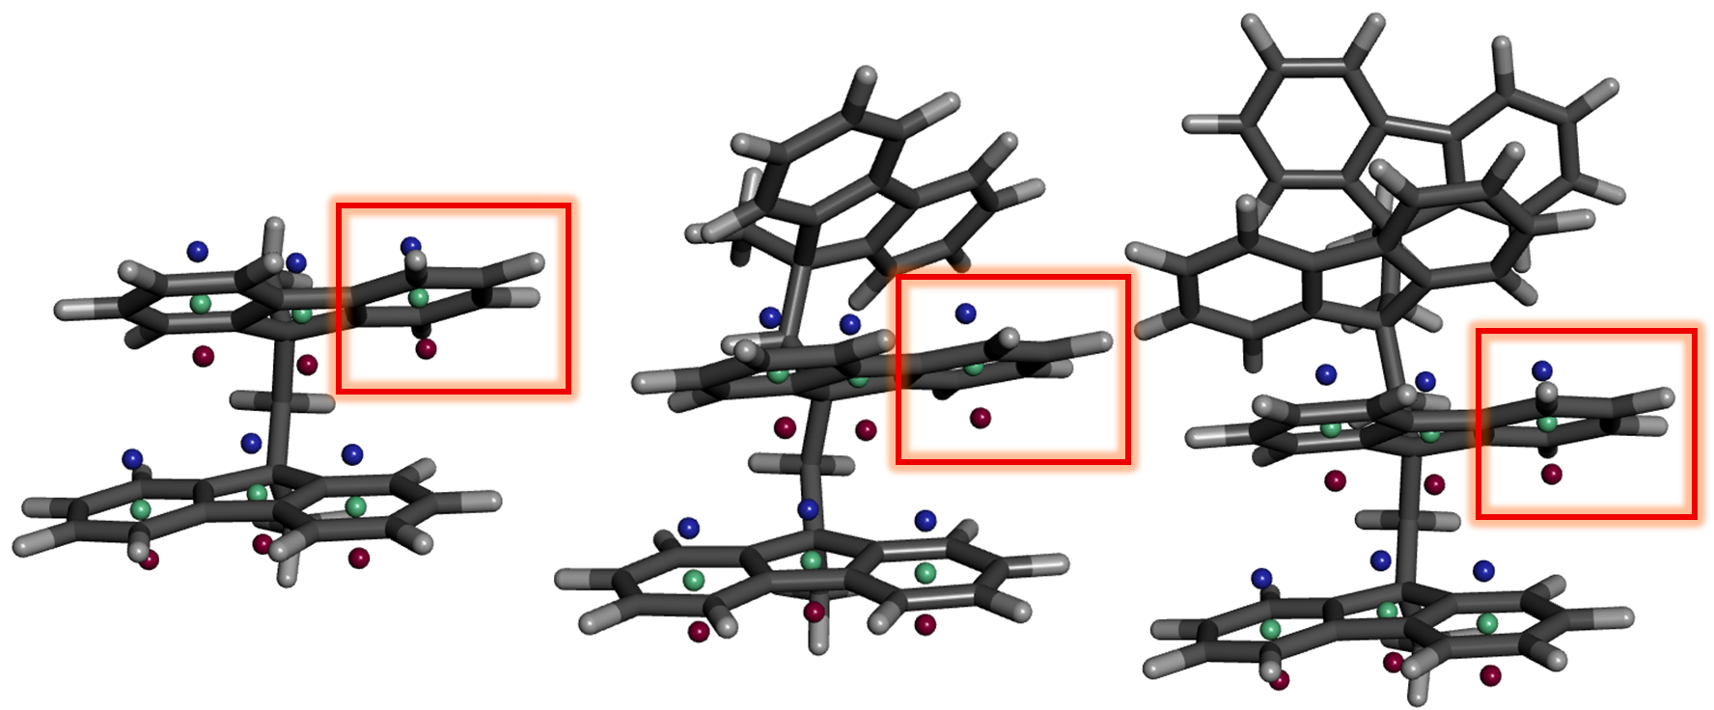

per benzene |  |  |  | per benzene per #layer
System | |Q2_(origin) | |Q2|_(zz,origin) |  | System | |Q2_(origin) | |Q2|_(zz,origin)
F1 | 1.592 | 1.590 |  | F1 | 1.592 | 1.590
F2 | 2.827 | 2.667 |  | F2 | 1.414 | 1.333
F3 | 3.877 | 2.922 |  | F3 | 1.292 | 0.974
F4 | 4.805 | 2.777 |  | F4 | 1.201 | 0.694

dispersion-correction
Non-Normalized Values |  |  |  |  |  |  |  |  |  |  |  |  |  |  |  |  |  |  |  |  |  |  |  |  | Normalized Values |  |  |  |  |  |  |  |  |  |  |  |  |  |  |  |  |  |  |  |  |  |  |  | Interlayer distances
6-31G* |  |  |  |  |  |  |  |  |  |  |  |  | B3LYP/6-31+G* with GD3BJ EmpiricalDispersion |  |  |  |  |  |  |  |  |  |  |  | 6-31G* |  |  |  |  |  |  |  |  |  |  |  | 6-31+G* with GD3BJ EmpiricalDispersion |  |  |  |  |  |  |  |  |  |  |  | System | Ring | 6-31G* | 6-31G*(GD3BJ) | Δd=dGD3BJ​−dB3LYP
System | Ring | |Q2|_(ring atoms) | Q2_(zz,ring atoms) | |Q2|(0) | Q2(0)zz | |Q2|(1) | Q2(1)zz | |Q2|(-1) | Q2(-1)zz | |Q2_(origin) | |Q2|_(zz,origin) |  | System | Ring | |Q2|_(ring atoms) | Q2_(zz,ring atoms) | |Q2|(0) | Q2(0)zz | |Q2|(1) | Q2(1)zz | |Q2|(-1) | Q2(-1)zz | |Q2_(origin) | |Q2|_(zz,origin) | System | Ring | |Q2|_(ring atoms) | Q2_(zz,ring atoms) | |Q2|(0) | Q2(0)zz | |Q2|(1) | Q2(1)zz | |Q2|(-1) | Q2(-1)zz | |Q2_(origin) | |Q2|_(zz,origin) | System | Ring | |Q2|_(ring atoms) | Q2_(zz,ring atoms) | |Q2|(0) | Q2(0)zz | |Q2|(1) | Q2(1)zz | |Q2|(-1) | Q2(-1)zz | |Q2_(origin) | |Q2|_(zz,origin) | F2 | A1 - D2 | 4.193 | 3.621 | -0.572
Bz | - | 5.414 | -3.963 | 0.489 | 0.489 | 0.764 | 0.764 | 0.764 | 0.764 | 5.352 | -5.352 |  | Bz | - | 5.411 | -3.962 | 0.488 | 0.488 | 0.764 | 0.764 | 0.764 | 0.764 | 5.338 | -5.338 | Bz | - | 1.000 | 1.000 | 1.000 | 1.000 | 1.000 | 1.000 | 1.000 | 1.000 | 1.000 | 1.000 | Bz | - | 1.000 | 1.000 | 1.000 | 1.000 | 1.000 | 1.000 | 1.000 | 1.000 | 1.000 | 1.000 |  | B15 - E25 | 3.505 | 3.176 | -0.329
F1 | A1 | 5.247 | -3.600 | 0.468 | 0.466 | 0.661 | 0.641 | 0.661 | 0.644 | 8.518 | -8.511 |  | F1 | A1 | 5.246 | -3.603 | 0.467 | 0.466 | 0.661 | 0.642 | 0.661 | 0.642 | 8.964 | -8.944 | F1 | A1 | 0.969 | 0.908 | 0.957 | 0.953 | 0.865 | 0.838 | 0.865 | 0.843 | 1.592 | 1.590 | F1 | A1 | 0.969 | 0.909 | 0.957 | 0.954 | 0.865 | 0.841 | 0.865 | 0.841 | 1.679 | 1.676 |  | C1 - F2 | 4.184 | 3.621 | -0.563
 | B15 | 4.026 | -1.595 | 0.393 | 0.387 | 0.515 | 0.366 | 0.515 | 0.374 |  |  |  |  | B15 | 4.021 | -1.594 | 0.392 | 0.386 | 0.513 | 0.368 | 0.513 | 0.368 |  |  |  | B15 | 0.744 | 0.402 | 0.804 | 0.791 | 0.674 | 0.479 | 0.673 | 0.489 |  |  |  | B15 | 0.743 | 0.402 | 0.803 | 0.791 | 0.671 | 0.482 | 0.671 | 0.482 |  |  | F3 | A1 - D2 | 4.157 | 3.651 | -0.506
 | C1 | 5.246 | -3.599 | 0.468 | 0.466 | 0.661 | 0.644 | 0.661 | 0.640 |  |  |  |  | C1 | 5.246 | -3.603 | 0.467 | 0.466 | 0.661 | 0.642 | 0.661 | 0.642 |  |  |  | C1 | 0.969 | 0.908 | 0.957 | 0.953 | 0.865 | 0.843 | 0.865 | 0.838 |  |  |  | C1 | 0.969 | 0.909 | 0.957 | 0.954 | 0.865 | 0.841 | 0.865 | 0.841 |  |  |  | B15 - E25 | 3.497 | 3.194 | -0.30221
F2 | A1 | 4.872 | -3.120 | 0.467 | 0.464 | 0.590 | 0.569 | 0.654 | 0.627 | 15.131778 | -14.272736 |  | F2 | A1 | 4.736 | -2.549 | 0.465 | 0.427 | 0.584 | 0.556 | 0.657 | 0.569 | 17.293298 | -16.796912 | F2 | A1 | 0.900 | 0.787 | 0.954 | 0.948 | 0.773 | 0.745 | 0.855 | 0.821 | 2.8274591192 | 2.6669422166 | F2 | A1 | 0.875 | 0.643 | 0.953 | 0.873 | 0.765 | 0.728 | 0.860 | 0.745 | 3.2398006956 | 3.1468056112 |  | C1 - F2 | 4.146 | 3.634 | -0.51207
 | B15 | 3.896 | -1.316 | 0.393 | 0.387 | 0.503 | 0.448 | 0.488 | 0.342 |  |  |  |  | B15 | 3.827 | -1.136 | 0.392 | 0.348 | 0.513 | 0.339 | 0.514 | 0.436 |  |  |  | B15 | 0.720 | 0.332 | 0.803 | 0.791 | 0.658 | 0.586 | 0.639 | 0.448 |  |  |  | B15 | 0.707 | 0.287 | 0.803 | 0.712 | 0.672 | 0.444 | 0.673 | 0.571 |  |  | F4 | A1 - D2 | 4.062 | 3.600 | -0.462
 | C1 | 5.184 | -3.522 | 0.468 | 0.465 | 0.556 | 0.485 | 0.656 | 0.632 |  |  |  |  | C1 | 5.096 | -3.275 | 0.467 | 0.426 | 0.610 | 0.373 | 0.658 | 0.588 |  |  |  | C1 | 0.957 | 0.889 | 0.956 | 0.951 | 0.728 | 0.634 | 0.858 | 0.827 |  |  |  | C1 | 0.942 | 0.827 | 0.955 | 0.872 | 0.798 | 0.488 | 0.862 | 0.770 |  |  |  | B15 - E25 | 3.462 | 3.183 | -0.279
 | D2 | 5.184 | -2.729 | 0.468 | 0.319 | 0.656 | 0.432 | 0.556 | 0.225 |  |  |  |  | D2 | 5.097 | -3.421 | 0.467 | 0.465 | 0.658 | 0.639 | 0.610 | 0.483 |  |  |  | D2 | 0.957 | 0.689 | 0.956 | 0.652 | 0.858 | 0.565 | 0.728 | 0.294 |  |  |  | D2 | 0.942 | 0.863 | 0.955 | 0.952 | 0.862 | 0.837 | 0.798 | 0.632 |  |  |  | C1 - F2 | 4.088 | 3.634 | -0.454
 | E25 | 3.895 | -1.066 | 0.393 | 0.259 | 0.489 | 0.394 | 0.503 | 0.226 |  |  |  |  | E25 | 3.827 | -1.186 | 0.392 | 0.386 | 0.514 | 0.367 | 0.513 | 0.427 |  |  |  | E25 | 0.719 | 0.269 | 0.804 | 0.530 | 0.640 | 0.515 | 0.658 | 0.296 |  |  |  | E25 | 0.707 | 0.299 | 0.803 | 0.790 | 0.673 | 0.480 | 0.672 | 0.559
 | F2 | 4.871 | -1.921 | 0.467 | 0.313 | 0.653 | 0.400 | 0.590 | 0.495 |  |  |  |  | F2 | 4.736 | -2.956 | 0.465 | 0.461 | 0.657 | 0.629 | 0.585 | 0.474 |  |  |  | F2 | 0.900 | 0.485 | 0.954 | 0.640 | 0.855 | 0.523 | 0.772 | 0.648 |  |  |  | F2 | 0.875 | 0.746 | 0.953 | 0.945 | 0.860 | 0.824 | 0.765 | 0.621
F3 | A1 | 4.860 | -3.086 | 0.466 | 0.462 | 0.565 | 0.540 | 0.652 | 0.622 | 20.749341 | -15.639583 |  | F3 | A1 | 5.102 | -3.393 | 0.467 | 0.463 | 0.592 | 0.495 | 0.658 | 0.631 | 24.984199 | -22.253813 | F3 | A1 | 0.898 | 0.779 | 0.953 | 0.945 | 0.739 | 0.706 | 0.853 | 0.814 | 3.8771328411 | 2.922345383 | F3 | A1 | 0.943 | 0.856 | 0.955 | 0.949 | 0.775 | 0.648 | 0.862 | 0.826 | 4.6806471097 | 4.1691248736 |  |  |  |  | -0.442
 | B15 | 3.880 | -1.305 | 0.393 | 0.387 | 0.498 | 0.440 | 0.482 | 0.328 |  |  |  |  | B15 | 3.818 | -1.165 | 0.392 | 0.386 | 0.507 | 0.433 | 0.513 | 0.367 |  |  |  | B15 | 0.717 | 0.329 | 0.803 | 0.791 | 0.652 | 0.576 | 0.631 | 0.430 |  |  |  | B15 | 0.705 | 0.294 | 0.803 | 0.790 | 0.663 | 0.567 | 0.672 | 0.480
 | C1 | 5.182 | -3.531 | 0.468 | 0.466 | 0.539 | 0.461 | 0.655 | 0.635 |  |  |  |  | C1 | 4.718 | -2.929 | 0.465 | 0.463 | 0.579 | 0.471 | 0.656 | 0.637 |  |  |  | C1 | 0.957 | 0.891 | 0.956 | 0.952 | 0.705 | 0.603 | 0.858 | 0.831 |  |  |  | C1 | 0.872 | 0.739 | 0.952 | 0.948 | 0.758 | 0.617 | 0.859 | 0.834
 | D2 | 5.075 | -2.807 | 0.467 | 0.331 | 0.498 | 0.340 | 0.536 | 0.193 |  |  |  |  | D2 | 4.809 | -2.570 | 0.465 | 0.419 | 0.443 | 0.302 | 0.575 | 0.551 |  |  |  | D2 | 0.937 | 0.708 | 0.955 | 0.677 | 0.651 | 0.445 | 0.701 | 0.252 |  |  |  | D2 | 0.889 | 0.649 | 0.952 | 0.859 | 0.580 | 0.396 | 0.752 | 0.722
 | E25 | 3.852 | -1.096 | 0.393 | 0.276 | 0.295 | 0.160 | 0.485 | 0.195 |  |  |  |  | E25 | 3.797 | -1.104 | 0.391 | 0.342 | 0.312 | 0.218 | 0.507 | 0.329 |  |  |  | E25 | 0.712 | 0.277 | 0.803 | 0.564 | 0.386 | 0.209 | 0.635 | 0.256 |  |  |  | E25 | 0.702 | 0.279 | 0.801 | 0.700 | 0.409 | 0.285 | 0.663 | 0.430
 | F2 | 4.879 | -2.096 | 0.466 | 0.339 | 0.432 | 0.226 | 0.594 | 0.533 |  |  |  |  | F2 | 5.021 | -3.224 | 0.466 | 0.409 | 0.468 | 0.342 | 0.613 | 0.357 |  |  |  | F2 | 0.901 | 0.529 | 0.954 | 0.693 | 0.565 | 0.296 | 0.777 | 0.697 |  |  |  | F2 | 0.928 | 0.814 | 0.954 | 0.837 | 0.613 | 0.448 | 0.803 | 0.467
F4 | A1 | 4.848 | -3.059 | 0.466 | 0.463 | 0.559 | 0.532 | 0.652 | 0.624 | 25.716727 | -14.864131 |  | F4 | A1 | 4.718 | -2.920 | 0.465 | 0.462 | 0.580 | 0.479 | 0.656 | 0.630 | 32.310615 | -25.664121 | F4 | A1 | 0.895 | 0.772 | 0.953 | 0.946 | 0.731 | 0.696 | 0.854 | 0.816 | 4.8053172782 | 2.7774477491 | F4 | A1 | 0.872 | 0.737 | 0.952 | 0.946 | 0.759 | 0.627 | 0.859 | 0.825 | 6.0532093389 | 4.8080266164
 | B15 | 3.876 | -1.283 | 0.393 | 0.387 | 0.507 | 0.455 | 0.486 | 0.338 |  |  |  |  | B15 | 3.819 | -1.169 | 0.392 | 0.386 | 0.511 | 0.430 | 0.514 | 0.373 |  |  |  | B15 | 0.716 | 0.324 | 0.803 | 0.791 | 0.664 | 0.596 | 0.636 | 0.442 |  |  |  | B15 | 0.706 | 0.295 | 0.803 | 0.790 | 0.669 | 0.563 | 0.673 | 0.489
 | C1 | 5.158 | -3.493 | 0.467 | 0.465 | 0.556 | 0.490 | 0.655 | 0.631 |  |  |  |  | C1 | 5.081 | -3.398 | 0.467 | 0.465 | 0.599 | 0.493 | 0.659 | 0.636 |  |  |  | C1 | 0.953 | 0.882 | 0.956 | 0.950 | 0.727 | 0.642 | 0.858 | 0.826 |  |  |  | C1 | 0.939 | 0.858 | 0.955 | 0.951 | 0.784 | 0.645 | 0.862 | 0.833
 | D2 | 5.160 | -2.885 | 0.467 | 0.346 | 0.446 | 0.291 | 0.560 | 0.219 |  |  |  |  | D2 | 5.121 | -3.312 | 0.466 | 0.421 | 0.458 | 0.353 | 0.624 | 0.365 |  |  |  | D2 | 0.953 | 0.728 | 0.955 | 0.708 | 0.584 | 0.380 | 0.732 | 0.287 |  |  |  | D2 | 0.946 | 0.836 | 0.955 | 0.862 | 0.600 | 0.462 | 0.816 | 0.478
 | E25 | 3.842 | -1.130 | 0.393 | 0.286 | 0.304 | 0.189 | 0.498 | 0.229 |  |  |  |  | E25 | 3.786 | -1.097 | 0.392 | 0.349 | 0.317 | 0.235 | 0.513 | 0.342 |  |  |  | E25 | 0.710 | 0.285 | 0.803 | 0.586 | 0.398 | 0.247 | 0.651 | 0.300 |  |  |  | E25 | 0.700 | 0.277 | 0.802 | 0.715 | 0.415 | 0.308 | 0.671 | 0.448
 | F2 | 4.740 | -2.235 | 0.466 | 0.356 | 0.491 | 0.308 | 0.599 | 0.549 |  |  |  |  | F2 | 4.636 | -2.536 | 0.464 | 0.424 | 0.473 | 0.345 | 0.576 | 0.551 |  |  |  | F2 | 0.875 | 0.564 | 0.953 | 0.727 | 0.642 | 0.403 | 0.783 | 0.718 |  |  |  | F2 | 0.857 | 0.640 | 0.951 | 0.868 | 0.619 | 0.452 | 0.755 | 0.721

 | |Q2|_(ring atoms) | y= | 0.975 | x | + | 0.049 |  | R2= | 0.94825197255
 | Q2_(zz,ring atoms) | y= | 0.91878235273 | x | + | -0.27661218932 |  | R2= | 0.81868594096
 | |Q2|(0) | y= | 1.001 | x | + | -0.001 |  | R2= | 0.99970992418
 | Q2(0)zz | y= | 0.37093200852 | x | + | 0.27838906614 |  | R2= | 0.38590740014 |  | 0.386 | 1st small | Q2(-1)zz
 | |Q2|(1) | y= | 0.97305731459 | x | + | 0.02499569155 |  | R2= | 0.95701525473 |  | 0.645 | 2nd small | Q2(-1)zz
 | Q2(1)zz | y= | 0.81304022095 | x | + | 0.096918572811 |  | R2= | 0.70582055876 |  | 0.706 | 3rd small | Q2(1)zz
 | |Q2|(-1) | y= | 0.87425206572 | x | + | 0.087243838251 |  | R2= | 0.94120387677 |  | 0.819 | 4th small | Q2_(zz,ring atoms)
 | Q2(-1)zz | y= | 0.54681407306 | x | + | 0.2571769217 |  | R2= | 0.64523826042 |  | 0.888 | 5th small | |Q2|_(zz,origin)
 | |Q2_(origin) | y= | 1.3225986055 | x | + | -2.1848015692 |  | R2= | 0.9983750915
 | |Q2|_(zz,origin) | y= | 1.7851377551 | x | + | 5.136552828 |  | R2= | 0.88821082422

 | |Q2_(origin)
5.352 | 5.338
8.518 | 8.964
8.518
8.518
15.132 | 17.293
15.132
15.132
15.132
15.132
15.132
20.749 | 24.984
20.749
20.749
20.749
20.749
20.749
25.717 | 32.311
25.717
25.717
25.717
25.717
25.717
 | |Q2|_(zz,origin)
-5.352 | -5.338
-8.511 | -8.944
-8.511
-8.511
-14.273 | -16.797
-14.273
-14.273
-14.273
-14.273
-14.273
-15.640 | -22.254
-15.640
-15.640
-15.640
-15.640
-15.640
-14.864 | -25.664
-14.864
-14.864
-14.864
-14.864
-14.864

