1. Title Page
Instacart Grocery Basket

Project Name: Instacrat Grocery Basket Analysis
Date: July 8, 2021
Analyst Name: Quinn Stewart

Contents:
Population Flow
Consistency checks
Wrangling steps
Column derivations
Visualizations
Recommendations

Data Citation

“The Instacart Online Grocery Shopping Dataset 2017”, Accessed from https://www.instacart.com/datasets/grocery-shopping-2017 on [date].

Additional Information

The customer files and the prices columns were artificially added for leraning purposes and don’t repersent real customers.

2. Population Flow
Title page

Population flow

Exclusion flag
Condition: max_order < 5
Obervations to be removed: 8,019,612
Final total count of order_products_all: 24,414,877

Orders_products_combined
Orders_products_merged
Orders_products_all

Total: 32,435,059
Total: 32,434,489 rows
Total: 24,414,877 rows

1.) The grey boxes in the first row of the population flow represent the original data sets as they were when you downloaded them. In the Total fields you need to add the count of the rows when you imported the data set into Jupyter.
2.) The second row of boxes (coloured) represents the data sets after you manipulated them, e.g., removed missing values and duplicates. In the Total fields you need to add the count of the rows after conducting these operations. This offers a visual oveview of how the data flows throughout the data consistency checks.
3.) The third row, where also the arrows are coloured, represents the merges you performed between the datasets. In the Total fields you need to add the count of the rows in the merged datasets, so that you end up with the final dataset (in the red box). Keep in mind the final dataset should be without exclusions (based on the exclusion flag).

3. Consistency checks
 |  |  |  | Title page
Consistency checks

Dataset | Missing values | Missing values treatment | Duplicates
orders | days_since_prior_order | Left them alone | None
products | product_name | Values were removed from dataframe | 5 duplicate rows removed
orders_products_prior | None | None | None
customers | We removed for Pii reasons | None | None

4. Wrangling steps
 |  |  |  | Title page
Wrangling steps

Columns dropped | Columns renamed | Columns' type changed | Comment/Reason
df_ords: ['eval_set'] |  |  | This column was not needed
 |  | df_ords: ['days_since_prior_order'] | Changed from int64 to str
 | df_ords: ['order_dow'] |  | Changed to order_day_of_week for a more accurate name
 |  | df_ords:[' order_id'] | Changed to string data type, descriptive analysis not needed on column
 |  | df_ords: ['user_id'] | Changed to string data type, descriptive analysis not needed on column
Customers df: First Name |  |  | Removed to protect customers information (PII)
Customers df: Surnam |  |  | Removed to protect customers information (PII)
 | df_customers: 'n_dependants' |  | Changed to 'Number_of_dependents' for more accurate name
 | df_customers: 'fam_status' |  | Changed to 'family_status' for more accurate naming convention

5. Column derivations
 |  |  |  | Title page

Column derivations and aggregations

In this tab you should add tables below that the frequences of flags/label variables that you produced after deriving them. NB: don't do this for continuous variables, only for flags.
Dataset | New column | Column/s it was derived from | Conditions
orders_products_merged1 | price_range_loc | prices | Price>15 results in High-range, Price <=15 but >5 results in Mid-range, Price =<5 results in Low-range
orders_products_merged1 | busiest_day | orders_day_of_week | Day 0 is busiest, Day 4 is Least busiest, all others are Regularly busy
orders_products_merged1 | busiest_period_of_day | order_hour_of_day | Hours 0-6 & 23 results in Fewest orders, Hours 9-16 result in Most Orders, Hours 7, 8, 17-22 result in Average Orders
orders_products_merged1 | loyalty_flag | max_order | Max order >40 is loyal customer, Max order >10 & <=40 is Regular customer, Max order <=10 is New Customer
orders_products_merged1 | spending_flag | prices/user_id (mean_prices) | Low Spender is <10, High Spender >=10
orders_products_merged1 | Order_flag | order_frequency | Frequency >20 is Non-frequent, Frequency >10 & <=20 is Regular, Frequency <=10 is Frequent
customer_merged | Region | State | Created four regions based on list of States
customer_merged | Activity_Flag | order_number | Order number <5 is Low Activity, Order number >=5 is High Activity
customer_merged | Income_Level | income | Created three income categories based on income
customer_merged | Parent_Status | age & number_dependents | Four parent categories were created based on two variables (age & number of dependents)
customer_merged | frozen_food_flag | department_id | Aggregated the orders in frozen food department_id
customer_merged | produce_flag | department_id | Aggregated the orders in produce department_id
customer_merged | Meat_flag | department_id | Aggregated the orders in Meat/ seafood department_id

6. Visualizations
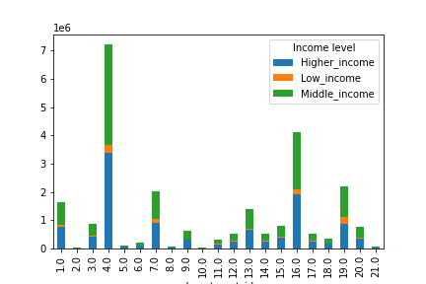
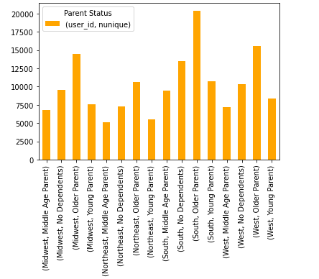
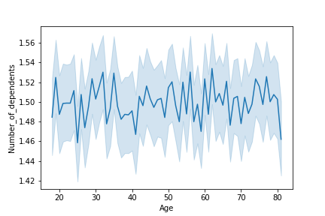
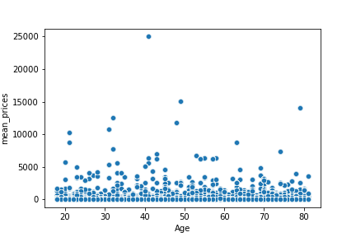
 |  |  |  |  | Title page

Visualisations

In this tab you should include all the visualtions from Exercises 4.9 and 4.10, alongside the questions from the project brief that they answer. Include any commentary on the relationship between different variables.

The sales team needs to know what the busiest days of the week and hours of the day are (i.e., the days and times with the most orders) in order to schedule ads at times when there are fewer orders.
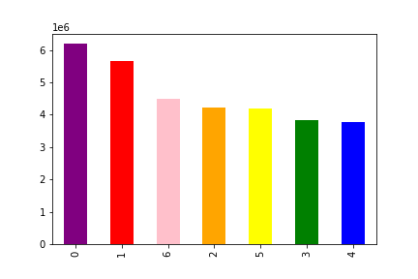

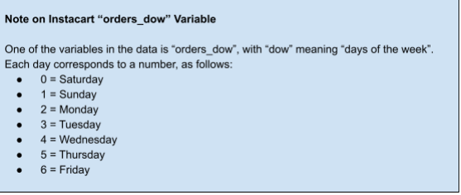

They also want to know whether there are particular times of the day when people spend the most money, as this might inform the type of products they advertise at these times.

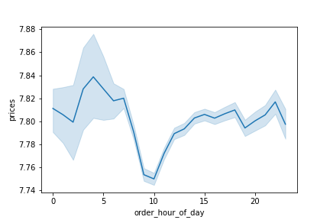

 |  |  |  |  |  | The graphs are in militrary time 1-24.

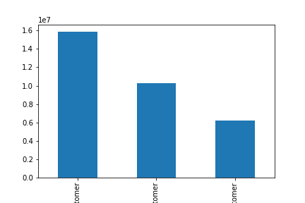
Instacart has a lot of products with different price tags. Marketing and sales want to use simpler price range groupings to help direct their efforts.

 | The rankings go like
 | 1. Regular customers
 | 2. Loyal customers.
 | 3. New customers

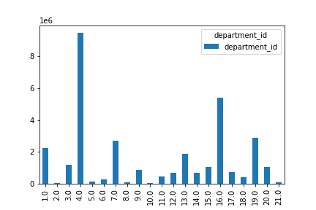
Are there certain types of products that are more popular than others? The marketing and sales teams want to know which departments have the highest frequency of product orders.

 |  | What the department_ids are
 |  | 1. Frozen | 8. Pets | 15. Canned goods
 |  | 2. Other | 9. Dry goods past | 16. Dairy eggs
 |  | 3. Bakery | 10. Bulk | 17. Household
 |  | 4. Produce | 11. Personal care | 18. Babies
 |  | 5. Alcohol | 12. Meat/Seafood | 19. Snacks
 |  | 6. International | 13. Pantry | 20. Deli
 |  | 7. Beverages | 14. Breakfast | 21. Missing

The marketing and sales teams are particularly interested in the different types of customers in their system and how their ordering behaviors differ.

7. Recommendations
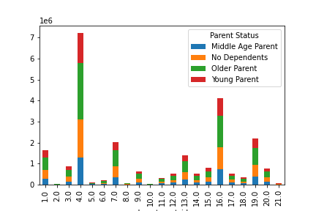
 |  |  | Title page

Recommendations

In this tab you should include any recommendations you would made to Instcart in terms of their marketing strategy based on the questions posed in the brief. Every key question has been covered in the Tasks of the Exercises - here you need to add an item - a visualisation or table/crosstable that is showing the answer in the data, acompanied by a comment from you. Please, list the questions below and add the answer underneath.

Question | Answer
Key Question 1
Key Question 2
Key Question 3
Key Question 4
Key Question 5
Key Question 6
Key Question 7

Questions |  | Answers |  | Graphs |  |  | Recommendations

The sales team needs to know what the busiest days of the week and hours of the day are (i.e., the days and times with the most orders) in order to schedule ads at times when there are fewer orders. |  | The busiest times will be around the weekend Friday- Sunday. With this in mind you can have deal for the weekend to drive for more revenue. |  |  |  |  | You can tell that most of the customers like to use the app during the weekend we could try to have some discont during the week to try to get more people to use the app.

They also want to know whether there are particular times of the day when people spend the most money, as this might inform the type of products they advertise at these times |  | By the looks of the frist graph you can tell it says most of the orders are in the afternoon. On the other hand we generate more revenue in the morning we need to look in to why that is when there are more orders during the afternoon but are revenue spike is in the morning. |  |  |  |  | From looking at the graphs I am guessing people are ordering there whole shopping order in the morning that is why it spikes in the morning. What I am guessing is that people use it a lot in the after noon for simple orders some things they forgot to get.

Instacart has a lot of products with different price tags. Marketing and sales want to use simpler price range groupings to help direct their efforts. |  | We make most are profits from mid range products then low range products then high range products. |  |  |  |  | Since most of are customers we catigorized as regular customers they have the most amount. Even thogh most of are customers are catigorized as regular customers there are still a large amount of loyal customers. We culd try to provided more deals with ordering to make more loyal customers.

Are there certain types of products that are more popular than others? The marketing and sales teams want to know which departments have the highest frequency of product orders. |  | Produce is the most popular department followed by dairy/eggs,snacks then beverages. This does not change by demographic either, these popular (& really all departments) do not vary. |  |  |  |  | Most of the orders have to do with produce, dairy eggs, snacks etc. . I would recommend trying to add deals where if they get other items from differnet departments they could get a slight discount.

The marketing and sales teams are particularly interested in the different types of customers in their system and how their ordering behaviors differ. For example: |  |  |  | What the department_ids are
 |  |  |  | 1. Frozen | 8. Pets | 15. Canned goods
 |  |  |  | 2. Other | 9. Dry goods past | 16. Dairy eggs
 |  |  |  | 3. Bakery | 10. Bulk | 17. Household
 |  |  |  | 4. Produce | 11. Personal care | 18. Babies
 |  |  |  | 5. Alcohol | 12. Meat/Seafood | 19. Snacks
 |  |  |  | 6. International | 13. Pantry | 20. Deli
 |  |  |  | 7. Beverages | 14. Breakfast | 21. Missing

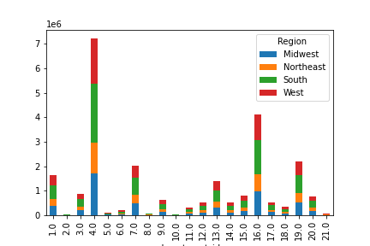
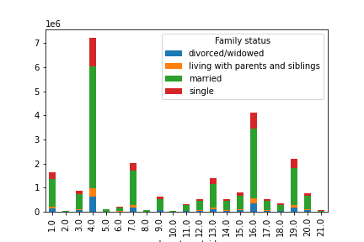
By department id how do the family status and parent status and region differ who spend more in each department. |  | We can see who spends more money in the dapartments by diversifing them a bit more you can tell in family status married people are who buy the most produce. |  |  |  |  | With these graphs you can put them together in ways to get certin outcomes. I.E. Married familys that live in the south and are an older parten spen the most amount of money.

