Overview
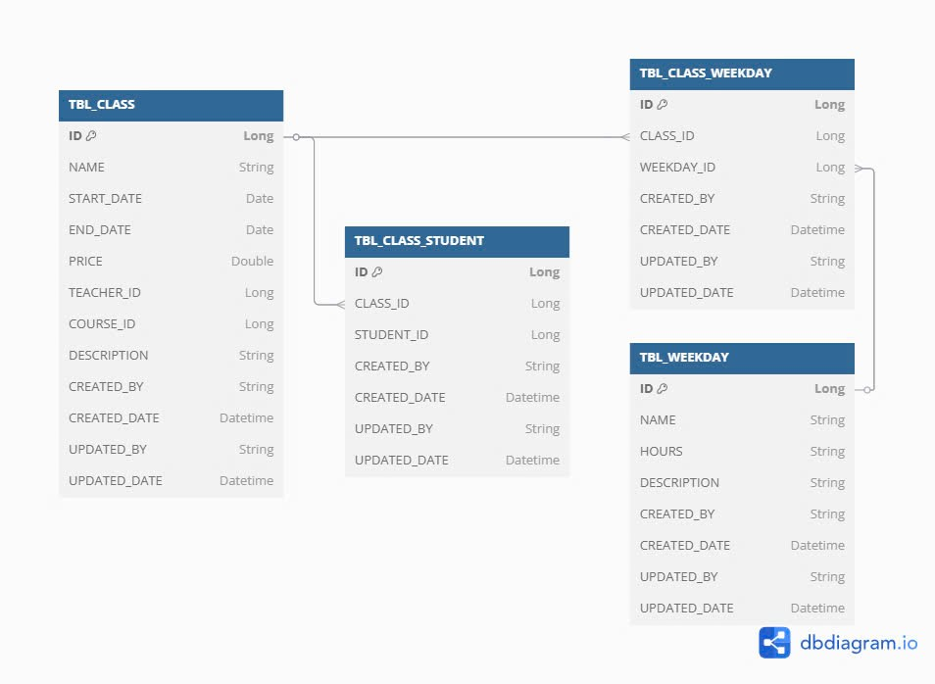
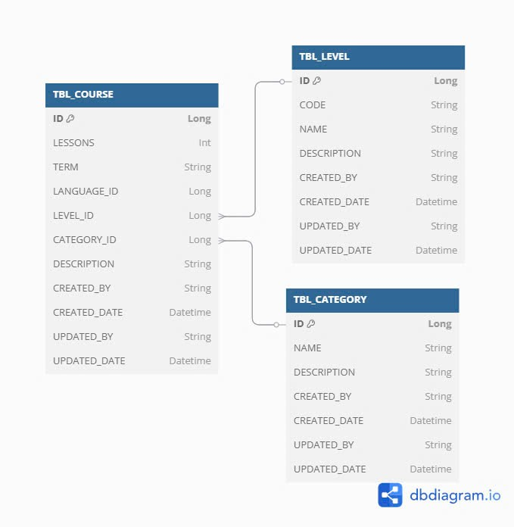
Project Name |  | Subsystem Name | Screen ID | Screen Name | Document Name | Created Date |  | Author |  | Review Date | Reviewer |  | Approval Date |  | Approver
EduLearn |  | Courses | SC001 | SC Name | Template_DD_v1.0.xlsx | 2025-02-13 |  | BangNT |  | 2025-02-19 | BangNT |  | 2025-02-13 |  | BangNT

Summary

 | Mô tả về

 |  |  |  |  |  |  | List Table
 |  |  |  |  |  |  | No. |  | Table Name |  |  |  |  | I/O
 |  |  |  |  |  |  | 1 |  | TBL_CLASS |  |  |  |  | I
 | Sử dụng tool : https://dbdiagram.io/d |  |  |  |  |  | 2 |  | TBL_CLASS_STUDENT |  |  |  |  | I/O
 |  |  |  |  |  |  | 3 |  | TBL_CLASS_WEEKDAY |  |  |  |  | I/O
 |  |  |  |  |  |  | 4 |  | TBL_WEEKDAY
 |  |  |  |  |  |  | 5 |  | TBL_COURSE
 |  |  |  |  |  |  | 6 |  | TBL_LEVEL
 |  |  |  |  |  |  | 7 |  | TBL_CATEGORY

 |  |  |  |  |  |  | List File
 |  |  |  |  |  |  | No. |  | File Name |  |  | Extension |  | I/O
 |  |  |  |  |  |  | 1 |  | import-all-staff.xlsx |  |  |  |  | I

UI
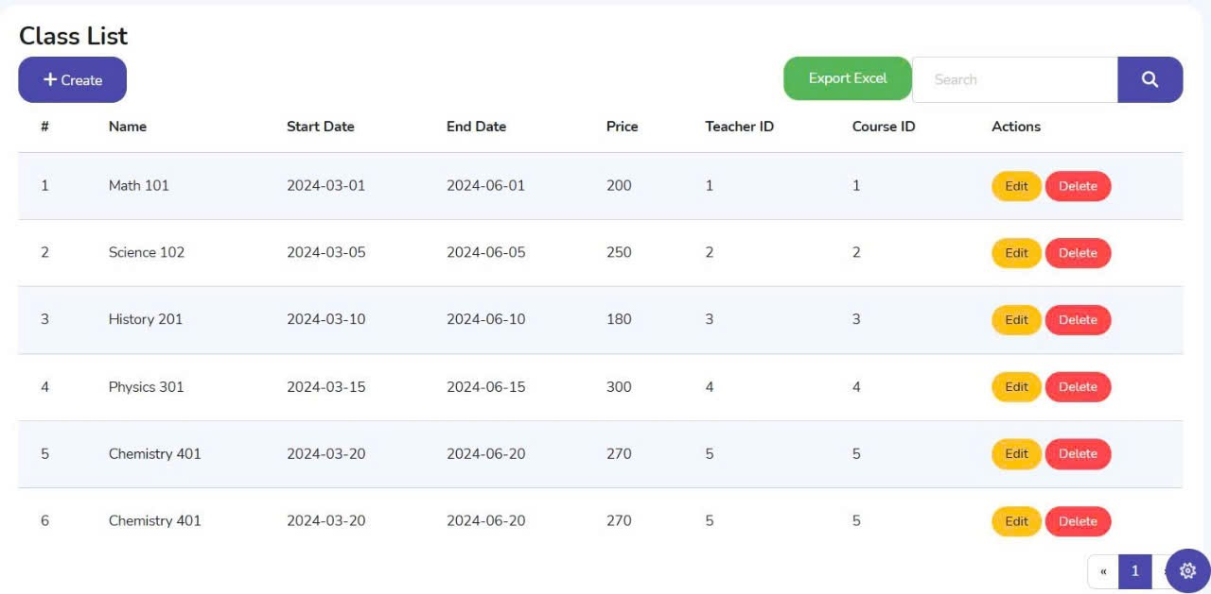
Project Name |  | Subsystem Name | Screen ID | Screen Name | Document Name | Created Date | Author | Review Date | Reviewer | Approval Date | Approver
EduLearn |  | Courses | SC001 | SC Name | Template_DD_v1.0.xlsx | 2025-02-13 | BangNT | 2025-02-19 | BangNT | 2025-02-13 | BangNT

Class Diagram

 | Sử dụng tool: https://app.diagrams.net/

SequenceDiagram
Project Name |  | Subsystem Name | Screen ID | Screen Name | Document Name | Created Date | Author | Review Date | Reviewer | Approval Date | Approver
EduLearn |  | Courses | SC001 | SC Name | Template_DD_v1.0.xlsx | 2025-02-13 | BangNT | 2025-02-19 | BangNT | 2025-02-13 | BangNT

Sequence Diagram
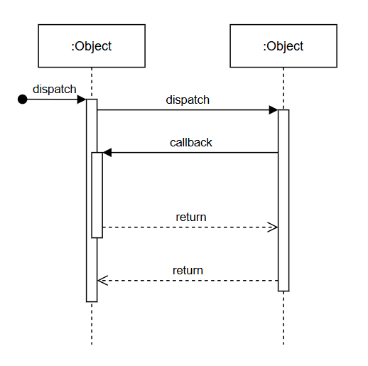
 | Sử dụng tool: https://app.diagrams.net/

