Overview
Project Name |  | Subsystem Name | Screen ID | Screen Name | Document Name | Created Date |  | Author |  | Review Date | Reviewer |  | Approval Date |  | Approver
EduLearn |  | Courses | SC001 | SC Name | Template_DD_v1.0.xlsx | 2025-02-13 |  | BangNT |  | 2025-02-19 | BangNT |  | 2025-02-13 |  | BangNT

Summary

 | Mô tả về Student

 |  |  |  |  |  |  | List Table
 |  |  |  |  |  |  | No. |  | Table Name |  |  |  |  | I/O
 |  |  |  |  |  |  | 1 |  | STUDENT |  |  |  |  | I
 | Sử dụng tool : https://dbdiagram.io/d |  |  |  |  |  | 2 |  | STUDENT_ACCOUNT |  |  |  |  | I/O

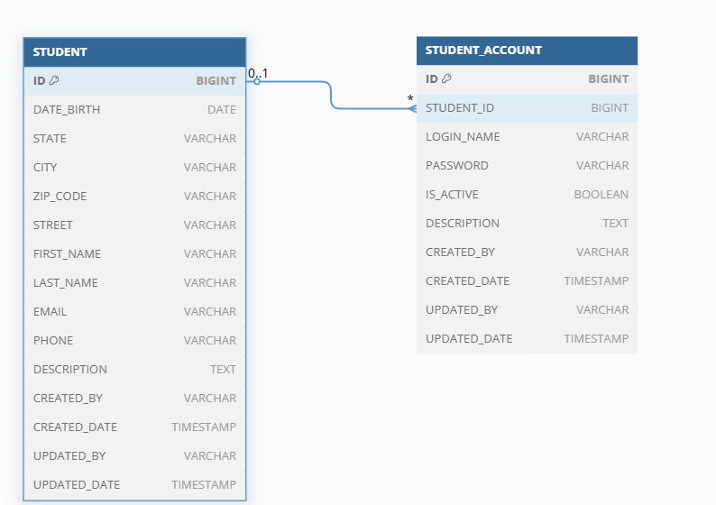

 |  |  |  |  |  |  | List File
 |  |  |  |  |  |  | No. |  | File Name |  |  | Extension |  | I/O
 |  |  |  |  |  |  | 1 |  | Student.xlsx |  |  |  |  | I

UI
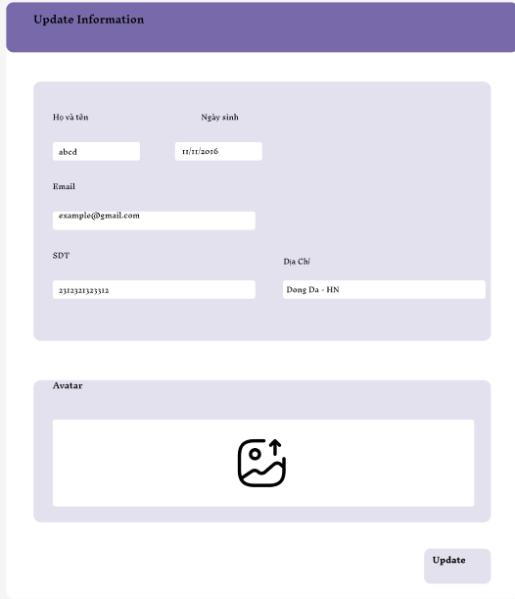
UI

Trang xem thông tin tất cả học viên
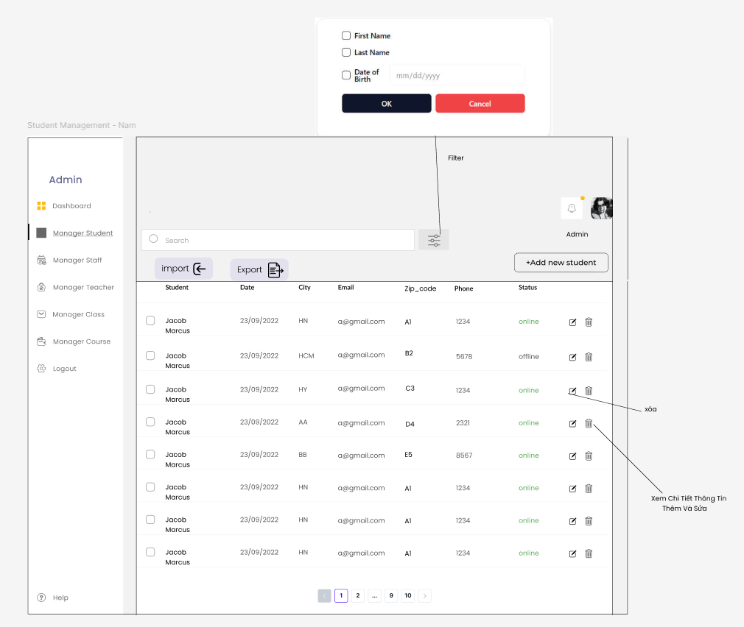

Xem thông tin học viên

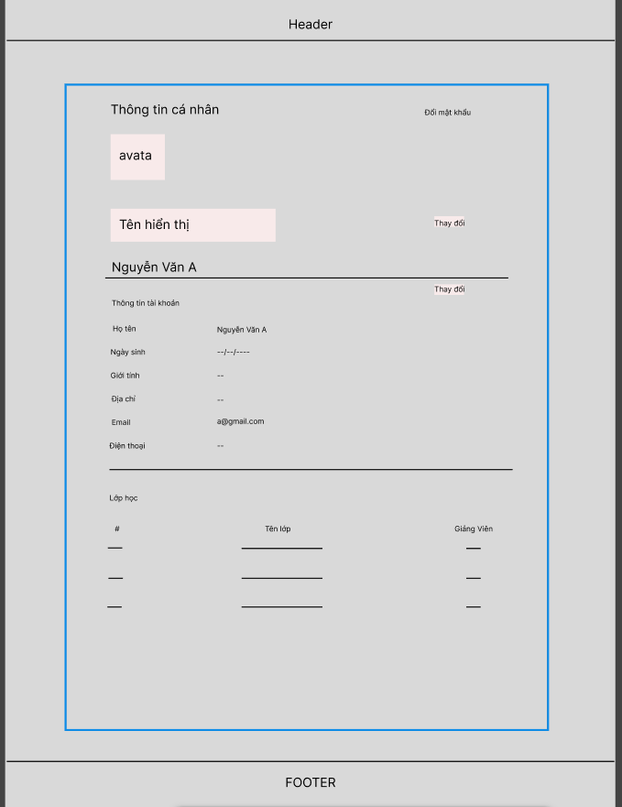

Đăng ký tài khoản học viên

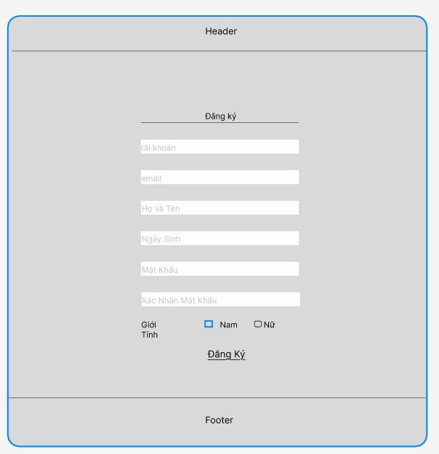

Update Info

ClassDiagram
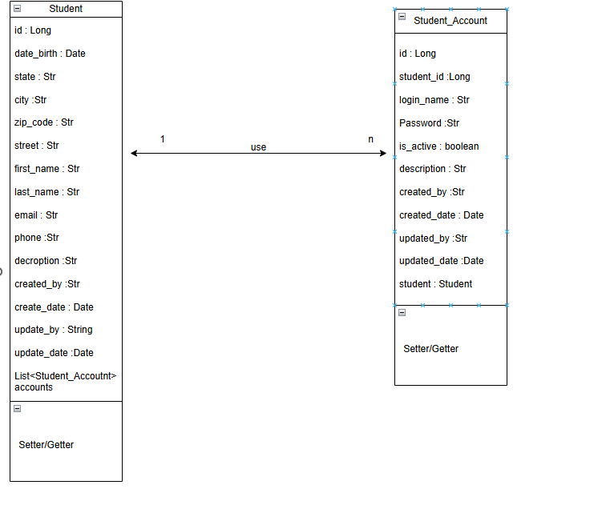
Project Name |  | Subsystem Name | Screen ID | Screen Name | Document Name | Created Date | Author | Review Date | Reviewer | Approval Date | Approver
EduLearn |  | Courses | SC001 | SC Name | Template_DD_v1.0.xlsx | 2025-02-13 | BangNT | 2025-02-19 | BangNT | 2025-02-13 | BangNT

Class Diagram

 | Sử dụng tool: https://app.diagrams.net/

