Overview
Project Name |  | Subsystem Name | Screen ID | Screen Name | Document Name | Created Date |  | Author |  | Review Date | Reviewer |  | Approval Date |  | Approver
EduLearn |  | Courses | SC001 | SC Name | Template_DD_v1.0.xlsx | 2025-02-13 |  | BangNT |  | 2025-02-19 | BangNT |  | 2025-02-13 |  | BangNT

Summary

 | Mô tả về

 |  |  |  |  |  |  | List Table
 |  |  |  |  |  |  | No. |  | Table Name |  |  |  |  | I/O
 |  |  |  |  |  |  | 1 |  | Table Name |  |  |  |  | I
 | Sử dụng tool : https://dbdiagram.io/d |  |  |  |  |  | 2 |  | Teacher |  |  |  |  | I/O
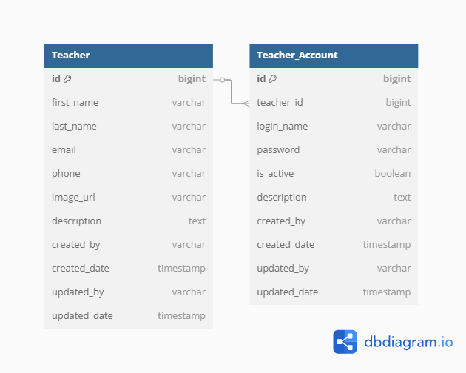
 |  |  |  |  |  |  | 3 |  | Teacher_Account |  |  |  |  | I/O

 |  |  |  |  |  |  | List File
 |  |  |  |  |  |  | No. |  | File Name |  |  | Extension |  | I/O
 |  |  |  |  |  |  | 1 |  | Teacher.xlss |  |  |  |  | I

UI
Project Name | Subsystem Name | Screen ID | Screen Name | Document Name | Created Date | Author | Review Date | Reviewer | Approval Date | Approver
EduLearn | Courses | SC001 | SC Name | Template_DD_v1.0.xlsx | 2025-02-13 | BangNT | 2025-02-19 | BangNT | 2025-02-13 | BangNT

UI
1. Giao diện tổng hiển thị thông tin của danh sách giáo viên
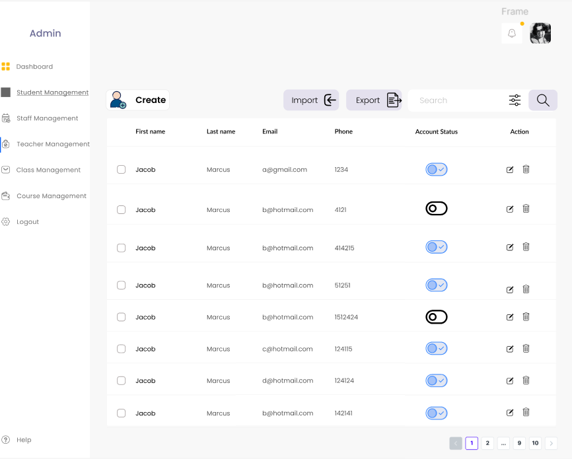

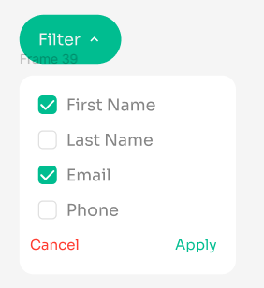

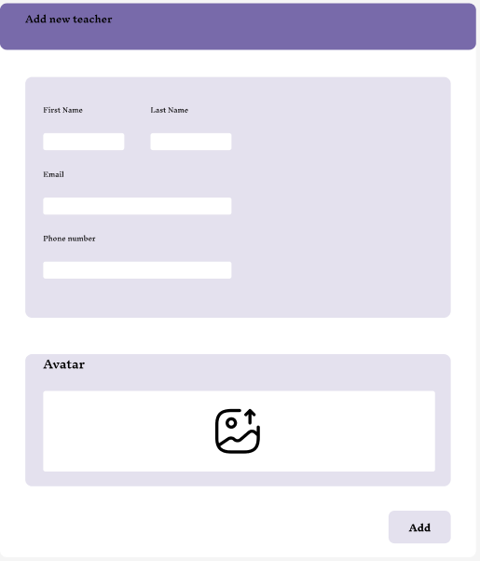
2. Thêm giáo viên

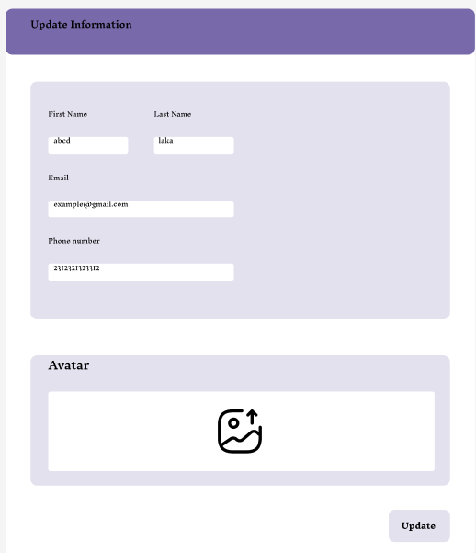
3. Sửa thông tin của giáo viên

ClassDiagram
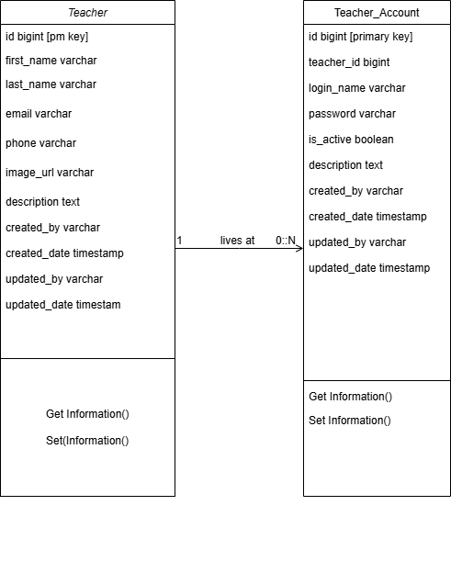
Project Name |  | Subsystem Name | Screen ID | Screen Name | Document Name | Created Date | Author | Review Date | Reviewer | Approval Date | Approver
EduLearn |  | Courses | SC001 | SC Name | Template_DD_v1.0.xlsx | 2025-02-13 | BangNT | 2025-02-19 | BangNT | 2025-02-13 | BangNT

Class Diagram

 | Sử dụng tool: https://app.diagrams.net/

SequenceDiagram
Project Name |  | Subsystem Name | Screen ID | Screen Name | Document Name | Created Date | Author | Review Date | Reviewer | Approval Date | Approver
EduLearn |  | Courses | SC001 | SC Name | Template_DD_v1.0.xlsx | 2025-02-13 | BangNT | 2025-02-19 | BangNT | 2025-02-13 | BangNT

Sequence Diagram
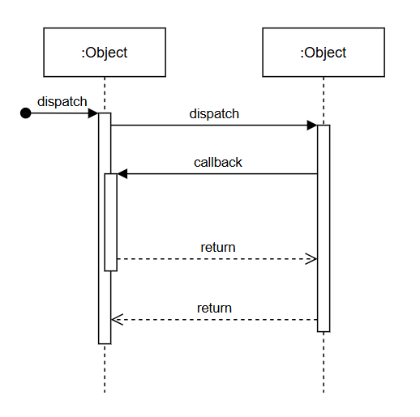
 | Sử dụng tool: https://app.diagrams.net/

