Edit object
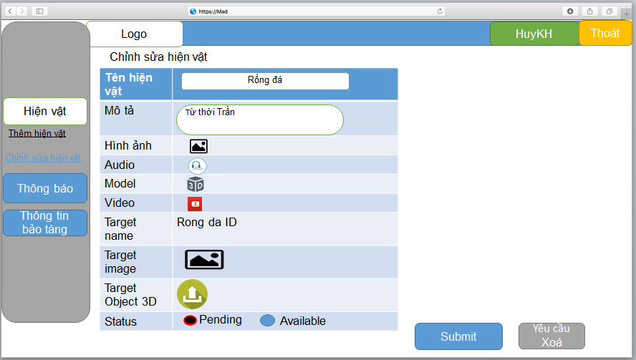

Field Name | Requirement
Name | - Required - Max length: 150
Description | - Max length: 500
Image
Audio
Model
Video
Target name | - Required
Target image
Target Object 3D
Status | - Required

Add new object
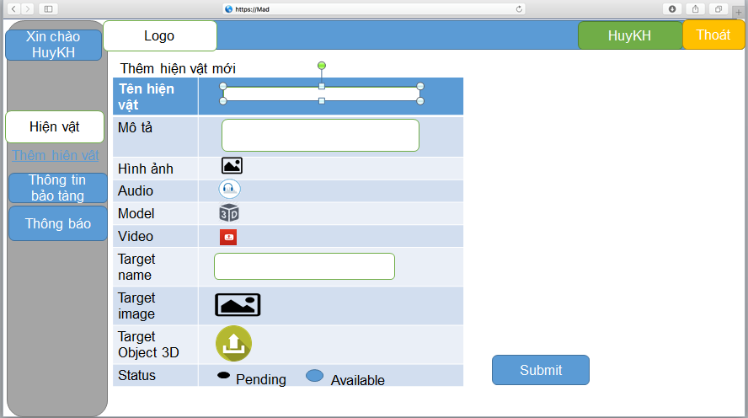
Field Name | Requirement
Name | - Required - Max length: 150
Description | - Max length: 500
Image
Audio
Model
Video
Target name | - Required
Target image
Target Object 3D
Status | - Required

