6.CommFloaters - Algo_Rates
Ready for elab | Rate per hundred field on these coverages should be able to be overwritten by the user

Form Title | Coverage Code | Algorithm
Commercial - Exhibition Floater | BOPExhibitionFloaterCov_IC | =Round((Limit /100) x 1.50, 0)
Commercial - Sign Floater | BOPSignFloaterCov_IC | =Round((Limit /100) x3.00 , 0)
Tool Floater | BOPToolFloaterCov_IC | If no-co insurance option selected, then=Round((Limit /100) x5.00 , 0), or else =Round((limit/100) x 3.60, 0) | Note: If Bundle = Contractors Gold, $5,000 limit at no co-insurance is automatically included & premium charge for this would be $100
Fine Arts Floater | BOPFineArtsFloaterCov_IC | =Round((Limit /100) x 2.00, 0)
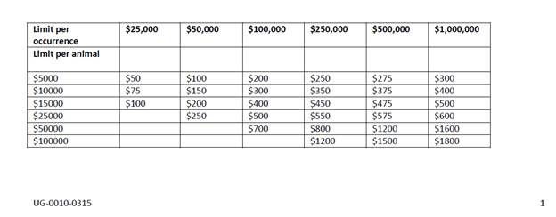
Dog & Cat Floater | BOPDogCatFloaterCov_IC | see sheet to side
Installation Floater | BOPInstallationFloaterCov_IC | If Bundle = Contractors Gold & $10,000 option is selected then flat, $50 or else charge flat $150 If $20,000 option is selected, then flat $300 If $50,000 option is selected, then flat $400
Unmanned Air Vehicle Systems Property Floater | BOPUAVSystemsPropertyFloaterCov_I | =Round((Limit /100) x3.60 ,0) deductible options $1,000 .95 $2,500 is .88 | Min. premium of $50
Contractors Equipment Floater | BOPContractorsEquipmentFloater_IC | If All Risk option is selected, then =Round((Limit/100) x.90,0) If Named Perils Option is selected, then =Round ((Limit/100) x .75, 0)
Contractor's Equipment Floater (Scheduled) | BOPContractorsEquipmentFloaterSchCov_IC | =Round((Limit/100) x .90, 0)
Contractor's Equipment Floater (Blanket) | BOPContractorsEquipmentFloaterBlanketCov_IC | =Round((Limit/100) x .90, 0) | Note: If Bundle = Contractors Gold $25,000 Contractors Equipment Floater Blanket with no-co insurance, is automatically included, premium charge $100
Motor Truck Cargo (Truckmen's) | BOPMotorTruckCargoTruckMensCov_IC | If Named Perils option is selected, then =Round((Limit/100) x 1.50, 0) If Broad Form is selected then =Round((Limit/100) x 2.00, 0)
Motor Truck Cargo (Owner's) | BOPMotorTruckCargoOwnersCov_IC | If Named Perils option is selected, then =Round((Limit/100) x 1.50, 0) If Broad Form is selected then =Round((Limit/100) x 2.00, 0)
Commercial - Miscellaneous Property Coverage - Floater | BOPMiscPropertyCoverageFloaterCov_IC | If Named Perils option is selected, then =Round ((Limit/100) x .75, 0) If Named Perils Including Theft option is selected, then =Round ((Limit/100) x 1.00, 0) If All Risk Option is selected, then =Round ((Limit/100) x 1.25, 0)
Transportation Floater | BOPTransportationFloaterCov_IC | =Round((Limit/100) x 2.00, 0)
Commercial Boat, Motor & Trailer | BOPCommercialBMTACov_IC | If Named Perils option is selected, then =Round ((Limit/100) x .70, 0) If All Risk option is selected, then =Round ((Limit/100) x 1.40, 0)
Commercial - Electronic Equipment | BOPElectronicEquipmentCov_IC | =Round ((Limit/100) x .50, 0)
Scheduled Portable Computer Equipment | BOPSchedPortableCompEquipCov_IC | =Round ((Limit/100) x 2.00, 0)

