Sheet1
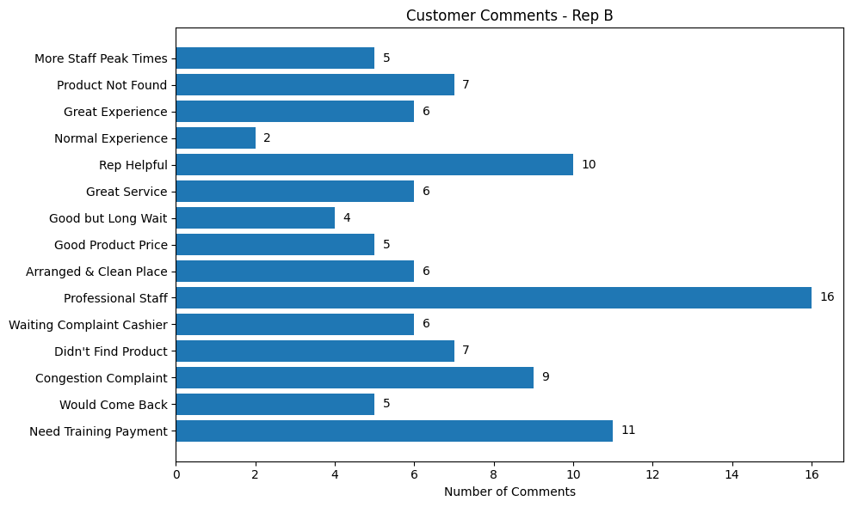
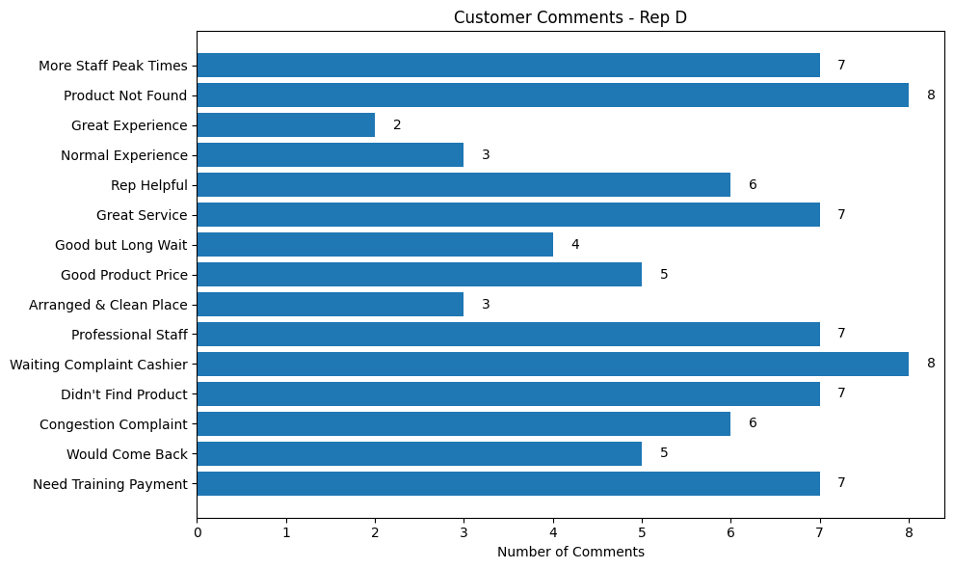
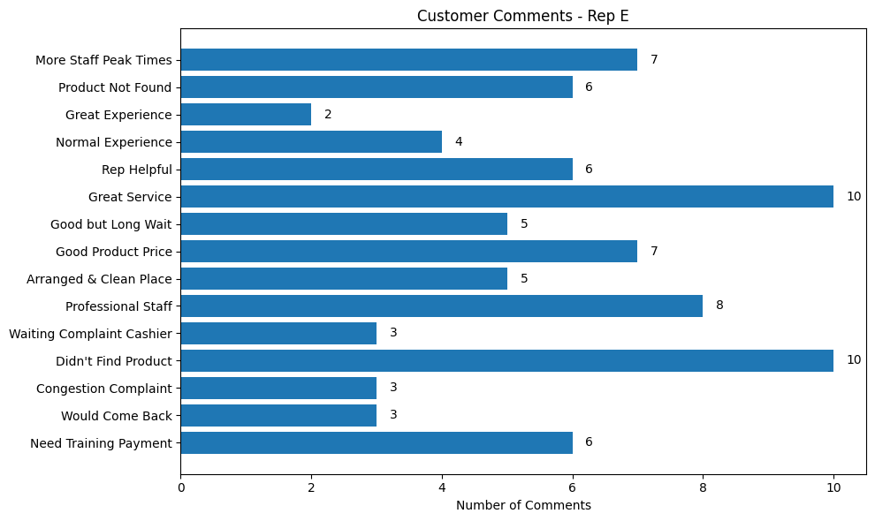
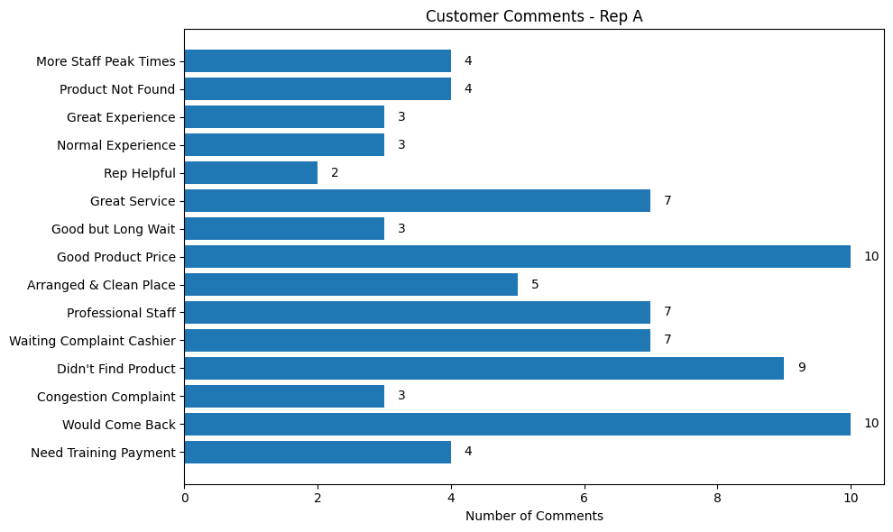
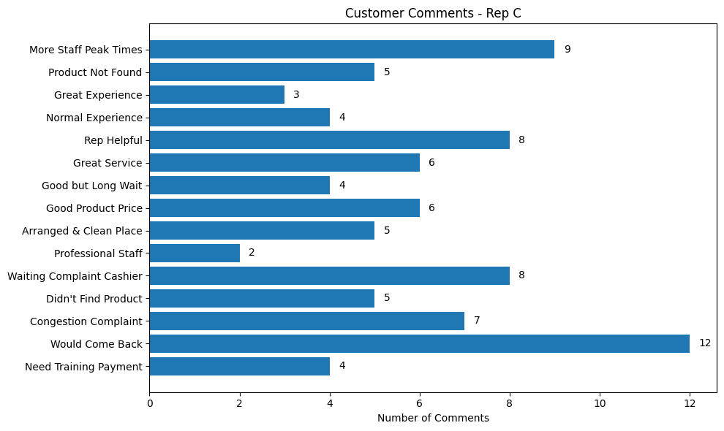
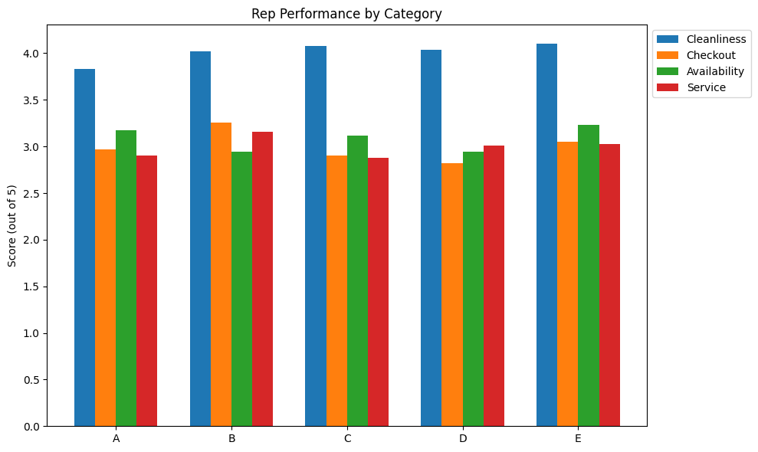
Rep A: |  |  |  |  | Rep B: |  |  |  |  | Rep C: |  |  |  |  | Rep D: |  |  |  |  | Rep E:
avg ovrl rate: | 3.22/5 (90) |  |  |  | avg ovrl rate: | 3.35/5(118) |  |  |  | avg ovrl rate: | 3.24(100) |  |  |  | avg ovrl rate: | 3.2(101) |  |  |  | avg ovrl rate: | 3.35(91)
avg cln: | 3.83/5 |  |  |  | avg cln: | 4.02/5 |  |  |  | avg cln: | 4.08/5 |  |  |  | avg cln: | 4.04/5 |  |  |  | avg cln: | 4.1/5
avg chkout: | 2.97/5 |  |  |  | avg chkout: | 3.26/5 |  |  |  | avg chkout: | 2.9/5 |  |  |  | avg chkout: | 2.82/5 |  |  |  | avg chkout: | 3.05/5
avg avail: | 3.17/5 |  |  |  | avg avail: | 2.94/5 |  |  |  | avg avail: | 3.12/5 |  |  |  | avg avail: | 2.94/5 |  |  |  | avg avail: | 3.23/5
avg srv | 2.9/5 |  |  |  | avg srv | 3.16/5 |  |  |  | avg srv | 2.88/5 |  |  |  | avg srv | 3.01/5 |  |  |  | avg srv | 3.03/5

num of rkmnd customers: |  | 48(NO) | 42(YES) | why? | num of rkmnd customers: |  | 62(NO) | 56(YES) |  | num of rkmnd customers: |  | 57(NO) | 43(YES) |  | num of rkmnd customers: |  | 62(NO) | 39(YES) |  | num of rkmnd customers: |  | 46(NO) | 45(YES)
 |  | 53.30% | 46.70% |  |  |  | 52.54% | 47.46% |  |  |  | 57% | 43% |  |  |  | 61.30% | 38.61
cust reason: |  |  |  |  | cust reason: |  |  |  |  | cust reason: |  |  |  |  | cust reason: |  |  |  |  | cust reason:
 | payment waiting: |  | 15.60% | 14 |  | payment waiting: |  | 10.10% | 12 |  | payment waiting: |  | 14% | 14 |  | payment waiting: |  | 9.90% | 10 |  | payment waiting: |  | 9.89% | 9
 | Bad service: |  | 8.88% | 8 |  | Bad service: |  | 5.08% | 6 |  | Bad service: |  | 6% | 6 |  | Bad service: |  | 10.89% | 11 |  | Bad service: |  | 12.08% | 11
 | prdkt availbility problem: |  | 10% | 9 |  | prdkt availbility problem: |  | 16.10% | 19 |  | prdkt availbility problem: |  | 12% | 12 |  | prdkt availbility problem: |  | 6.93% | 7 |  | prdkt availbility problem: |  | 8.79% | 8
 | price problem: |  | 12.20% | 11 |  | price problem: |  | 6.77% | 8 |  | price problem: |  | 7% | 7 |  | price problem: |  | 12.87% | 13 |  | price problem: |  | 9.89% | 9
 | congestion: |  | 10% | 9 |  | congestion: |  | 7.62% | 9 |  | congestion: |  | 5% | 5 |  | congestion: |  | 12.87% | 13 |  | congestion: |  | 3.29% | 3
 | no reason: |  | 43.32% |  |  | no reason: |  | 54.23% |  |  | no reason: |  | 56% |  |  | no reason: |  | 46% |  |  | no reason: |  | 56.60%
cust comments: |  |  |  |  | cust comments: |  |  |  |  | cust comments: |  |  |  |  | cust comments: |  |  |  |  | cust comments:
 | need training in pymnt: |  | 4.44% | 4 |  | need training in pymnt: |  | 9.32% | 11 |  | need training in pymnt: |  | 4% | 4 |  | need training in pymnt: |  | 6.93% | 7 |  | need training in pymnt: |  | 6.59% | 6
 | cust would comeback: |  | 11.10% | 10 |  | cust would comeback: |  | 4.23% | 5 |  | cust would comeback: |  | 12% | 12 |  | cust would comeback: |  | 4.95% | 5 |  | cust would comeback: |  | 3.29% | 3
 | Congestions complaint: |  | 3.33% | 3 |  | Congestions complaint: |  | 7.62% | 9 |  | Congestions complaint: |  | 7% | 7 |  | Congestions complaint: |  | 5.94% | 6 |  | Congestions complaint: |  | 3.29% | 3
 | cust didn’t find prdkt: |  | 10% | 9 |  | cust didn’t find prdkt: |  | 5.93% | 7 |  | cust didn’t find prdkt: |  | 5% | 5 |  | cust didn’t find prdkt: |  | 6.93% | 7 |  | cust didn’t find prdkt: |  | 10.98% | 10
 | waiting complaint cashier: |  | 7.78% | 7 |  | waiting complaint cashier: |  | 5.08% | 6 |  | waiting complaint cashier: |  | 8% | 8 |  | waiting complaint cashier: |  | 7.92% | 8 |  | waiting complaint cashier: |  | 3.29% | 3
 | Professional staff |  | 7.78% | 7 |  | Professional staff |  | 13.55% | 16 |  | Professional staff |  | 2% | 2 |  | Professional staff |  | 6.93% | 7 |  | Professional staff |  | 8.79% | 8
 | arranged and clean place: |  | 5.55% | 5 |  | arranged and clean place: |  | 5.08% | 6 |  | arranged and clean place: |  | 5% | 5 |  | arranged and clean place: |  | 2.97% | 3 |  | arranged and clean place: |  | 5.49% | 5
 | Good product price |  | 10% | 10 |  | Good product price |  | 4.23% | 5 |  | Good product price |  | 6% | 6 |  | Good product price |  | 4.95% | 5 |  | Good product price |  | 7.69% | 7
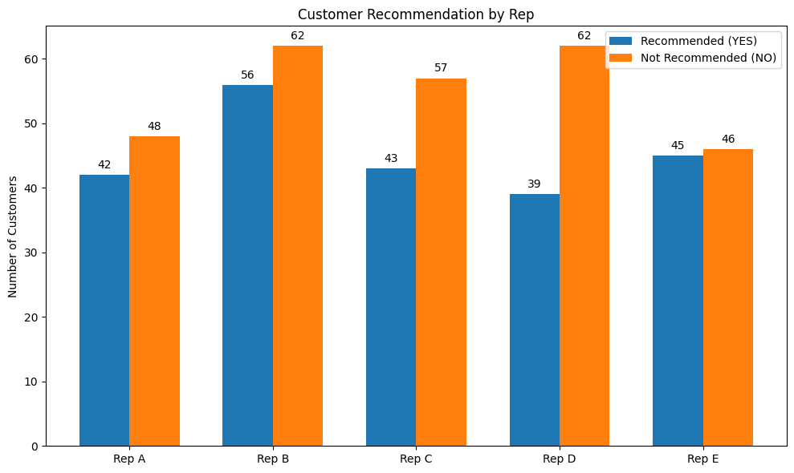
 | good but lng time wait: |  | 3.33% | 3 |  | good but lng time wait: |  | 3.38% | 4 |  | good but lng time wait: |  | 4% | 4 |  | good but lng time wait: |  | 3.96% | 4 |  | good but lng time wait: |  | 5.49% | 5
 | great service: |  | 8% | 7 |  | great service: |  | 5.08% | 6 |  | great service: |  | 6% | 6 |  | great service: |  | 6.93% | 7 |  | great service: |  | 10.98% | 10
 | rep was helpful: |  | 2.22% | 2 |  | rep was helpful: |  | 8.47% | 10 |  | rep was helpful: |  | 8% | 8 |  | rep was helpful: |  | 5.94% | 6 |  | rep was helpful: |  | 6.59% | 6
 | normal exp: |  | 3% | 3 |  | normal exp: |  | 1.69% | 2 |  | normal exp: |  | 4% | 4 |  | normal exp: |  | 2.97% | 3 |  | normal exp: |  | 4.39% | 4
 | great exp: |  | 3.33% | 3 |  | great exp: |  | 5.08% | 6 |  | great exp: |  | 3% | 3 |  | great exp: |  | 1.98% | 2 |  | great exp: |  | 2.19% | 2
 | some prdkt was not found: |  | 4.44% | 4 |  | some prdkt was not found: |  | 5.93% | 7 |  | some prdkt was not found: |  | 5% | 5 |  | some prdkt was not found: |  | 7.92% | 8 |  | some prdkt was not found: |  | 6.59% | 6
 | more staff at peak times: |  | 4.44% | 4 |  | more staff at peak times: |  | 4.23% | 5 |  | more staff at peak times: |  | 9% | 9 |  | more staff at peak times: |  | 6.93% | 7 |  | more staff at peak times: |  | 7.69% | 7

