Guideline
※ Trước khi thực hiện fill WBS, Hãy UPDATE SVN và LOCK lại

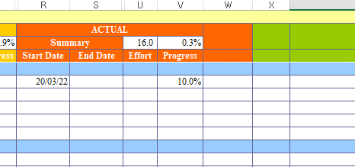
※ Khi bắt đầu task mới
 | ・ Điền Actual Start Date
 | ・ Điền Actual Progress là 10%

※ Trong quá trình làm, điền progress và Effort (theo h) tương ứng, điền Daily
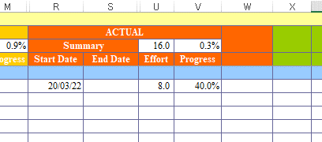

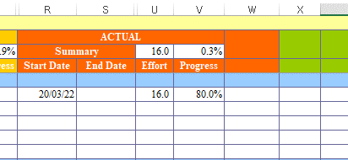
※ Khi hoàn thành TẠO task xong
 | ・ Điền Actual Progress là 80%

※ Khi leader đã review xong và đóng task
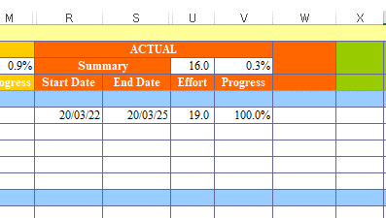
 | ・ Điền Actual Progress là 100%
 | ・ Điền Actual End Date

