SCOM001
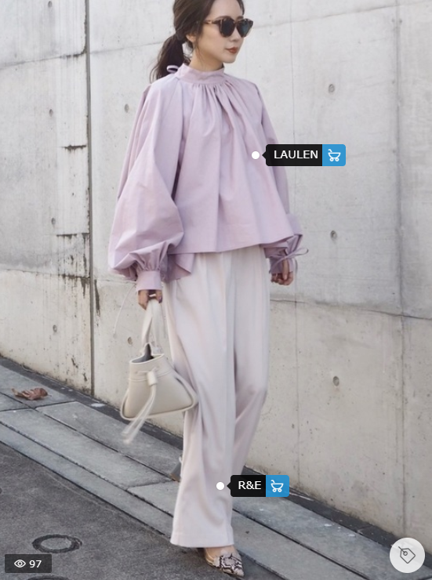
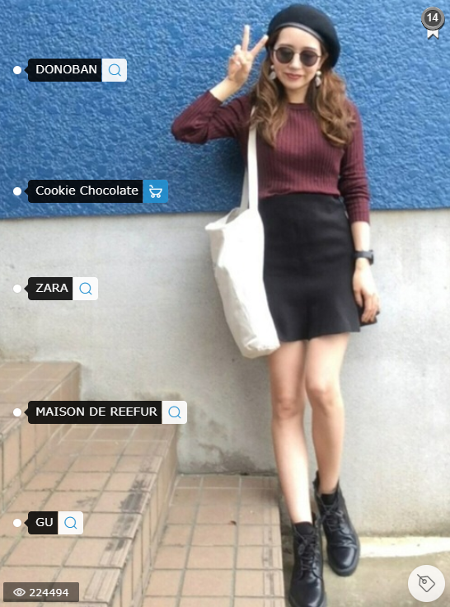
SCOM001 |  | Profile cá nhân

―
□
✕
Outfiz
Fashion

⊕ Follow

 |  |  | Sonka
 |  |  |  | @son.ka | | | 182cm |  | | | Nam
 |  |  |  | ⊕ 3267

 |  |  |  |  |  |  | << Khu vực mô tả profile>>

 | Model cho shop
DN
DN Shop
267 Lê Lợi, Đà Nẵng
✅
α
Alpha Shop
37/9 Lê Hồng Phong, Đà Nẵng
⊕

