Network
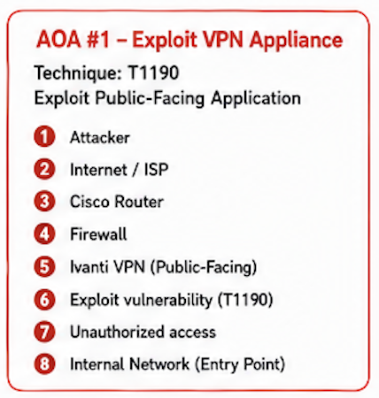
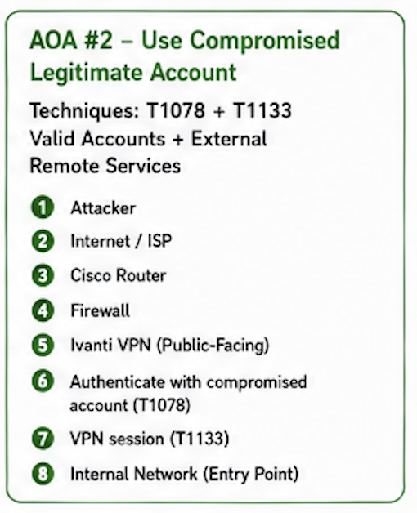
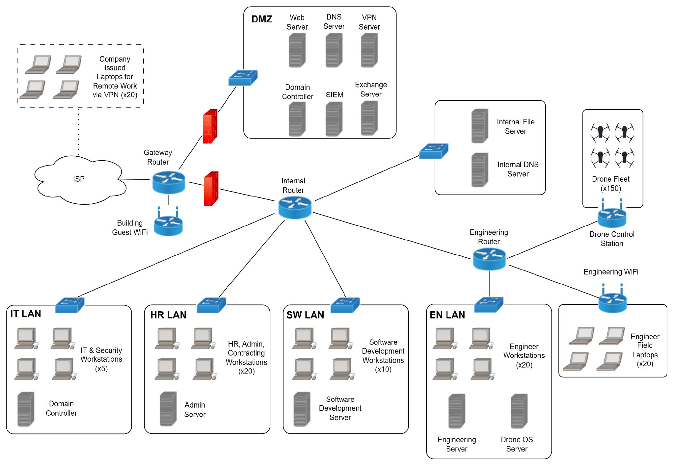

Mission Critical Assets:
Availability and integrity of Drones
Integrity and confidentiality of proprietary information on the Engineering and Drone OS Server
Availability of the Software Repo and confidentiality of the proprietary Source Code on the SW Dev Server
Attack on Web Server

Areas of Interest:
Domain Controllers
DNS Servers
File Servers
Routers
VPN Server
Web Server
Exchange Server
Routers

Supply Chain Compromise

Avenue of Approach

