1.2_Analog_Analysis
Engineering Information
To | Project Manager , Team Leader |  |  |  |  |  |  | Date | 10-Jan-23
Cc | Project Team |  |  |  |  |  |  | PIC | sherif
Re | IOT Analog Analysis

 | Sensor Data
 | Material |  | Description |  |  | Maker | Maker PN | Supplier

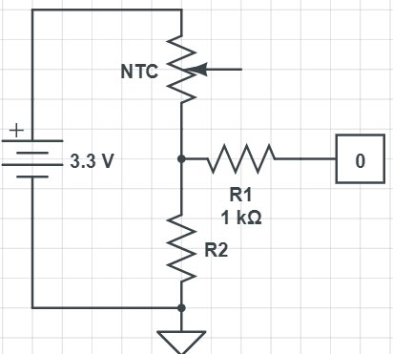
 | Temp(ºC) | NTC(K) | R2K) | VS (V) | Vo(V) | Resolution | ADC
 | 40 | 1 | 4 | 3.3 | 2.640 | 12 | 3276
 | 39 | 2 |  |  | 2.200 |  | 2730
 | 38 | 3 |  |  | 1.886 |  | 2340
 | 37 | 4 |  |  | 1.650 |  | 2048
 | 36 | 5 |  |  | 1.467 |  | 1820
 | 35 | 6 |  |  | 1.320 |  | 1638
 | 34 | 7 |  |  | 1.200 |  | 1489
 | 33 | 8 |  |  | 1.100 |  | 1365
 | 32 | 9 |  |  | 1.015 |  | 1260
 | 31 | 10 |  |  | 0.943 |  | 1170
 | 30 | 11 |  |  | 0.880 |  | 1092
 | 29 | 12 |  |  | 0.825 |  | 1024
 | 28 | 13 |  |  | 0.776 |  | 963

ELARABY GROUP

