1.3_Simulator Design
Engineering Information
To | Project Manager , Team Leader | Date | 30/11/2023
Cc | Project Team | PIC | Ahmed Yasser
Re | IOT Simulator Design

 | Simulator Kit
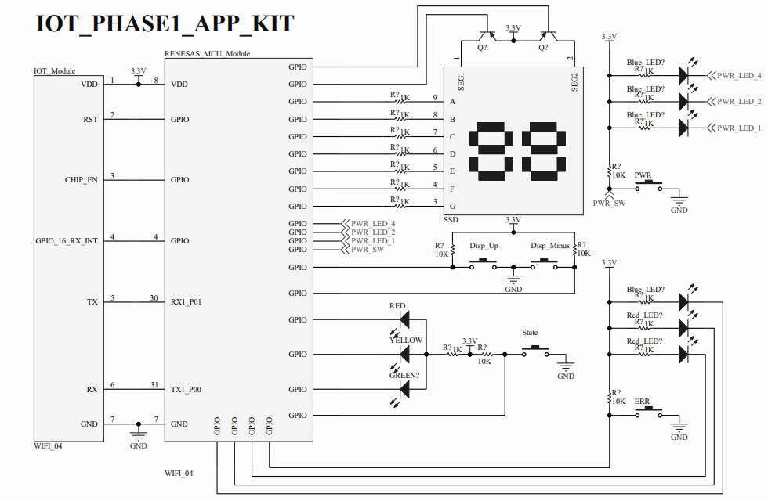

 |  | Design | Review

ELARABY GROUP

