Chronology
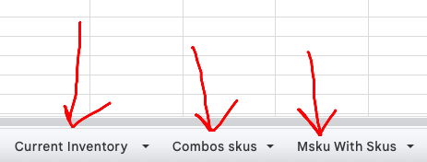
 |  |  | sku | msku
 |  |  | pen | cste-pen |  | 1
 |  |  | pen-blue | cste-pen | flipkart | 1
 |  |  | pen-blue2 | cste-pen-black | cste-pen-blue | 2
 |  |  |  | 1 | 1

1 | Every day we export relevant reports from marketplaces
2 | Preprocess the data - mapping marketplace localised skus against Master skus(mskus), subtract from current inventory (combos and packging goods) across different warehouses (main + FBA states)
3 | Finalised Stock Count
4 | Add auxilary inbounds (Returns, soft toys, photoshoot) and new inventory inbounds
5 | Add outbounds (sent for filling soft toys, photoshoot, gifts, sampling)
6 | packaging, battery, covers, thank you cards etc additional items
7 | (marketplaces as per sales data) (skipped till OMS)
8 | Inbound in different marketplaces

 |  | NOTE ONLY THESE THREE SHEETS ARE IMPORTANT FOR MAPPING USE MSKUS WITH SKUS and COMBO SKUS to map to sales data (SKUS)

