README
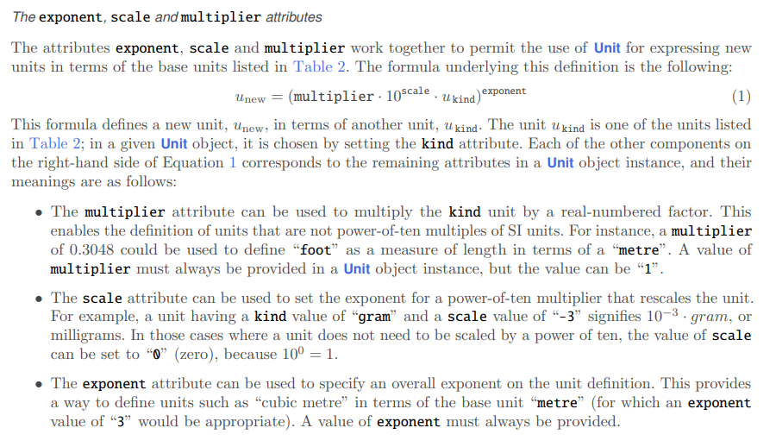
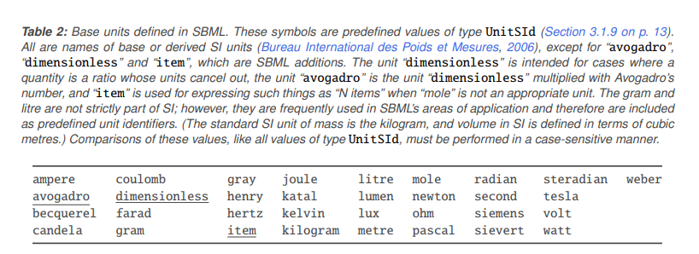
Parameters
use PEtab “parameter table” fields
https://petab.readthedocs.io/en/latest/v1/documentation_data_format.html#parameter-table
Denote it as upperBound/lowerBound/nominalValue
nominalValue - if an observed value was measure
If namy of the three are missing, use a “?” in its place:
E.g. ?/?/4 if it was measured “exactly”
or 10/15/? for only a range provided.
Units
As in SBML:
Parameter units:
https://github.com/combine-org/combine-specifications/blob/main/specifications/sbml.level-3.version-2.core.release-2.md
MATCH (r:Reaction)
OPTIONAL MATCH (r)-[e]-(m)
WHERE
type(e) IN ["SUBSTRATE", "PRODUCT",
"ACTIVATES", "INHIBITS",
"TRANSLOCATE_TO", "TRANSLOCATE_FROM"
]
AND
NOT m:Condition
WITH
CASE type(e) WHEN 'SUBSTRATE' THEN 1 ELSE 0 END AS c_S,
CASE type(e) WHEN 'TRANSLOCATE_FROM' THEN 1 ELSE 0 END AS c_TS,
CASE type(e) WHEN 'PRODUCT' THEN 1 ELSE 0 END AS c_P,
CASE type(e) WHEN 'TRANSLOCATE_TO' THEN 1 ELSE 0 END AS c_TP,
CASE type(e) WHEN 'ACTIVATES' THEN 1 ELSE 0 END AS c_A,
CASE type(e) WHEN 'INHIBITS' THEN 1 ELSE 0 END AS c_I,
r
WITH r,
SUM(c_S) + SUM(c_TS) AS c_reactant,
SUM(c_P) + sum(c_TP) AS c_product,
SUM(c_A) + SUM(c_I) AS c_modifier
RETURN r.reaction_id AS reaction_id,
r.reaction_type AS reaction_type,
r.reaction_mechanism AS reaction_mechanism,
r.reaction_effect AS reaction_effect,
c_reactant + ' / ' + c_product + ' / ' + c_modifier AS participant_counts,
apoc.text.join(r.external_links, '|') AS external_links,
r.evidence_sentence AS evidence_sentence,
r.additional_information AS additional_information,
r.experimental_techniques AS experimental_techniques
ORDER BY reaction_id

from rdflib import Graph, URIRef
import csv
import sys
owl = sys.argv[1]
term = sys.argv[2] #SBO_0000001 = rate_laws
# Path for the TSV file
extended_tsv_file_path = sys.argv[3]
# Load the OWL file into a graph
g = Graph()
g.parse(owl, format="xml")
# Find the URI for the "rate law" term by manual inspection
rate_law_uri = URIRef(f'http://biomodels.net/SBO/{term}')
# Define RDF predicates for subclass, label, and comment
subClassOf_predicate = URIRef("http://www.w3.org/2000/01/rdf-schema#subClassOf")
label_predicate = URIRef("http://www.w3.org/2000/01/rdf-schema#label")
comment_predicate = URIRef("http://www.w3.org/2000/01/rdf-schema#comment")
# Recursive function to find all descendants of a term
def find_descendants(uri, graph, results, depth=0):
"""
Recursive function to find all descendants of a given URI.
:param uri: URI of the term to find descendants for
:param graph: RDFlib Graph object
:param results: list to store found descendants
:param depth: current depth of recursion
"""
if depth > 10: # arbitrary depth limit for safety
return
for child, _, _ in graph.triples((None, subClassOf_predicate, uri)):
child_label = graph.value(child, label_predicate)
child_comment = graph.value(child, comment_predicate)
descendant_info = {
"URI": child,
"Label": child_label,
"Comment": child_comment
}
results.append(descendant_info)
find_descendants(child, graph, results, depth + 1)
# Initialize list to hold all descendants data
all_descendants_data = []
# Start recursive search from the rate law URI
find_descendants(rate_law_uri, g, all_descendants_data)
# Writing data to TSV
with open(extended_tsv_file_path, mode='w', newline='', encoding='utf-8') as file:
writer = csv.DictWriter(file, fieldnames=["URI", "Label", "Comment"], delimiter='\t')
writer.writeheader()
for data in all_descendants_data:
writer.writerow({k: str(v) for k, v in data.items()})
SBO sheets:
SBO-rate-laws = all descendants of “rate law” (http://biomodels.net/SBO/SBO_0000001)
SBO-reactions = all descendents of “process” (http://biomodels.net/SBO/SBO_0000375)
MATCH (r:Reaction)
OPTIONAL MATCH (r)-[e]-(m)
WHERE
type(e) IN ["SUBSTRATE", "PRODUCT",
"ACTIVATES", "INHIBITS",
"TRANSLOCATE_TO", "TRANSLOCATE_FROM"
]
AND
NOT m:Condition
WITH
CASE type(e) WHEN 'SUBSTRATE' THEN 1 ELSE 0 END AS c_S,
CASE type(e) WHEN 'TRANSLOCATE_FROM' THEN 1 ELSE 0 END AS c_TS,
CASE type(e) WHEN 'PRODUCT' THEN 1 ELSE 0 END AS c_P,
CASE type(e) WHEN 'TRANSLOCATE_TO' THEN 1 ELSE 0 END AS c_TP,
CASE type(e) WHEN 'ACTIVATES' THEN 1 ELSE 0 END AS c_A,
CASE type(e) WHEN 'INHIBITS' THEN 1 ELSE 0 END AS c_I,
r.reaction_id AS reaction_id
RETURN reaction_id, SUM(c_S) + SUM(c_TS) AS c_reactant,
SUM(c_P) + sum(c_TP) AS c_product,
SUM(c_A) + SUM(c_I) AS c_modifier
ORDER BY reaction_id
reaction-participant-counts
Number substrate/product/modifer per reaction

