Sales Analysis

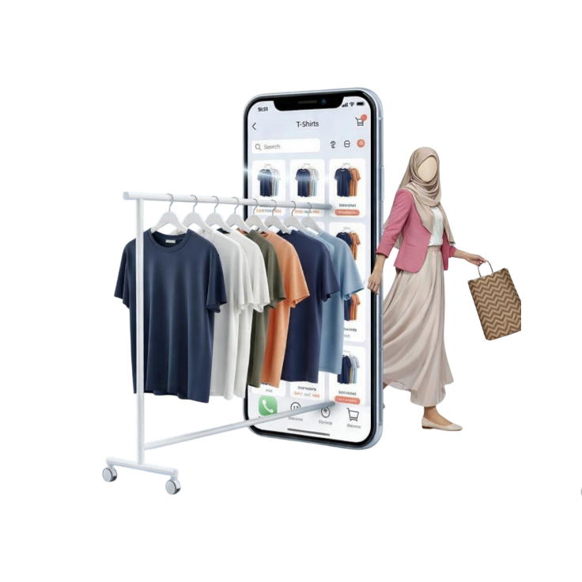
 | Total
Walking Shoes | $2.19M
Climbing Shoes | $1.46M
Cycling Shoes | $353.58K
Tennis Shoes | $195.71K
Gift Card | $185.36K
 | Total
Water Shoes | $2.80K
Boy's | $4.63K
Clogs | $7.52K
Running Shoes | $12.69K
Accessories | $18.10K
 | Total
shopify_payments | $2.68M
paypal | $809.89K
gift_card | $748.65K
amazon_payments | $259.56K
manual | $90.64K
 | Total
Sunday | $585.92K
Monday | $750.83K
Tuesday | $576.99K
Wednesday | $675.03K
Thursday | $701.41K
Friday | $594.10K
Saturday | $707.60K
 | Total
1 | $616.97
2 | $352.64
3 | $231.06
4 | $195.78
5 | $139.51
7 | $993.01
Rofiah A.
Ecommerce Data Analyst
DASHBOARD
ANALYSIS
What Drives Revenue Growth?
Breaks down revenue trends, product performance, and payment channel contribution to identify what is accelerating or slowing sales performance.
Payment Gateway Breakdown
Daily Revenue Trend
Top Revenue-Generating Products
Lowest Performing Products
Quantity Volume vs Pricing Dynamics
Net Sales
Total Orders
Average Order Value (AOV)
Total Quantity
Purchase Frequency
$4.59M
7,420
$618.85
7,523
1.68

Customer & Regional Analysis
 | Total
Repeat Customer | $619.17
Single Order Customer | $618.18
 | Total
Vernon Brockley | $3.82K
Cointon Gosselin | $3.98K
Gerik Roussel | $4.06K
Vilma Wissby | $4.27K
Ira MacCawley | $7.63K
 | Total
WASHINGTON | 209
HOUSTON | 191
NEW YORK CITY | 133
DALLAS | 121
EL PASO | 118
 | Total
CHICAGO | $47.66K
SACRAMENTO | $49.70K
PITTSBURGH | $50.84K
LAS VEGAS | $51.02K
MIAMI | $57.78K
EL PASO | $70.90K
DALLAS | $72.70K
NEW YORK CITY | $80.75K
HOUSTON | $116.27K
WASHINGTON | $126.46K
 | Total
CORONA | $1,955.28
ANN ARBOR | $995.31
FARGO | $810.31
MONTPELIER | $763.46
JERSEY CITY | $749.61
Rofiah A.
Ecommerce Data Analyst
Are Customers Truly Loyal?
Evaluates repeat rate, lifetime value, and high-value customer segments to measure retention health and long-term revenue sustainability.
Top 5 City that Sold the Highest Quantity
Repeat Customer Vs One time Customer
Top Performing Customers
Province & City by Sales
Top 5 City with Highest AOV
Total Customers
Life Time Value
Single Order Customers
Repeated Customers
Repeat Rate
4,425
$1,037.71
2,388
2,037
46%
DASHBOARD
ANALYSIS

